Picture Index
 |  | 1185 Avenue of the Americas
 |  | New York, New York 10036
 |  | Phone: (212) 372 - 1000
 |  | www.rsmus.com

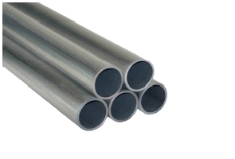
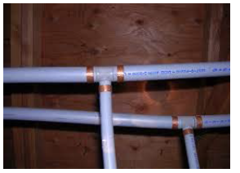

Galvanized Aluminum Pipes | Polybutlyene Pipes

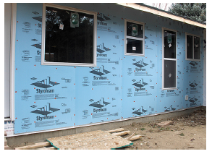
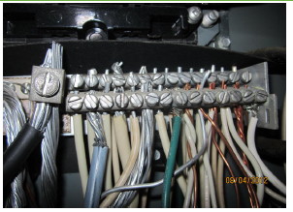

Exterior Foam Insulation System | Aluminum vs. Copper Wiring
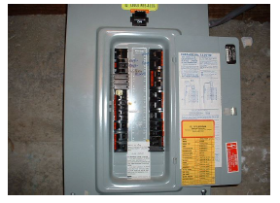
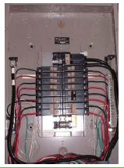

Stab - Lok Breakers | Fused Electrical Subpanels

RSM US Assessment

Picture Index (2)
 |  | 1185 Avenue of the Americas
 |  | New York, New York 10036
 |  | Phone: (212) 372 - 1000
 |  | www.rsmus.com

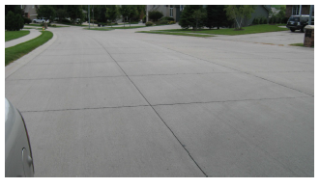
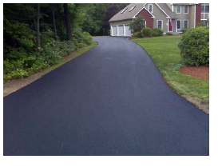

Concrete Paving | Asphault Paving

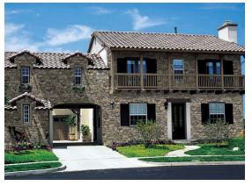
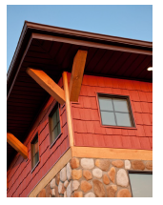

Painted Wood Siding | Stone Siding
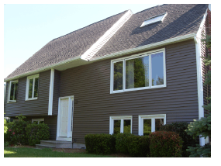
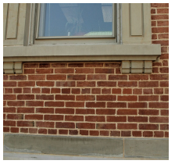

Vinyl Siding | Brick Siding

RSM US Assessment

Picture Index (3)
 |  | 1185 Avenue of the Americas
 |  | New York, New York 10036
 |  | Phone: (212) 372 - 1000
 |  | www.rsmus.com

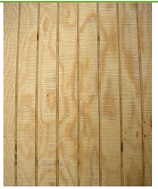
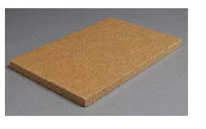

Concrete Paving | Asphault Paving

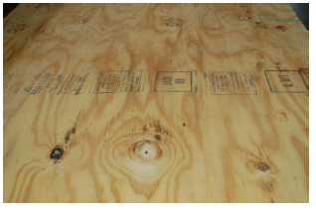
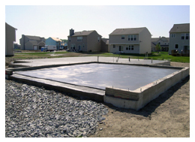

Painted Wood Siding | Stone Siding
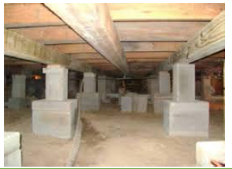
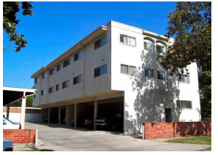

Vinyl Siding | Brick Siding

RSM US Assessment

