Sheet1
 |  | TRAIN |  |  |  | TEST
 |  | R^2 | MSE | RMSE | MAE | R^2 | MSE | RMSE | MAE
GỐC | LR | 0.98197 | 0.06887 | 0.26242 | 0.19202 | 0.9812 | 0.07467 | 0.27327 | 0.19384
 | RFR | 0.99649 | 0.01343 | 0.11587 | 0.06535 | 0.98388 | 0.06404 | 0.25307 | 0.14884
 | SVM | 0.99604 | 0.01512 | 0.12295 | 0.08388 | 0.99116 | 0.03512 | 0.18742 | 0.11614
 | XGBoost | 0.99135 | 0.03306 | 0.18183 | 0.12579 | 0.98249 | 0.06956 | 0.26374 | 0.17529 | NN | NN
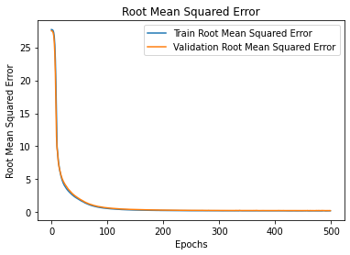
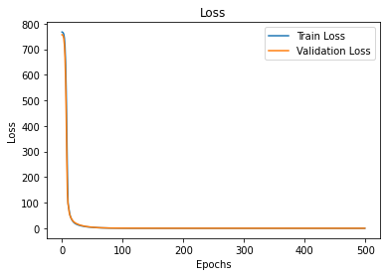
 | NN | 0.98836 | 0.04445 | 0.21084 | 0.13928 | 0.96534 | 0.1377 | 0.37108 | 0.15915
 | LSTM

MEAN |  | R^2 | MSE | RMSE | MAE | R^2 | MSE | RMSE | MAE
 | LR | 0.33997 | 2.52147 | 1.58791 | 1.19619 | 0.3049 | 2.76119 | 1.66168 | 1.22686
 | RFR | 0.9076 | 0.35299 | 0.59413 | 0.39743 | 0.45155 | 2.17862 | 1.47602 | 0.95969
 | SVM | 0.61848 | 1.45748 | 1.20726 | 0.72027 | 0.44533 | 2.20335 | 1.48437 | 1.00923
 | XGBoost | 0.61931 | 1.45434 | 1.20596 | 0.87851 | 0.4376 | 2.23403 | 1.49467 | 1.05638
 | NN | 0.35689 | 2.45683 | 1.56743 | 1.13639 | 0.28645 | 2.83447 | 1.68359 | 1.17678
 | LSTM

GAN |  | R^2 | MSE | RMSE | MAE | R^2 | MSE | RMSE | MAE
 | LR | 0.2112 | 3.01342 | 1.73592 | 0.36699 | 0.20419 | 3.16122 | 1.77798 | 1.36338
 | RFR | 0.91844 | 0.31159 | 0.5582 | 0.39417 | 0.44272 | 2.21372 | 1.48786 | 1.00545
 | SVM | 0.60115 | 1.5237 | 1.23438 | 0.7481 | 0.27719 | 2.87127 | 1.69448 | 1.14146
 | XGBoost | 0.61393 | 1.47489 | 1.21445 | 0.90452 | 0.39387 | 2.40776 | 1.5517 | 1.08278
 | NN | 0.2722 | 2.78039 | 1.66745 | 1.27417 | 0.21709 | 3.10997 | 1.76351 | 1.29329
 | LSTM | 0.77759 | 0.84968 | 0.92178 | 0.4004 | 0.07253 | 3.68422 | 1.91943 | 1.31178

KNN |  | R^2 | MSE | RMSE | MAE | R^2 | MSE | RMSE | MAE
 | LR | 0.41335 | 2.24116 | 1.49705 | 1.08441 | 0.30145 | 2.77486 | 1.66579 | 1.16797
 | RFR | 0.92409 | 0.28998 | 0.5385 | 0.37234 | 0.32318 | 2.68856 | 1.63968 | 1.07619
 | SVM | 0.642 | 1.36763 | 1.16946 | 0.70863 | 0.33894 | 2.62594 | 1.62047 | 1.06148
 | XGBoost | 0.67968 | 1.2237 | 1.10621 | 0.78377 | 0.36871 | 2.50769 | 1.58357 | 1.0561
 | NN | 0.43255 | 2.1678 | 1.47235 | 1.03231 | 0.21964 | 3.09987 | 1.76064 | 1.13729
 | LSTM

RANDOM |  | R^2 | MSE | RMSE | MAE | R^2 | MSE | RMSE | MAE
 | LR | 0.00193 | 3.81288 | 1.95266 | 1.54171 | -0.00173 | 3.97921 | 1.9948 | 1.54578
 | RFR | 0.8203 | 0.68649 | 0.82855 | 0.66208 | -0.10266 | 4.38015 | 2.09288 | 1.63127
 | SVM | 0.26026 | 2.826 | 1.68107 | 1.08575 | -0.34502 | 5.34289 | 2.31147 | 1.76461
 | XGBoost | 0.27826 | 2.75721 | 1.66048 | 1.30897 | -0.09193 | 4.33751 | 2.08267 | 1.60566
 | NN | 0.01583 | 3.75978 | 1.93902 | 1.55016 | -0.13885 | 4.52391 | 2.12695 | 1.67265
 | LSTM

