Sayfa3
Thermal Resistance vs Fin Height
48 | 0.369
43 | 0.4071
38 | 0.454
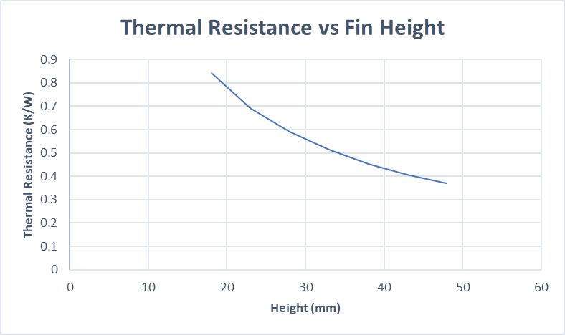
33 | 0.5131
28 | 0.5898
23 | 0.6936
18 | 0.8416

