System hardware specifications
Devens CTF test site |  |  | Load balancer
CPU
Hard Disk | 120 GB | web+App server A | web+App server B | web+App server C | web+App server D
Memory | 64 GB | database server A (active) |  |  |  | database server B (passive)
Load balanced (Y/N) - How many channels or do we do this on one channel? | 4 |  | Channel stickiness issue
Ask Carl to help fill this out with more details
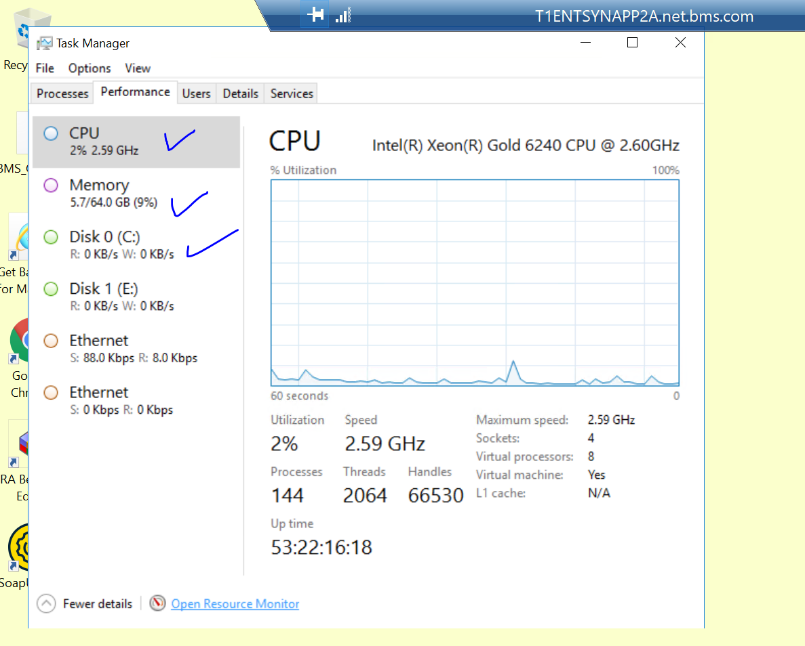
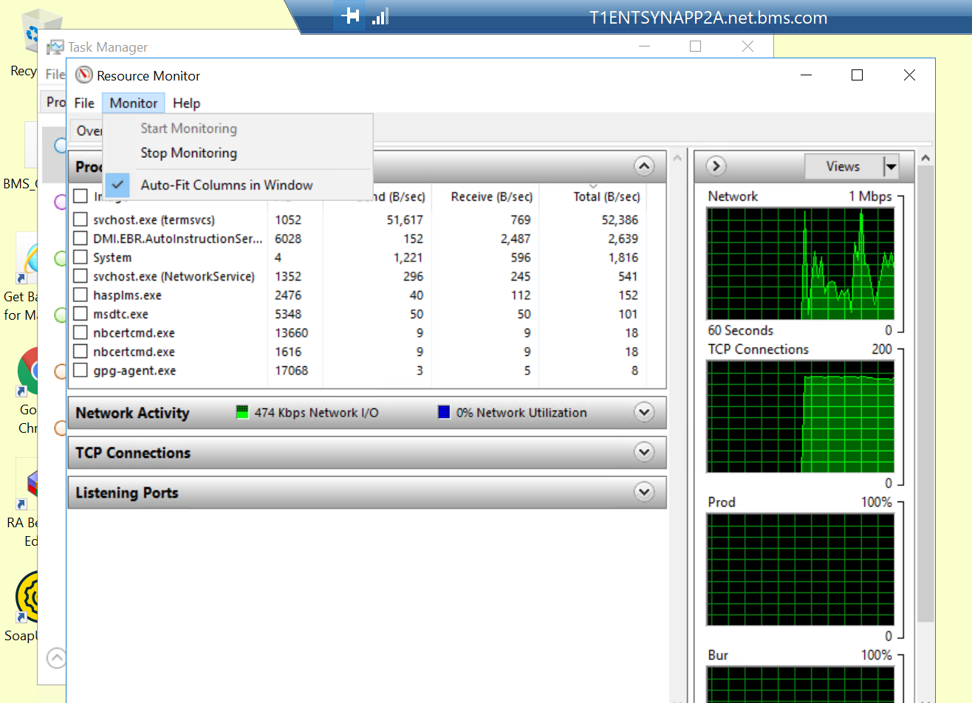

 |  |  | https://docs.aws.amazon.com/lambda/latest/dg/invocation-scaling.html

Interface activity
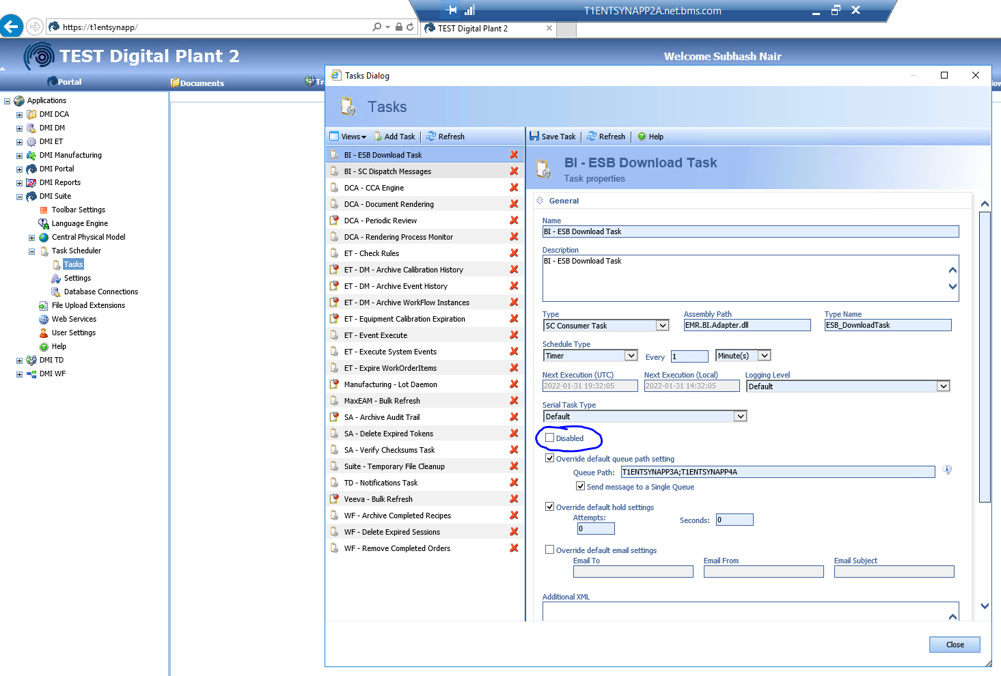
USE [EMR_BI]
GO

SELECT DataXml1
FROM [dbo].[BI_Data] where TransType = 'SAP_Inventory_Update_EWM' order by posted_utc desc
GO

Make 1000 copies of this xml and drop it in this folder. Will that be enough to stress the system? Will it last 5 minutes?
for /l %f in (1,1,100) do copy 1.xml %f.xml | Need to put in 2A in the list below.

Database backup
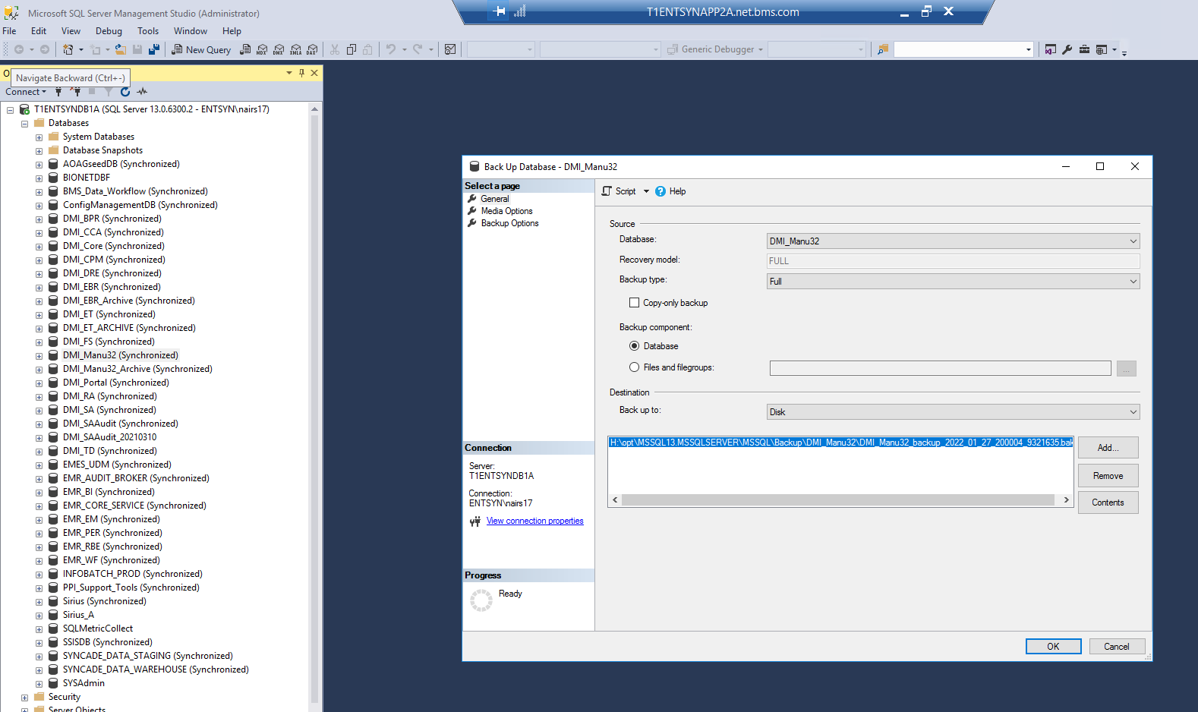
Carl: How long does it take for the full database backup of this database?

