Sheet1
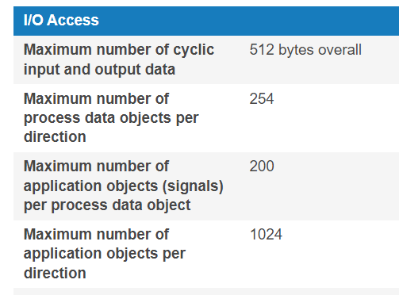
Speedgoat IO750 EtherCAT is capable of transmitting and receiving totally 512Bytes at one sample time.
Maksimum number of PDO is 254 for per direction and each PDO can include 200 signals and totaly 2048 signals can transmit or recevie.
We could send 33 double values which is greater than 256Bytes
We should scynronize speedgoat and NI to measure latency between them.

