Sheet1 (3)
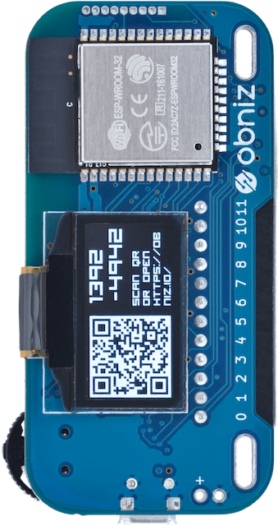

rgb(12, 179, 215)

Sheet1 (2)
canvas.context(2D)
LCD
y0
y1
x1
height
x0
width
height
width

Sheet1
①
③
②
④

0
●
2
●
1
●
3
●

