Sheet
No. | Graph | data1 | data2 | data3 | data4 | data5
1 | 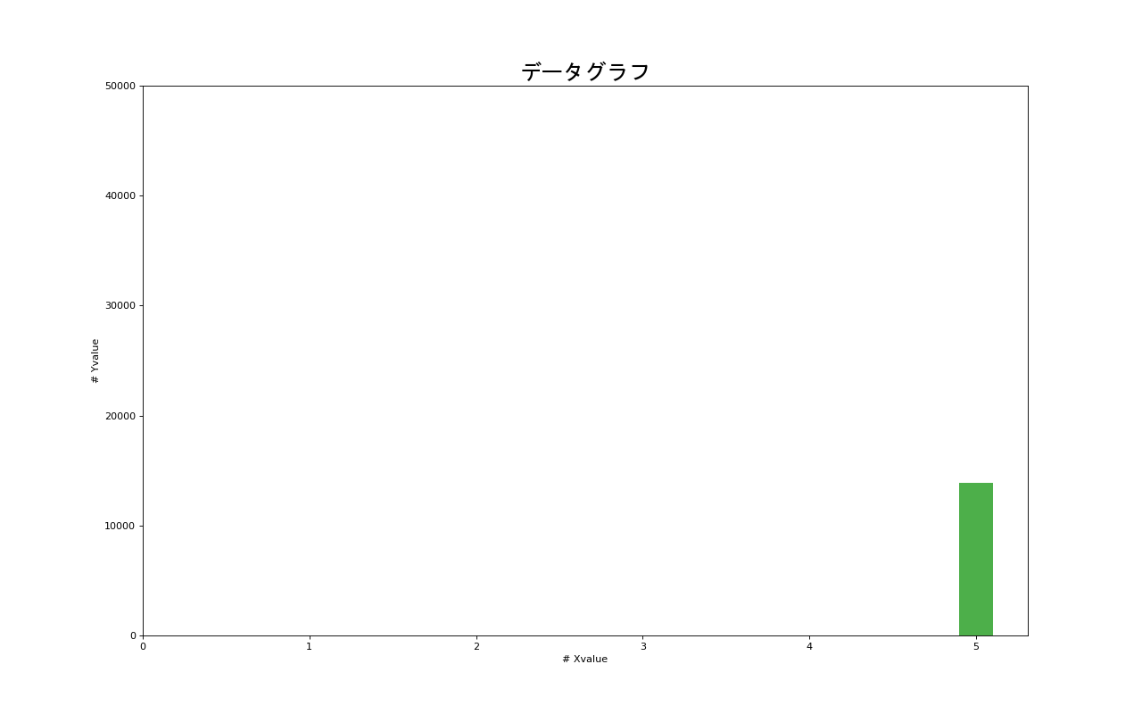 | 0 | 0 | 0 | 0 | 13874
2 | 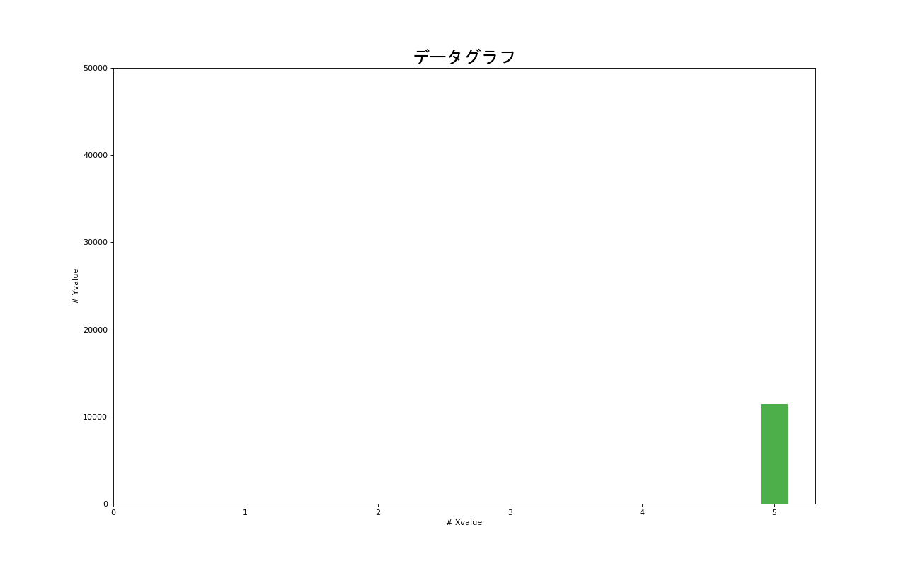 | 0 | 0 | 0 | 0 | 11482
3 | 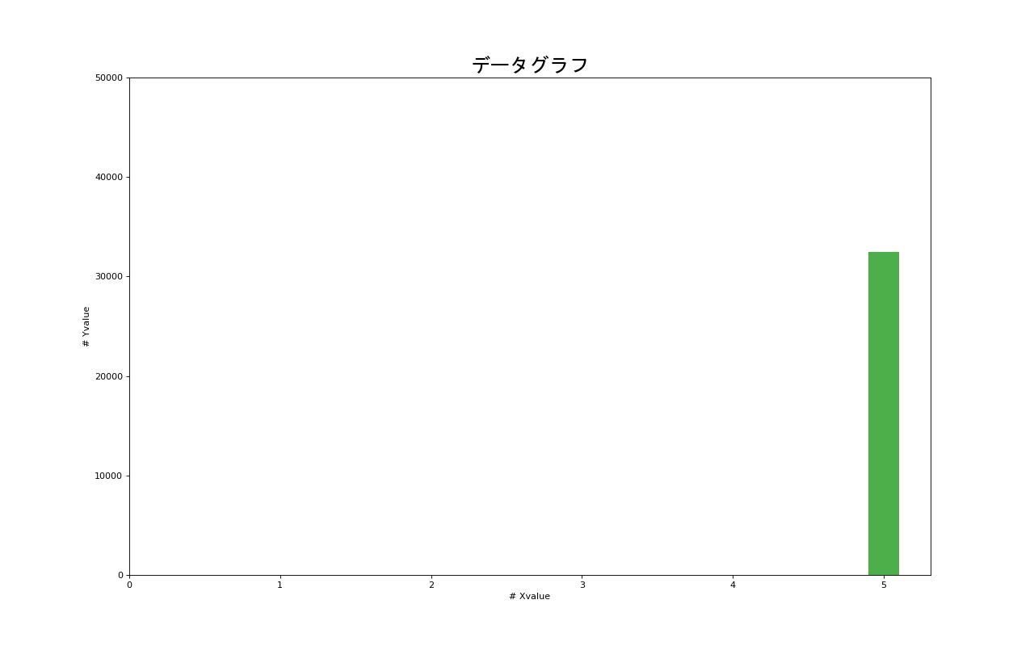 | 0 | 0 | 0 | 0 | 32504
4 | 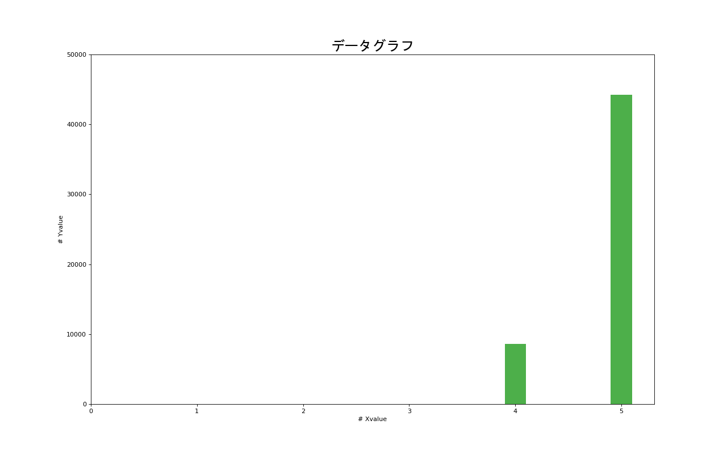 | 0 | 0 | 0 | 8576 | 44241
5 | 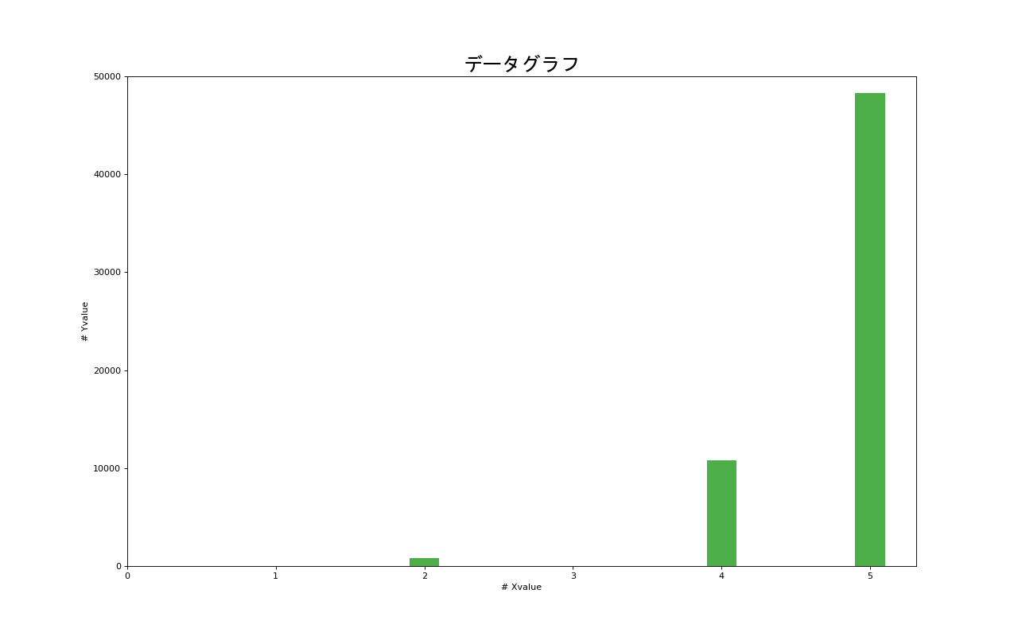 | 0 | 780 | 0 | 10833 | 48308
6 | 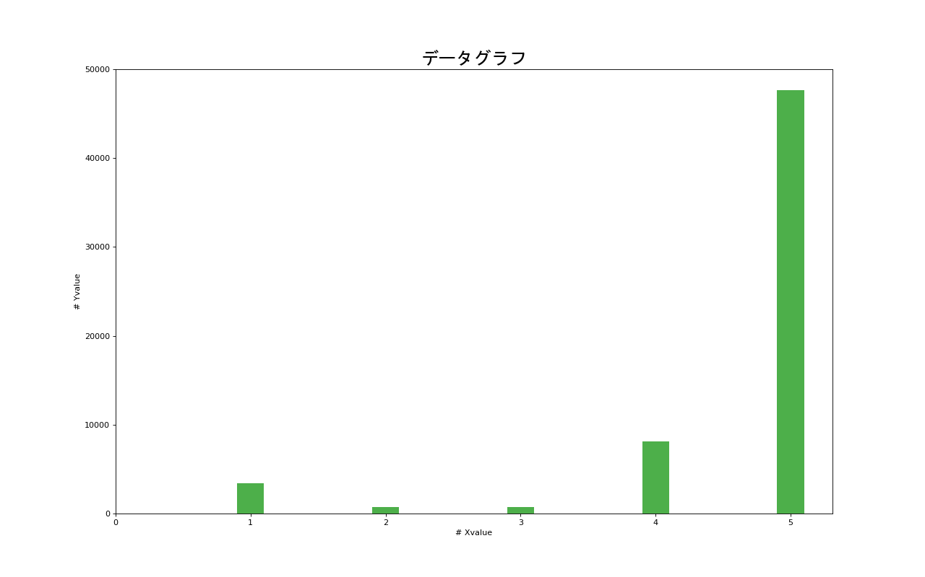 | 3425 | 750 | 750 | 8079 | 47635
7 | 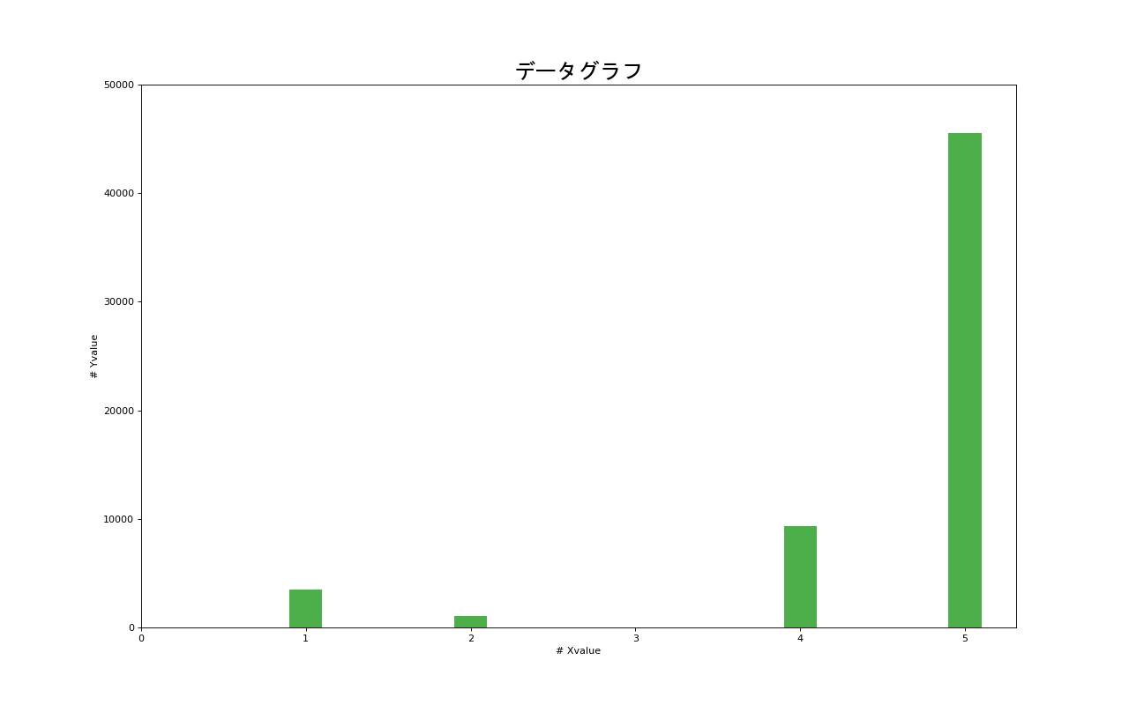 | 3525 | 1054 | 0 | 9355 | 45508
8 | 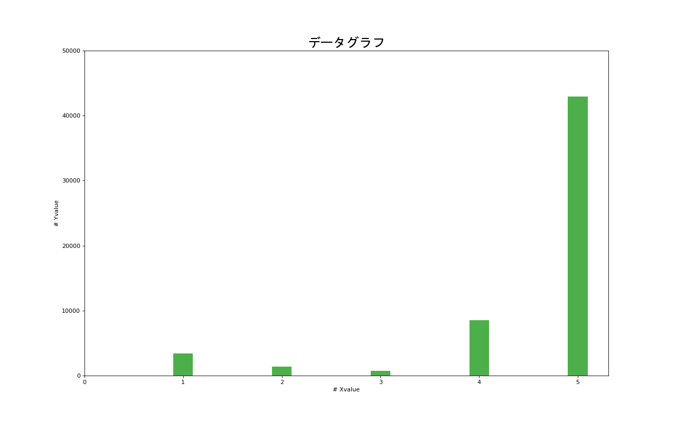 | 3425 | 1406 | 750 | 8505 | 42958
9 | 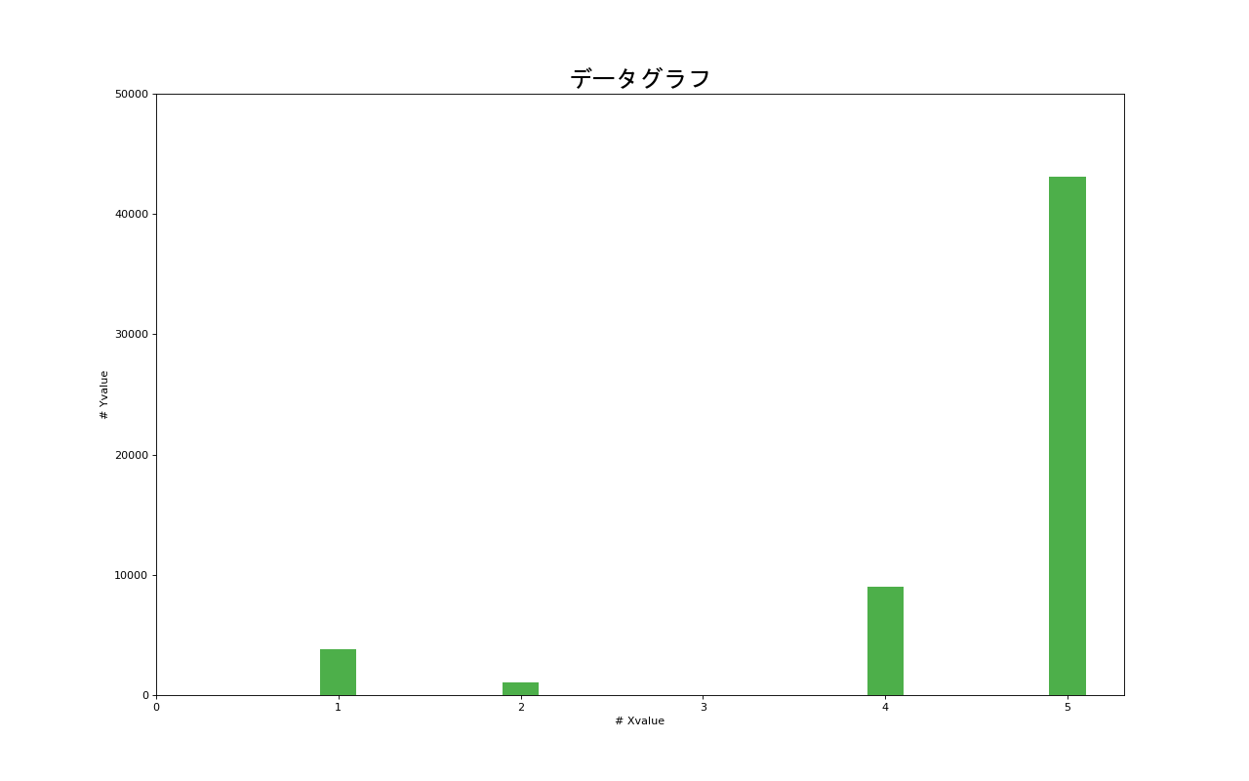 | 3800 | 1054 | 0 | 9027 | 43139
10 | 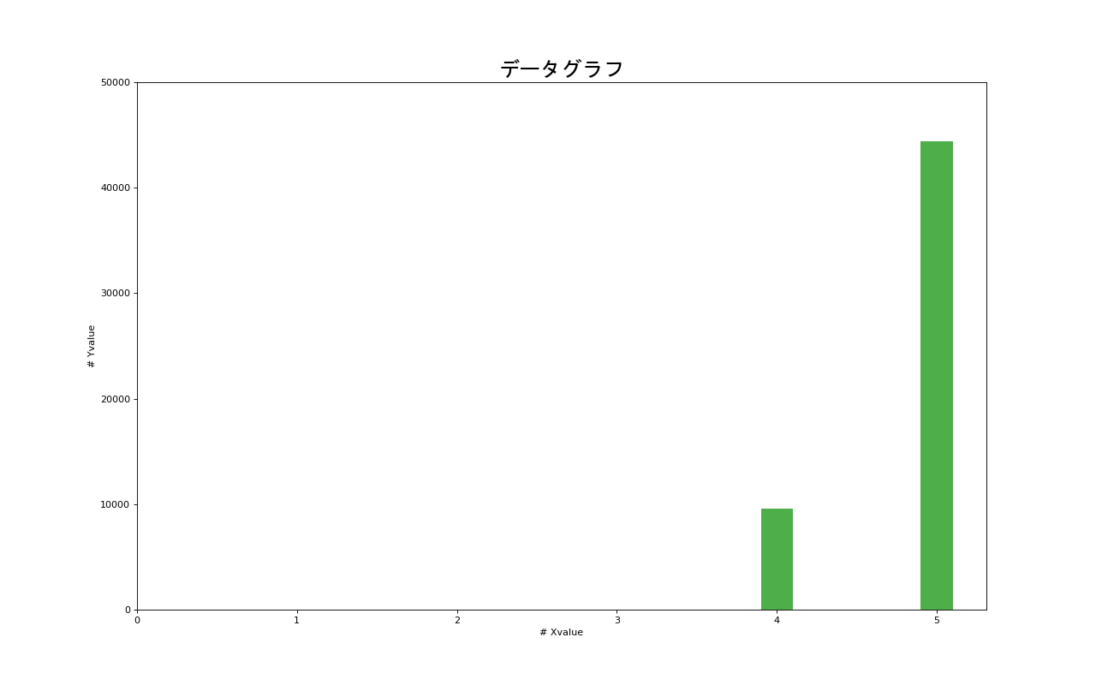 | 0 | 0 | 0 | 9600 | 44400
11 | 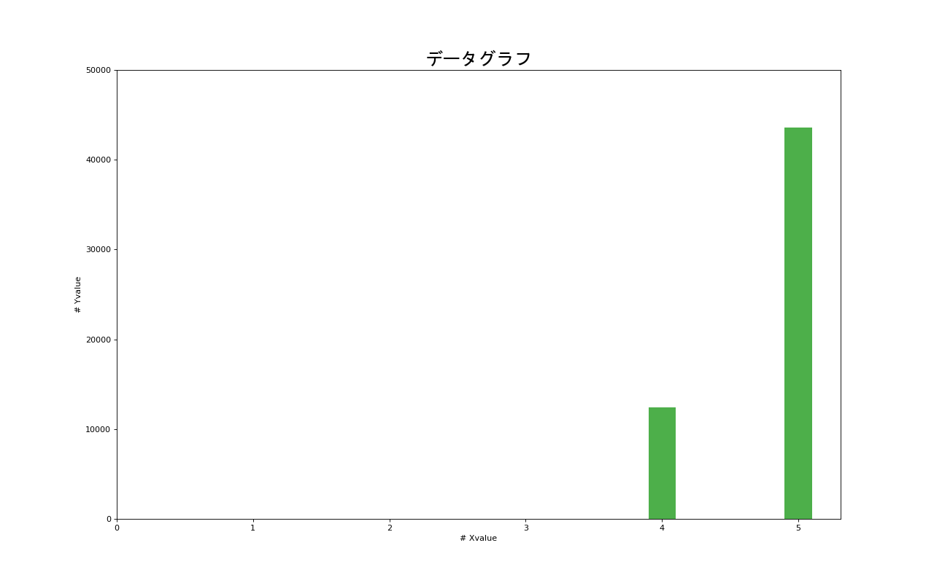 | 0 | 0 | 0 | 12400 | 43600
12 | 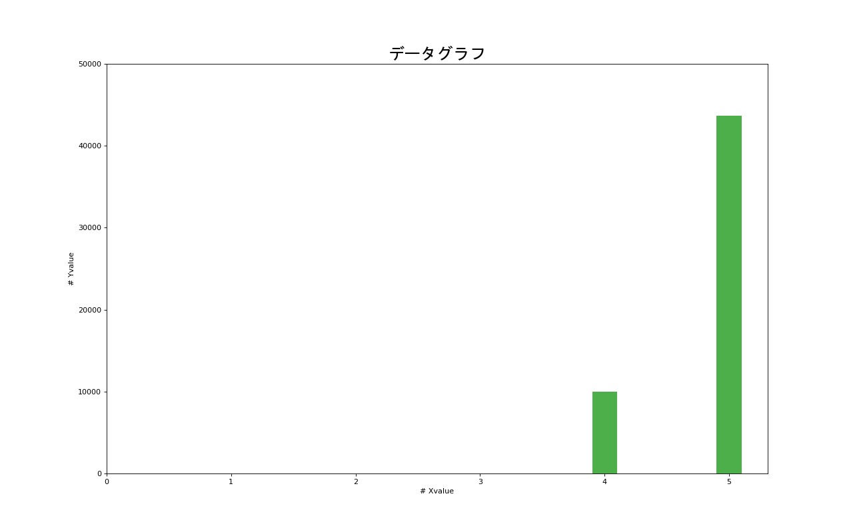 | 0 | 0 | 0 | 10005 | 43647
13 | 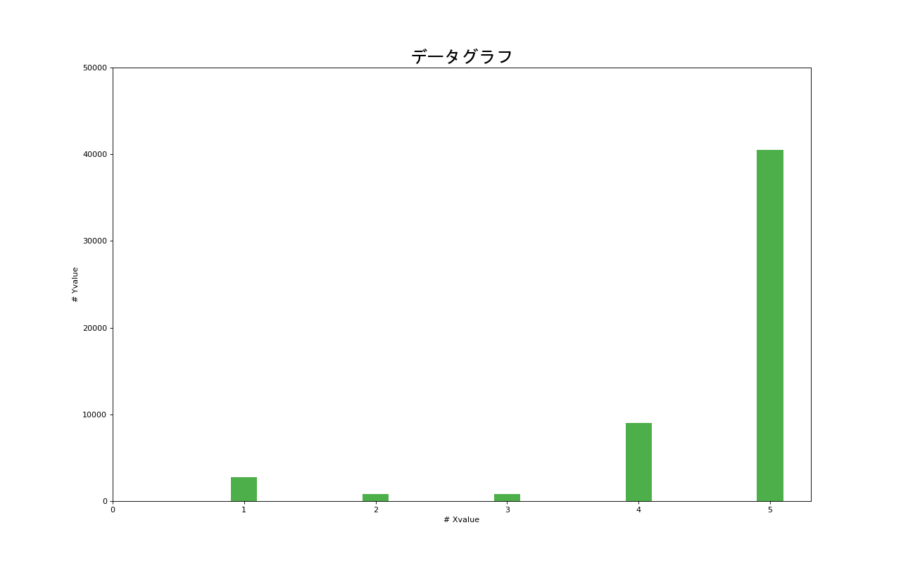 | 2750 | 780 | 780 | 9006 | 40537
14 | 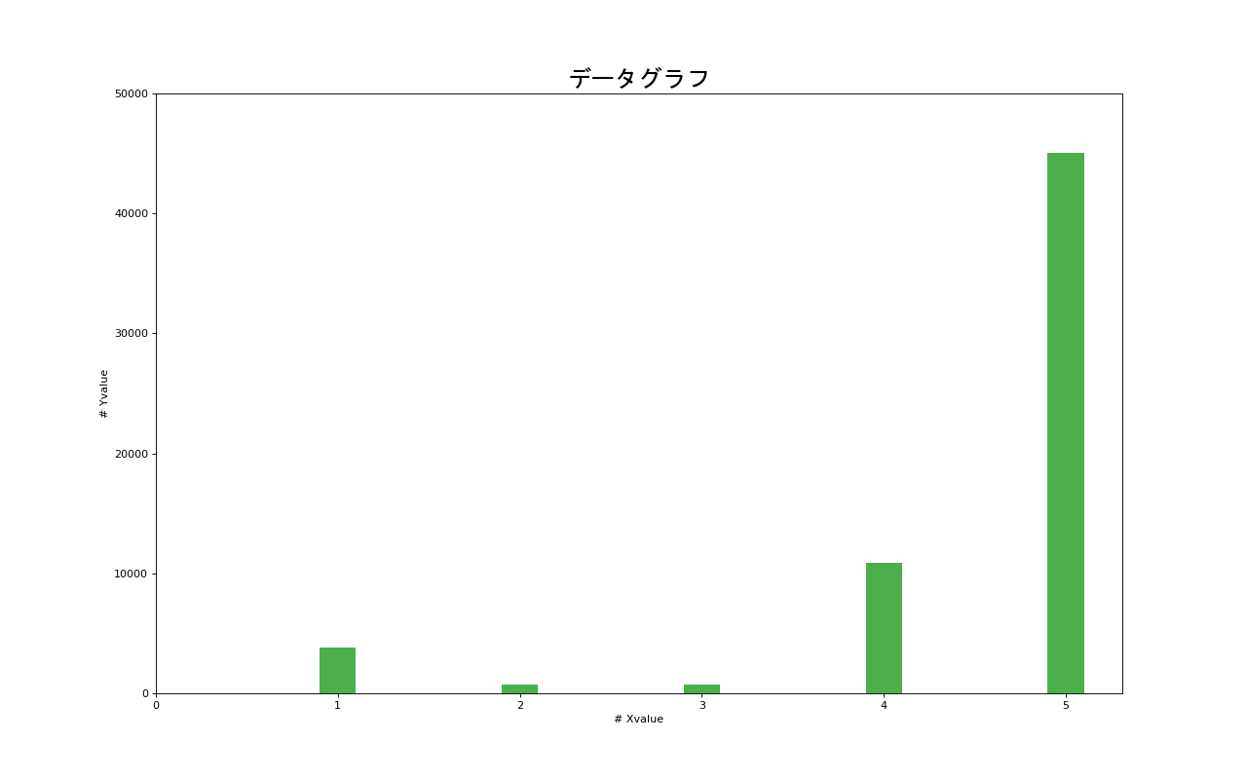 | 3780 | 750 | 750 | 10884 | 45042
15 | 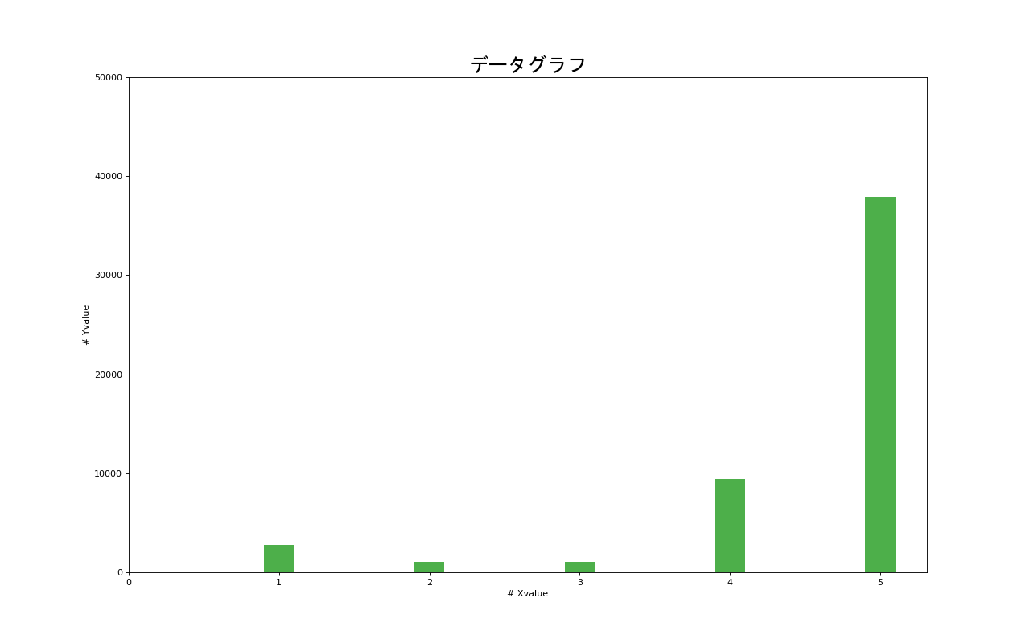 | 2750 | 1054 | 1054 | 9381 | 37908
16 | 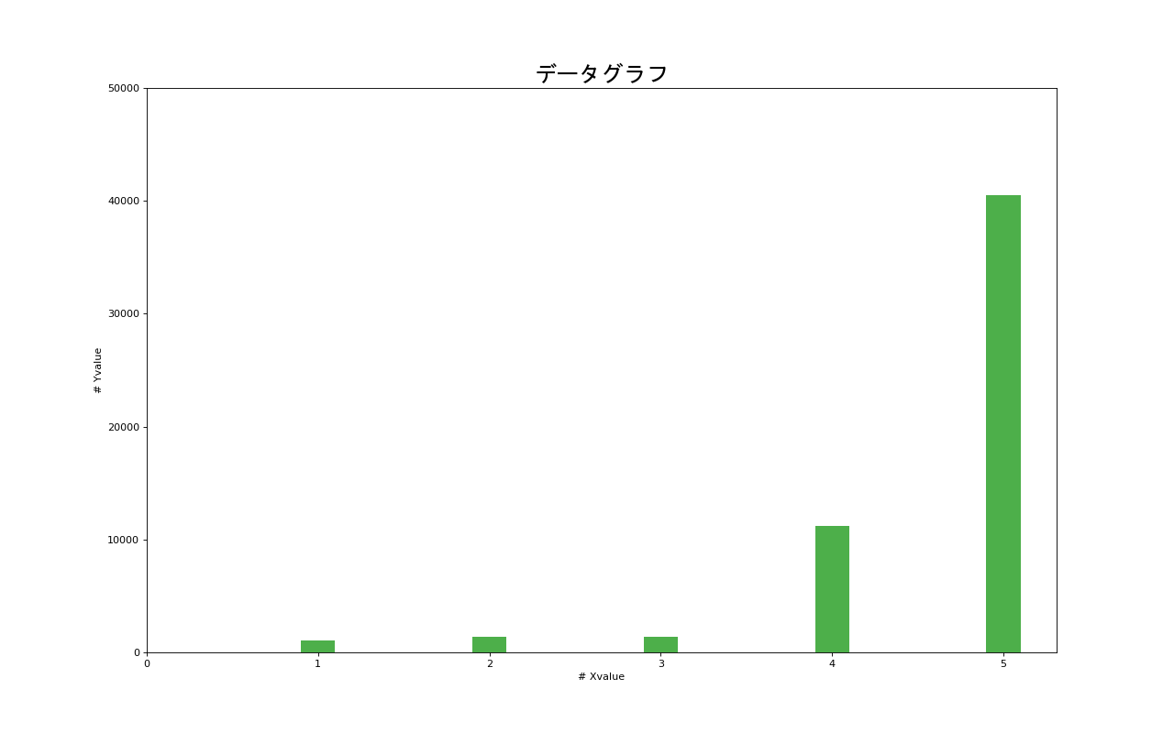 | 1054 | 1406 | 1406 | 11206 | 40541
17 | 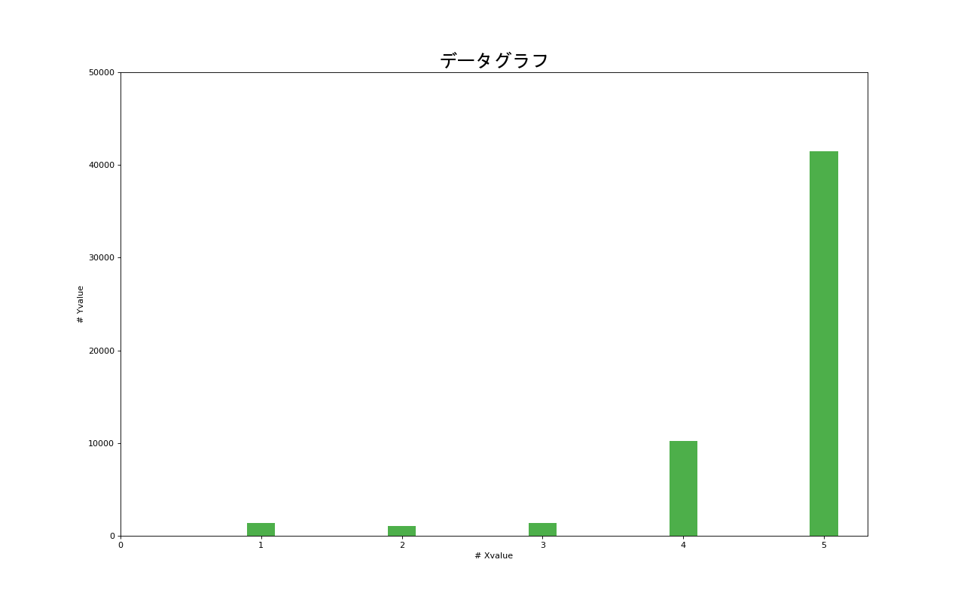 | 1406 | 1054 | 1406 | 10194 | 41487

