C-Support
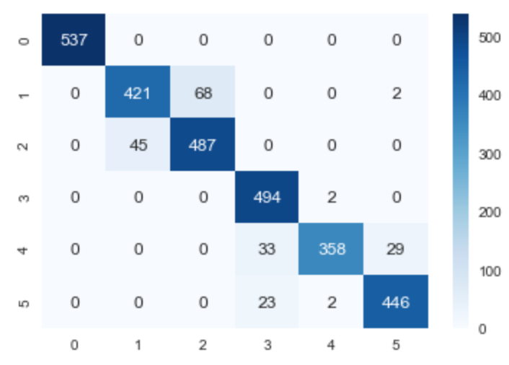
 | precision | recall | f1-score | support
LAYING | 1.00 | 1.00 | 1.00 | 537.00
SITTING | 0.86 | 0.90 | 0.88 | 466.00
STANDING | 0.92 | 0.88 | 0.90 | 555.00
WALKING | 1.00 | 0.90 | 0.94 | 550.00
WALKING_DOWNSTAIRS | 0.85 | 0.99 | 0.92 | 362.00
WALKING_UPSTAIRS | 0.95 | 0.94 | 0.94 | 477.00
Avg / Total | 0.93 | 0.93 | 0.93 | 2947.00

Linear Support
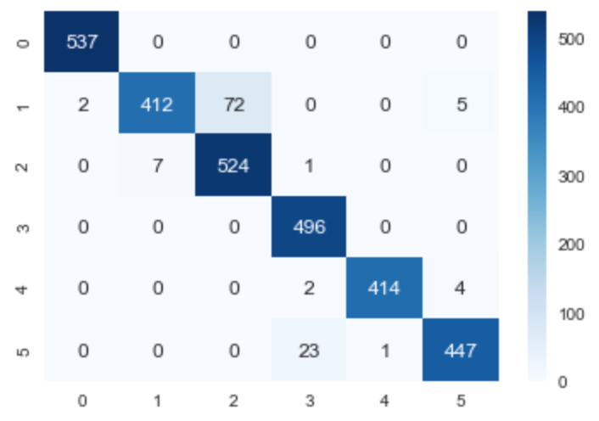
 | precision | recall | f1-score | support
LAYING | 1.00 | 1.00 | 1.00 | 539.00
SITTING | 0.84 | 0.98 | 0.91 | 419.00
STANDING | 0.98 | 0.88 | 0.93 | 596.00
WALKING | 1.00 | 0.95 | 0.97 | 522.00
WALKING_DOWNSTAIRS | 0.99 | 1.00 | 0.99 | 415.00
WALKING_UPSTAIRS | 0.95 | 0.98 | 0.96 | 456.00
Avg / Total | 0.96 | 0.96 | 0.96 | 2947.00

Nu-Support
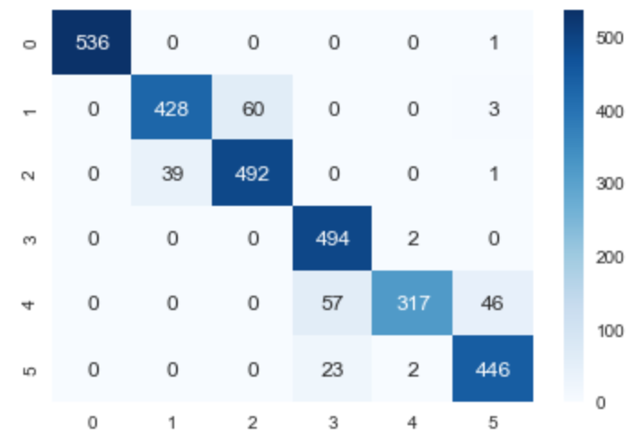
 | precision | recall | f1-score | support
LAYING | 1.00 | 1.00 | 1.00 | 536.00
SITTING | 0.87 | 0.92 | 0.89 | 467.00
STANDING | 0.92 | 0.89 | 0.91 | 552.00
WALKING | 1.00 | 0.86 | 0.92 | 574.00
WALKING_DOWNSTAIRS | 0.75 | 0.99 | 0.86 | 321.00
WALKING_UPSTAIRS | 0.95 | 0.90 | 0.92 | 497.00
Avg / Total | 0.92 | 0.93 | 0.92 | 2947.00

Hyper 2.5sd Linear Support
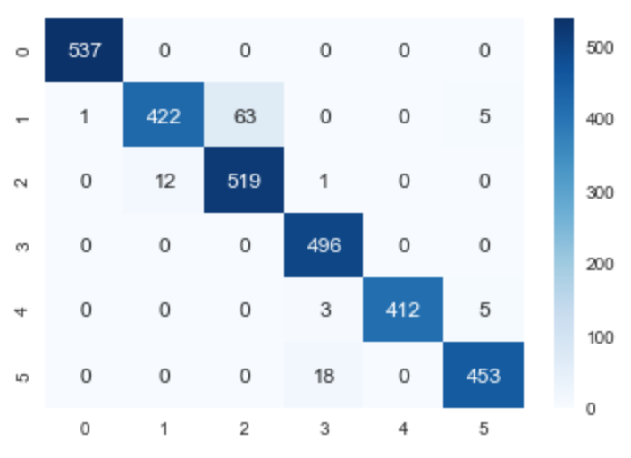
 | precision | recall | f1-score | support
LAYING | 1.00 | 1.00 | 1.00 | 538.00
SITTING | 0.86 | 0.97 | 0.91 | 434.00
STANDING | 0.98 | 0.89 | 0.93 | 582.00
WALKING | 1.00 | 0.96 | 0.98 | 518.00
WALKING_DOWNSTAIRS | 0.98 | 1.00 | 0.99 | 412.00
WALKING_UPSTAIRS | 0.96 | 0.98 | 0.97 | 463.00
Avg / Total | 0.96 | 0.97 | 0.96 | 2947.00

