Main
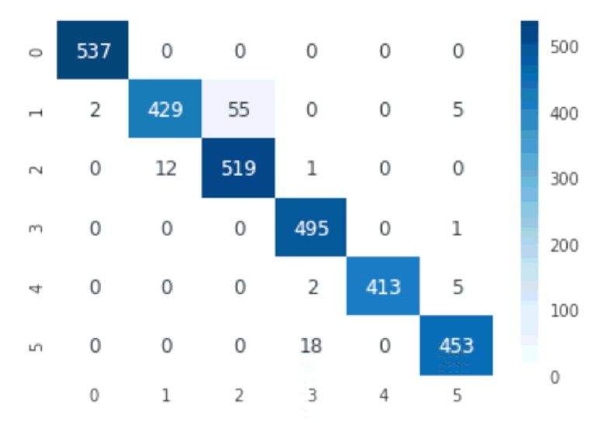
Architecture | Time | Folds | Candidates | Fits | Accuracy
C-Support Vector Classification | 70.512923956 | 5 | 1 | 5 | 0.93077706142
Linear Support Vector Classification | 14.873980761 | 5 | 1 | 5 | 0.96572785884
Nu-Support Vector Classification | 122.72457004 | 5 | 1 | 5 | 0.92059721751

Linar Support Vector Confusion Matrix

special
Architecture | Gradient | features | type | Time | Train Acc | Test Acc | C | gamma | nu | decision_function_shape | degree | kernel | tol | class_weight | max_iter | multi_class | random_state
C-SVC | XGB 1 sd | 19 | original | 4.9285 | 0.9488 | 0.8334
Linear-SVC | XGB 1 sd | 19 | original | 3.5941 | 0.9249 | 0.887
Nu-SVC | XGB 1 sd | 19 | original | 12.288 | 0.9429 | 0.8374
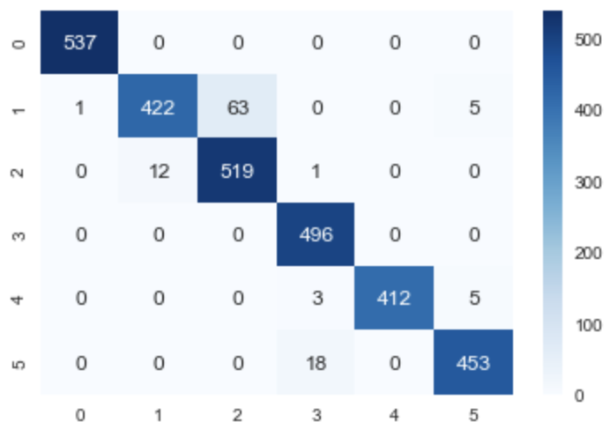
C-SVC | XGB 2 sd | 165 | original | 12.7291 | 0.9766 | 0.9301
Linear-SVC | XGB 2 sd | 165 | original | 4.3978 | 0.9908 | 0.9552
Nu-SVC | XGB 2 sd | 165 | original | 37.7858 | 0.9616 | 0.9243
C-SVC | XGB 3 sd | 473 | original | 39.0757 | 0.9635 | 0.9342
Linear-SVC | XGB 3 sd | 473 | original | 9.9353 | 0.9924 | 0.9623
Nu-SVC | XGB 3 sd | 473 | original | 106.2394 | 0.9533 | 0.9203

C-SVC | XGB 1 sd | 19 | hyperparameter | 18.1191 | 0.9557 | 0.8656 | 10 | 0.01
Linear-SVC | XGB 1 sd | 19 | hyperparameter | 9.3796 | 0.9259 | 0.8727 | 2.4242
Nu-SVC | XGB 1 sd | 19 | hyperparameter | 15.7397 | 0.8588 | 0.7709 |  | 0.01 | 0.0409
C-SVC | XGB 2 sd | 165 | hyperparameter | 1398.6609 | 0.9878 | 0.9498 |  | 0.001 |  | ovo | 2 | linear | 0.0001
Linear-SVC | XGB 2 sd | 165 | hyperparameter
Nu-SVC | XGB 2 sd | 165 | hyperparameter
C-SVC | XGB 3 sd | 473 | hyperparameter | 78.5358 | 0.9777 | 0.9443 | 4.9732 | 0.00104
Linear-SVC | XGB 3 sd | 473 | hyperparameter | 65.2513 | 0.9933 | 0.9623 | 0.4002
Nu-SVC | XGB 3 sd | 473 | hyperparameter

C-SVC | XGB 1 sd | 19 | special
Linear-SVC | XGB 1 sd | 19 | special
Nu-SVC | XGB 1 sd | 19 | special
C-SVC | XGB 2 sd | 165 | special | 12.7543 | 0.9759 | 0.9321 |  |  |  |  |  |  |  | balanced
Linear-SVC | XGB 2 sd | 165 | special | 3.4554 | 0.9909 | 0.9559 |  |  |  |  |  |  |  | balanced
Linear-SVC | XGB 2 sd | 165 | special | 10.3315 | 0.9884 | 0.9579 | 0.1 |  |  |  |  |  | 0.001 |  | 1000 | ovr | 42
Nu-SVC | XGB 2 sd | 165 | special
C-SVC | XGB 3 sd | 473 | special
Linear-SVC | XGB 3 sd | 473 | special | 24.2225 | 0.9916 | 0.9617 | 0.1 |  |  |  |  |  | 0.001 |  | 1000 | ovr | 42
Nu-SVC | XGB 3 sd | 473 | special
Linear-SVC | XGB 2.5 sd | 342 | special | 11.5414 | 0.9936 | 0.9634 | 0.35 |  |  |  |  |  | 0.001 |  |  | ovr | 42

