Data Profile
What is an overview of the data: including minimums, maximums, and averages?

min_rental_duration | max_rental_duration | avg_rental_duration | min_rental_rate | max_rental_rate | avg_rental_rate | min_length | max_length | avg_length | min_replacement_cost | max_replacement_cost | avg_replacement_cost
3 | 7 | 4.985 | 0.99 | 4.99 | 2.98 | 46 | 185 | 115.272 | 9.99 | 29.99 | 19.984

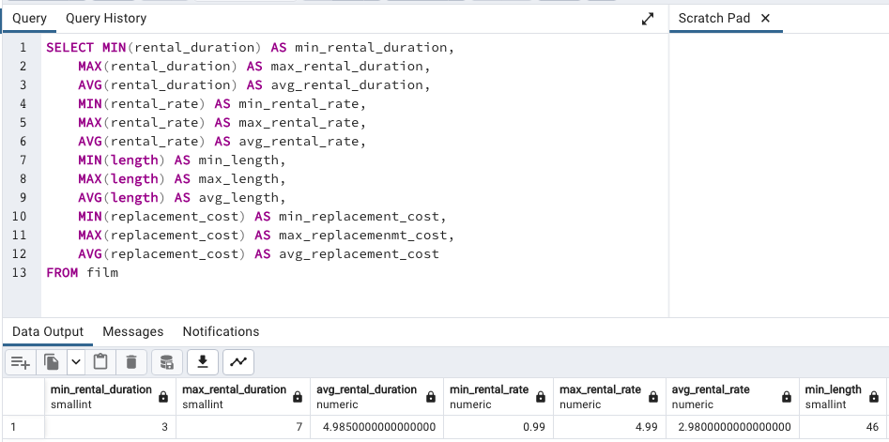

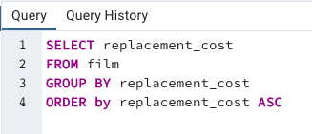
What are the outputs of each of these columns? Are there outliers?
The outputs below show there are no outliers. Rental rate has three buckets for rate: $0.99, $2.99, and $4.99.
Example query to generate these outputs to the right.
rental_duration | rental_rate | length | replacement_cost
3 | $0.99 | 46 | $9.99
4 | $2.99 | 47 | $10.99
5 | $4.99 | 48 | $11.99
6 |  | 49 | $12.99
7 |  | 50 | $13.99
 |  | 51 | $14.99
 |  | 52 | $15.99
 |  | 53 | $16.99
 |  | 54 | $17.99
 |  | 55 | $18.99
 |  | 56 | $19.99
 |  | 57 | $20.99
 |  | 58 | $21.99
 |  | 59 | $22.99
 |  | 60 | $23.99
 |  | 61 | $24.99
 |  | 62 | $25.99
 |  | 63 | $26.99
 |  | 64 | $27.99
 |  | 65 | $28.99
 |  | 66 | $29.99
 |  | 67
 |  | 68
 |  | 69
 |  | 70
 |  | 71
 |  | 72
 |  | 73
 |  | 74
 |  | 75
 |  | 76
 |  | 77
 |  | 78
 |  | 79
 |  | 80
 |  | 81
 |  | 82
 |  | 83
 |  | 84
 |  | 85
 |  | 86
 |  | 87
 |  | 88
 |  | 89
 |  | 90
 |  | 91
 |  | 92
 |  | 93
 |  | 94
 |  | 95
 |  | 96
 |  | 97
 |  | 98
 |  | 99
 |  | 100
 |  | 101
 |  | 102
 |  | 103
 |  | 104
 |  | 105
 |  | 106
 |  | 107
 |  | 108
 |  | 109
 |  | 110
 |  | 111
 |  | 112
 |  | 113
 |  | 114
 |  | 115
 |  | 116
 |  | 117
 |  | 118
 |  | 119
 |  | 120
 |  | 121
 |  | 122
 |  | 123
 |  | 124
 |  | 125
 |  | 126
 |  | 127
 |  | 128
 |  | 129
 |  | 130
 |  | 131
 |  | 132
 |  | 133
 |  | 134
 |  | 135
 |  | 136
 |  | 137
 |  | 138
 |  | 139
 |  | 140
 |  | 141
 |  | 142
 |  | 143
 |  | 144
 |  | 145
 |  | 146
 |  | 147
 |  | 148
 |  | 149
 |  | 150
 |  | 151
 |  | 152
 |  | 153
 |  | 154
 |  | 155
 |  | 156
 |  | 157
 |  | 158
 |  | 159
 |  | 160
 |  | 161
 |  | 162
 |  | 163
 |  | 164
 |  | 165
 |  | 166
 |  | 167
 |  | 168
 |  | 169
 |  | 170
 |  | 171
 |  | 172
 |  | 173
 |  | 174
 |  | 175
 |  | 176
 |  | 177
 |  | 178
 |  | 179
 |  | 180
 |  | 181
 |  | 182
 |  | 183
 |  | 184
 |  | 185

GenreRatesFrequency
What was the rental rate for each genre?
We can see that every genre had movies sold at every rate at comparable counts
EXCEPTION: Only one thriller movie available at the rate of $2.99
rental_rate | name | count | total count
4.99 | Action | 17 | 64
0.99 | Action | 28
2.99 | Action | 19
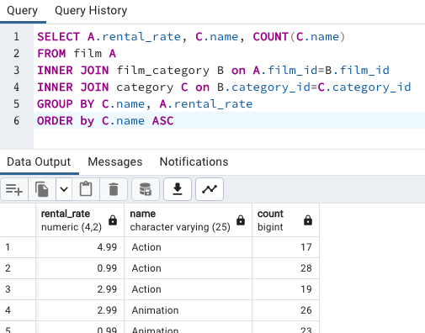
2.99 | Animation | 26 | 66
0.99 | Animation | 23
4.99 | Animation | 17
4.99 | Children | 18 | 60
0.99 | Children | 21
2.99 | Children | 21
4.99 | Classics | 15 | 57
2.99 | Classics | 20
0.99 | Classics | 22
0.99 | Comedy | 16 | 58
4.99 | Comedy | 21
2.99 | Comedy | 21
4.99 | Documentary | 18 | 68
0.99 | Documentary | 29
2.99 | Documentary | 21
4.99 | Drama | 24 | 62
0.99 | Drama | 23
2.99 | Drama | 15
4.99 | Family | 18 | 68
2.99 | Family | 24
0.99 | Family | 26
2.99 | Foreign | 27 | 73
0.99 | Foreign | 21
4.99 | Foreign | 25
2.99 | Games | 15 | 61
0.99 | Games | 19
4.99 | Games | 27
4.99 | Horror | 21 | 56
0.99 | Horror | 20
2.99 | Horror | 15
4.99 | Music | 19 | 51
0.99 | Music | 20
2.99 | Music | 12
0.99 | New | 20 | 63
2.99 | New | 19
4.99 | New | 24
4.99 | Sci-Fi | 22 | 61
0.99 | Sci-Fi | 15
2.99 | Sci-Fi | 24
2.99 | Sports | 25 | 74
0.99 | Sports | 22
4.99 | Sports | 27
2.99 | Thriller | 1 | 1
0.99 | Travel | 16 | 57
4.99 | Travel | 23
2.99 | Travel | 18

Movies
What is the revenue breakdown per film?
We see the revenue breakdown per available film, as well as the sum of the revenue for the top 300 films.
title | total_amount | Sum | Sum of top 300
Telegraph Voyage | $215.75 | 61312.04 | 33201.47
Zorro Ark | $199.72 |  | 54%
Wife Turn | $198.73
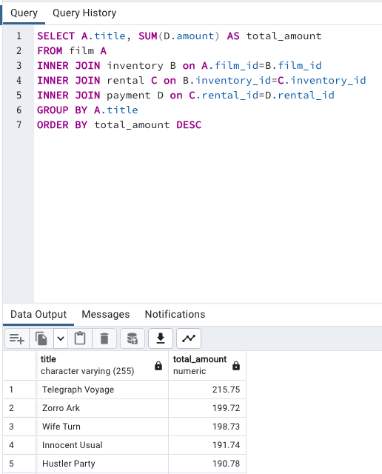
Innocent Usual | $191.74
Hustler Party | $190.78
Saturday Lambs | $190.74
Titans Jerk | $186.73
Harry Idaho | $177.73
Torque Bound | $169.76
Dogma Family | $168.72
Pelican Comforts | $165.77
Goodfellas Salute | $164.75
Fool Mockingbird | $162.79
Apache Divine | $160.72
Enemy Odds | $159.75
Cat Coneheads | $159.73
Scorpion Apollo | $158.79
Range Moonwalker | $158.77
Scalawag Duck | $157.71
Sunrise League | $155.78
Lola Agent | $154.77
Maiden Home | $152.78
Velvet Terminator | $152.77
Closer Bang | $152.76
Bucket Brotherhood | $150.72
Sting Personal | $149.80
Titanic Boondock | $149.78
Massacre Usual | $149.75
Nightmare Chill | $148.79
Videotape Arsenic | $148.76
American Circus | $146.81
Witches Panic | $146.75
Show Lord | $145.78
Minds Truman | $144.81
Working Microcosmos | $144.78
Head Stranger | $142.79
Wonderland Christmas | $142.79
Whisperer Giant | $141.80
Forrester Comancheros | $141.74
Backlash Undefeated | $140.84
Dorado Notting | $140.78
Boogie Amelie | $140.74
Secrets Paradise | $139.82
Mine Titans | $138.83
Stagecoach Armageddon | $138.77
Pity Bound | $138.77
Roses Treasure | $137.77
Streetcar Intentions | $137.77
Fellowship Autumn | $137.76
Steel Santa | $136.78
Confidential Interview | $136.76
Trip Newton | $135.74
Flintstones Happiness | $134.83
Garden Island | $134.82
Suit Walls | $134.81
Eagles Panky | $134.81
Flamingos Connecticut | $134.78
Attraction Newton | $133.78
Trading Pinocchio | $133.77
Easy Gladiator | $132.80
Heartbreakers Bright | $132.80
Durham Panky | $132.76
Moonshine Cabin | $131.80
Drifter Commandments | $131.78
Name Detective | $131.78
Aladdin Calendar | $131.77
Coneheads Smoochy | $131.76
Lies Treatment | $131.76
Midsummer Groundhog | $129.82
Details Packer | $128.82
Queen Luke | $128.79
Tourist Pelican | $126.81
Sabrina Midnight | $126.79
Liaisons Sweet | $126.79
Kiss Glory | $126.79
Seattle Expecations | $125.80
Beauty Grease | $125.79
Movie Shakespeare | $125.78
Gleaming Jawbreaker | $125.72
Chance Resurrection | $124.76
Calendar Gunfight | $123.82
Heavyweights Beast | $123.78
Satisfaction Confidential | $122.84
Yentl Idaho | $122.79
Coma Head | $122.77
Center Dinosaur | $121.79
Sleeping Suspects | $121.78
Princess Giant | $121.77
Pulp Beverly | $121.74
Kissing Dolls | $120.83
Dawn Pond | $120.83
Something Duck | $120.82
Trap Guys | $119.85
Pinocchio Simon | $119.82
Rage Games | $119.81
Bingo Talented | $119.75
Doors President | $118.82
Desert Poseidon | $118.81
Maltese Hope | $118.79
Suspects Quills | $118.73
Fidelity Devil | $117.82
Snatch Slipper | $117.80
High Encino | $117.79
Waterfront Deliverance | $116.84
Metropolis Coma | $116.76
Network Peak | $116.73
Road Roxanne | $115.83
Hunchback Impossible | $115.83
Beverly Outlaw | $115.79
Freddy Storm | $115.79
Conversation Downhill | $114.83
Cause Date | $114.81
Whale Bikini | $113.85
Lady Stage | $113.84
Redemption Comforts | $113.80
Strictly Scarface | $113.77
Secretary Rouge | $112.82
Agent Truman | $111.81
Candles Grapes | $111.80
Money Harold | $111.80
Mission Zoolander | $110.84
Interview Liaisons | $110.82
Prejudice Oleander | $110.81
Ridgemont Submarine | $110.72
Teen Apollo | $109.86
Shawshank Bubble | $109.81
Arachnophobia Rollercoaster | $109.77
Horn Working | $109.77
Butterfly Chocolat | $108.74
Command Darling | $107.84
Ghost Groundhog | $107.81
Philadelphia Wife | $107.80
Scarface Bang | $106.84
Brooklyn Desert | $106.81
Falcon Volume | $106.81
Spice Sorority | $106.81
Virtual Spoilers | $105.87
Galaxy Sweethearts | $105.84
League Hellfighters | $105.83
Requiem Tycoon | $105.82
Chasing Fight | $105.82
Driving Polish | $105.81
Secret Groundhog | $105.81
Reign Gentlemen | $105.81
Clueless Bucket | $105.77
Strangers Graffiti | $104.86
Breakfast Goldfinger | $104.84
Jerk Paycheck | $104.81
Wash Heavenly | $104.80
Truman Crazy | $104.80
Arizona Bang | $104.79
Hanky October | $104.77
Tycoon Gathering | $103.88
Million Ace | $103.83
Sleepless Monsoon | $103.83
Open African | $103.81
Angels Life | $103.80
Cupboard Sinners | $103.78
Greatest North | $103.73
Birds Perdition | $102.83
Undefeated Dalmations | $102.81
South Wait | $102.79
Forward Temple | $102.74
Timberland Sky | $102.74
Paycheck Wait | $101.84
Attacks Hate | $101.84
Expecations Natural | $101.83
Sweden Shining | $101.83
Tomorrow Hustler | $101.76
Samurai Lion | $101.76
Poseidon Forever | $100.83
Invasion Cyclone | $100.74
Giant Troopers | $100.74
Confused Candles | $99.84
Stepmom Dream | $99.81
Knock Warlock | $99.79
English Bulworth | $99.74
Hall Cassidy | $98.84
Egg Igby | $98.81
Brotherhood Blanket | $98.77
Thief Pelican | $97.84
Jason Trap | $97.77
Rocketeer Mother | $97.72
Grit Clockwork | $97.72
Shock Cabin | $96.71
Jericho Mulan | $95.84
Inch Jet | $95.82
Salute Apollo | $95.80
Gangs Pride | $95.78
Hyde Doctor | $95.76
Bilko Anonymous | $94.88
Gold River | $94.86
Mermaid Insects | $94.85
French Holiday | $94.84
Gorgeous Bingo | $94.83
Peak Forever | $94.82
Patton Interview | $94.79
Fargo Gandhi | $94.79
Fish Opus | $94.78
Expendable Stallion | $94.74
Spy Mile | $94.73
Day Unfaithful | $93.88
Pickup Driving | $93.85
Sugar Wonka | $93.85
Bear Graceland | $93.81
Camelot Vacation | $93.76
Sweethearts Suspects | $93.73
West Lion | $92.86
Hanging Deep | $92.85
Core Suit | $92.84
Jet Neighbors | $92.83
Hellfighters Sierra | $92.81
Fatal Haunted | $92.77
Silverado Goldfinger | $91.88
Destiny Saturday | $91.85
Balloon Homeward | $91.78
Dude Blindness | $90.87
Wizard Coldblooded | $90.85
Ice Crossing | $90.78
Pure Runner | $89.85
Coldblooded Darling | $89.84
Igby Maker | $89.83
Vacation Boondock | $89.81
Rocky War | $88.87
Memento Zoolander | $88.87
Candidate Perdition | $88.82
Metal Armageddon | $88.79
Idols Snatchers | $88.76
Telemark Heartbreakers | $88.76
Behavior Runaway | $87.89
Flash Wars | $87.88
Bright Encounters | $87.88
Hysterical Grail | $87.85
Darn Forrester | $87.83
Basic Easy | $87.80
Color Philadelphia | $87.78
Oz Liaisons | $87.78
Panky Submarine | $86.88
Airport Pollock | $86.85
Slacker Liaisons | $86.84
Virgin Daisy | $86.84
Seabiscuit Punk | $86.76
Muscle Bright | $86.73
Juggler Hardly | $86.71
Daisy Menagerie | $85.86
Steers Armageddon | $85.85
Robbers Joon | $85.74
Conquerer Nuts | $84.87
Chicago North | $84.85
Sea Virgin | $84.81
Alien Center | $84.80
Barbarella Streetcar | $84.78
Married Go | $84.74
Pittsburgh Hunchback | $83.89
Panther Reds | $83.86
Loser Hustler | $83.86
Sagebrush Clueless | $83.86
Dying Maker | $83.85
Forrest Sons | $83.83
Star Operation | $83.80
Affair Prejudice | $83.79
Oscar Gold | $83.75
Musketeers Wait | $82.85
Airplane Sierra | $82.85
Holiday Games | $82.85
Casablanca Super | $82.84
Hurricane Affair | $82.77
Paths Control | $81.90
Hanover Galaxy | $81.86
Campus Remember | $81.83
Rush Goodfellas | $81.72
Peach Innocent | $80.86
Dragonfly Strangers | $80.86
Human Graffiti | $80.85
Orient Closer | $80.83
Vanishing Rocky | $80.83
Wardrobe Phantom | $80.77
Operation Operation | $80.75
Edge Kissing | $79.87
Betrayed Rear | $79.87
Bikini Borrowers | $79.86
Carol Texas | $79.83
Paradise Sabrina | $79.82
Strangelove Desire | $79.78
None Spiking | $79.75
Super Wyoming | $78.88
Rules Human | $78.87
Submarine Bed | $78.87
Devil Desire | $78.86
Groundhog Uncut | $78.86
Jekyll Frogmen | $78.84
Intentions Empire | $78.83
Murder Antitrust | $78.79
Blackout Private | $78.77
Deer Virginian | $78.76
Tracy Cider | $78.76
Contact Anonymous | $78.76
Raging Airplane | $77.88
Creepers Kane | $77.87
Quills Bull | $77.87
Northwest Polish | $77.82
Flying Hook | $77.81
Harper Dying | $77.80
Quest Mussolini | $77.80
Disturbing Scarface | $77.77
Clash Freddy | $77.77
Horror Reign | $77.75
Lose Inch | $77.74
Model Fish | $76.87
Tuxedo Mile | $76.87
Grinch Massage | $76.86
Image Princess | $76.86
Lawless Vision | $76.86
Wanda Chamber | $76.86
Baked Cleopatra | $76.85
Sleepy Japanese | $76.83
National Story | $76.83
Unbreakable Karate | $76.81
Shakespeare Saddle | $76.80
Badman Dawn | $76.79
Island Exorcist | $76.77
Connecticut Tramp | $75.89
Moonwalker Fool | $75.89
Deep Crusade | $75.87
Searchers Wait | $75.86
Holes Brannigan | $75.86
Sons Interview | $75.85
Trojan Tomorrow | $75.82
Blues Instinct | $75.82
Atlantis Cause | $75.79
Malkovich Pet | $75.77
Autumn Crow | $74.90
Birch Antitrust | $74.89
Impossible Prejudice | $74.86
Lust Lock | $74.82
Flatliners Killer | $74.81
Crossroads Casualties | $74.80
Escape Metropolis | $74.77
Frost Head | $74.72
Thin Sagebrush | $73.89
California Birds | $73.89
Pluto Oleander | $73.87
Outlaw Hanky | $73.86
Words Hunter | $73.86
Wait Cider | $73.82
Fantasia Park | $73.81
Dream Pickup | $73.80
Half Outfield | $73.79
Darko Dorado | $72.90
Hope Tootsie | $72.83
Berets Agent | $72.80
Downhill Enough | $72.79
Cincinatti Whisperer | $71.89
Alabama Devil | $71.88
Blindness Gun | $71.87
Jacket Frisco | $71.84
Weekend Personal | $71.83
Wedding Apollo | $71.79
Jeepers Wedding | $70.87
Confessions Maguire | $70.87
Saturn Name | $70.87
Ferris Mother | $70.85
Remember Diary | $70.83
Trouble Date | $70.81
Others Soup | $70.80
Gentlemen Stage | $70.80
Amistad Midsummer | $70.79
Mallrats United | $70.78
Ties Hunger | $69.91
Daughter Madigan | $69.91
Beast Hunchback | $69.90
Vampire Whale | $69.89
Comforts Rush | $69.85
Instinct Airport | $69.83
Werewolf Lola | $68.88
Flight Lies | $68.88
Idaho Love | $68.85
Eyes Driving | $68.84
Bringing Hysterical | $68.81
Hobbit Alien | $68.74
Amelie Hellfighters | $67.90
Liberty Magnificent | $67.89
Dinosaur Secretary | $67.81
Jumping Wrath | $67.79
Goldfinger Sensibility | $67.79
Graffiti Love | $67.74
Rugrats Shakespeare | $67.72
Caribbean Liberty | $66.92
Twisted Pirates | $66.89
Past Suicides | $66.88
Dangerous Uptown | $66.88
Home Pity | $66.88
Boiled Dares | $66.87
Charade Duffel | $66.87
Worst Banger | $66.85
Zoolander Fiction | $66.85
Egypt Tenenbaums | $66.84
Wonka Sea | $66.82
Pollock Deliverance | $66.82
Stranger Strangers | $65.90
Chamber Italian | $65.88
Usual Untouchables | $65.88
War Notting | $65.88
Lonely Elephant | $65.87
Chariots Conspiracy | $65.81
House Dynamite | $65.80
Snowman Rollercoaster | $65.79
Madness Attacks | $65.77
Fiddler Lost | $64.90
Elephant Trojan | $64.90
Gunfighter Mussolini | $64.89
Madison Trap | $64.87
Divine Resurrection | $64.85
Swarm Gold | $64.77
Daddy Pittsburgh | $63.89
Anthem Luke | $63.89
Mother Oleander | $63.87
Bill Others | $63.82
Champion Flatliners | $62.90
Games Bowfinger | $62.88
Lovely Jingle | $62.87
Potter Connecticut | $62.85
Gaslight Crusade | $62.84
Driver Annie | $62.84
Reap Unfaithful | $62.84
Neighbors Charade | $62.83
Lebowski Soldiers | $62.82
Wrong Behavior | $62.80
Detective Vision | $62.76
Loathing Legally | $62.74
Casualties Encino | $61.92
Wyoming Storm | $61.89
Insider Arizona | $61.83
Alone Trip | $61.83
Pond Seattle | $61.82
Excitement Eve | $61.80
Divide Monster | $61.80
Orange Grapes | $61.78
Spartacus Cheaper | $60.91
Opus Ice | $60.90
Noon Papi | $60.85
Earring Instinct | $60.83
Sinners Atlantis | $60.81
Dynamite Tarzan | $60.77
Family Sweet | $60.73
King Evolution | $59.92
Jingle Sagebrush | $59.89
Born Spinal | $59.88
Jaws Harry | $59.87
Manchurian Curtain | $59.86
Nemo Campus | $59.86
Artist Coldblooded | $59.86
Honey Ties | $59.84
Barefoot Manchurian | $59.83
Clones Pinocchio | $59.83
Homicide Peach | $59.82
Smile Earring | $58.90
Sweet Brotherhood | $58.89
Nash Chocolat | $58.87
Fury Murder | $58.83
Doom Dancing | $58.83
Chicken Hellfighters | $58.81
Fiction Christmas | $58.81
Packer Madigan | $58.80
Hills Neighbors | $58.79
Lambs Cincinatti | $57.90
Temple Attraction | $57.90
October Submarine | $57.90
Sierra Divide | $57.85
Fireball Philadelphia | $57.81
Brannigan Sunrise | $56.91
Element Freddy | $56.90
Meet Chocolate | $56.89
Massage Image | $56.89
Fugitive Maguire | $56.89
Bowfinger Gables | $56.89
Opposite Necklace | $56.89
Turn Star | $56.88
Identity Lover | $56.88
Creatures Shakespeare | $56.84
Boulevard Mob | $56.84
Cider Desire | $56.83
River Outlaw | $56.82
Double Wrath | $56.79
Grapes Fury | $56.77
State Wasteland | $55.89
Beach Heartbreakers | $55.86
Analyze Hoosiers | $55.86
Mummy Creatures | $55.85
Greek Everyone | $55.83
Straight Hours | $55.81
Magnificent Chitty | $54.92
Lover Truman | $54.91
Ali Forever | $54.91
Monsoon Cause | $54.91
Racer Egg | $54.83
Outfield Massacre | $54.82
Dalmations Sweden | $54.82
Tights Dawn | $54.76
Bird Independence | $53.91
Nuts Ties | $53.91
Frisco Forrest | $53.91
Circus Youth | $53.86
Jade Bunch | $53.85
Perfect Groove | $53.84
Fight Jawbreaker | $53.80
Mockingbird Hollywood | $53.78
Ace Goldfinger | $52.93
Guys Falcon | $52.92
Vanilla Day | $52.91
Doubtfire Labyrinth | $52.91
Right Cranes | $52.90
Sensibility Rear | $52.90
Purple Movie | $52.88
Shane Darkness | $52.87
Patriot Roman | $52.85
Willow Tracy | $52.85
Gilmore Boiled | $52.76
Panic Club | $51.93
North Tequila | $51.91
Pilot Hoosiers | $51.86
Rouge Squad | $51.84
Moulin Wake | $51.84
Enough Raging | $51.84
Anaconda Confessions | $51.82
Karate Moon | $51.80
Chisum Behavior | $50.90
Lost Bird | $50.90
Iron Moon | $50.90
Window Side | $50.89
Reunion Witches | $50.82
Annie Identity | $50.81
Sun Confessions | $50.77
Handicap Boondock | $50.76
Bound Cheaper | $50.76
Valley Packer | $49.88
Exorcist Sting | $49.88
Mask Peach | $49.86
Heaven Freedom | $49.85
Novocaine Flight | $49.82
Chocolat Harry | $49.81
Dancing Fever | $49.76
Park Citizen | $48.94
Gosford Donnie | $48.92
Madigan Dorado | $48.92
Mod Secretary | $48.91
Rider Caddyshack | $48.89
Monster Spartacus | $48.86
Varsity Trip | $48.84
Kick Savannah | $48.83
Rock Instinct | $48.83
Sleuth Orient | $48.81
Slums Duck | $48.78
Sense Greek | $47.93
Reds Pocus | $47.92
Kramer Chocolate | $47.91
African Egg | $47.89
Dirty Ace | $47.87
Madre Gables | $47.87
Worker Tarzan | $47.86
Gables Metropolis | $47.83
Haunting Pianist | $47.80
Virginian Pluto | $47.75
Grosse Wonderful | $46.92
Wonderful Drop | $46.92
Trainspotting Strangers | $46.91
Stage World | $46.90
Alley Evolution | $46.87
Town Ark | $46.87
Shrunk Divine | $46.87
Troopers Metal | $46.86
Caddyshack Jedi | $46.86
Indian Love | $46.85
Newton Labyrinth | $46.84
Gunfight Moon | $46.79
Clerks Angels | $45.94
Casper Dragonfly | $45.93
Bugsy Song | $45.91
Lolita World | $45.91
Darkness War | $45.88
Uprising Uptown | $45.87
Pirates Roxanne | $45.81
Crusade Honey | $44.93
Speed Suit | $44.92
Darling Breaking | $44.92
Ship Wonderland | $44.86
Hours Rage | $44.82
Anything Savannah | $43.92
Drop Waterfront | $43.92
Potluck Mixed | $43.90
Microcosmos Paradise | $43.88
Personal Ladybugs | $43.87
Cyclone Family | $43.87
Freaky Pocus | $43.86
Shanghai Tycoon | $43.86
United Pilot | $43.85
Go Purple | $43.83
Pacific Amistad | $43.81
Goldmine Tycoon | $43.76
Ishtar Rocketeer | $42.94
Run Pacific | $42.91
Wars Pluto | $42.90
Modern Dorado | $42.88
Express Lonely | $42.88
Scissorhands Slums | $42.88
Graduate Lord | $42.87
Entrapment Satisfaction | $42.87
Uncut Suicides | $42.87
Stock Glass | $42.87
Lock Rear | $42.86
Kwai Homeward | $42.80
Voyage Legally | $42.75
Storm Happiness | $42.74
Punk Divorce | $41.93
Hoosiers Birdcage | $41.92
Miracle Virtual | $41.92
Hotel Happiness | $41.92
Breaking Home | $41.90
Speakeasy Date | $41.89
Party Knock | $41.88
Date Speed | $41.88
Labyrinth League | $41.87
Armageddon Lost | $41.80
Eve Resurrection | $40.93
Clue Grail | $40.93
Baby Hall | $40.93
Platoon Instinct | $40.92
Matrix Snowman | $40.92
Grail Frankenstein | $40.92
Tarzan Videotape | $40.92
Frida Slipper | $40.90
Forever Candidate | $40.88
Wasteland Divine | $40.88
Hunting Musketeers | $40.88
Paris Weekend | $40.88
Groove Fiction | $40.83
Tramp Others | $40.82
Banger Pinocchio | $40.80
Splendor Patton | $40.79
Effect Gladiator | $40.79
Pocus Pulp | $40.75
Terminator Club | $39.94
Jersey Sassy | $39.94
Fire Wolves | $39.93
Intolerable Intentions | $39.93
Hollow Jeopardy | $39.92
Legally Secretary | $39.92
Rollercoaster Bringing | $39.91
Lord Arizona | $39.90
Hamlet Wisdom | $39.88
Spinal Rocky | $39.87
Pajama Jawbreaker | $39.86
Cabin Flash | $39.86
Disciple Mother | $39.82
Mourning Purple | $39.81
Italian African | $38.94
Records Zorro | $38.93
Spiking Element | $38.88
Midnight Westward | $38.84
Club Graffiti | $38.82
Encounters Curtain | $38.82
Women Dorado | $38.81
Crooked Frogmen | $38.79
Pianist Outfield | $38.78
Graceland Dynamite | $37.94
Godfather Diary | $37.92
Vertigo Northwest | $37.92
Life Twisted | $37.92
Snatchers Montezuma | $37.91
Prix Undefeated | $37.90
Shrek License | $37.88
Roots Remember | $37.86
Joon Northwest | $37.84
Coast Rainbow | $37.82
Alaska Phantom | $37.77
Caper Motions | $37.77
Early Home | $36.94
Soldiers Evolution | $36.93
Elizabeth Shane | $36.93
Drumline Cyclone | $36.90
Necklace Outbreak | $36.86
Army Flintstones | $36.86
Majestic Floats | $36.85
Sundance Invasion | $36.82
Intrigue Worst | $36.81
Insects Stone | $36.81
Shootist Superfly | $36.77
Westward Seabiscuit | $36.75
Primary Glass | $36.73
Frontier Cabin | $35.94
Bubble Grosse | $35.94
School Jacket | $35.94
President Bang | $35.94
Glass Dying | $35.88
Fantasy Troopers | $35.79
Moon Bunch | $35.74
Story Side | $35.74
Elf Murder | $34.94
Magnolia Forrester | $34.89
Adaptation Holes | $34.89
Donnie Alley | $34.87
Illusion Amelie | $34.87
Taxi Kick | $34.83
Independence Hotel | $34.82
Curtain Videotape | $34.77
Earth Vision | $34.77
Carrie Bunch | $34.77
Talented Homicide | $34.76
Fever Empire | $33.95
Wagon Jaws | $33.91
Maguire Apache | $33.91
Cranes Reservoir | $33.91
Blanket Beverly | $33.90
Mile Mulan | $33.89
Splash Gump | $33.86
Watch Tracy | $33.85
Lion Uncut | $33.83
Wind Phantom | $33.79
Academy Dinosaur | $33.79
Heavenly Gun | $32.94
Tequila Past | $32.94
Bulworth Commandments | $32.93
Lucky Flying | $32.90
Stone Fire | $32.90
Maker Gables | $32.90
Saddle Antitrust | $32.89
Robbery Bright | $32.88
Summer Scarface | $32.86
Stampede Disturbing | $32.86
Volcano Texas | $32.81
Amadeus Holy | $32.80
Haunted Antitrust | $31.94
Dozen Lion | $31.94
Desperate Trainspotting | $31.94
Control Anthem | $31.94
Saints Bride | $31.92
Destination Jerk | $31.92
Feathers Metal | $31.91
Random Go | $31.91
Song Hedwig | $31.90
Hedwig Alter | $31.90
Mighty Luck | $31.90
Natural Stock | $31.88
Rings Heartbreakers | $31.87
Bonnie Holocaust | $31.85
Voice Peach | $31.83
Outbreak Divine | $31.82
Congeniality Quest | $31.81
Chainsaw Uptown | $31.81
Feud Frogmen | $31.80
Seven Swarm | $30.95
Blood Argonauts | $30.93
Jumanji Blade | $30.92
Mulan Moon | $30.89
Theory Mermaid | $30.88
Factory Dragon | $30.85
Cheaper Clyde | $30.83
Mars Roman | $30.83
Alter Victory | $30.80
Gun Bonnie | $30.79
Alamo Videotape | $30.78
Halloween Nuts | $29.92
Gone Trouble | $29.92
Reservoir Adaptation | $29.91
Wisdom Worker | $29.91
Uptown Young | $29.90
Santa Paris | $29.90
Side Ark | $29.88
Roxanne Rebel | $29.83
Blade Polish | $29.81
Chill Luck | $29.79
Cowboy Doom | $28.93
Luke Mummy | $28.93
Untouchables Sunrise | $28.93
Chitty Lock | $28.92
Dwarfs Alter | $28.92
Won Dares | $28.91
Jeopardy Encino | $28.90
Tootsie Pilot | $28.88
Dances None | $28.87
Louisiana Harry | $28.84
Celebrity Horn | $28.79
Shepherd Midsummer | $28.77
Informer Double | $27.95
Squad Fish | $27.93
Papi Necklace | $27.93
Antitrust Tomatoes | $27.93
Dolls Rage | $27.92
Mob Duffel | $27.90
Minority Kiss | $27.89
Dragon Squad | $27.89
Rear Trading | $27.85
Cleopatra Devil | $27.85
Room Roman | $27.82
Encino Elf | $27.81
Highball Potter | $27.81
Canyon Stock | $27.81
Grease Youth | $27.80
Private Drop | $26.95
Dares Pluto | $26.92
Pet Haunting | $26.92
Unfaithful Kill | $26.92
Crazy Home | $26.91
Finding Anaconda | $26.90
Evolution Alter | $26.88
Empire Malkovich | $26.81
Christmas Moonshine | $26.81
Bunch Minds | $25.95
Pizza Jumanji | $25.94
Desire Alien | $25.92
Motions Details | $25.87
Translation Summer | $25.87
Borrowers Bedazzled | $25.80
Roman Punk | $25.79
Train Bunch | $24.96
Apocalypse Flamingos | $24.95
Hunter Alter | $24.95
Traffic Hobbit | $24.95
Bed Highball | $24.94
Diary Panic | $24.92
World Leathernecks | $24.92
Oleander Clue | $24.91
Notorious Reunion | $24.87
Drums Dynamite | $24.87
Slipper Fidelity | $24.86
Resurrection Silverado | $24.81
Masked Bubble | $24.81
Deceiver Betrayed | $24.80
Wolves Desire | $24.79
Doctor Grail | $23.95
Mannequin Worst | $23.95
Cassidy Wyoming | $23.94
Chaplin License | $23.92
Clyde Theory | $23.92
Birdcage Casper | $23.91
Reef Salute | $23.89
Jungle Closer | $23.88
Homeward Cider | $23.84
Holocaust Highball | $23.84
Lesson Cleopatra | $22.94
Extraordinary Conquerer | $22.94
Happiness United | $22.94
Newsies Story | $22.93
Bang Kwai | $22.93
Shining Roses | $22.92
Savannah Town | $22.90
Everyone Craft | $22.89
Wrath Mile | $22.87
Love Suicides | $22.85
Unforgiven Zoolander | $22.84
Dracula Crystal | $22.81
Divorce Shining | $21.95
Phantom Glory | $21.94
Leathernecks Dwarfs | $21.94
Warlock Werewolf | $21.94
Killer Innocent | $21.94
Mulholland Beast | $21.93
Luck Opus | $21.93
Arabia Dogma | $21.88
Citizen Shrek | $21.87
Vietnam Smoochy | $21.86
Bull Shawshank | $21.84
Patient Sister | $21.82
Duck Racer | $20.95
Music Boondock | $20.83
Jedi Beneath | $20.82
Bride Intrigue | $20.82
Gathering Calendar | $19.90
Monterey Labyrinth | $19.89
Sorority Queen | $19.88
Hunger Roof | $19.88
Tenenbaums Command | $19.88
Odds Boogie | $19.87
Tomatoes Hellfighters | $19.86
Rushmore Mermaid | $18.94
Menagerie Rushmore | $18.94
Simon North | $18.94
Impact Aladdin | $18.92
Spoilers Hellfighters | $18.91
Spirited Casualties | $18.90
Language Cowboy | $18.90
Craft Outfield | $18.86
Polish Brooklyn | $18.85
Ladybugs Armageddon | $17.94
License Weekend | $17.94
Magic Mallrats | $17.93
Holy Tadpole | $17.92
Mystic Truman | $17.92
Gilbert Pelican | $17.91
Ending Crowds | $17.90
Anonymous Human | $17.87
Streak Ridgemont | $17.87
Hook Chariots | $17.87
Pride Alamo | $17.85
Smoking Barbarella | $17.84
Conspiracy Spirit | $16.95
Full Flatliners | $16.95
Braveheart Human | $16.95
Youth Kick | $16.94
Superfly Trip | $16.91
Beneath Rush | $16.90
Frogmen Breaking | $16.90
Beethoven Exorcist | $16.89
Mosquito Armageddon | $16.89
Loverboy Attacks | $16.89
Gandhi Kwai | $16.87
Siege Madre | $16.86
Mixed Doors | $15.96
Hardly Robbers | $15.96
Mussolini Spoilers | $15.95
Wild Apollo | $15.94
Lawrence Love | $15.87
Silence Kane | $15.85
Glory Tracy | $14.95
Vanished Garden | $14.94
Sling Luke | $14.94
Runner Madigan | $14.92
Crow Grease | $14.89
Smoochy Control | $14.88
Sassy Packer | $14.88
Bedazzled Married | $14.88
Greedy Roots | $14.87
Spirit Flintstones | $14.86
Dumbo Lust | $13.94
Watership Frontier | $13.94
Kane Exorcist | $13.88
Hollywood Anonymous | $13.87
Hawk Chill | $12.94
Legend Jedi | $12.92
Notting Speakeasy | $12.91
Victory Academy | $12.91
Valentine Vanishing | $12.90
Vision Torque | $11.94
Sunset Racer | $11.93
Soup Wisdom | $11.93
Runaway Tenenbaums | $11.93
Montezuma Command | $11.91
Clockwork Paradise | $11.90
Maude Mod | $10.93
Zhivago Core | $10.93
Jawbreaker Brooklyn | $10.91
Towers Hurricane | $10.91
Comancheros Enemy | $9.94
Ballroom Mockingbird | $9.93
Connection Microcosmos | $8.95
Harold French | $8.93
Ghostbusters Elf | $8.93
Stallion Sundance | $7.94
Japanese Run | $7.94
Lights Deer | $7.93
Treatment Jekyll | $6.94
Cruelty Unforgiven | $6.94
Rebel Airport | $6.93
Young Language | $6.93
Freedom Cleopatra | $5.95
Duffel Apocalypse | $5.94
Oklahoma Jumanji | $5.94
Texas Watch | $5.94

Movie Genre
What is the revenue breakdown per genre?
While the revenue breakdown by genre is helpful; we need to consider how many films were available per genre
name | total_amount | count | cost per unit
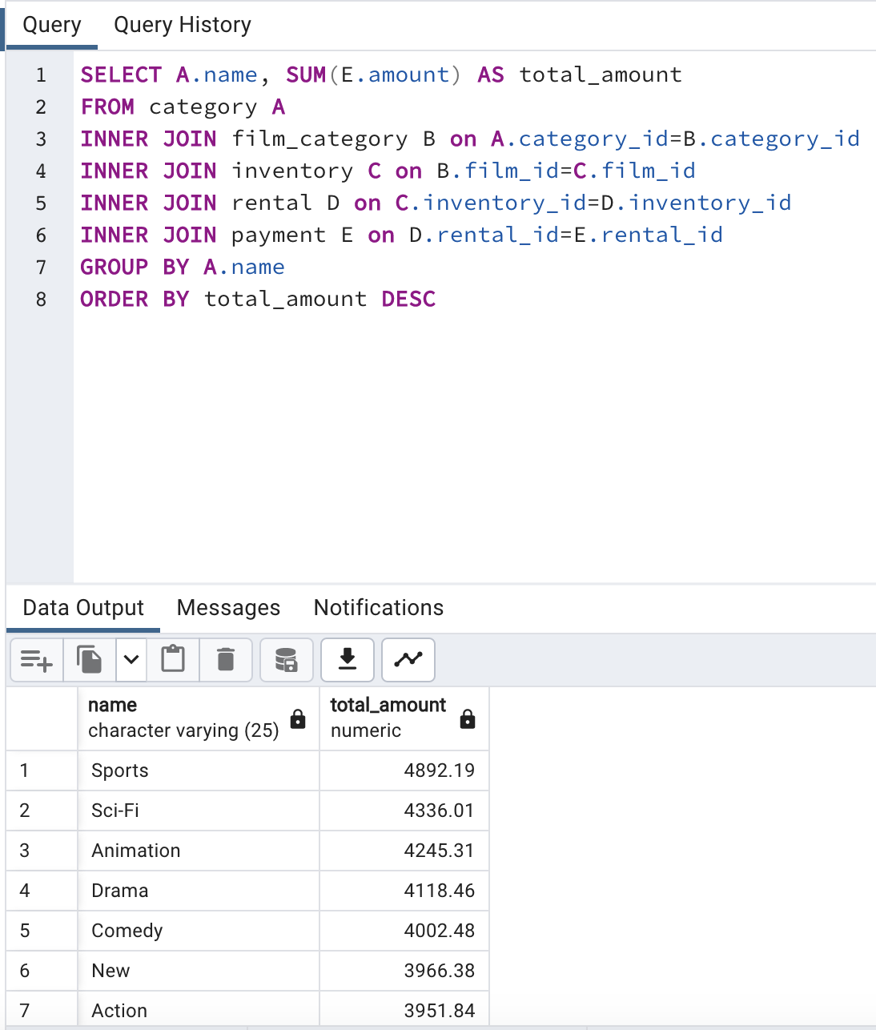
Sports | $4,892.19 | 74 | $66.11
Sci-Fi | $4,336.01 | 61 | $71.08
Animation | $4,245.31 | 66 | $64.32
Drama | $4,118.46 | 62 | $66.43
Comedy | $4,002.48 | 58 | $69.01
New | $3,966.38 | 63 | $62.96
Action | $3,951.84 | 64 | $61.75
Foreign | $3,934.47 | 73 | $53.90
Games | $3,922.18 | 61 | $64.30
Family | $3,782.26 | 68 | $55.62
Documentary | $3,749.65 | 68 | $55.14
Horror | $3,401.27 | 56 | $60.74
Classics | $3,353.38 | 57 | $58.83
Children | $3,309.39 | 60 | $55.16
Travel | $3,227.36 | 57 | $56.62
Music | $3,071.52 | 51 | $60.23
Thriller | $47.89 | 1 | $47.89

name | cost per unit
Sports | $66.11
Sci-Fi | $71.08
Animation | $64.32
Drama | $66.43
Comedy | $69.01
New | $62.96
Action | $61.75
Foreign | $53.90
Games | $64.30
Family | $55.62
Documentary | $55.14
Horror | $60.74
Classics | $58.83
Children | $55.16
Travel | $56.62
Music | $60.23
Thriller | $47.89

Rev by Geo
What is the revenue breakdown per country?
The top ten countries' continents are highlighted for better understanding by geographic region
country | total_amount | Continent
India | $6,032.79 | Asia
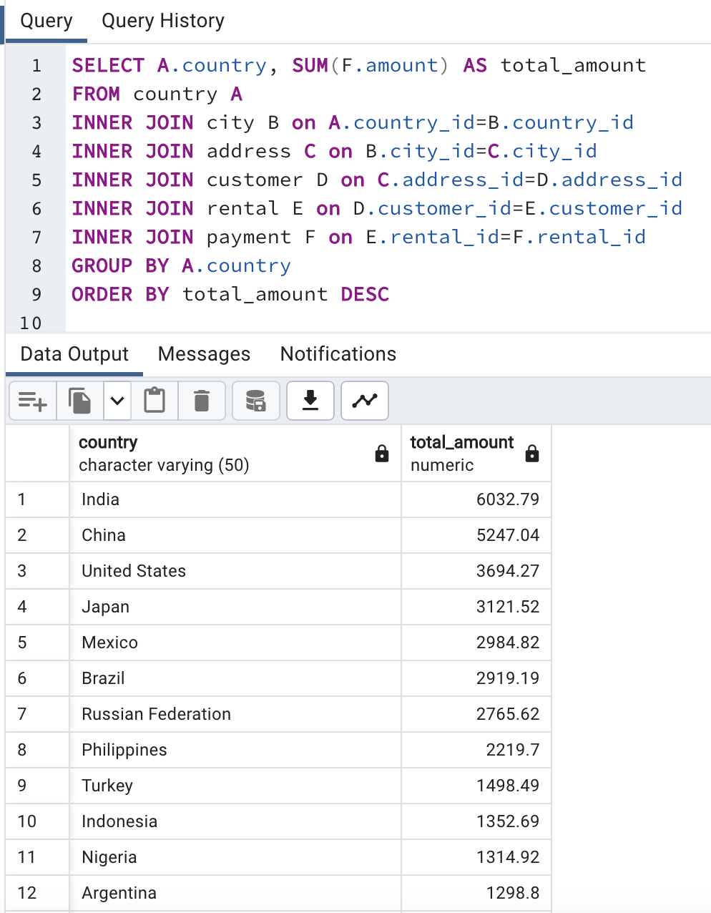
China | $5,247.04 | Asia
United States | $3,694.27 | North America
Japan | $3,121.52 | Asia
Mexico | $2,984.82 | North America
Brazil | $2,919.19 | South America
Russian Federation | $2,765.62 | Asia
Philippines | $2,219.70 | Asia
Turkey | $1,498.49 | Asia
Indonesia | $1,352.69 | Asia
Nigeria | $1,314.92
Argentina | $1,298.80
Taiwan | $1,155.10
South Africa | $1,069.46
Iran | $877.96
United Kingdom | $848.97
Poland | $786.16
Italy | $753.26
Germany | $741.24
Vietnam | $676.45
Ukraine | $675.53
Colombia | $661.54
Egypt | $659.48
Venezuela | $632.43
Canada | $559.70
Netherlands | $557.73
South Korea | $527.77
Spain | $513.80
Yemen | $473.93
Pakistan | $473.84
Saudi Arabia | $452.94
Peru | $407.01
Thailand | $401.08
Israel | $379.13
Ecuador | $369.18
Bangladesh | $353.19
Algeria | $349.18
France | $334.12
Malaysia | $330.23
Tanzania | $322.22
Mozambique | $315.25
United Arab Emirates | $305.25
Dominican Republic | $304.26
Chile | $303.34
Austria | $284.30
Morocco | $274.35
Paraguay | $273.40
Belarus | $271.36
Latvia | $249.43
Switzerland | $248.41
Kenya | $245.49
Yugoslavia | $233.49
Puerto Rico | $224.48
Romania | $218.42
Runion | $211.55
French Polynesia | $205.52
Greece | $204.54
Sudan | $202.51
Azerbaijan | $198.53
Bulgaria | $194.52
Kazakstan | $192.51
Angola | $187.55
Cameroon | $186.49
Myanmar | $179.53
Cambodia | $179.51
Bolivia | $178.56
Congo, The Democratic Republic of the | $168.58
Oman | $161.56
Holy See (Vatican City State) | $146.68
Nauru | $143.70
Sweden | $139.67
Czech Republic | $132.72
Moldova | $127.66
Turkmenistan | $126.74
Chad | $122.72
Malawi | $121.73
Zambia | $121.70
Virgin Islands, U.S. | $121.69
Greenland | $119.72
Armenia | $118.75
Gambia | $114.73
Iraq | $111.73
Hungary | $111.71
Bahrain | $108.76
North Korea | $107.71
Brunei | $107.66
Kuwait | $106.75
Estonia | $105.72
Hong Kong | $104.76
Sri Lanka | $103.73
Liechtenstein | $99.74
Anguilla | $99.68
French Guiana | $97.80
Faroe Islands | $96.76
Senegal | $95.76
Nepal | $93.83
Tuvalu | $93.78
Madagascar | $92.79
Ethiopia | $91.77
New Zealand | $85.77
Slovakia | $80.77
Finland | $78.79
Tunisia | $73.78
Afghanistan | $67.82
Tonga | $64.84
Saint Vincent and the Grenadines | $64.82
Lithuania | $63.78
American Samoa | $47.85

Top10CountriesCustomers
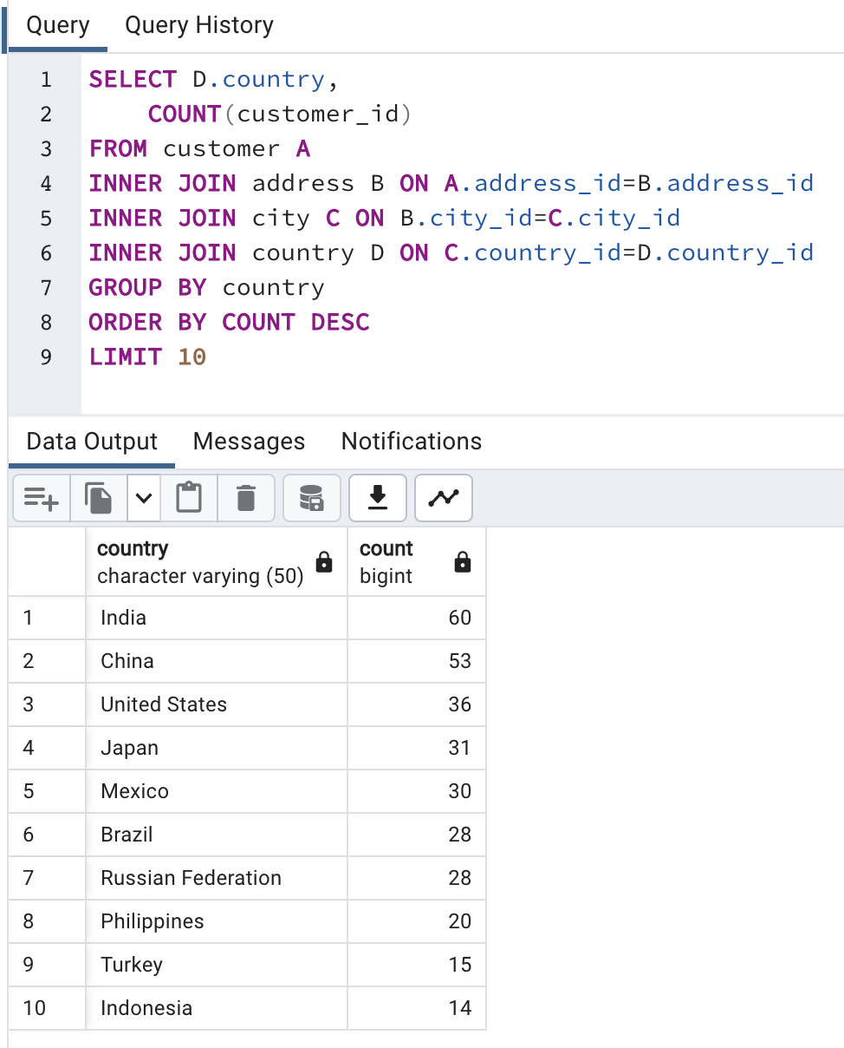
What are the top 10 countries with the highest number of customers? How much revenue?
While sheer numbers are helpful, it is more helpful to look at how much revenue is generated per customer
country | count | total_amount | amount per customer
India | 60 | 6032.79 | $100.55
China | 53 | 5247.04 | $99.00
United States | 36 | 3694.27 | $102.62
Japan | 31 | 3121.52 | $100.69
Mexico | 30 | 2984.82 | $99.49
Brazil | 28 | 2919.19 | $104.26
Russian Federation | 28 | 2765.62 | $98.77
Philippines | 20 | 2219.7 | $110.98
Turkey | 15 | 1498.49 | $99.90
Indonesia | 14 | 1352.69 | $96.62

Top10Cities
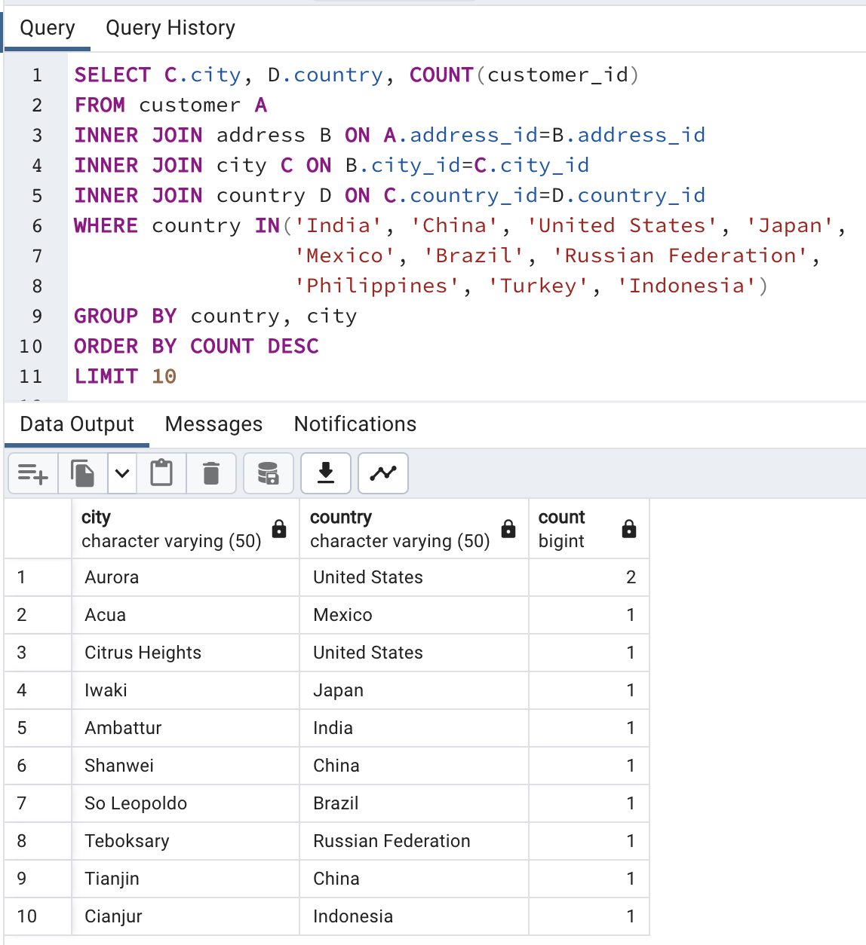
What are the top 10 cities in the countries with the highest number of customers?
Counts are relatively low per city
city | country | count
Aurora | United States | 2
Acua | Mexico | 1
Citrus Heights | United States | 1
Iwaki | Japan | 1
Ambattur | India | 1
Shanwei | China | 1
So Leopoldo | Brazil | 1
Teboksary | Russian Federation | 1
Tianjin | China | 1
Cianjur | Indonesia | 1

Top5Customers
Who are the lifetime value customers?

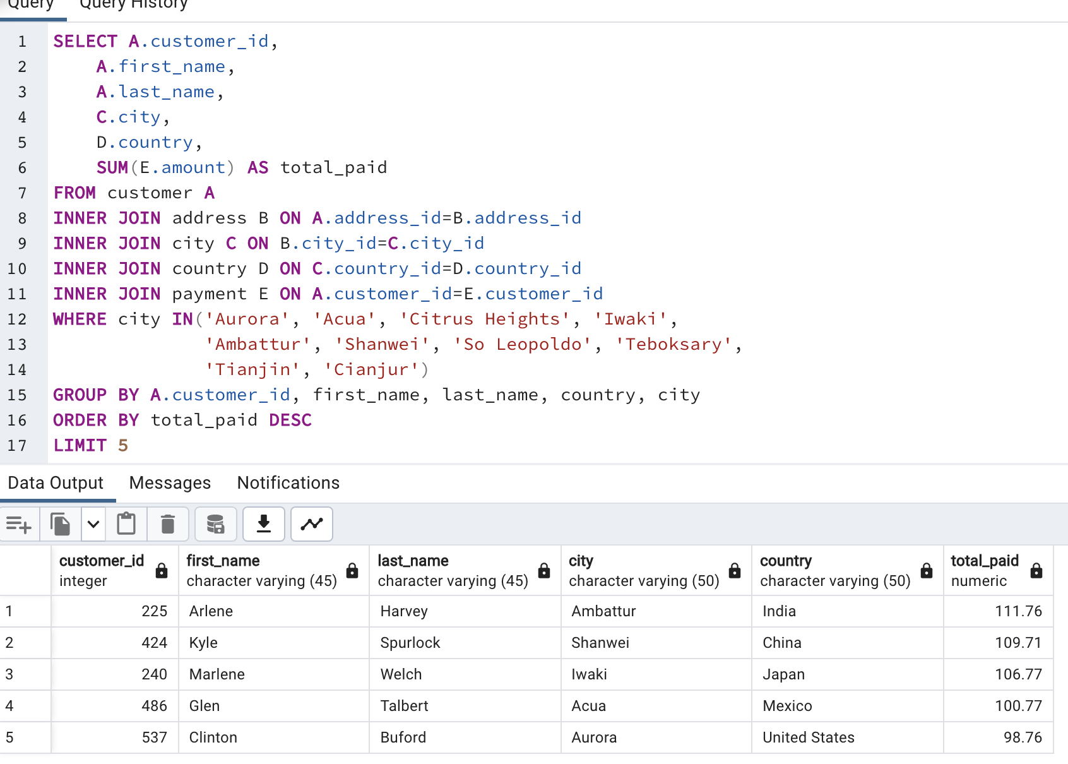
customer_id | first_name | last_name | city | country | total_paid
225 | Arlene | Harvey | Ambattur | India | 111.76
424 | Kyle | Spurlock | Shanwei | China | 109.71
240 | Marlene | Welch | Iwaki | Japan | 106.77
486 | Glen | Talbert | Acua | Mexico | 100.77
537 | Clinton | Buford | Aurora | United States | 98.76

