Sales by Category
Sales by Category

Row Labels | Sum of Sales
Furniture | 741999.80
Office Supplies | 719047.03
Technology | 836154.03
Grand Total | 2297200.86

Sales by Region
Sales by Region

Row Labels | Sum of Sales
Central | 501239.8908
East | 678781.24
South | 391721.905
West | 725457.8245
Grand Total | 2297200.8603

Profit by Category
Profit by Category

Row Labels | Sum of Profit
Furniture | 18451.2728
Office Supplies | 122490.8008
Technology | 145454.9481
Grand Total | 286397.0217

Sales by Segment
Sales by Segment

Row Labels | Sum of Sales
Consumer | 1161401.345
Corporate | 706146.3668
Home Office | 429653.1485
Grand Total | 2297200.8603

Profit by Segment
Profit by Segment

Row Labels | Sum of Profit
Consumer | 134119.2092
Corporate | 91979.134
Home Office | 60298.6785
Grand Total | 286397.0217

Sales by Ship Mode
Sales by Ship Mode

Row Labels | Sum of Sales
First Class | 351428.4229
Same Day | 128363.125
Second Class | 459193.5694
Standard Class | 1358215.743
Grand Total | 2297200.8603

Profit by Ship Mode
Profit by Ship Mode

Row Labels | Sum of Profit
First Class | 48969.8399
Same Day | 15891.7589
Second Class | 57446.6354
Standard Class | 164088.7875
Grand Total | 286397.0217

Monthly Sales
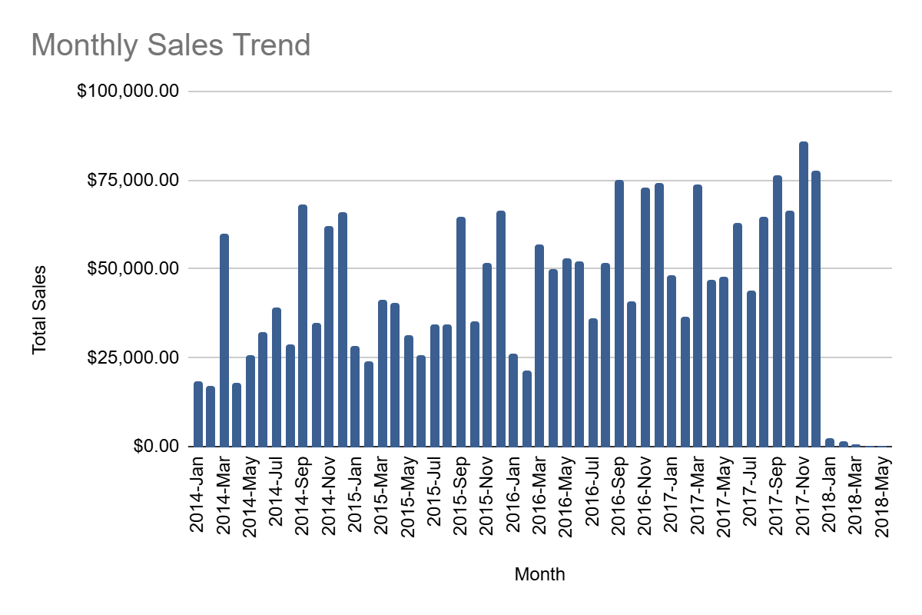
Month | Total Sales
2014-Jan | 18304.891
2014-Feb | 17144.4325
2014-Mar | 59907.364
2014-Apr | 18059.074
2014-May | 25692.244
2014-Jun | 32164.1446
2014-Jul | 39270.661
2014-Aug | 28790.157
2014-Sep | 67981.3378
2014-Oct | 34888.999
2014-Nov | 62067.0427
2014-Dec | 66112.8455
2015-Jan | 28538.58
2015-Feb | 24217.6905
2015-Mar | 41479.8006
2015-Apr | 40481.4799
2015-May | 31469.9065
2015-Jun | 25935.875
2015-Jul | 34297.678
2015-Aug | 34641.5226
2015-Sep | 64783.468 | Grand Total=2297200.86
2015-Oct | 35322.6947
2015-Nov | 51921.377
2015-Dec | 66352.4292
2016-Jan | 26419.8815
2016-Feb | 21476.343
2016-Mar | 57125.0848
2016-Apr | 49809.836
2016-May | 53222.437
2016-Jun | 52117.865
2016-Jul | 36191.67
2016-Aug | 51780.7773
2016-Sep | 74987.9668
2016-Oct | 40931.7356
2016-Nov | 73067.639
2016-Dec | 74194.517
2017-Jan | 48208.5306
2017-Feb | 36798.2134
2017-Mar | 73770.4324
2017-Apr | 47069.6788
2017-May | 47686.532
2017-Jun | 62972.2967
2017-Jul | 43778.038
2017-Aug | 64483.118
2017-Sep | 76320.957
2017-Oct | 66426.8802
2017-Nov | 85920.0688
2017-Dec | 77454.9695
2018-Jan | 2390.1548
2018-Feb | 1545.624
2018-Mar | 569.274
2018-Apr | 344.224
2018-May | 310.42

Excel Dashboard
Superstore Sales & Profit Dashboard

 | Total Sales | Total Profit | Average Discount | Total Orders
 | 2,297,201 | 286,397 | 15.62% | 9,994

Sales by Ship Mode
 | Total
First Class | 351428.4229
Same Day | 128363.125
Second Class | 459193.5694
Standard Class | 1358215.743
Profit by Ship Mode
 | Total
First Class | 48969.8399
Same Day | 15891.7589
Second Class | 57446.6354
Standard Class | 164088.7875

