Guide
User Guide

This simple guideline provides quick information to get the user up to speed in using this project risk register template and provide guidance in the project risk assessment process. Below are the quick links for different topics which the user can follow help familiarized working with this template.
1.0 | Risk Process Flow Chart
2.0 | Impact Matrix
3.0 | Probability Matrix
4.0 | Heat Map and Risk Index
5.0 | Definition of the different Project Gates

1.0 | RISK PROCESS FLOW CHART PROJ TYPES ABC | Home

2.0 | IMPACT MATRIX | Home
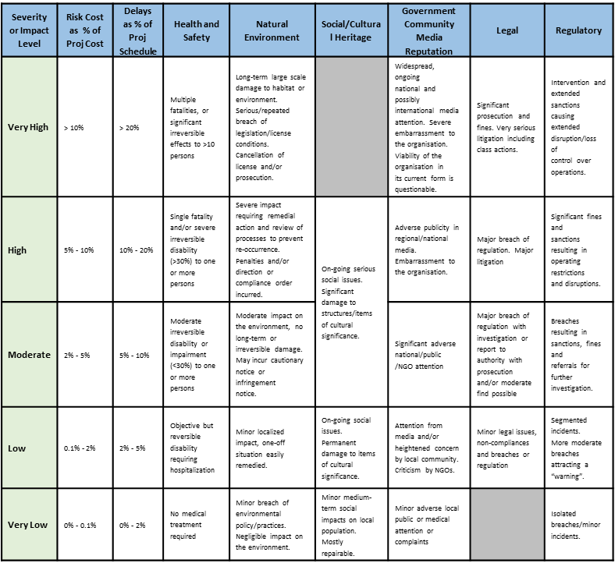

3.0 | PROBABILITY MATRIX | Home
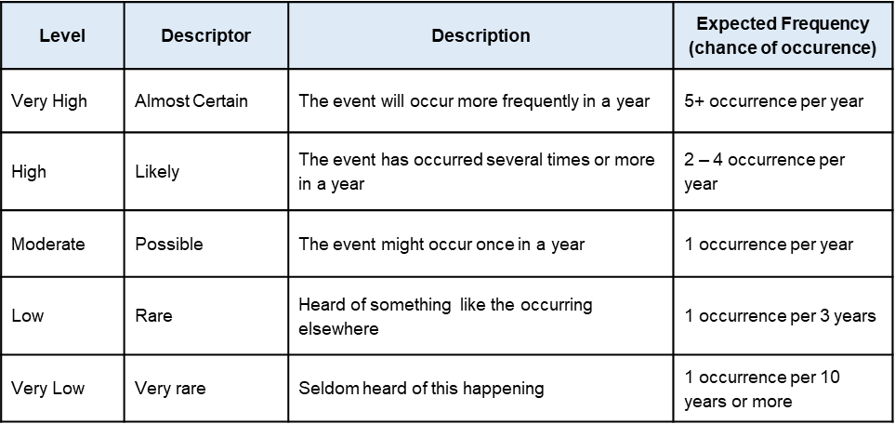

4.0 | HEAT MAP | Home

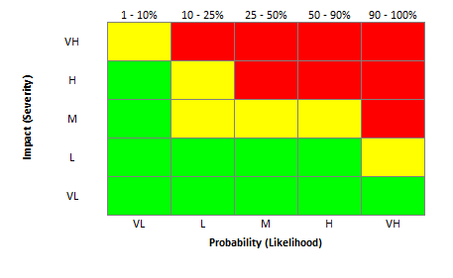

5.0 | PROJECT GATES | Home

RiskRegister
 | PROJECT RISK REGISTER FOR TYPES A,B & C PROJECTS |  |  |  |  |  |  |  |  |  |  |  |  |  |  |  | This document is the property of Manila Water Company, Inc (MWCI). No material may be used, distributed or reproduced in whole or in part without the prior written consent of MWCI. All rights reserved. UNCONTROLLED DOCUMENTS WHEN PRINTED OR CONVERTED TO PDF.
 | PROJECT PLANNING PHASE |  |  |  |  | Ver 1.2

 | Project Name: |  |  | Long Term East Line 1 |  |  |  |  | Project Description: |  |  |  |  |  |  |  |  |  | Signatories |  |  | Name / Dep / Grp |  |  | Signature |  |  |  |  |  | Date
 | Project Location: |  |  |  |  |  |  |  |  |  |  |  |  |  |  |  |  |  | Prepared by:
 | RR Project Code: |  |  |  |  |  |  |  | Project Benefits:
 | Project Base Cost: |  |  | ₱14,000,000,000.00 |  | Project Base Duration (CDay): | 2500 |  |  |  |  |  |  |  |  |  |  |  | Reviewed by:
 | Mitigation |  | P90 | #VALUE! |  | Gross Provision for Risk Mitigation (CDay): | 337 |  | Project Type: |  |  |  |  |  |  | Project Headline:
 | Contingency |  | P90 | ₱82,767,444.52 |  | Gross Provision for Risk Contingency (Cday): | 900 |  | Name of Proponent : |  |  |  |  |  |  |  |  |  | Approved by:
 | Total Project Cost: |  |  | #VALUE! |  | Cumulative Total Project Duration: | 3737 |  | Group/Dept:

 | Risk Identification |  |  |  |  |  | Risk Assessment |  |  |  |  |  | Qualitative Risk Analysis Pre-Mitigation |  |  | Risk Mitigation |  |  |  | Qualitative Risk Analysis Post-Mitigation |  |  | Residual Risk Assessment |  | Risk Contingency |  |  |  | Risk Status
 | No | Category1 | Category2 | Category3 | Risk Name | Risk Description (Sentence format: Issue, Risk, Impact) | Risk Trigger Date | Scope Impact (addition or removal of works) | Cost Impact (Php) | Schedule Impact (CDay) | Affected Proj Gate | Affected WBS | Impact | Probability | Index | Plan (use SMART Principle) | Cost of Mitigation (Php) | Add Duration for Mitigation (Cday) | Schedule Additive (%) | Impact | Probability | Index | Residual Cost Impact (Php) | Residual Schedule Impact (CDay) | Plan (Use SMART Principle) | Reserve Cost (Php) | Reserve Schedule (Cday) | Schedule Additive (%) | Status | Date | Resolution Statement
 |  |  |  |  |  |  |  |  | ₱1,585,000,000.00 | 3750 |  |  |  |  |  |  | ₱164,000,000.00 | 337 |  |  |  |  | ₱60,000,000.00 | 1110 |  | ₱60,000,000.00 | 900
1 | 1 | External | Legal | Regulatory.Bodies | Risk on the use of easements and buffer zones. | Issue: Landing of pipe on both sides of DPWH floodway. (RCX-17) Risk: Acquisition of DPWH ROW on both sides of the Manggahan Floodway footbridge slope protection. Impact: Possible delays on the land acquisition and ROW | 30-Jan-2023 | Expropriation of lots for the pipe bridge landing | ₱35,000,000.00 | 0 | Gate.2_Delivery.Strategy.Tender.Preparation | Cost Estimate Final | Low | High | Low | Coordinate with DPWH…. | ₱- | 0 | 0% | Low | Medium | Low | ₱35,000,000.00 | 0 | Proceed with expropriation. | ₱35,000,000.00 | 0 | 0% | Closed | 22-Feb-2023 | No longer relevant due to changed in alignment.
2 | 2 | External | Social | Attitude.Beliefs | Risk on public sentiments and reactions due to community impact of the project. | Issue: Pipelaying of 2 lines (along with Wawa 1600mm dia pipeline) in Roman Rojas Road will aggravate public sentiments and will generate numerous traffic complaints Risk: Work Stoppage Impact: Delays in the pipelaying construction and will eventually delay the project implementation | 06-Dec-2024 |  | ₱- | 90 | Gate.4_Readiness.For.Service.Construction | Pipe Network Installation | Low | High | Low | Conduct public/stakeholder consultation and obtain "No objection letter" along with the barangay clearance from the barangay office. Contractor to establish Grievance Mechanism. This to be included in the TOR. | ₱- | 0 | 0% | Low | Medium | Low | ₱- | 0 |  | ₱- | 0 | 0% | Open
3 | 3 | External | Political | Bureaucracy.Issues | Risk on delays on the issuance of permits. | Issue: Some politically aligned officer in the DENR may pose difficulty in acquiring Tree Cutting Permit Risk: Not able to get the tree cutting permit on time as per project schedule Impact: Delays in mobilization and will eventually delay the project implementation | 06-Dec-2024 |  | ₱- | 180 | Gate.4_Readiness.For.Service.Construction | Civil and Site Development Works | High | High | High | MWCI to do early pre-selling activities with DENR and secure all the requirements and complete the documents as early as possible. | ₱- | 0 | 0% | Medium | Medium | Medium | ₱- | 60 |  | ₱- | 60 | 0% | Open
4 | 4 | Internal | PQM | Project.Execution.Issues | Risk on damage to existing structure and facilities. | Issue: Damage to Existing Services and Utilities such as MERALCO distribution lines and poles. Risk: Excavation works cannot proceed. Impact: Delay in construction works | 06-Dec-2024 |  | ₱- | 120 | Gate.4_Readiness.For.Service.Construction | Civil and Site Development Works | Medium | Very High | High | MWCI to do early coordination with MERALCO on the relocation of electrical poles. | ₱6,000,000.00 | 120 | 100% | Low | Low | Low | ₱- | 0 | Add 30 days provision only for the early coordination of construction phase of water tower Shaft 3 and Pasig WTP | ₱- | 0 | 0% | Open
5 | 5 | Internal | PQM | Project.Execution.Issues | Risk on damage to existing structure and facilities. | Issue: Damage to properties such as buildings and houses near or adjacent to the construction sites. Possibility of building/house owners will not agree to any settlements. Risk: Excavation works cannot proceed. Impact: Delay in construction works | 06-Dec-2024 |  | ₱150,000,000.00 | 360 | Gate.4_Readiness.For.Service.Construction | Civil and Site Development Works | Very High | Very High | High | MWCI to do early pre-selling activities with barangay up to LGU level. | ₱150,000,000.00 | 180 | 100% | Medium | Low | Medium | ₱25,000,000.00 | 0 | Add 60 days provision only for the TBM construction phase | ₱25,000,000.00 | 0 | 0% | Open
6 | 6 | Internal | Engineering | Design | Constructability issues. | Issue: Pipelaying construction challenges due to space constraints and creek crossings Risk: Pipe encroachment to private property area along the road shoulder Impact: Legal impediment leading to work stoppage and project delays | 06-Dec-2024 |  | ₱- | 180 | Gate.4_Readiness.For.Service.Construction | Pipe Transmission Installation | Medium | Medium | Medium | Conduct stakeholder consultation and obtain "No objection letter" on each individual lot owner, along with the barangay clearance from the barangay office. | 8000000 | 0 | 0% | Low | Low | Low | ₱- | 0 |  | ₱- | 0 | 0% | Open
7 | 7 | Internal | PQM | Project.Execution.Issues | Issues on availability of space for construction machineries and equipment. | Issue: Width of the Road along Solid Cement Road Risk: ROW risk along solid cement road due to the width of the road and the space needed for public vehicles to pass on one lane. Impact: Project Delays | 06-Dec-2024 | Change of alignment and change of construction methodology |  |  | Gate.4_Readiness.For.Service.Construction | Pipe Transmission Installation | Medium | High | Medium | Arcadis to nominate viable alternative alignment | ₱- |  |  | Low | Low | Low | ₱- | 0 |  | ₱- | 0 | 0% | Open
8 | 8 | External | Legal | Regulatory.Bodies | Risk on the use of easements and buffer zones. | Issue: Land for the Shaft 1 Risk: Negotiation with Antipolo LGU including WOP of less than 50meters Impact: Possible delays on the land acquisition | 01-Jan-2024 |  | ₱- | 180 | Gate.2_Delivery.Strategy.Tender.Preparation | Engineering Drawings | Medium | Medium | Medium | Pre-selling activities with LGU and convince them of the positive benefits of the project. Coordinate closely with LGU, build relationship, and ensure their buy-in into the project. | ₱- | 30 | 100% | Medium | Low | Medium | ₱- | 0 |  | ₱- | 0 | 0% | Open
9 | 9 | External | Legal | Regulatory.Bodies | Risk on the use of easements and buffer zones. | Issue: Land for the Intermediate Shaft (Shaft 2) is a private property and no knowledge in how many lots will be affected. Risk: Land Acquisition for the Shaft 2 Impact: Possible delays on the land acquisition and will negatively impact the project timeline. | 01-Jan-2024 | Change of alignment and change of construction methodology | ₱- | 1200 | Gate.2_Delivery.Strategy.Tender.Preparation | Engineering Drawings | Very High | High | High | Arcadis to nominate viable alternative shafts | ₱- | 45 | 5% | Medium | Medium | Medium | ₱- | 30 | None | ₱- | 30 | 100% | Open
10 | 10 | External | Social | Attitude.Beliefs | Risk on public sentiments and reactions due to community impact of the project. | Issue: High number of complaints and possible Temporary Restraining Order (TRO) due to noise during implementation for Shaft 2 and 3 from neighbours Risk: Work Stoppage Impact: Delays in the construction of shaft and will eventually delay the project implementation | 06-Dec-2024 |  | ₱- | 180 | Gate.4_Readiness.For.Service.Construction | Mobilization | Medium | Medium | Medium | Conduct public/stakeholder consultation and obtain "No objection letter" along with the barangay clearance from the barangay office. | ₱- | 0 | 0% | Low | Low | Low | ₱- | 0 |  | ₱- | 0 | 0% | Open
11 | 11 | Internal | PQM | Project.Execution.Issues | Issues on availability of space for construction machineries and equipment. | Issue: Risks related to concurrent construction of Pasig WTP and LTE Shaft 3 Risk: Risk on accessibility, mobility and storage issues Impact: May pose delay in construction timeline | 15-Jan-2026 |  | ₱- | 90 | Gate.4_Readiness.For.Service.Construction | Construction Staging | Low | Medium | Low | Early coordination of WTP and LTE working committee for the alignment of works and activities and construction timeline. | ₱- | 0 | 0% | Medium | Medium | Medium | ₱- | 30 | Inform management on this issue. | ₱- | 30 | 0% | Open
12 | 12 | Internal | Procurement | Contract.Management | Risk on failure of Contractor to provide timely construction equipment and materials as per project timeline. | Issue: Availability/Procurement of Tunnel Contractor using Tunnel Boring Machine (TBM) Risk: Risk in Timeline delays should TBM not readily available before implementation Impact: Project Delays | 05-Jan-2025 |  | ₱- | 360 | Gate.3_Investment.Decision.Procurement | BAC Recommendation | Medium | Medium | Medium | Risk Accepted | ₱- | 0 | 0% | Medium | Medium | Medium | ₱- | 360 |  | ₱- | 360 | 100% | Open
13 | 13 | Internal | Engineering | Design | Constructability issues. | Issue: TBM correct technical operation by construction personnel during the tunneling process is required to guarantee the safety of the tunnel project. Risk: The technical risks of TBM tunnel construction mainly include lining leakage, TBM tunneling offset, and anchor shaft force monitoring failing to meet the requirements. Meanwhile, a delay of pea-gravel back filling and grouting may induce a lack of timely support to surrounding rock, which increases the risk of TBM jamming. Impact: Work stoppage and project delays | 31-Dec-2025 |  | ₱- | 30 | Gate.4_Readiness.For.Service.Construction | Tunnel horizontal boring works TBM | Low | Medium | Low | Risk Accepted | ₱- | 0 | 0% | Low | Medium | Low | ₱- | 30 | Add 30 days to the TBM work schedule, as provision only due to technical issues. | ₱- | 30 | 100% | Open
14 | 14 | Internal | PQM | Equipment.Quality.Issues | Defective product or equipment risk. | Issue: TBM Equipment Failure Risk: Equipment risks include failure of the pipe assembly, failure of the jacking system, failure of the grouting system, mismatch of the operation model selection, consumption of disc cutters, and failure of the shield tail seal Impact: Work stoppage and project delays | 15-Jun-2025 |  | ₱- | 120 | Gate.4_Readiness.For.Service.Construction | Tunnel horizontal boring works TBM | High | Medium | High | Risk Accepted | ₱- | 0 | 0% | High | Medium | High | ₱- | 120 | Add 120 days to the TBM work schedule, as provision only due to TBM equipment failure. | ₱- | 120 | 100% | Open
15 | 15 | Internal | PQM | Equipment.Quality.Issues | Defective product or equipment risk. | Issue: Manufacturing, operation, and maintenance of TBMs. Risk: Operation risks exist in the processes of installation, starting, stepping, dismantling, and other procedures. Impact: Work stoppage and project delays | 05-Jan-2025 |  |  |  | Gate.4_Readiness.For.Service.Construction | Tunnel horizontal boring works TBM | Low | High | Low | Contractor to include in the offer the critical spare parts, consumable materials and standard part for the TBM are complete within the Contractor's warehouse. | ₱- |  |  | Low | Low | Low | ₱- | 0 |  | ₱- | 0 | 0% | Open
16 | 16 | Internal | PQM | Project.Execution.Issues | Risk on project technical issues. | Issue: Operation and management of supporting facilities. Risk: Supporting facilities for muck removal, ventilation, power supply, water supply and drainage, and material transportation have the characteristics of safety, reliability, durable stability, energy conservation, and high efficiency. Impact: Work stoppage and project delays | 31-Dec-2025 |  |  |  | Gate.4_Readiness.For.Service.Construction | Tunnel horizontal boring works TBM | Low | High | Low | Contractor to include in the offer the critical spare parts, consumable materials and standard part for all supporting facilities are complete within the Contractor's warehouse. | ₱- |  |  | Low | Low | Low | ₱- | 0 |  | ₱- | 0 | 0% | Open
17 | 17 | Internal | Work.Health.Safety | Environmental.Hazards | Air quality and air pollution hazard risk. | Issue: Working environment and labor security. Risk: Potential risks exist in the working environment, such as low ventilation quality around the tunnel face, de-dusting and cooling measures, pollutant emission, and noise control in the tunnel excavation. Impact: Work stoppage and project delays | 31-Dec-2025 |  |  |  | Gate.4_Readiness.For.Service.Construction | Tunnel horizontal boring works TBM | Medium | Medium | Medium | Contractor to include in the TOR the Contractor's Health and Safety Management Plan. | ₱- |  |  | Low | Low | Low | ₱- | 0 |  | ₱- |  |  | Open
18 | 18 | Internal | Engineering | Design | Risk on failure to validate data inputs on design. | Issue: Run-through survey and traverse-survey control Risk: The tunnel is divided into sections. A lack of accuracy and reliability in the ground control net and in the traverse survey of the tunnel will present challenges to the creation of an accurate run-through of the tunnel Impact: Project delays | 31-May-2023 |  |  |  | Gate.4_Readiness.For.Service.Construction | Tunnel horizontal boring works TBM | Medium | Low | Medium | Designer to double check the accuracy of survey and survey control prior to approval. | ₱- |  |  | Low | Low | Low | ₱- | 0 |  | ₱- |  |  | Open
19 | 19 | External | Environmental | Geographic.Location | Risk on fault line | Issue: Earthquakes during project construction will create ground shaking, landslides and rock burst inside the tunnel Risk: Affect the workers and equipment onsite. Impact: Workers injury and possible fatality. Damage of property resulting to work stoppage. | 31-Dec-2025 |  | ₱1,400,000,000.00 | 180 | Gate.4_Readiness.For.Service.Construction | Tunnel horizontal boring works TBM | High | Medium | High | Use of special rings for earthquake protection along fault lines. A double lining is installed and filled by a porous material | ₱- | 0 | 0% | Medium | Medium | Medium | ₱- | 60 | Add 60 days to the work schedule, as provision for earthquake during project construction. | ₱- | 60 | 0% | Open
20 | 20 | External | Environmental | Geographic.Location | Risk on rock layers during excavation. | Issue: TBM Geological Risk which include bad rock surroundings, cave-entrance landslide, high groundwater level, rock explosion, karst gushing water, and fault fracture zones, as well as old mines workings Risk: TBM is prone to various geological hazards when digging in poor geological sections Impact: Work stoppage and project delays | 31-Dec-2025 |  | ₱- | 120 | Gate.4_Readiness.For.Service.Construction | Tunnel horizontal boring works TBM | High | Medium | High | 1. Geotechnical investigation using sufficient borehole spacing as recommended by the consultant/geodetic engineer. 2. Confirmatory geotechnical investigation by the design and build contractor. | ₱- | 90 | 5% | Medium | Low | Medium | ₱- | 0 |  | ₱- | 0 | 0% | Open
21 | 21 | External | Environmental | Geographic.Location | Risk on fault line | Issue: Regional fault structure zones. Risk: The tunnel will pass through regional fault structure zones, which may trigger water inrush (flooding inside the tunnel), mud inrush, collapse, machine blockage, and personnel safety risks such as drowning and fatality. Impact: Work stoppage and project delays | 31-Dec-2025 |  |  |  | Gate.4_Readiness.For.Service.Construction | Tunnel horizontal boring works TBM | Very High | Medium | High | Risk Accepted | ₱- |  |  | Very High | Medium | High | ₱- | 60 |  | ₱- | 60 | 100% | Open
22 | 22 | External | Environmental | Geographic.Location | Risk on rock layers during excavation. | Issue: Large plastic deformation of extremely soft rocks. The tunnel is deeply buried, and the level of underground water is very high. In addition, there might be soft cave sections. Thus, there is a risk of large plastic deformation. Risk: TBM direction misalignment. Impact: Work stoppage and project delays | 31-Dec-2025 |  |  |  | Gate.4_Readiness.For.Service.Construction | Tunnel horizontal boring works TBM | Low | Medium | Low | Risk Accepted | ₱- |  |  | Low | Medium | Low | ₱- | 60 | Add 60 days to the project work schedule, as provision only due to issues on soil plasticity along the tunnel (TBM). | ₱- | 60 | 100% | Open
23 | 23 | External | Environmental | Geographic.Location | Risk on rock layers during excavation. | Issue: Hard rock excavation and moderate rock burst. Risk: Granite and biotite gneiss are types of hard rock with a compressive strength greater than 180 MPa and with a quartz content of 20%–30%. These rocks present risks of tool wear and machine blockage. In the deeply buried sections of the tunnel, there is also a great probability of encountering moderate rock burst. Impact: Work stoppage and project delays | 31-Dec-2025 |  |  |  | Gate.4_Readiness.For.Service.Construction | Tunnel horizontal boring works TBM | Low | Medium | Low | Risk Accepted | ₱- |  |  | Low | Medium | Low | ₱- | 60 | Add 60 days to the project work schedule, as provision only due to ihard rpck excavation and moderate rock burst. | ₱- | 60 | 0% | Open
24 | 24 | Internal | Procurement | Contract.Management | Risk on failure of either party to fulfil the conditions of the contract | Issue: Construction Management Risk Risk: Insufficient construction control plan, low quality of management personnel, non-implementation of organization, poor construction control information, and backward effective control methods. Impact: Work stoppage and project delays | 07-Oct-2024 |  | ₱- | 180 | Gate.4_Readiness.For.Service.Construction | Tunnel horizontal boring works TBM | High | Medium | High | Contractor to include in the TOR the Contractor's Construction Management Plan. | ₱- | 0 | 0% | Medium | Medium | Medium | ₱- | 60 | Add 60 days to the project work schedule, as provision only due to issues on construction management. | ₱- | 60 | 100% | Open
25 | 25 | External | Political | Stability.Neighbors | Risk on regional destabilization due to processes in neighboring countries. | Issue: International conflict and war Risk: Delay on materials and spare parts availability and increase in cost Impact: Work stoppage and project delays | 07-Oct-2024 |  |  | 180 | Gate.4_Readiness.For.Service.Construction | Contractor's Procurement of Materials and Equipment | Medium | Low | Medium | Risk Accepted | ₱- |  |  | Medium | Low | Medium | ₱- | 180 | Contractor to provide alternative source of materials/spare parts from other non-conflicted countries. | ₱- | 180 | 100% | Open
26 | 26 | Internal | PQM | Project.Execution.Issues | Risk on Contractor's labor dispute and work strike. | Issue: Disputes (Contractors) Risk: Contractor disputes occur during duration of project Impact: Significant delay/ work stoppage | 07-Oct-2024 |  |  |  | Gate.4_Readiness.For.Service.Construction | Pipe Network Installation | Medium | Low | Medium | Establish robust communication plan between Consultant, Manila Water and Contractor through shared document folders, continuous weekly meetings, minute meetings and other forms of communication | ₱- |  |  | Low | Low | Low | ₱- | 0 |  | ₱- | 0 | 0% | Open
27 | 27 | Internal | PQM | Project.Execution.Issues | Risk on failure to implement safety in the work place. | Issue: Non-compliance of Contractor to safety requirements of site owner. Risk: Complaints and and non-compiance report from Manila Water Impact: Work stoppage/delay on project implementation | 07-Oct-2024 |  |  |  | Gate.4_Readiness.For.Service.Construction | Pipe Network Installation | High | Low | Medium | Provide Health and Safety Program and Briefing during pre-construction meeting. Ensure that an Occupational Health and Safety Committee is established with the safety officer present on site at all times. | ₱- |  |  | Low | Low | Low | ₱- | 0 |  | ₱- | 0 | 0% | Open
28 | 28 | Internal | Work.Health.Safety | Biological.Infectious.Diseases | Insect bites risk | Issue: Biological hazards (i.e. snakes, insects, dogs etc.); Risk: People on site inspection may encounter danger such as be bitten by snakes, insects and others Impact: Injury and fatality. | 07-Oct-2024 |  |  |  | Gate.4_Readiness.For.Service.Construction | Pipe Network Installation | Medium | Low | Medium | - Clearing of work area prior to site walkthrough especially at vegetated area - Specific preventive measures in health and safety plan on management of biological hazards. | ₱- |  |  | Low | Low | Low | ₱- | 0 |  | ₱- | 0 | 0% | Open
29 | 29 | Internal | Operation | Health.Safety | H&S transport and mobility risk. | Issue: COVID 19 related restrictions on mobility such as in the event of a stringent local quarantine Risk: Travel restriction where field crew may not to be able to mobilize Impact: Significant delay in the implementation schedule during the engineering, procurement and construction stage. | 07-Oct-2024 |  |  |  | Gate.4_Readiness.For.Service.Construction | Pipe Network Installation | Medium | Low | Medium | Early coordination with local government/authorities. | ₱- |  |  | Low | Low | Low | ₱- | 0 |  | ₱- | 0 | 0% | Open
30 | 30 | Internal | Work.Health.Safety | Physical.Hazards | Electrical hazard risk. | Issue: Electrocution Risk: Electrocution due electrical wiring which maybe peeled during welding works Impact: Major incident. Fatality. Delays in work and possibly work stoppage | 07-Oct-2024 |  |  |  | Gate.4_Readiness.For.Service.Construction | Pipe Network Installation | Medium | Low | Medium | Ensure all wirings and connections are in good working condition | ₱- |  |  | Low | Low | Low | ₱- | 0 |  | ₱- | 0 | 0% | Open
31 | 31 | Internal | Work.Health.Safety | Physical.Hazards | Fires risk | Issue: Fire hazard Risk: Possible occurrence of fire in the working area during welding works Impact: Major incident. Fatality. Delays in work and possibly work stoppage | 07-Oct-2024 |  |  |  | Gate.4_Readiness.For.Service.Construction | Pipe Network Installation | Medium | Low | Medium | Ensures that all workers must wear their PPE. | ₱- |  |  | Low | Low | Low | ₱- | 0 |  | ₱- | 0 | 0% | Open
 | 32
 | 33
 | 34
 | 35
 | 36
 | 37
 | 38
 | 39
 | 40
 | 41
 | 42
 | 43
 | 44
 | 45
 | 46
 | 47
 | 48
 | 49
 | 50
 | 51
 | 52
 | 53
 | 54
 | 55
 | 56
 | 57
 | 58
 | 59
 | 60
 | 61
8 | 62
14 | 63
17 | 64
18 | 65
 | 66
 | 67
16 | 68
 | 69
 | 70
 | 71
 | 72
 | 73
 | 74
 | 75
 | 76
 | 77
 | 78
 | 79
 | 80
 | 81
 | 82
 | 83
 | 84
 | 85
 | 86
 | 87
 | 88
 | 89
 | 90
 | 91
 | 92
 | 93
 | 94
 | 95
 | 96
 | 97
 | 98
 | 99
 | 100
 | 101
 | 102
 | 103
 | 104
CONFIDENTIAL PROPERTY OF MWCI
 | 105
 | 106
 | 107
 | 108
 | 109
 | 110
 | 111
 | 112
 | 113
 | 114
 | 115
 | 116
 | 117
 | 118
 | 119
 | 120
 | 121
 | 122
 | 123
 | 124
 | 125
 | 126
 | 127
 | 128
CONFIDENTIAL PROPERTY OF MWCI
 | 129
 | 130
 | 131
 | 132
 | 133
 | 134
 | 135
 | 136
 | 137
 | 138
 | 139
 | 140
 | 141
 | 142
 | 143
 | 144
 | 145
 | 146
 | 147
 | 148
 | 149
 | 150
 | 151
 | 152
CONFIDENTIAL PROPERTY OF MWCI
 | 153
 | 154
 | 155
 | 156
 | 157
 | 158
 | 159
 | 160
 | 161
 | 162
 | 163
 | 164
 | 165
 | 166
 | 167
 | 168
 | 169
 | 170
 | 171
 | 172
 | 173
 | 174
 | 175
 | 176
 | 177
CONFIDENTIAL PROPERTY OF MWCI
 | 178
 | 179
 | 180
 | 181
 | 182
 | 183
 | 184
 | 185
 | 186
 | 187
 | 188
 | 189
 | 190
 | 191
 | 192
 | 193
CONFIDENTIAL PROPERTY OF MWCI
 | 194 |  |  |  |  |  |  |  | ₱-
 | 195 |  |  |  |  |  |  |  | ₱-
 | 196 |  |  |  |  |  |  |  | ₱-
 | 197 |  |  |  |  |  |  |  | ₱-
 | 198 |  |  |  |  |  |  |  | ₱-
 | 199 |  |  |  |  |  |  |  | ₱-
 | 200 |  |  |  |  |  |  |  | ₱-

