1NF
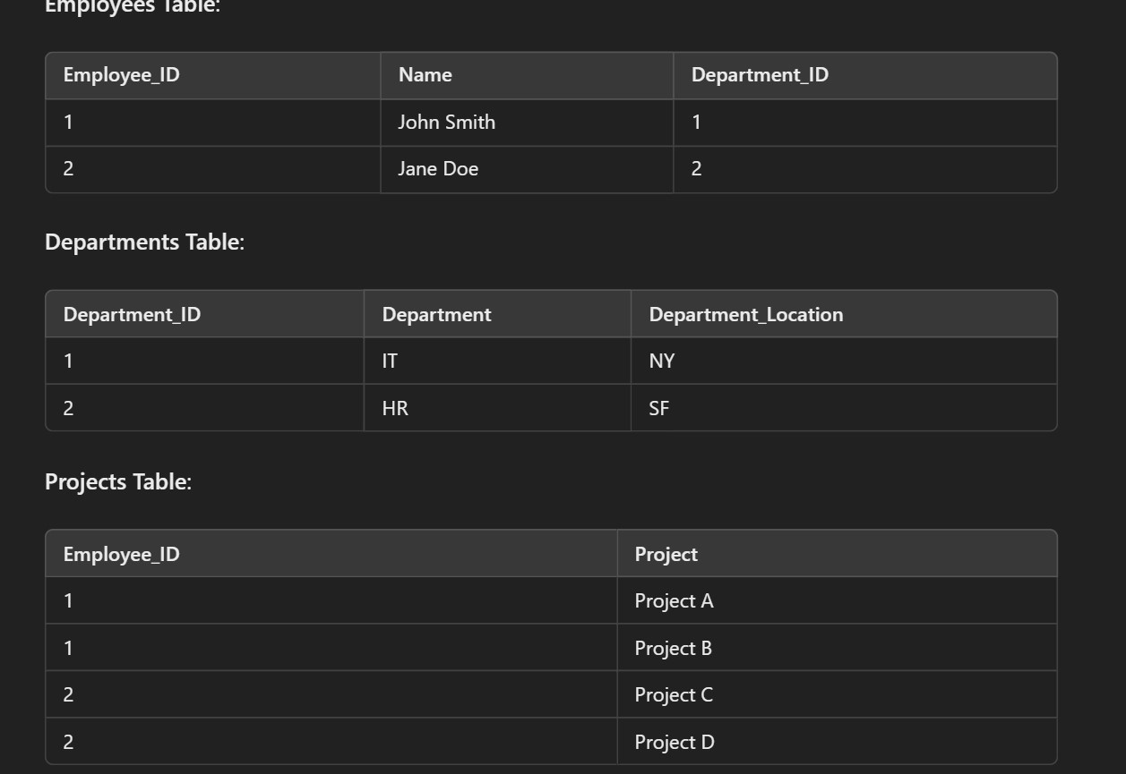
First Normal Form (1NF)

Requirements:

Eliminate repeating groups in individual tables.
Create separate tables for each set of related data.
Identify each set of related data with a primary key.

Initial Table: Employees

1NF:

2NF
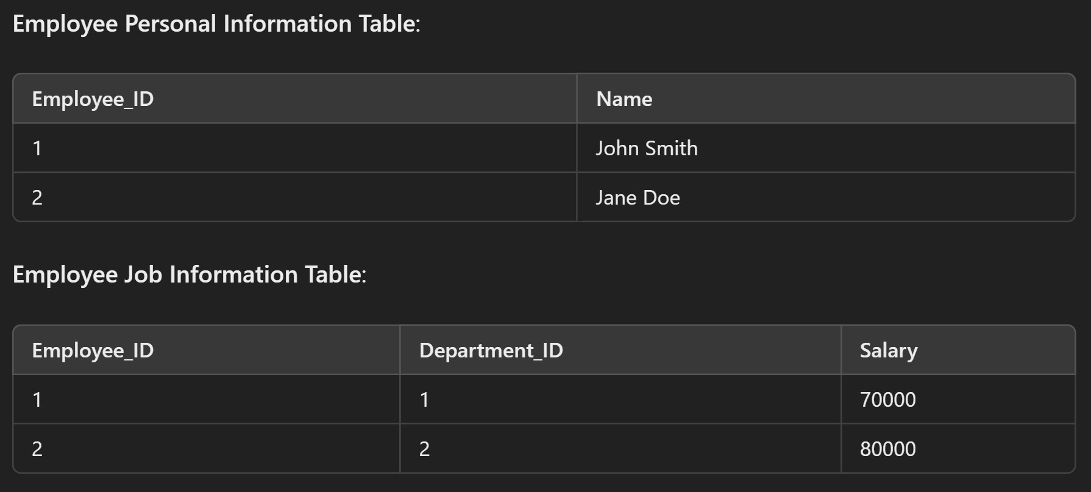
2. Second Normal Form (2NF)

Requirements:

Meet all the requirements of the first normal form.
Remove subsets of data that apply to multiple rows of a table and place them in separate tables.
Create relationships between these new tables and their predecessors through foreign keys.

2NF:

3NF
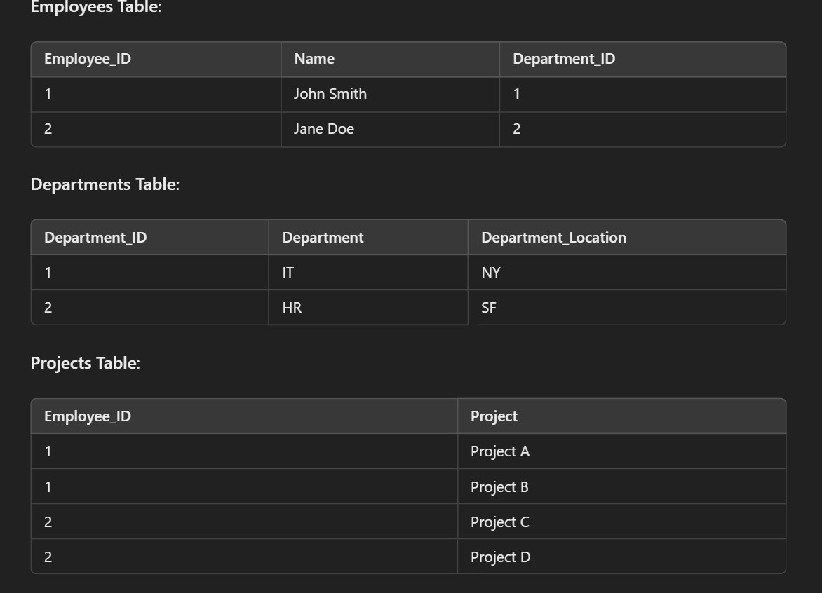
3. Third Normal Form (3NF)

Requirements:

Meet all the requirements of the second normal form.
Remove columns that are not dependent upon the primary key.

3NF:

Sheet4
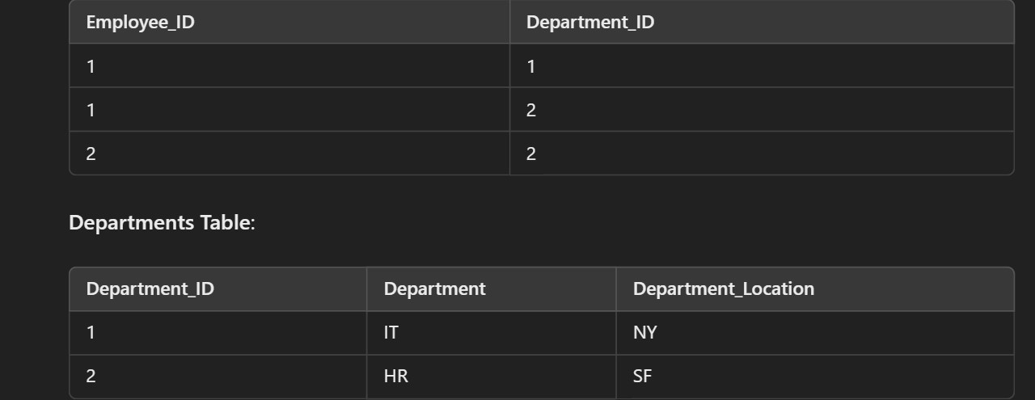
Boyce-Codd Normal Form (BCNF)

Requirements:

Meet all the requirements of the third normal form.
Every determinant must be a candidate key.

BCNF:

