AudioCodecパス
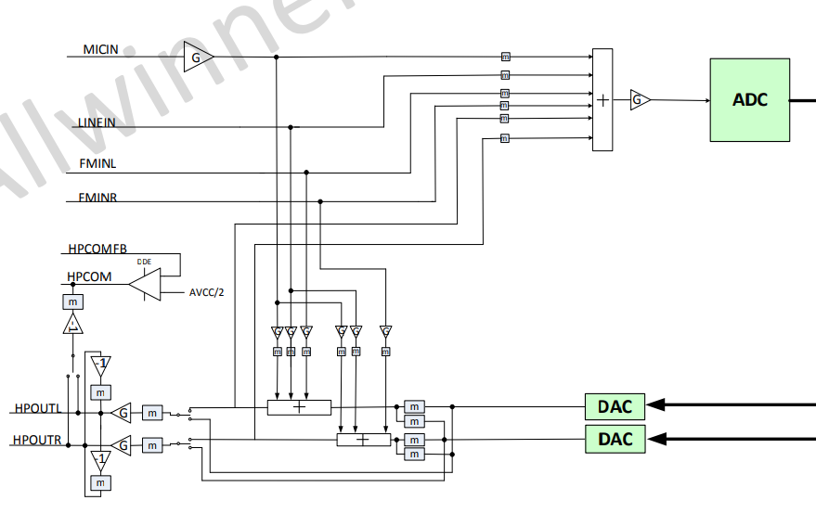
ADC_MIXER_CTRL.MICBOOST
ADC_MIXER_CTRL.ADC_MIX_MUTE

ADC_MIXER_CTRL.ADCG

DAC_MIXER_CTRL.HPCOM_FC
ADC_MIXER_CTRL.MICG
ADC_MIXER_CTRL.LINEIN_VOL

ADC_MIXER_CTRL.FMINLVOL

DAC_MIXER_CTRL.LEFT_MIX_MUTE
DAC_MIXER_CTRL.RIGHT_MIX_MUTE

DAC_MIXER_CTRL.LEFT_MIX_MUTE
DAC_MIXER_CTRL.RIGHT_MIX_MUTE
DAC_MIXER_CTRL.LEFT_HPPA_SRC
DAC_MIXER_CTRL.RIGHT_HPPA_SRC

DAC_MIXER_CTRL.LEFT_HPPA_MUTE
DAC_MIXER_CTRL.RIGHT_HPPA_MUTE

DAC_MIXER_CTRL.HP_VOL

DAC_MIXER_CTRL.RTLNMUTE
DAC_MIXER_CTRL.LTRNMUTE

