ESP32DUALDIAL
Id | SMT/THT | Designator | Package | Quantity | Designation | Side | Supply
1 | SMT | U2 | ESP-WROOM-32 | 1 | ESP-WROOM-32 | Front | YES
2 | SMT | C1,C2,C4,C5,C7,C8,C9,C12 | R_0603_1608Metric | 8 | 0.1uF | Front | YES
3 | SMT | C3,C10,C11 | C_0402_1005Metric | 3 | 10u | Front | YES
4 | SMT | C6 | C_0402_1005Metric | 1 | 20p | Front | YES
5 | SMT | R1,R2,R3,R17,R18,R20,R22 | R_0603_1608Metric | 9 | 10k | Front | YES
6 | SMT | R5,R6,R7,R8,R11,R13,R14,R15,R16,R12 | R_0603_1608Metric | 10 | 680 ohm | Front | YES
7 | SMT | R9 | R_0603_1608Metric | 1 | 1k | Front | YES
8 | SMT | R10 | R_0603_1608Metric | 1 | 100k | Front | YES
9 | SMT | D1 | D_SOD-123F | 1 | D_Schottky | Front | YES
①
10 | SMT | U9 | SOIC-18W_7.5x11.6mm_P1.27mm | 1 | TBD62783A | Front | from Japan 102pcs
11 | SMT | Q1 | TO-252-2 | 1 | Q_NMOS_GDS | Front | from Japan 90pcs

12 | THT | U1 | 2.54mm PINSOCKET | 1 | PINSOCKET 9PIN | Front | YES
13 | THT | F1 | 20mmFuse_P5x2 | 2 | Fuse Holder | Back | YES
14 | THT | J2 | JST_NV_B04P-NV_1x04_P5.00mm_Vertical | 1 | 01x04 connector | Back | from Japan 88pcs
15 | THT | J5 | JST_VH_B3P-VH_1x02_P7.92mm_Vertical | 1 | 01x03 connector | Back | YES
16 | THT | J6,J7,J8 | JST_NV_B02P-NV_1x02_P5.00mm_Vertical | 3 | 01x02 connector | Back | YES
17 | THT | M1,M2 | FanPinHeader_1x03_P2.54mm_Vertical | 2 | Fan_CPU_3pin | Back | YES
18 | THT | U5,U6,U7,U8 | Solid State Relay | 4 | NNC_NNG1D-25mm | Back | YES

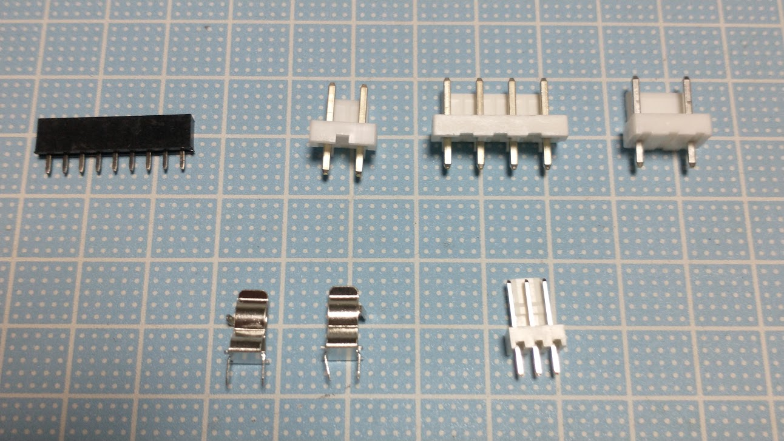
⑯
⑭
⑮
⑫

⑬
⑰

⑩
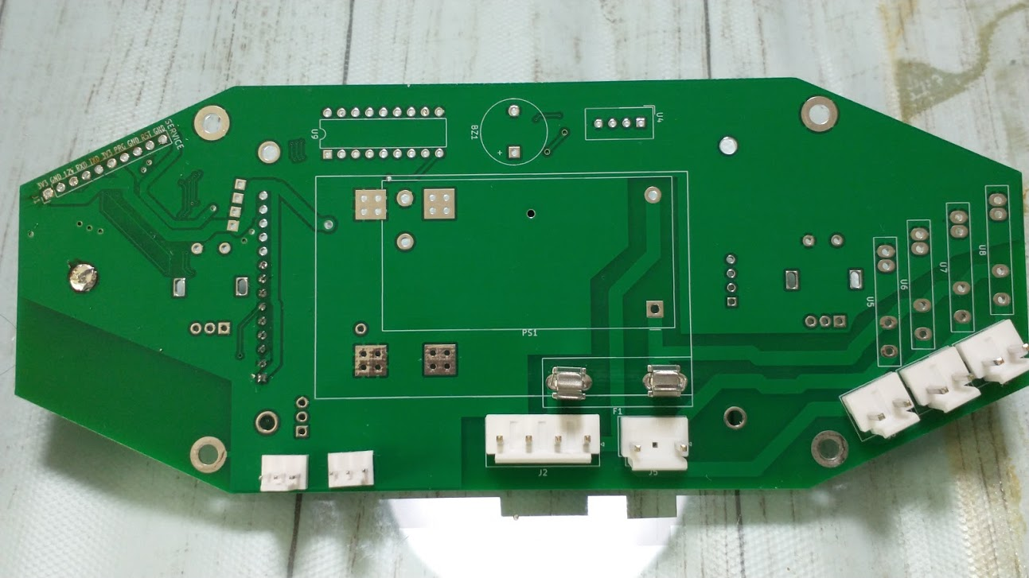
 |  | FRONT VIEW |  |  |  |  |  | BACK VIEW
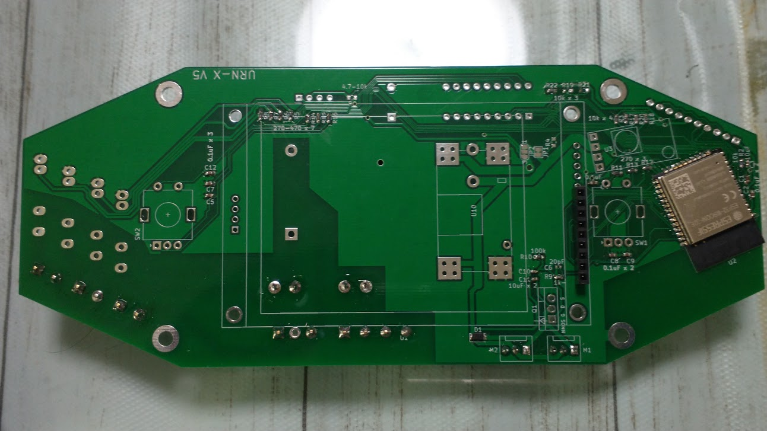

⑱

-

+

~

~

⑪

