AS03-MP01
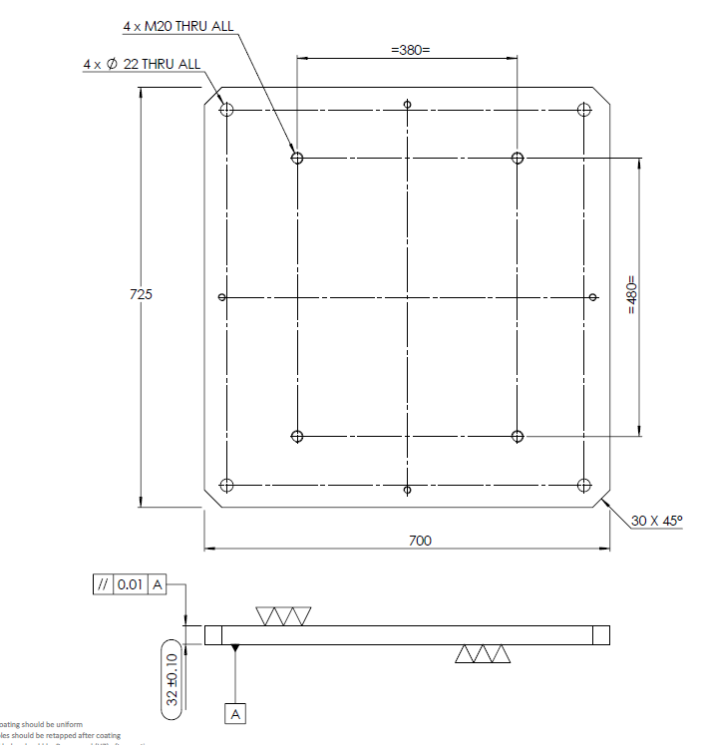
RBPR-2425-030-AS03-MP01.SLDDRW
Raw Material cost (Mild steel)
Sno | Descriptions | Usage | Volume | Weight in kg | Rate per kg | Final Cost
1 | Raw Material | 800*750*40 | - | 188 | ₹75.00 | ₹14,100.00

Machining Cost
Sno | Descriptions | Total setups | setup cost | Machining hours | Machining Rate/hr | Final Cost
1 | Cnc Machining 3axis | 2 | ₹1,500.00 | 48 | ₹400.00 | ₹20,700.00
2 | Grinding | 2 | ₹1,500.00 | 12 | ₹500.00 | ₹7,500.00

Post Processing Cost
Sno | Descriptions | - |  |  | Rate | Final Cost
1 | Tapping M20*2.5mm | - |  |  | ₹5,000.00 | ₹5,000.00
2 | Electroless Nickel Plating | - |  |  | ₹5,000.00 | ₹5,000.00
3 | Sandblasting | - |  |  | ₹3,000.00 | ₹3,000.00

Inspection
Sno | Descriptions | Total Setups | Setup Cost | Inspection Hours | Rate/hr | Final Cost
1 | CMM Inspection | 1 | ₹1,000.00 | 2 | ₹1,000.00 | ₹3,000.00
2 | Manual Inspection | - | - | - | ₹500.00 | ₹500.00

Logistics and packaging
Sno. | Descriptions | Comments |  |  | Rate | Final cost
1 | Packaging | Wooden box with foams and bubble wrap |  |  | ₹3,000.00 | ₹3,000.00
2 | Logistics | By train |  |  | ₹3,000.00 | ₹3,000.00

Any Other Cost
Sno. | Descriptions | Comments |  |  | Rate | Final cost
1 |  |  |  |  | ₹0.00 | ₹0.00

Grand Total |  |  |  |  |  | ₹64,800.00

AS05
RBPR-2425-030-AS05-MP01.SLDDRW
Raw Material cost (Mild steel)
Sno | Descriptions | Usage | Volume | Weight in kg | Rate per kg | Final Cost
1 | Raw Material | Dia150*50mm | - | 3 | ₹75.00 | ₹225.00

Machining Cost
Sno | Descriptions | Total setups | setup cost | Machining hours | Machining Rate/hr | Final Cost
1 | Cnc Machining 3axis | 2 | ₹1,500.00 | 5 | ₹400.00 | ₹3,500.00
2 | Cnc Turning | 1 | ₹750.00 | 2 | ₹400.00 | ₹1,550.00

Post Processing Cost
Sno | Descriptions | - |  |  | Rate | Final Cost
1 | Tapping M5 | - |  |  | ₹1,500.00 | ₹1,500.00
2 | Electroless Nickel Plating | - |  |  | ₹1,000.00 | ₹1,000.00
3 | Sandblasting | - |  |  | ₹1,000.00 | ₹1,000.00

Inspection
Sno | Descriptions | Total Setups | Setup Cost | Inspection Hours | Rate/hr | Final Cost
1 | Manual Inspection | - | - | - | ₹500.00 | ₹500.00

Logistics and packaging
Sno. | Descriptions | Comments |  |  | Rate | Final cost
1 | Packaging | Wooden box with foams and bubble wrap |  |  | ₹500.00 | ₹500.00
2 | Logistics | - |  |  | ₹500.00 | ₹500.00

Any Other Cost
Sno. | Descriptions | Comments |  |  | Rate | Final cost
1 | Reamer dia 5 |  |  |  | ₹1,500.00 | ₹1,500.00

Grand Total |  |  |  |  |  | ₹11,775.00

RBPR-2425-030-AS05-MP02.SLDDRW
Raw Material cost (Mild steel)
Sno | Descriptions | Usage | Volume | Weight in kg | Rate per kg | Final Cost
1 | Raw Material | 200*100*20 | - | 4 | ₹75.00 | ₹300.00

Machining Cost
Sno | Descriptions | Total setups | setup cost | Machining hours | Machining Rate/hr | Final Cost
1 | Cnc Machining 3axis | 3 | ₹2,150.00 | 10 | ₹400.00 | ₹6,150.00

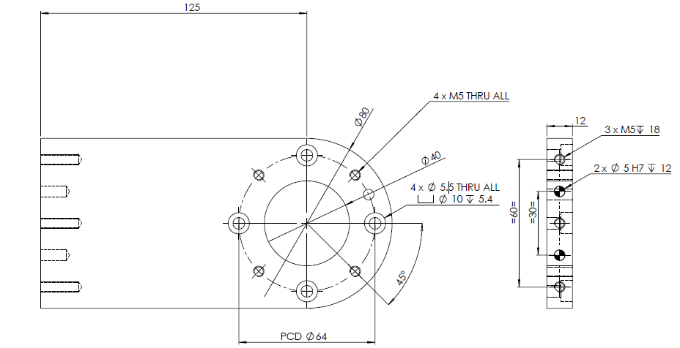
Post Processing Cost
Sno | Descriptions | - |  |  | Rate | Final Cost
1 | Tapping M5 | Considered in previous quote |  |  | ₹0.00 | ₹0.00
2 | White Anodizing | - |  |  | ₹1,000.00 | ₹1,000.00
3

Inspection
Sno | Descriptions | Total Setups | Setup Cost | Inspection Hours | Rate/hr | Final Cost
1 | Manual Inspection | - | - | - | ₹500.00 | ₹500.00

Logistics and packaging
Sno. | Descriptions | Comments |  |  | Rate | Final cost
1 | Packaging | Wooden box with foams and bubble wrap |  |  | ₹500.00 | ₹500.00
2 | Logistics | - |  |  | ₹500.00 | ₹500.00

Any Other Cost
Sno. | Descriptions | Comments |  |  | Rate | Final cost
1 | Reamer dia 5 | Considered in previous quote |  |  | ₹0.00 | ₹0.00

Grand Total |  |  |  |  |  | ₹8,950.00

RBPR-2425-030-AS05-MP03.SLDDRW
Raw Material cost (Mild steel)
Sno | Descriptions | Usage | Volume | Weight in kg | Rate per kg | Final Cost
1 | Raw Material | 100*100*20 | - | 3 | ₹75.00 | ₹225.00

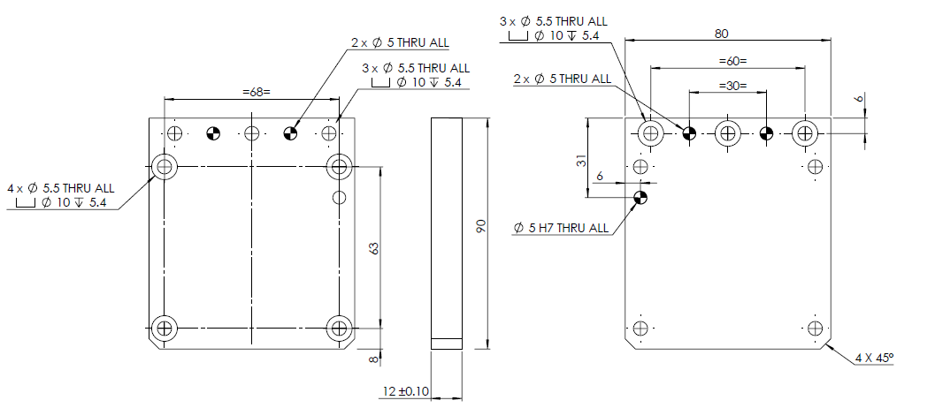
Machining Cost
Sno | Descriptions | Total setups | setup cost | Machining hours | Machining Rate/hr | Final Cost
1 | Cnc Machining 3axis | 2 | ₹1,500.00 | 12 | ₹400.00 | ₹6,300.00

Post Processing Cost
Sno | Descriptions | - |  |  | Rate | Final Cost
1 | Tapping M5 | Not required |  |  | ₹0.00 | ₹0.00
2 | White Anodizing | - |  |  | ₹1,000.00 | ₹1,000.00

Inspection
Sno | Descriptions | Total Setups | Setup Cost | Inspection Hours | Rate/hr | Final Cost
1 | Manual Inspection | - | - | - | ₹500.00 | ₹500.00

Logistics and packaging
Sno. | Descriptions | Comments |  |  | Rate | Final cost
1 | Packaging | Wooden box with foams and bubble wrap |  |  | ₹500.00 | ₹500.00
2 | Logistics | - |  |  | ₹500.00 | ₹500.00

Any Other Cost
Sno. | Descriptions | Comments |  |  | Rate | Final cost
1 | Reamer dia 5 | Considered in previous quote |  |  | ₹0.00 | ₹0.00

Grand Total |  |  |  |  |  | ₹9,025.00

RBPR-2425-030-AS05-MP04.SLDDRW
Raw Material cost (Mild steel)
Sno | Descriptions | Usage | Volume | Weight in kg | Rate per kg | Final Cost
1 | Raw Material | dia100*120 | - | 8 | ₹75.00 | ₹600.00

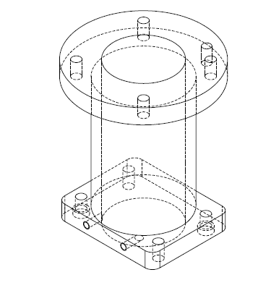
Machining Cost
Sno | Descriptions | Total setups | setup cost | Machining hours | Machining Rate/hr | Final Cost
1 | Cnc Machining 3axis | 2 | ₹1,500.00 | 12 | ₹400.00 | ₹6,300.00
2 | Turning | 1 | ₹750.00 | 8 | ₹400.00 | ₹3,200.00
3 | Grinding | 2 | ₹500.00 | 3 | ₹500.00 | ₹2,000.00

Post Processing Cost
Sno | Descriptions | - |  |  | Rate | Final Cost
1 | Tapping M4 | - |  |  | ₹1,500.00 | ₹1,500.00
2 | Electroless Nickel Plating | - |  |  | ₹1,000.00 | ₹1,000.00
3 | Sandblasting | - |  |  | ₹1,000.00 | ₹1,000.00

Inspection
Sno | Descriptions | Total Setups | Setup Cost | Inspection Hours | Rate/hr | Final Cost
1 | Manual Inspection | - | - | - | ₹500.00 | ₹500.00

Logistics and packaging
Sno. | Descriptions | Comments |  |  | Rate | Final cost
1 | Packaging | Wooden box with foams and bubble wrap |  |  | ₹500.00 | ₹500.00
2 | Logistics | - |  |  | ₹500.00 | ₹500.00

Any Other Cost
Sno. | Descriptions | Comments |  |  | Rate | Final cost
1 | Reamer dia 5 | Considered in previous quote |  |  | ₹0.00 | ₹0.00

Grand Total |  |  |  |  |  | ₹17,100.00

RBPR-2425-030-AS05-MP07.SLDDRW_2QTY
Raw Material cost (Mild steel)
Sno | Descriptions | Usage | Volume | Weight in kg | Rate per kg | Final Cost
1 | Raw Material | 100*100*20 | - | 2 | ₹75.00 | ₹150.00

Machining Cost
Sno | Descriptions | Total setups | setup cost | Machining hours | Machining Rate/hr | Final Cost
1 | Cnc Machining 3axis | 6 | ₹3,000.00 | 15 | ₹400.00 | ₹9,000.00
2 | Grinding | 2 | ₹500.00 | 2 | ₹500.00 | ₹1,500.00

Post Processing Cost
Sno | Descriptions | - |  |  | Rate | Final Cost
1 | Tapping M4 | N/A |  |  | ₹0.00 | ₹0.00
2 | Electroless Nickel Plating | - |  |  | ₹500.00 | ₹500.00
3 | Sandblasting | - |  |  | ₹500.00 | ₹1,000.00

Inspection
Sno | Descriptions | Total Setups | Setup Cost | Inspection Hours | Rate/hr | Final Cost
1 | Manual Inspection | - | - | - | ₹500.00 | ₹500.00

Logistics and packaging
Sno. | Descriptions | Comments |  |  | Rate | Final cost
1 | Packaging | Wooden box with foams and bubble wrap |  |  | ₹500.00 | ₹500.00
2 | Logistics | - |  |  | ₹500.00 | ₹500.00

Any Other Cost
Sno. | Descriptions | Comments |  |  | Rate | Final cost
1 | Reamer dia 5 | Considered in previous quote |  |  | ₹0.00 | ₹0.00

Grand Total |  |  |  |  |  | ₹13,650.00

RBPR-2425-030-AS05-MP08.SLDDRW
Raw Material cost (Mild steel)
Sno | Descriptions | Usage | Volume | Weight in kg | Rate per kg | Final Cost
1 | Raw Material | 60*60*60 | - | 2 | ₹75.00 | ₹150.00

Machining Cost
Sno | Descriptions | Total setups | setup cost | Machining hours | Machining Rate/hr | Final Cost
1 | Cnc Machining 3axis | 3 | ₹2,000.00 | 10 | ₹400.00 | ₹6,000.00

Post Processing Cost
Sno | Descriptions | - |  |  | Rate | Final Cost
1 | Tapping M3 | - |  |  | ₹1,500.00 | ₹1,500.00
2 | Powdercoating RAL 9005 (Jet black) | - |  |  | ₹1,000.00 | ₹1,000.00

Inspection
Sno | Descriptions | Total Setups | Setup Cost | Inspection Hours | Rate/hr | Final Cost
1 | Manual Inspection | - | - | - | ₹500.00 | ₹500.00

Logistics and packaging
Sno. | Descriptions | Comments |  |  | Rate | Final cost
1 | Packaging | Wooden box with foams and bubble wrap |  |  | ₹500.00 | ₹500.00
2 | Logistics | - |  |  | ₹500.00 | ₹500.00

Any Other Cost
Sno. | Descriptions | Comments |  |  | Rate | Final cost
1 | Reamer dia 5 | Considered in previous quote |  |  | ₹0.00 | ₹0.00

Grand Total |  |  |  |  |  | ₹10,150.00

