Q7-Q11
Module 2 – EDA

Q7) Calculate Mean, Median, Mode, Variance, Standard Deviation, Range & comment about the values / draw inferences, for the given dataset
Points | Score | Weigh |  | Values / Features | Points | Score | Weigh
3.9 | 2.62 | 16.46 |  | Mean | 3.60 | 3.21 | 17.85
3.9 | 2.875 | 17.02 |  | Median | 3.70 | 3.33 | 17.71
3.85 | 2.32 | 18.61 |  | Mode | 3.92 | 3.44 | 17.02
3.08 | 3.215 | 19.44 |  | Variance | 0.28 | 0.90 | 3.09
3.15 | 3.44 | 17.02 |  | Standard Deviation | 0.53 | 0.95 | 1.76
2.76 | 3.46 | 20.22 |  | Range | 2.17 | 3.83 | 8.40
3.21 | 3.57 | 15.84
3.69 | 3.19 | 20 |  | Comment / Inferences:
3.92 | 3.15 | 22.9 |  | 1) "Points" and "Score" are potentially left skewed (mean < median < mode), whereas "Weigh" is potentially right skewed (mean > median > mode).
3.92 | 3.44 | 18.3 |  | 2) Data points of "Points" are closest to the mean (smallest in variance/standard deviation), follow by "Score". "Weigh" data points are farthest from the mean (largest variance/standard deviation).
3.92 | 3.44 | 18.9 |  | 3) Values of "Weigh" are spreading out over the widest range comparing to "Points" and "Score" (largest range value), which data of both features are spreading out over a similar and relatively smaller range.
3.07 | 4.07 | 17.4
3.07 | 3.73 | 17.6
3.07 | 3.78 | 18
2.93 | 5.25 | 17.98
3 | 5.242 | 17.82
3.23 | 5.345 | 17.42
4.08 | 2.2 | 19.47
4.93 | 1.615 | 18.52
4.22 | 1.835 | 19.9
3.7 | 2.465 | 20.01
2.76 | 3.52 | 16.87
3.15 | 3.435 | 17.3
3.73 | 3.84 | 15.41
3.08 | 3.845 | 17.05
4.08 | 1.935 | 18.9
4.43 | 2.14 | 16.7
3.77 | 1.513 | 16.9
4.22 | 3.17 | 14.5
3.62 | 2.77 | 15.5
3.54 | 3.57 | 14.6
4.11 | 2.78 | 18.6

Q8) Calculate Expected Value for the problem below
a) The weights (X) of patients at a clinic (in pounds), are 108, 110, 123, 134, 135, 145, 167, 187, 199
Assume one of the patients is chosen at random. What is the Expected Value of the Weight of that patient?
Weights (X) | 108 | 110 | 123 | 134 | 135 | 145 | 167 | 187 | 199
Expected Value, P(X) | 145.33

Q9) Look at the data given below. Plot the data, find the outliers and find out
Name of company | Measure X |  |  |  |  |  |  | μ | σ | σ2
Allied Signal | 24.23% |  |  |  |  |  |  | 33.27% | 16.37% | 2.68%
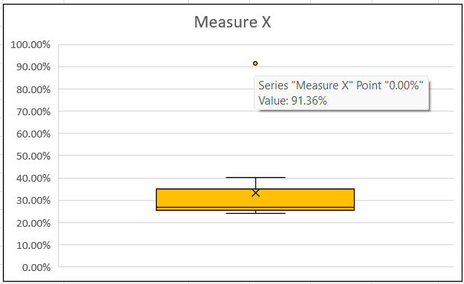
Bankers Trust | 25.53%
General Mills | 25.41%
ITT Industries | 24.14%
J.P.Morgan & Co. | 29.62%
Lehman Brothers | 28.25%
Marriott | 25.81%
MCI | 24.39%
Merrill Lynch | 40.26%
Microsoft | 32.95%
Morgan Stanley | 91.36%
Sun Microsystems | 25.99%
Travelers | 39.42% |  |  |  |  |  |  | From bloxplot, the outlier is:
US Airways | 26.71% |  |  |  |  |  |  | Morgan Stanley | 91.36%
Warner-Lambert | 35.00%

Q10) Suppose that one in 200 long-distance telephone calls is misdirected. What is the probability that at least one in five attempted telephone calls reaches the wrong number?
(Assume independence of attempts.)
P(X=k) = C(n,k) * pk * (1−p)n−k
Wrong # probability | pwrong | 0.005 |  | C(n,k) | 1 |  | In 5 attempts, >=1 wrong calls probability is:
Correct # probability | p | 0.995 |  | pk | 0.97524875312 |  | 1-P(X=k) | 0.025
Attempted calls # | n | 5 |  | (1−p)n−k | 1
All correct calls # | k | 5 |  | All correct calls probability, P(X=k) | 0.97524875312

Q11) Returns on a certain business venture, to the nearest $1,000, are known to follow the following probability distribution
(i) What is the most likely monetary outcome of the business venture?
x | P(x) | x*P(x)
-2,000 | 0.1 | -200
-1,000 | 0.1 | -100
0 | 0.2 | 0
1000 | 0.2 | 200
2000 | 0.3 | 600
3000 | 0.1 | 300
Most likely monetary outcome (Expected Return) | ∑ x*P(x) | 800 | # Expected Return = 1000, if to the nearest $1,000

(ii) Is the venture likely to be successful? Explain
(a) From table above, after running this venture for some time, there is 20% of chances for it to give an average return of $1,000.
(b) In real life, for a business to be considered successful, the positive returns probability, P(x>0), should >50%. Therefore calculate P(x>0):
Positive returns probability | P(x>0) | 60%
As both conditions (a) & (b) are being satisfied, therefore the venture likely to be successful.

(iii) What is the long-term average earning of business ventures of this kind? Explain
The long-term average earning of business ventures of this kind is $1,000, which is the Expected Return, as an expected return represents
an expecting average retuns a business generates consistently after it has run for some time.

(iv) What is the good measure of the risk involved in a venture of this kind? Compute this measure
It is standard deviation, σ, which measure how widely differs each actual returns (or losses) from the expected return. The greater the σ, the riskier the venture of this kind.
Risk (Standard Deviation) | σ | 1707.83 | # Considered high
Conclusion:
Venture of this kind is high in risk, as the high standard deviation (>mean, or expected return) is implying a high variability from expected return.

