Total Trips
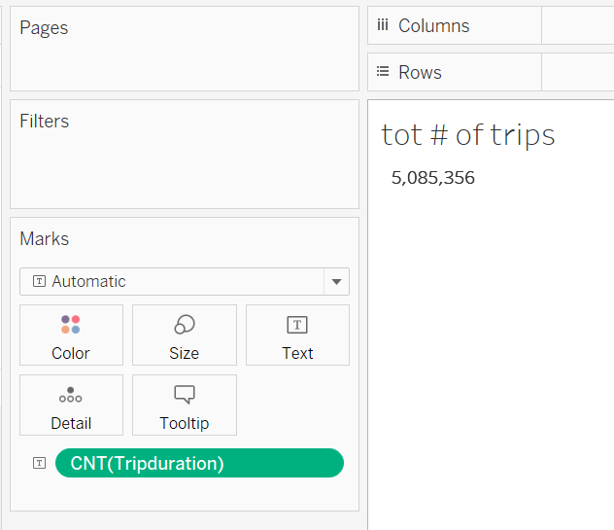
How many trips have been recorded total during the chosen period?

pct tot ridership growth
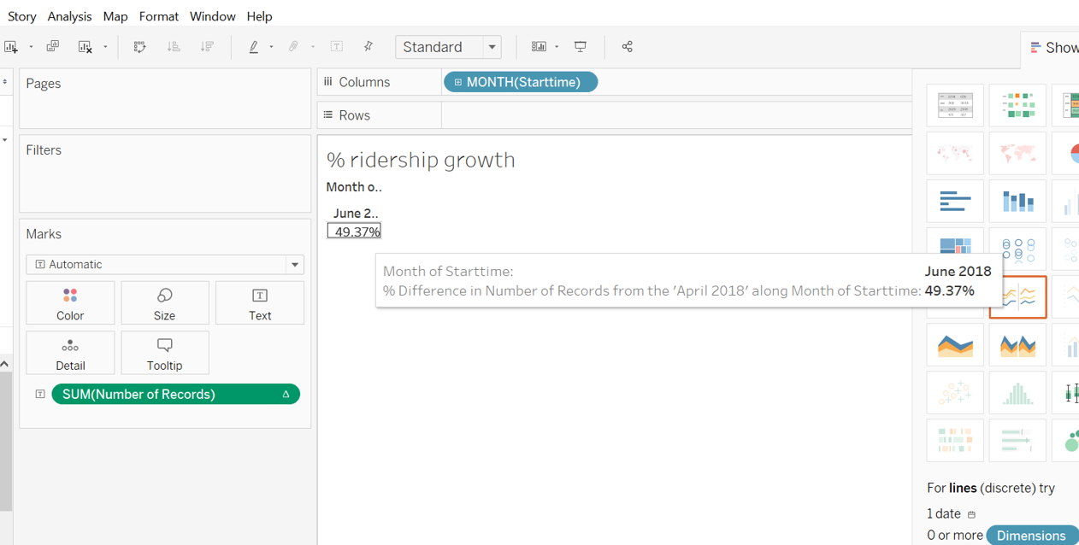
By what percentage has total ridership grown?

ST vs annual subscriber
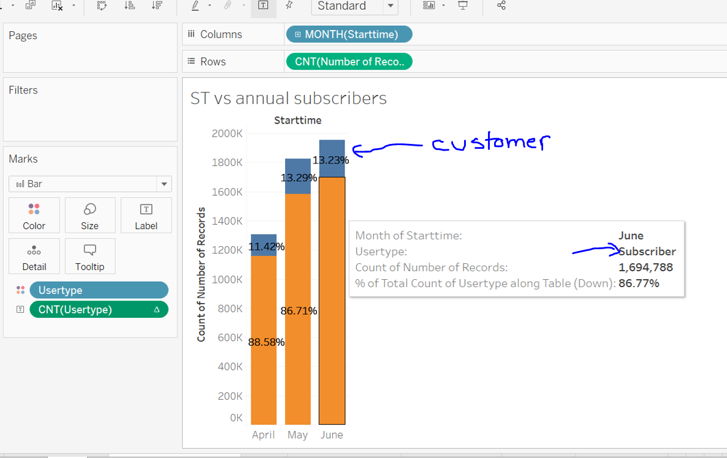
How has the proportion of short-term customers and annual subscribers changed?
Blue customer portion of bar and orange subscriber; text box subscriber example

Peak hours
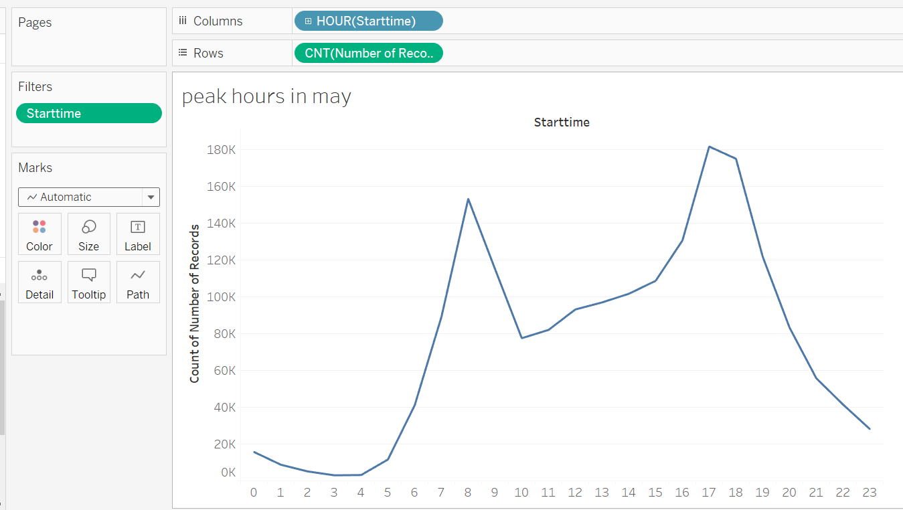
What are the peak hours in which bikes are used during summer months?

Top ten cities
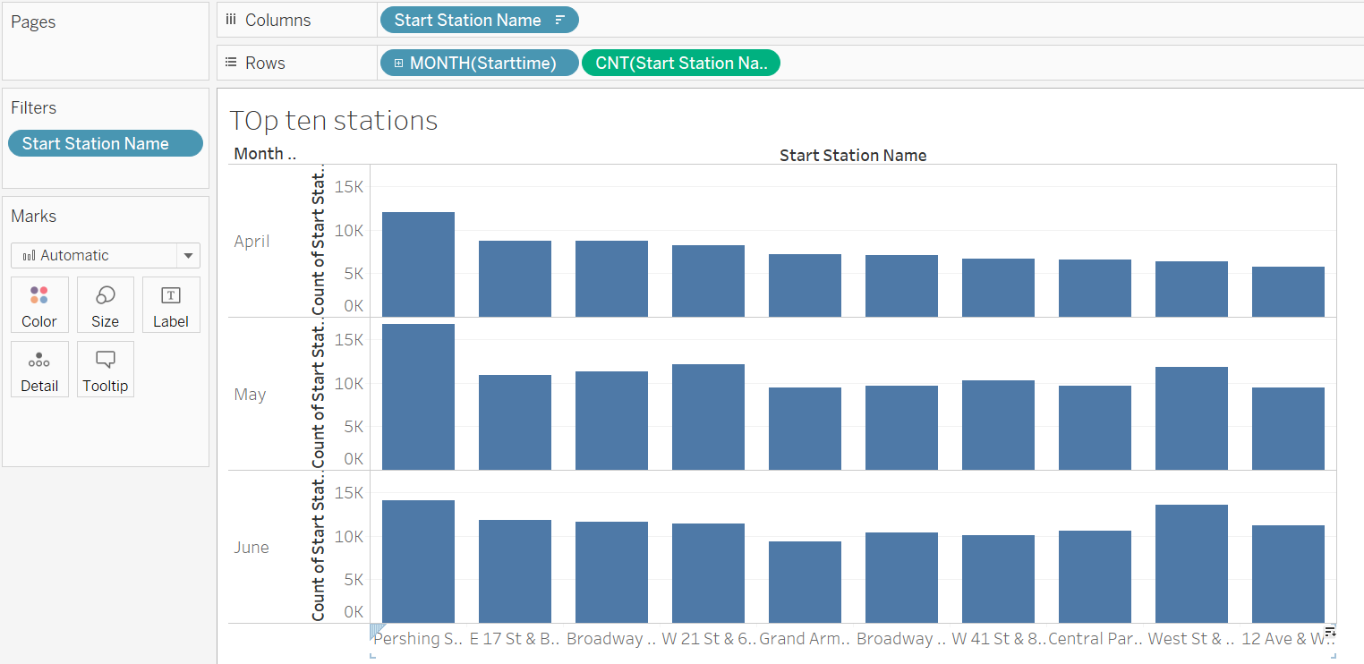
Today, what are the top 10 stations in the city for starting a journey?

Gender
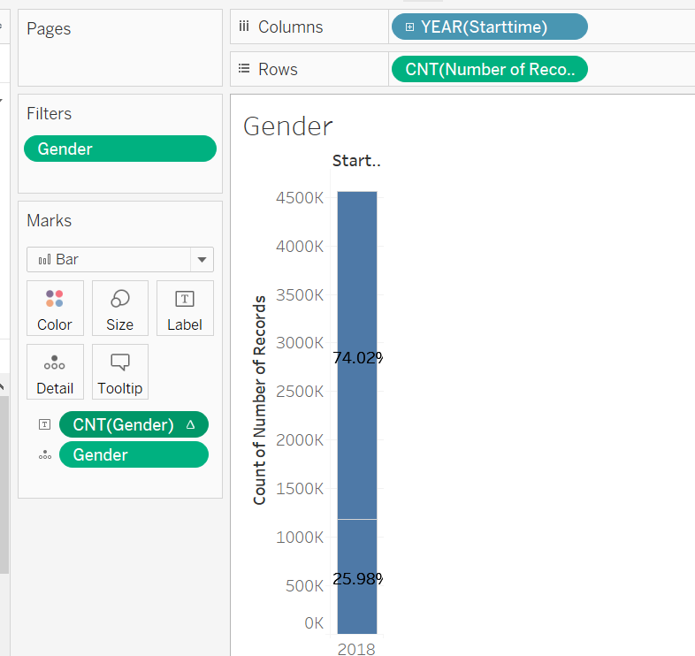
Today, what is the gender breakdown of active participants (Male v. Female)?

Trip length by age
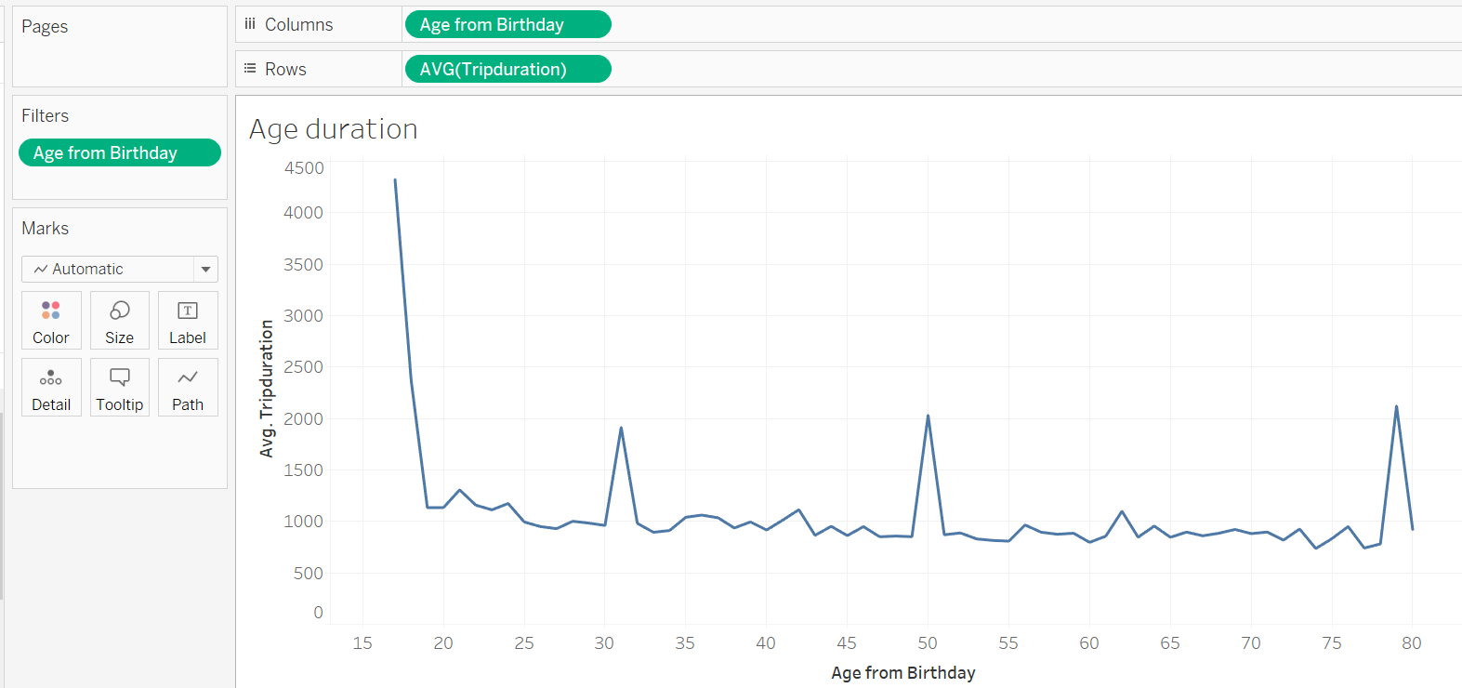
How does the average trip duration change by age?

avg distance in miles
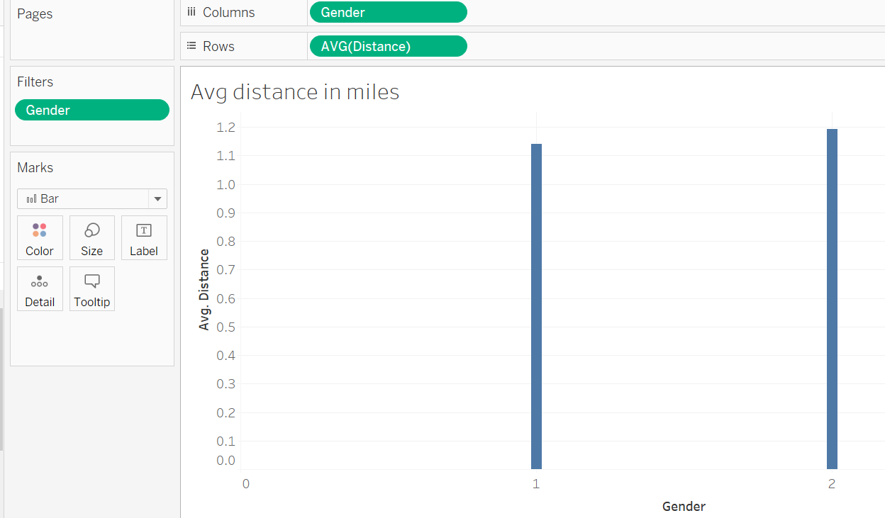
What is the average distance in miles that a bike is ridden, by gender?

Bikeid up for inspection
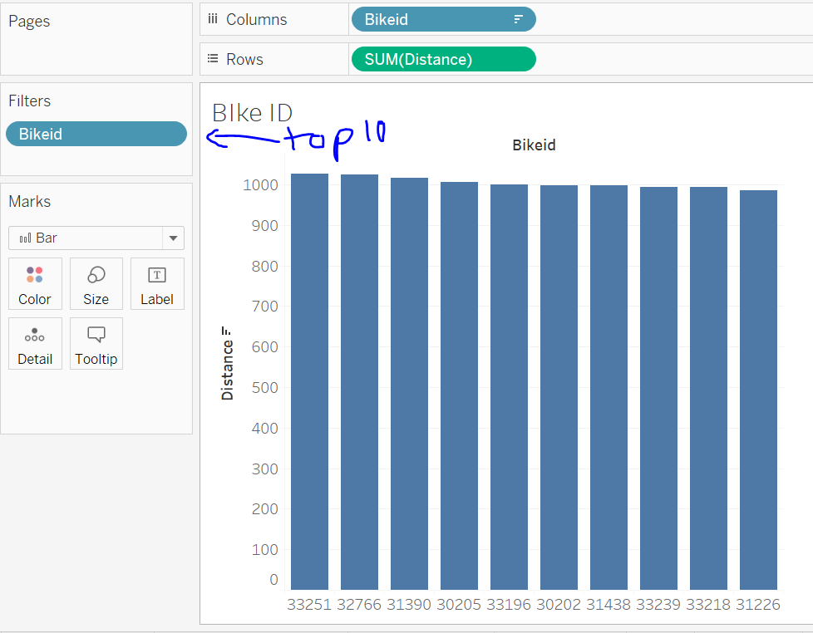
Which bikes (by ID) are most likely due for repair or inspection in the timespan?

Map of starting stations
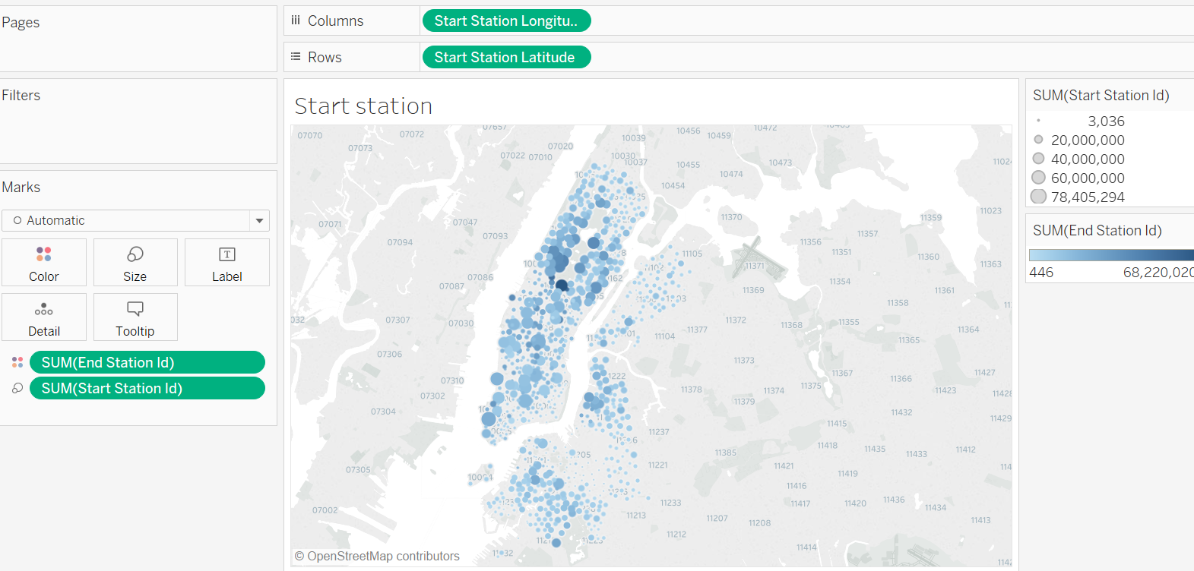
A static map that plots all bike stations with a visual indication of the most popular locations to start and end a journey with zip code data overlaid on top.

