product_related duration group
Purchase Rate by Product-Related Page View Group
Count of Revenue | Column Labels
Row Labels | FALSE | TRUE | Grand Total
Very Low | 98.28% | 1.72% | 100.00%
Low | 100.00% | 0.00% | 100.00%
Medium | 100.00% | 0.00% | 100.00%
High | 83.62% | 16.38% | 100.00%
Grand Total | 84.53% | 15.47% | 100.00%

product_related vs duration
Revenue | Average of ProductRelated | Average of ProductRelated_Duration
FALSE | 28.714642103 | 1069.9878092
TRUE | 48.210167715 | 1876.2096149
Grand Total | 31.731467964 | 1194.74622

Average of Product Related by Purchase Status
Average of Product Related Duration by Purchase Status
 | Average of ProductRelated_Duration
FALSE | 1069.9878092
TRUE | 1876.2096149

compare 3 page type
Revenue | Average of Administrative_Duration | Average of Informational_Duration | Average of ProductRelated_Duration
FALSE | 73.740111169 | 30.236237229 | 1069.9878092
TRUE | 119.48324389 | 57.611426651 | 1876.2096149
Grand Total | 80.818610539 | 34.472397928 | 1194.74622

Average Time Spent by Page Type and Purchase Status

visitorType
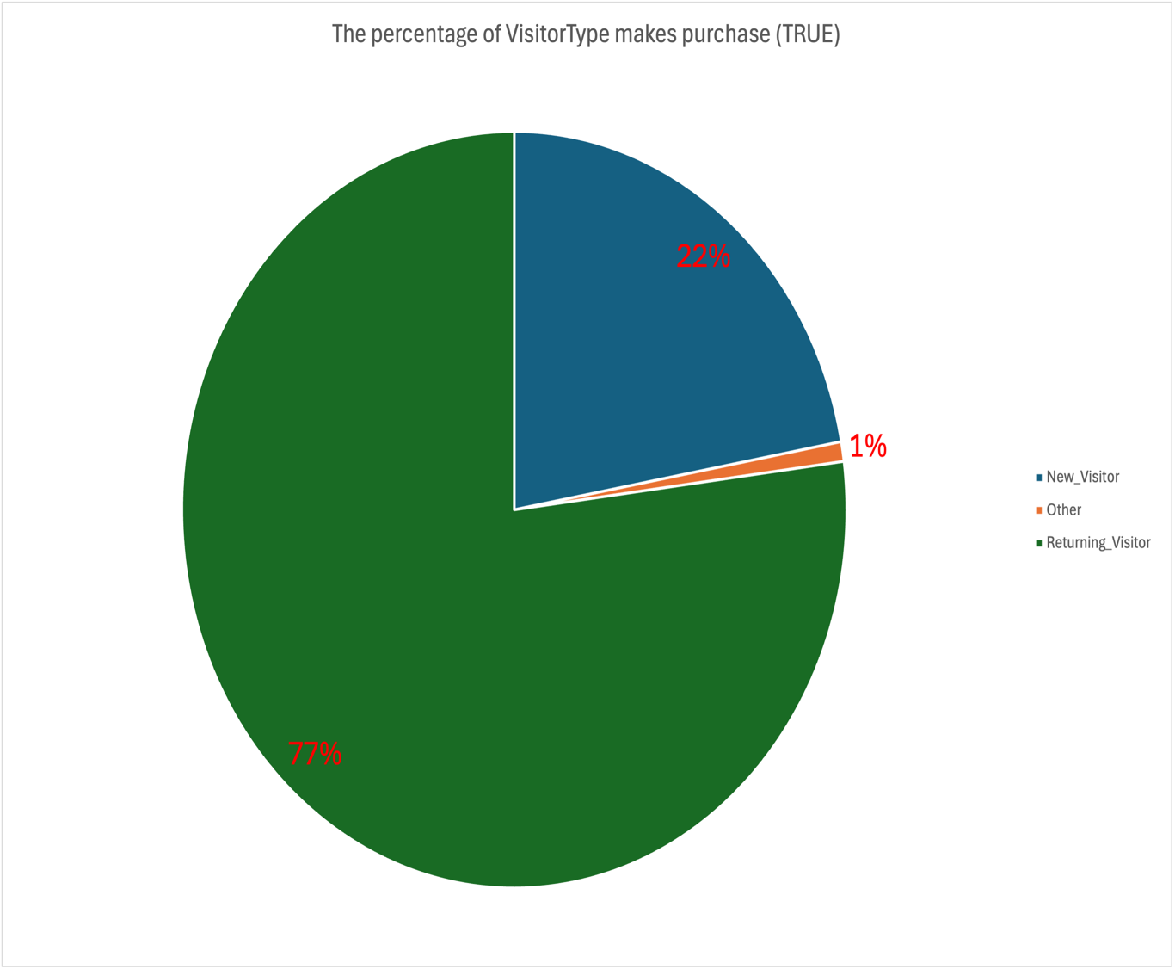

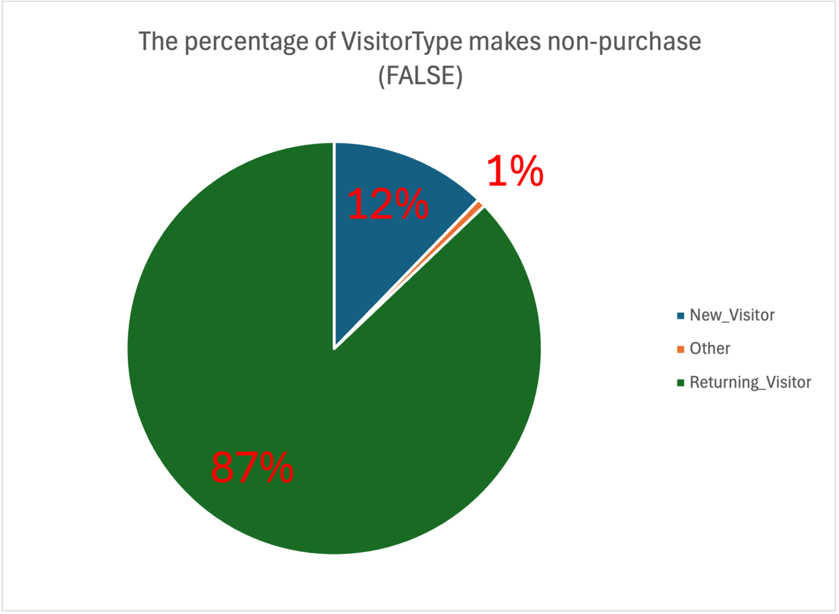

bounce vs exit rate
