Summary
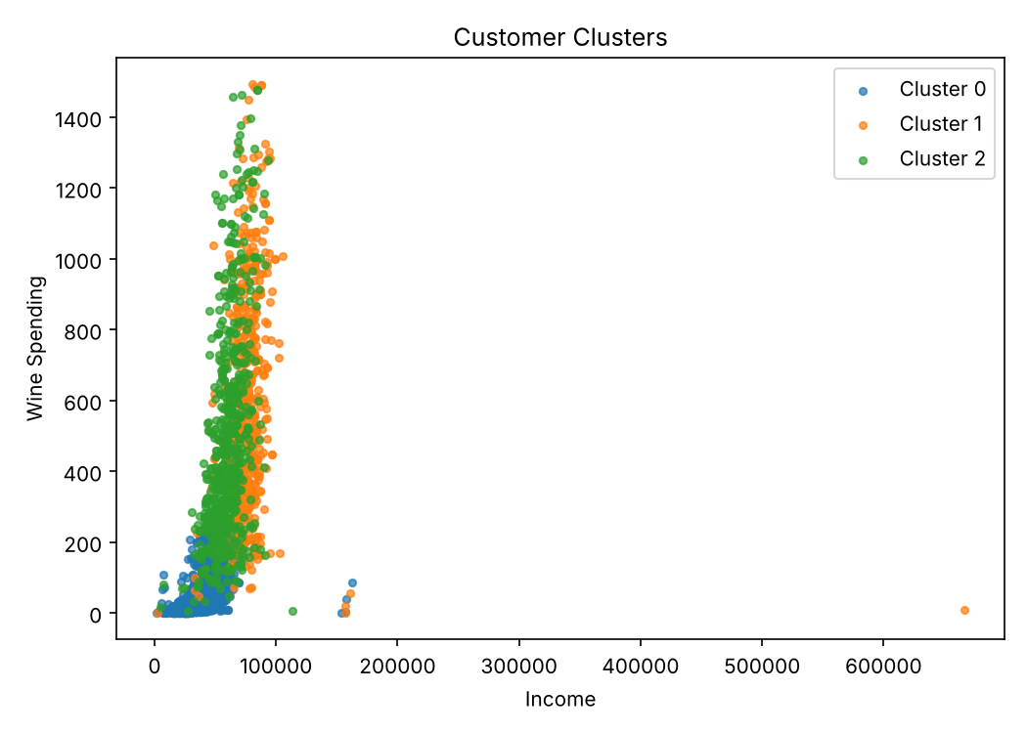
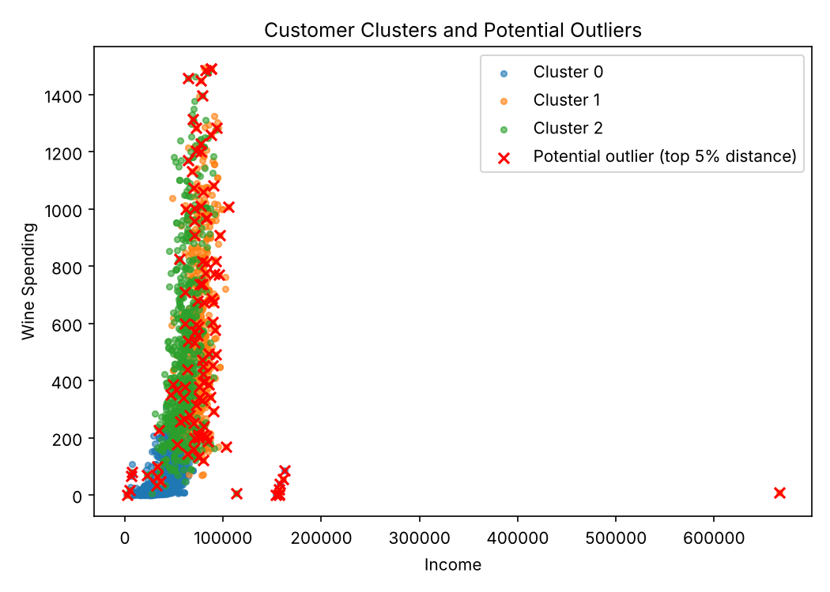
Experiment 10 – K-Means cluster analysis & outlier detection

Records in dataset | 2240
Records used (24 missing Income removed) | 2216
Features | Income, MntWines, MntMeatProducts, MntFruits, MntFishProducts, MntSweetProducts, MntGoldProds, NumWebPurchases, NumStorePurchases, NumCatalogPurchases
Scaling | StandardScaler (mean 0, sd 1)
Model | KMeans(n_clusters=3, random_state=42, n_init=10)
Silhouette score | 0.37
Outlier rule | Euclidean distance (standardized) to own cluster centre > 95th percentile
Threshold | 3.7873
Potential outliers | 111
Outliers by cluster | Cluster 0: 5, Cluster 1: 93, Cluster 2: 13

Cluster centres (original scale) and interpretation
Cluster | Customers | Income | MntWines | MntMeatProducts | MntFruits | MntFishProducts | MntSweetProducts | MntGoldProds | NumWebPurchases | NumStorePurchases | NumCatalogPurchases | Interpretation
0 | 1062 | 35347.68 | 45.78 | 23.61 | 4.93 | 7.17 | 5 | 15.03 | 2.16 | 3.28 | 0.56 | Low-value customers (low income, low spend, few purchases)
1 | 545 | 76396.73 | 590.27 | 459.01 | 74.82 | 107.47 | 76.93 | 83.74 | 5.43 | 8.44 | 6.08 | High-value customers (highest income, heavy meat/wine/catalog buyers)
2 | 609 | 60105.84 | 502.08 | 155.72 | 20.34 | 28.27 | 20.79 | 58.83 | 6.24 | 7.83 | 3.3 | Regular / web-active customers (mid income, high wine, most web purchases)

Note: interpretation is based on the centre values obtained from this run, as the manual requires.

