Sheet1
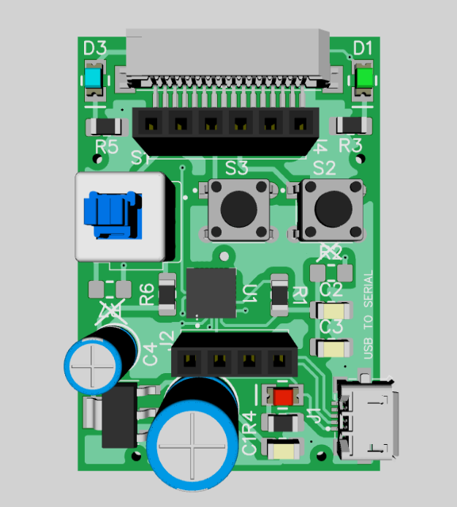
# | Type | Name / Pattern | RefDes | Value | Quantity Purchase
1 | SMD Capacitor | CAP_1206 | C1, C2 | 0.1 uF | 20
2 | SMD Capacitor | CAP_1206 | C3 | 1 uF | 10
3 | THT Capacitor | CAP100RP | C4 | 10 uF | 10
4 | THT Capacitor | CAP200RP | C5 | 100 uF | 10
5 | SMD Resistor | RES_1206 | R1, R3, R4, R5 | 4.7K | 40
6 | SMD Resistor | RES_1206 | R2, R6, R7 | 0E | 30
7 | SMD LED | LED_1206 /AA3528SGS | D1 | GREEN | 10
8 | SMD LED | LED_1206 /AA3528SGS | D2 | RED | 10
9 | SMD LED | LED_1206 /AA3528SGS | D3 | BLUE | 10
10 | MICRO USB | 1981584-1 | J1 | Micro AB, Receptacle | 10
11 | BERG STRIP 2.54 MM | PPTC041LFBN-RC | J2 | 4 PIN | 10
12 | FLEX CONNECTOR | 527931670 | J3 | 16 PIN | 10
13 | BERG STRIP 2.54 MM | PPTC061LFBN-RC | J4 | 6 PIN | 10
14 | PUSH TO ON SWITCH | PVA2EEH1 1.7NV2 | S1 | 6 PIN | 10
15 | TACTILE SWITCH | B3F-1000 | S2, S3 | 4 PIN | 20
16 | IC USB TO SERIAL | CP2102-GMR QFN28 | U1 | CP2102 | 10
17 | REGULATOR 3.3V | LM1117MPX-3.3 | VR1 | LM117 | 10

