Head
システム名 1.0
レビューシート

Review
№ | レビュー日 | ステータス | 部分 | エラー タイプ | 箇所 | レビュー内容 | レビュー者 | 対応内容 | 対応日 | 対応者 | 備考
1 | 2021-12-16 | Open | Others | Careless | Tutorial_01 index.php |  | Kyi Myat Noe Soe
2 | 2021-12-16 | Open | Others | Careless | Tutorial_02 index.php |  | Kyi Myat Noe Soe
3 | 2021-12-17 | Open | Others | Careless | Tutorial_03 index.php |  | Kyi Myat Noe Soe
4 | 2021-12-17 | Open | Others | Careless | Tutorial_04 index.php |  | Kyi Myat Noe Soe
5 | 2021-12-18 | Open | Others | Careless | Tutorial_04 index.php |  | Kyi Myat Noe Soe
6 | 2021-12-18 | Open | Others | Careless | Tutorial_05 index.php | 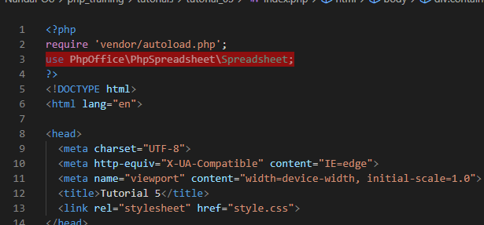 | Kyi Myat Noe Soe | 0
7 | 2021-12-30 | Open | Others | Careless | laravel quick start login logout | 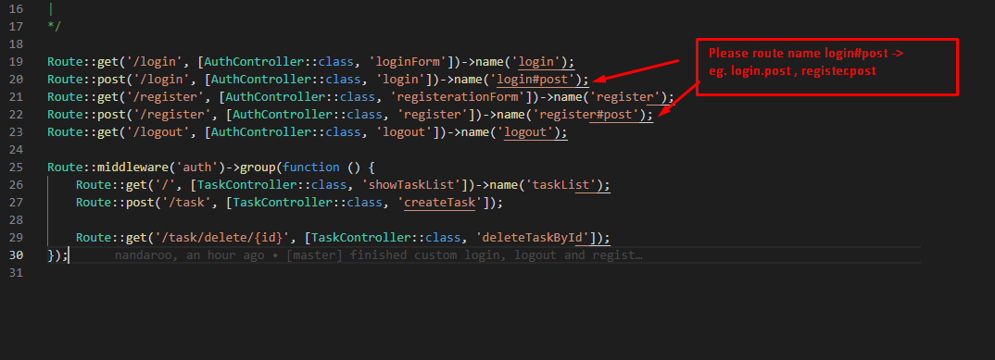 | Kyi Myat Noe Soe
8 | 2022-01-05 | Open | Others | Careless | Laravel crud assignment |  | Kyi Myat Noe Soe
9 | 2022-01-10 | Open | Others | Careless | laravel api with ajax | 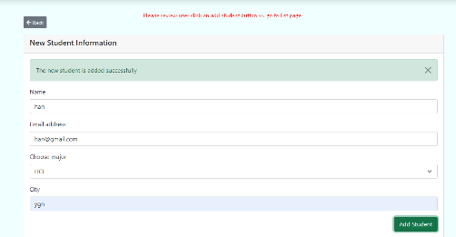 | Kyi Myat Noe Soe
10 | 2022-01-10 | Open | Others | Careless | laravel assignment |  | Aung Pyae Sone
11 | 2022-01-10 | Open | Others | Careless | laravel assignment |  | Aung Pyae Sone
12 | 2022-01-10 | Open | Others | Careless | laravel assignment | add return in save function | Aung Pyae Sone
13 | 2022-01-11 | Open | Others | Careless | laravel login logout |  | Kyi Myat Noe Soe
14 | 2022-01-11 | Open | Others | Careless | laravel login logout | 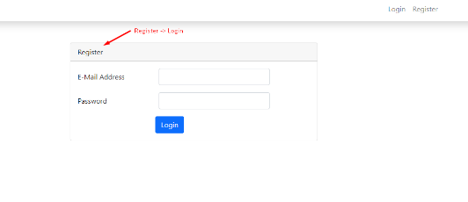 | Kyi Myat Noe Soe

