DFD
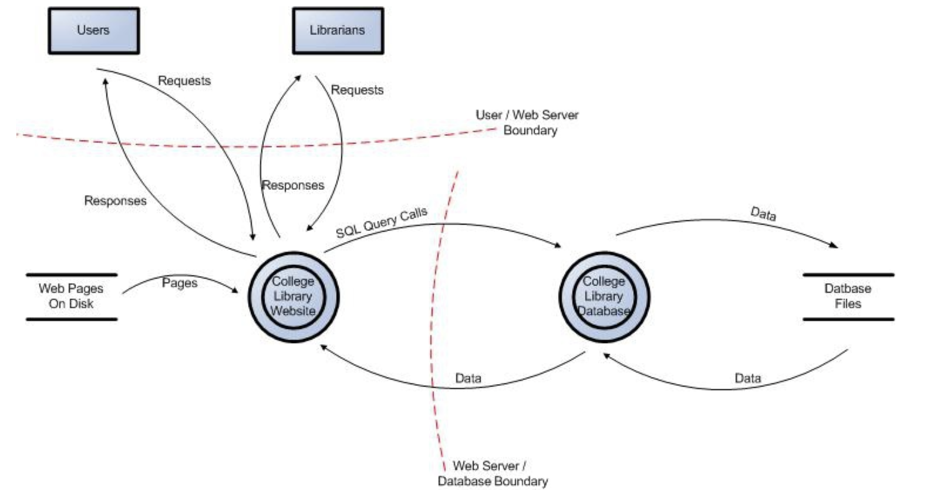
Data Flow Diagram

Link: | https://owasp.org/www-community/Threat_Modeling_Process

