Sheet1
IMAGES IN EXCEL

 | Comapany | logo | sales
 | Meta |  | 2,000,000,000
 | KFC | 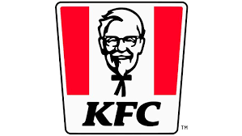 | 65,000,000,000
 | Amazon |  | 50,000,000,000
 | Caco | 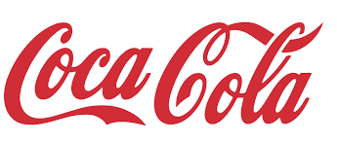 | 45,000,000,000

