Sheet1
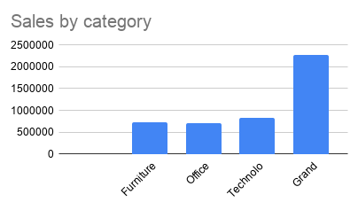
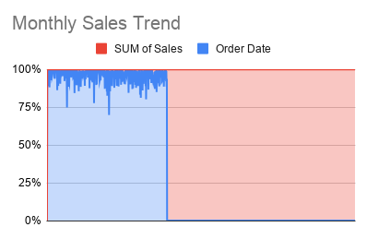
Sales Performance Dashboard
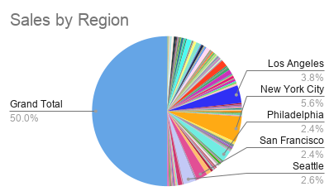
 | KPI | Value
 | Total Sales | 2261536.78
 | Average Sales | 230.7690565
 | Total Records | 9800

