Sheet1
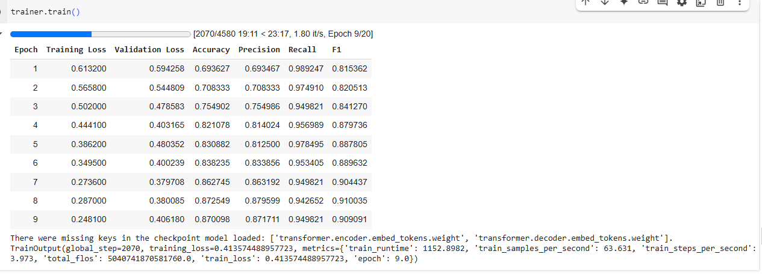
Model Name
answerdotai/ModernBERT-base | lr = 0.00001, batch_size=16
answerdotai/ModernBERT-base | lr = 0.00002, batch_size=8
answerdotai/ModernBERT-base | lr = 0.00003, batch_size=8
answerdotai/ModernBERT-base | lr = 0.00004, batch_size=8
answerdotai/ModernBERT-base | lr = 0.00005, batch_size=8
answerdotai/ModernBERT-base | lr = 0.00005, batch_size=8, max_grad_norm=1.0,
google-t5/t5-base | lr = 0.00005, batch_size=8,
google-t5/t5-base | lr = 0.00003, batch_size=8,
google-t5/t5-base | lr = 0.00001, batch_size=8,
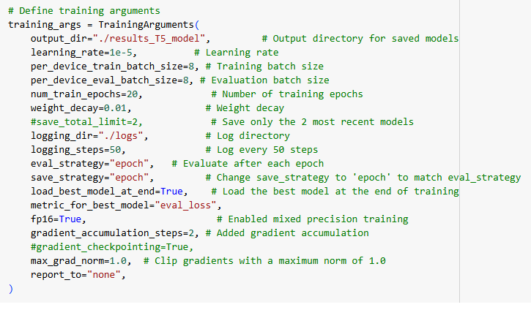
Time 918 mint

Sheet6
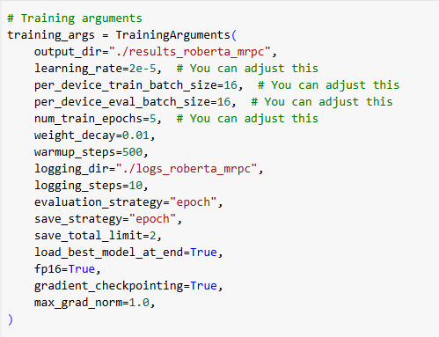

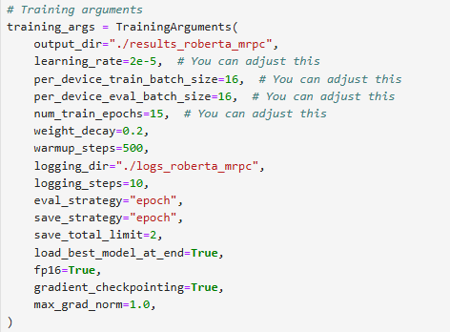
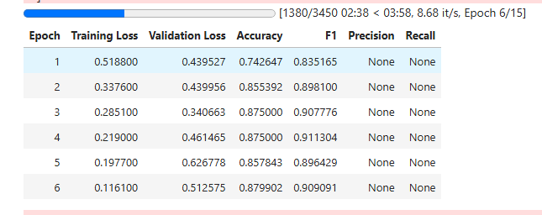

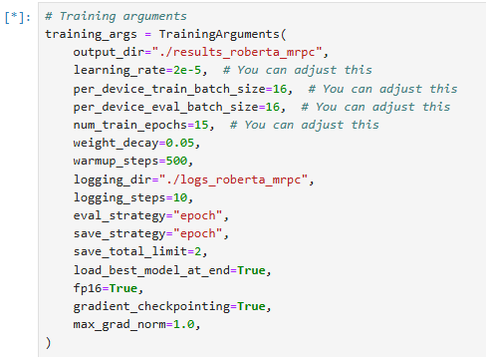

Model T5-base time -14mint

1b
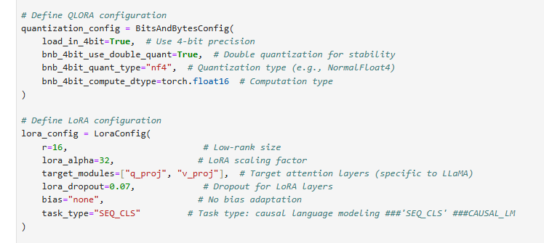
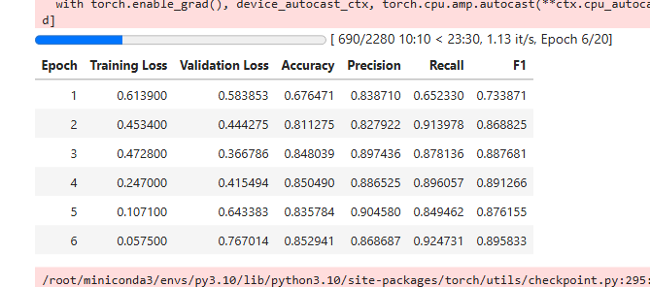
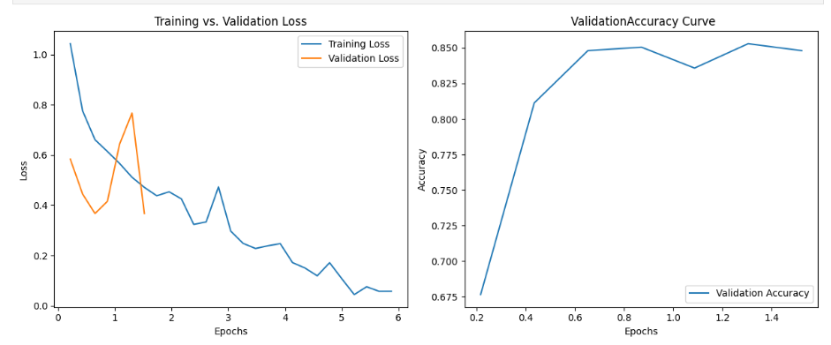
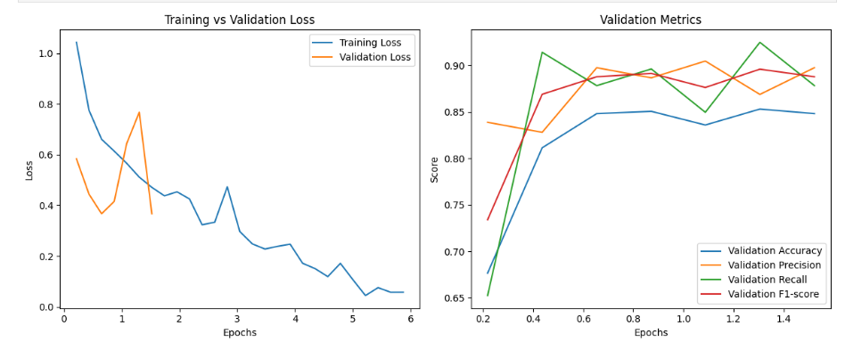
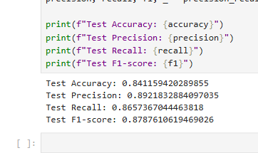
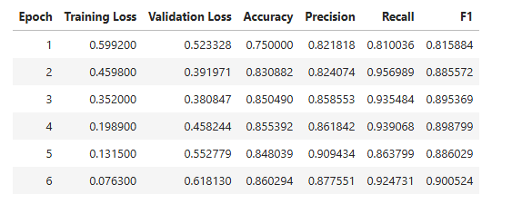
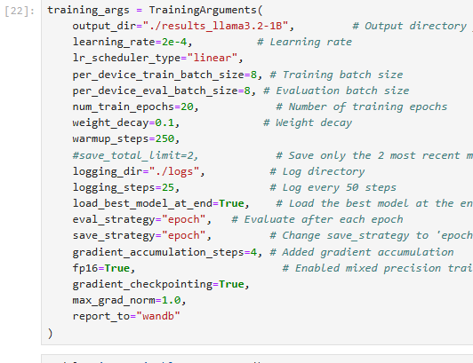
 | r=16, # Low-rank size
 | lora_alpha=32, # LoRA scaling factor
 | target_modules=["q_proj", "v_proj"], # Target attention layers (specific to LLaMA)
 | lora_dropout=0.15, # Dropout for LoRA layers
 | bias="none", # No bias adaptation
 | task_type="SEQ_CLS" # Task type: causal language modeling ###'SEQ_CLS' ###CAUSAL_LM
 | )

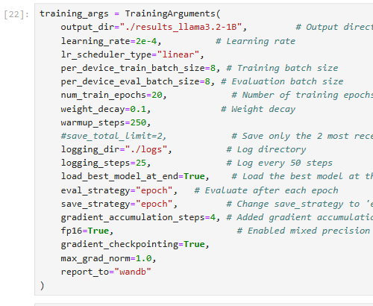
final

3b
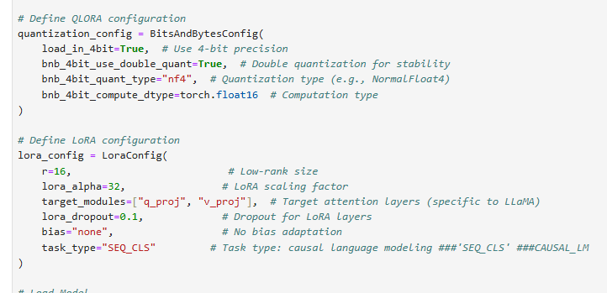
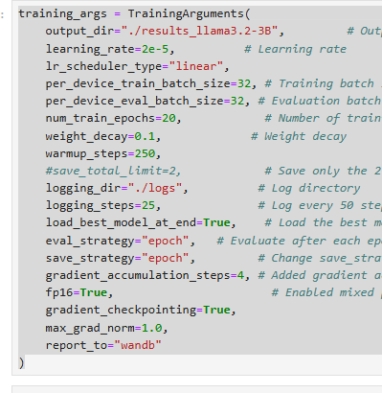
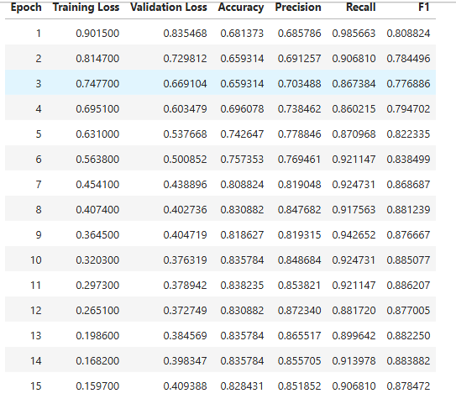

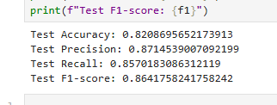

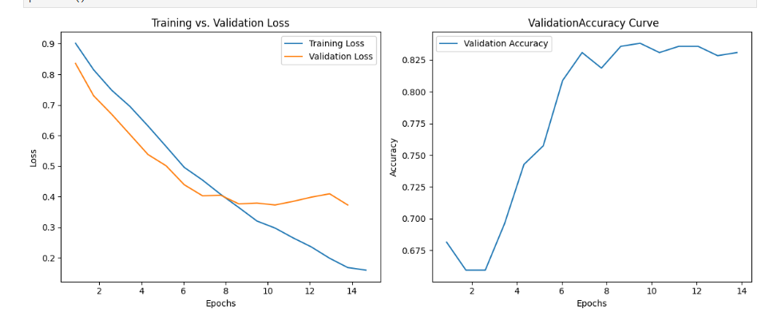

7b
