diffuser + focus
Micrometer scale | 4 units = 2.5 mm

 | 1 unit | 0.625 | mm
 | scale in um | 25
 | 1 scale in um | 0.025 | mm
 | I um gradiant | 25 | um

Finding the beamwidth | (1 gradiant = 0.625 mm)
unit | mm | power (uw)
3 | 7.5 | 22.48
3.02 | 7.55 | 31
3.04 | 7.6 | 38.54
3.06 | 7.65 | 46.51
3.08 | 7.7 | 58
3.1 | 7.75 | 72.1
3.12 | 7.8 | 92
3.14 | 7.85 | 123
3.16 | 7.9 | 155
3.18 | 7.95 | 191
3.2 | 8 | 257
3.22 | 8.05 | 320
3.24 | 8.1 | 410
3.26 | 8.15 | 515
3.28 | 8.2 | 627
3.3 | 8.25 | 714
3.32 | 8.3 | 856
3.24 | 8.1 | 1109
3.26 | 8.15 | 1242
3.28 | 8.2 | 1410
3.3 | 8.25 | 1650
3.32 | 8.3 | 1829
3.34 | 8.35 | 2060
3.36 | 8.4 | 2238
3.38 | 8.45 | 2403
3.4 | 8.5 | 2613
3.42 | 8.55 | 2830
3.44 | 8.6 | 3312
3.46 | 8.65 | 4038
3.48 | 8.7 | 4800
3.5 | 8.75 | 5232
3.52 | 8.8 | 5690
3.54 | 8.85 | 6000
3.58 | 8.95 | 6200
3.6 | 9 | 6377
3.62 | 9.05 | 6539
3.64 | 9.1 | 6688
3.66 | 9.15 | 6788
3.68 | 9.2 | 6864
3.7 | 9.25 | 6934
3.72 | 9.3 | 7000
3.9 | 9.75 | 7222

12/12/21 Beamwidth with diffuser
unit | mm | Power(uw)
3 | 7.5 | 0.306
3.02 | 7.55 | 0.307
3.04 | 7.6 | 0.311
3.06 | 7.65 | 0.313
3.08 | 7.7 | 0.316
3.1 | 7.75 | 0.318
3.12 | 7.8 | 0.321
3.14 | 7.85 | 0.322
3.16 | 7.9 | 0.326
3.18 | 7.95 | 0.329
3.2 | 8 | 0.334
3.22 | 8.05 | 0.336
3.24 | 8.1 | 0.341
3.26 | 8.15 | 0.344
3.28 | 8.2 | 0.345
3.3 | 8.25 | 0.35
3.32 | 8.3 | 0.351
3.34 | 8.35 | 0.354
3.36 | 8.4 | 0.363
3.38 | 8.45 | 0.361
3.4 | 8.5 | 0.372
3.42 | 8.55 | 0.371
3.44 | 8.6 | 0.382
3.46 | 8.65 | 0.39
3.48 | 8.7 | 0.39
3.5 | 8.75 | 0.403
3.52 | 8.8 | 0.409
3.54 | 8.85 | 0.41
3.56 | 8.9 | 0.424
3.58 | 8.95 | 0.43
3.6 | 9 | 0.434
3.62 | 9.05 | 0.444
3.64 | 9.1 | 0.461
3.66 | 9.15 | 0.47
3.68 | 9.2 | 0.48
3.7 | 9.25 | 0.49
3.72 | 9.3 | 0.504
3.74 | 9.35 | 0.516
3.76 | 9.4 | 0.531
3.78 | 9.45 | 0.552
3.8 | 9.5 | 0.569
3.82 | 9.55 | 0.586
3.84 | 9.6 | 0.608
3.86 | 9.65 | 0.636
3.9 | 9.75 | 0.654
4 | 10 | 0.7
4.02 | 10.05 | 0.725
4.04 | 10.1 | 0.754
4.06 | 10.15 | 0.796
4.08 | 10.2 | 0.839
4.1 | 10.25 | 0.893
4.12 | 10.3 | 0.943
4.14 | 10.35 | 1.008
4.16 | 10.4 | 1.008
4.18 | 10.45 | 1.185
4.2 | 10.5 | 1.27
4.22 | 10.55 | 1.36
4.24 | 10.6 | 1.56
4.26 | 10.65 | 1.71
4.28 | 10.7 | 1.89
4.3 | 10.75 | 2.155
4.32 | 10.8 | 2.508
4.34 | 10.85 | 2.73
4.36 | 10.9 | 3.18
4.38 | 10.95 | 3.65
4.4 | 11 | 4.025
4.42 | 11.05 | 4.85
4.44 | 11.1 | 5.53
4.46 | 11.15 | 6.61
4.48 | 11.2 | 8.53
4.5 | 11.25 | 9.71
4.52 | 11.3 | 12.35
4.54 | 11.35 | 15.12
4.56 | 11.4 | 17.47
4.58 | 11.45 | 21.78
4.6 | 11.5 | 25.98
4.62 | 11.55 | 31.41
4.64 | 11.6 | 39.23
4.66 | 11.65 | 46.53
4.58 | 11.45 | 56.95
4.6 | 11.5 | 65.63
4.62 | 11.55 | 80.04
4.64 | 11.6 | 92.56
4.66 | 11.65 | 105.2
4.68 | 11.7 | 130.58
4.7 | 11.75 | 157.2
4.72 | 11.8 | 220.6
4.74 | 11.85 | 289
4.76 | 11.9 | 382
4.78 | 11.95 | 447
4.8 | 12 | 494
4.82 | 12.05 | 525
4.84 | 12.1 | 545.1
4.86 | 12.15 | 566
4.88 | 12.2 | 588
4.9 | 12.25 | 604
4.92 | 12.3 | 636
4.94 | 12.35 | 656
4.96 | 12.4 | 675
4.98 | 12.45 | 694
5.1 | 12.75 | 707
5.2 | 13 | 783
5.3 | 13.25 | 834
5.4 | 13.5 | 865
5.9 | 14.75 | 883
6.4 | 16 | 888
6.9 | 17.25 | 891
7.4 | 18.5 | 891

2022-01-04
mm | mW
0 | 0.0006
0.02 | 0.0006
0.04 | 0.0006
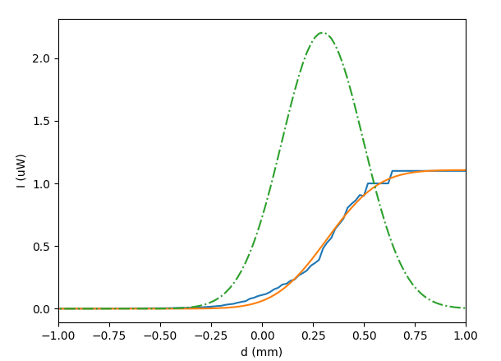
0.06 | 0.0006
0.08 | 0.0006
0.1 | 0.0006
0.12 | 0.0006
0.14 | 0.0006
0.16 | 0.0006
0.18 | 0.0006
0.2 | 0.0007
0.22 | 0.0007
0.24 | 0.0007
0.26 | 0.0007
0.28 | 0.0007
0.3 | 0.0007
0.32 | 0.0008
0.34 | 0.0008
0.36 | 0.0008
0.38 | 0.0008
0.4 | 0.0009
0.42 | 0.0009
0.44 | 0.0009
0.46 | 0.0009
0.48 | 0.001 |  |  | Gaussian fit | W | 0.4 | mm
0.5 | 0.001 |  |  |  | I | 2.2 | uW | Peak
0.52 | 0.0011 |  |  |  | B | 0.298 | mm | offset
0.54 | 0.0011
0.56 | 0.0011
0.58 | 0.0012
0.6 | 0.0012
0.62 | 0.0013
0.64 | 0.0014
0.66 | 0.0014
0.68 | 0.0015
0.7 | 0.0015
0.72 | 0.0016
0.74 | 0.0017
0.76 | 0.0018
0.78 | 0.0019
0.8 | 0.0019
0.82 | 0.002
0.84 | 0.0022
0.86 | 0.0023
0.88 | 0.0024
0.9 | 0.0026
0.92 | 0.0027
0.94 | 0.0029
0.96 | 0.0032
0.98 | 0.0034
1 | 0.0037
1.02 | 0.0038
1.04 | 0.0043
1.06 | 0.0045
1.08 | 0.0049
1.1 | 0.0059
1.12 | 0.0064
1.14 | 0.0068
1.16 | 0.008
1.18 | 0.0089
1.2 | 0.0101
1.22 | 0.0133
1.24 | 0.015
1.26 | 0.0181
1.28 | 0.0212
1.3 | 0.0236
1.32 | 0.0308
1.34 | 0.0354
1.36 | 0.0391
1.38 | 0.0479
1.4 | 0.0547
1.42 | 0.0604
1.44 | 0.0796
1.46 | 0.0874
1.48 | 0.1009
1.5 | 0.1094
1.52 | 0.1177
1.54 | 0.1337
1.56 | 0.1555
1.58 | 0.1676
1.6 | 0.1931
1.62 | 0.1994
1.64 | 0.223
1.66 | 0.2333
1.68 | 0.2659
1.7 | 0.2837
1.72 | 0.3046
1.74 | 0.3433
1.76 | 0.3646
1.78 | 0.3896
1.8 | 0.4821
1.82 | 0.5285
1.84 | 0.5639
1.86 | 0.6381
1.88 | 0.677
1.9 | 0.7189
1.92 | 0.8052
1.94 | 0.8376
1.96 | 0.8651
1.98 | 0.9072
2 | 0.9 | 0.0009
2.02 | 1 | 0.001
2.04 | 1 | 0.001
2.06 | 1 | 0.001
2.08 | 1 | 0.001
2.1 | 1 | 0.001
2.12 | 1 | 0.001
2.14 | 1.1 | 0.0011
2.16 | 1.1 | 0.0011
2.18 | 1.1 | 0.0011
2.2 | 1.1 | 0.0011
2.22 | 1.1 | 0.0011
2.24 | 1.1 | 0.0011
2.26 | 1.1 | 0.0011
2.28 | 1.1 | 0.0011
2.3 | 1.1 | 0.0011
2.32 | 1.1 | 0.0011
2.34 | 1.1 | 0.0011
2.36 | 1.1 | 0.0011
2.38 | 1.1 | 0.0011
2.4 | 1.1 | 0.0011
2.42 | 1.1 | 0.0011
2.44 | 1.1 | 0.0011
2.46 | 1.1 | 0.0011
2.48 | 1.1 | 0.0011
2.5 | 1.1 | 0.0011
2.52 | 1.1 | 0.0011
2.54 | 1.1 | 0.0011
2.56 | 1.1 | 0.0011
2.58 | 1.1 | 0.0011
2.6 | 1.1 | 0.0011
2.62 | 1.1 | 0.0011
2.64 | 1.1 | 0.0011
2.66 | 1.1 | 0.0011
2.68 | 1.1 | 0.0011
2.7 | 1.1 | 0.0011
2.72 | 1.1 | 0.0011
2.74 | 1.1 | 0.0011
2.76 | 1.1 | 0.0011
2.78 | 1.1 | 0.0011
2.8 | 1.1 | 0.0011
2.82 | 1.1 | 0.0011
2.84 | 1.1 | 0.0011
2.86 | 1.1 | 0.0011
2.88 | 1.1 | 0.0011
2.9 | 1.1 | 0.0011
2.92 | 1.1 | 0.0011
2.94 | 1.1 | 0.0011
2.96 | 1.1 | 0.0011
2.98 | 1.1 | 0.0011

beamwidth
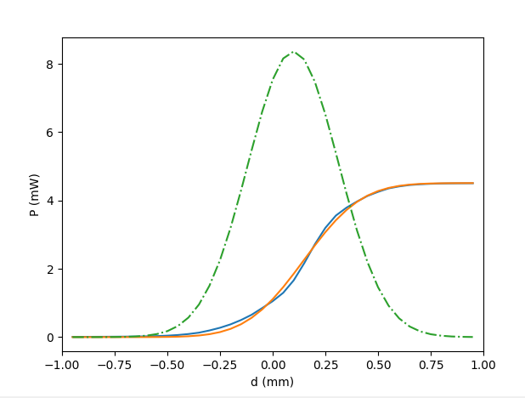
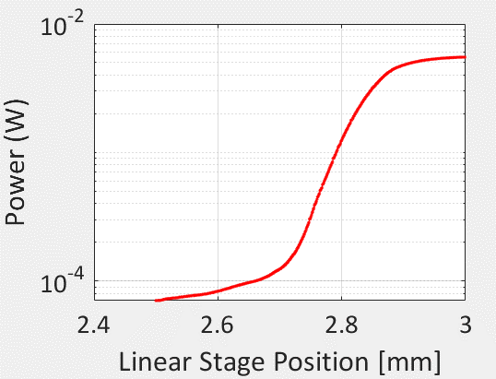
2022-01-05
No diffuser

W | 0.107 | mm

Total average power | 5.51 | mW | 15.319132438 | W/cm2

Io (peak amplitude) | 5.5351842676 | 2*P/(pi*W^2)

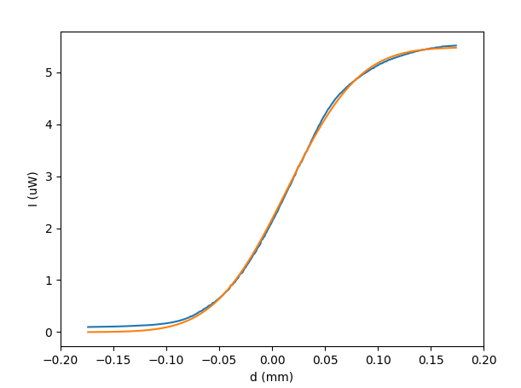

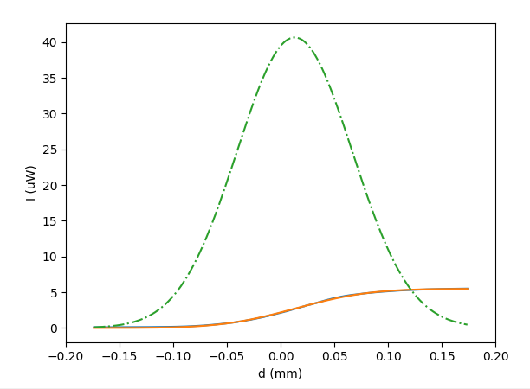

With diffuser
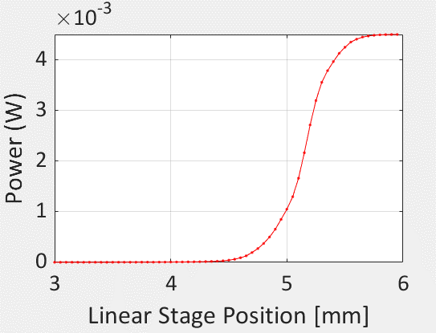
W | 0.43 | mm

Power | 4.5 | mW

Peak power density | 1.5493720799 | W/cm2

Amplitude at r = 100-um | 1.1171248573

Power density at r = 100-um | 1.3905274875 | W/cm2 | Average Power density

PRF | 100 | KHz

Pulse width | 4 | ns

Pulse power | 3.4763187187 | kW/cm2

Power
Find the settings for the current, Hwplate, ND1, ND2 and pulse width to keep the same average power and peak power over different PRF ranges
 |  |  |  |  |  |  |  |  |  |  | 1.5625

 | Current (A) | Hwplate (deg) | ND1 | ND2 | Pulse width (ns) | PRF (Khz) | Optical power on appeture (W) | Same average Power density W/cm2 | Peak Power density (W/cm2)
 | 2 | 45 | 0 | 0 | 12 | 500 | 2.94E-04 | 1.54E-02 | 2.56
 | 2 | 45 | 0 | 0 | 48.5 | 100 | 2.94E-04 | 1.54E-02 | 3.17
 | 2 | 45 | 0 | 0 | 58 | 10 | 2.94E-04 | 1.54E-02 | 26.52

 | 2 | 45 | 0 | 0 | 5 | 10 | 3.51E-04 | 1.84E-02 | 367.80
 | 2 | 15 | 0 | 0 | 5 | 10 | 8.12E-05 | 4.25E-03 | 84.95

start | 1 | 45 | 0 | 0 | 5 | 10 | 2.64E-07 | 1.38E-05 | 0.28
 | 1 | 40 | 0 | 0 | 5 | 50 | 2.61E-07 | 1.37E-05 | 0.05
 | 1 | 38 | 0 | 0 | 5 | 100 | 2.69E-07 | 1.41E-05 | 0.03 |  | The power does not scale with the PRF.

 | 3 | 5 | 0 | 0 | 5 | 10 | 3.87E-05 | 2.03E-03 | 40.52
 | 3 | 5 | 0 | 0 | 5 | 50 | 4.30E-05 | 2.25E-03 | 9.00

2021-12-02 | 1 | 45 | 0 | 0 | 5 | 10 | 2.86E-07 | 1.50E-05 | 0.30 |  | IV_100KHz_5ns_1A_HW3_ND0
2021-12-02 | 2 | 3 | 0 | 0 | 5 | 10 | 2.89E-06 | 1.51E-04 | 3.02 |  | IV_100KHz_5ns_2A_HW3_ND0

 | 3 | 45 | 0 | 0 | 4 | 10 | 2.00E-03 | 1.05E-01 | 2615.96
2021-12-03 | 3 | 45 | 0 | 0 | 4 | 20 | 2.01E-03 | 1.05E-01 | 1314.52 |  | Just appeture - No device
 | 3 | 45 | 0 | 0 | 4 | 100 | 2.26E-03 | 1.18E-01 | 295.60

 | 4 | 45 | 0 | 0 | 4 | 11 | 3.56E-03 | 1.86E-01 | 4233.10
 | 4 | 45 | 0 | 0 | 4 | 50 | 3.15E-03 | 1.65E-01 | 824.03
 | 4 | 45 | 0 | 0 | 4 | 111 | 3.18E-03 | 1.66E-01 | 374.72
 | 4 | 45 | 0 | 0 | 4 | 389 | 4.68E-03 | 2.45E-01 | 157.36 | 300
 | 4 | 45 | 0 | 0 | 4 | 775 | 8.56E-03 | 4.48E-01 | 144.47 | 500
 | 4 | 45 | 0 | 0 | 4 | 970 | 9.75E-03 | 5.10E-01 | 131.47 | 1000

 | 3 | 45 | 0 | 0 | 4 | 10 | 0.003282

2021-12-06 | dark |  |  |  |  |  | 2.46E-08
 | 1 | 45 | 0 | 0 | 4 | 10 | 3.94E-07 | 2.06E-05 | 0.52
 | 2 | 45 | 0 | 0 | 4 | 10 | 3.46E-04 | 1.81E-02 | 452.56
 | 3 | 45 | 0 | 0 | 4 | 10 | 1.75E-03 | 9.16E-02 | 2288.96
 | 3 | 15 | 0 | 0 | 4 | 10 | 4.04E-04 | 2.11E-02 | 528.42

 | 3 | 4 | 0 | 0 | 4 | 10 | 2.56E-05 | 1.34E-03 | 33.54 |  | This is the power setting we will use

 | 3 | 4 | 0 | 0 | 4 | 50 | 2.98E-05 | 1.56E-03 | 7.80

 | 3 | 4 | 0 | 0 | 4 | 100 | 3.39E-05 | 1.77E-03 | 4.43

 | 3 | 4 | 0 | 0 | 4 | 200 | 3.82E-05 | 2.00E-03 | 2.50

 | 3 | 4 | 0 | 0 | 4 | 500 | 5.83E-05 | 3.05E-03 | 1.53

 | 3 | 4 | 0 | 0 | 4 | 1000 | 7.05E-05 | 3.69E-03 | 0.92

The device hit current limit of 100uA at 39 V with the HW plate at 15 and laser current at 3A
At PRF of 500 the limited reached at 30 V.
At PRF of 1000 the limited reached at 28 V.
Repeating above with angle set to 15 degrees and using power given in line 45
Notes:
 | 3 | 15

Reapting above with angle set to 45 degrees and using power given inline 44
 | 3 | 45

Repeating above with higher bias and current limit set to 3mA.

2021-12-12
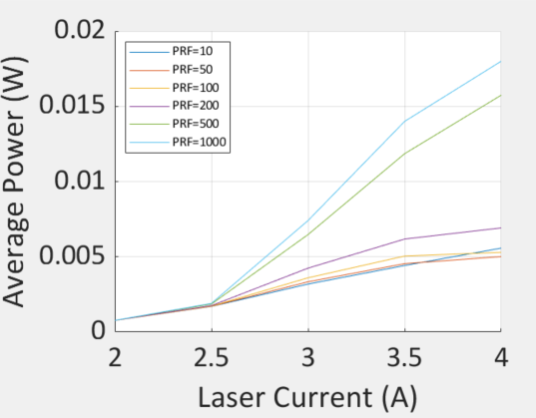
With diffuser in after a focusing optics
power saturated at I = 4.
checked with ND = 2 filter, the power is 48 mW @1000 PRF at I = 4

Beam width | 1 | mm
 | I(A) |  |  |  | Width | pRF | Average | W/cm2 | Peak (kW/cm2)
 | 3 | 45 | 0 | 0 | 4 | 10 | 3.70E-03 | 4.71E-01 | 11.78
 | 3 | 45 | 0 | 0 | 4 | 50 | 3.88E-03 | 4.94E-01 | 2.47
 | 3 | 45 | 0 | 0 | 4 | 100 | 4.15E-03 | 5.28E-01 | 1.32
 | 3 | 45 | 0 | 0 | 4 | 1000 | 8.54E-03 | 1.09E+00 | 0.27

12/13/2021 optical power setting with diffuser (APD- #2 test) |  |  |  |  | APD-#3 test

 | 2 | 45 | 0 | 0 | 4 | 10 | 0.0011 | 1.40E-01 | 3.50
 | 3 | 45 | 0 | 0 | 4 | 10 | 0.0044 | 5.60E-01 | 14.01

 | 2 | 45 | 0 | 0 | 4 | 100 | 0.0011 | 1.40E-01 | 0.35
 | 3 | 45 | 0 | 0 | 4 | 100 | 0.0049 | 6.24E-01 | 1.56
 | 4 | 45 | 0 | 0 | 4 | 100 | 0.0068 | 8.66E-01 | 2.16

 | 2 | 45 | 0 | 0 | 4 | 1000 | 0.0011 | 1.40E-01 | 0.04
 | 3 | 45 | 0 | 0 | 4 | 1000 | 0.0093 | 1.18E+00 | 0.30 |  |  | ND-pos-2 | pos3
 | 4 | 45 | 0 | 0 | 4 | 1000 | 0.0438216 | 5.58E+00 | 1.39 |  | 9.3 | 1.25 | 0.161
 | 3.8 | 45 | 0 | 0 | 4 | 1000 | 0.0367536 | 4.68E+00 | 1.17 |  |  | 7.44 | 57.763975155
 | 3.6 | 45 | 0 | 0 | 4 | 1000 | 0.0309504 | 3.94E+00 | 0.99

12/27/21 Optical power setting with diffuser
 | 2 | 45 | 0 | 0 | 4 | 10 | 0.0012 | 1.53E-01 | 3.82
 | 2.4 | 45 | 0 | 0 | 4 | 10 | 0.004 | 5.09E-01 | 12.73
 | 3 | 45 | 0 | 0 | 4 | 10 | 0.0046 | 5.86E-01 | 14.64

 | 2 | 45 | 0 | 0 | 4 | 100 | 0.0012 | 1.53E-01 | 0.38
 | 3 | 45 | 0 | 0 | 4 | 100 | 0.00518 | 6.60E-01 | 1.65

 | 2 | 45 | 0 | 0 | 4 | 1000 | 0.0012 | 1.53E-01 | 0.04
 | 3 | 45 | 0 | 0 | 4 | 1000 | 0.0099 | 1.26E+00 | 0.32
 | 3.2 | 45 | 0 | 0 | 4 | 1000 | 0.0128 | 1.63E+00 | 0.41
 | 3.4 | 45 | 0 | 0 | 4 | 1000 | 0.01589 | 2.02E+00 | 0.51

2022-01-11
 | 2 | 45 | 0 | 0 | 4 | 10 | 0.0011 | 1.40E-01 | 3.50
 | 2.6 | 45 | 0 | 0 | 4 | 10 | 0.003 | 3.82E-01 | 9.55
 | 3 | 45 | 0 | 0 | 4 | 10 | 0.00415 | 5.28E-01 | 13.21
 | 3.6 | 45 | 0 | 0 | 4 | 10 | 0.0066 | 8.40E-01 | 21.01
 | 3.8 | 45 | 0 | 0 | 4 | 10 | 0.0072 | 9.17E-01 | 22.92
 | 4 | 45 | 0 | 0 | 4 | 10 | 0.0078 | 9.93E-01 | 24.83
 | 4.2 | 45 | 0 | 0 | 4 | 10 | 0.0083 | 1.06E+00 | 26.42
 | 4.4 | 45 | 0 | 0 | 4 | 10 | 0.0088 | 1.12E+00 | 28.01
 | 4.6 | 45 | 0 | 0 | 4 | 10 | 0.009 | 1.15E+00 | 28.65
 | 4.8 | 45 | 0 | 0 | 4 | 10 | 0.0093 | 1.18E+00 | 29.60
 | 5 | 45 | 0 | 0 | 4 | 10 | 0.0096 | 1.22E+00 | 30.56
 | 5.2 | 45 | 0 | 0 | 4 | 10 | 0.0099 | 1.26E+00 | 31.51
 | 5.4 | 25 | 0 | 0 | 4 | 10 | 0.01 | 1.27E+00 | 31.83

APD-#1
Gain of APD | M | (1- V/Vbr)^-n

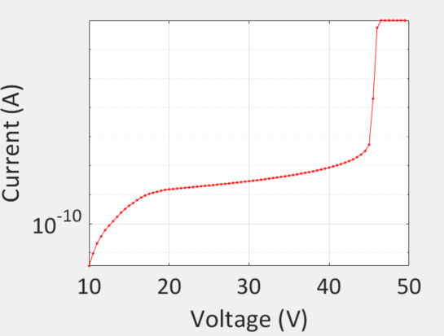
 | V | 42.1
 | Vbr | 44
 | n | 0.73

 | M | 9.9135756528

 |  |  |  |  |  | 2021-12-08
At 1000 PRF, 42V bias current from APD |  |  |  | 9.87E-04 | A | 0.0016
 |  |  | Gain | 10 |  | 10
 |  |  | generated current | 9.87E-05 | A | 1.60E-04
 |  |  | QE | 80 |  | 80
 |  |  | R | 1 |  | 1
 |  |  | incident power | 9.87E-05 | W | 1.60E-04
 |  |  | area | 0.00031415926536 | cm2 | 0.00031415926536
1000 PRF, 3A laser, no attenu |  |  | incident power density on APD | 3.14E-01 | W/cm2 | 5.09E-01

 |  |  | Power density measured
 |  |  | appeture | 1.5625 | mm
 |  |  | area | 0.019174759849 | cm2
 |  |  | Power density measured | 0.005 | W
 |  |  |  | 0.26075945876 | W/cm2

 |  |  | Difference | 5.34E-02
 |  |  |  | 1.70E-01 |  |  |  | 4.2105263158
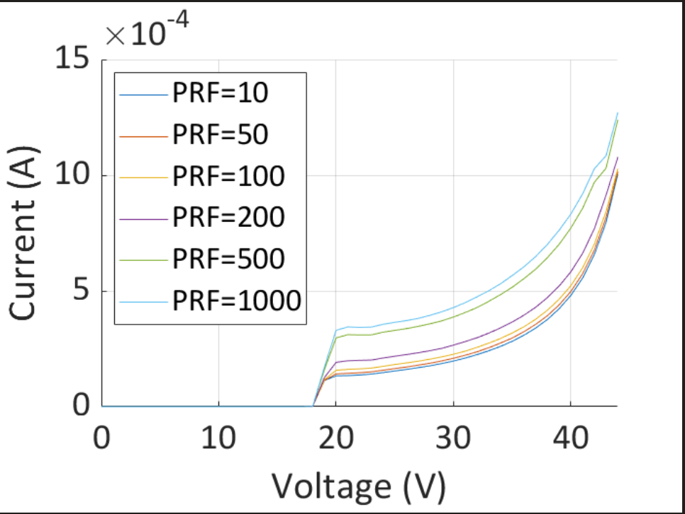

 |  |  |  |  |  |  | 3A-45-deg-10mA-limit-no-damage

APD-#2
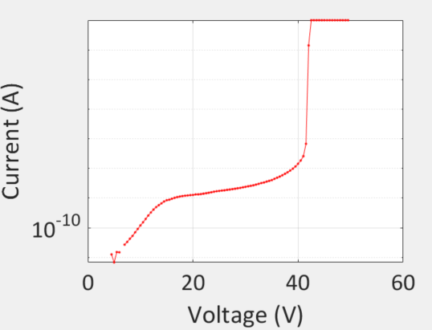
Date | 2021-12-13
V | 40.2
Vbr | 42
n | 0.73

M | 9.9683448382

1 | Sweep IV to M=10, with peak power under 3.5 kW/cm2 @ 10 KHz - no damage, current limit 1 mA
 |  | 1000 KHz peak was hit at 38 V
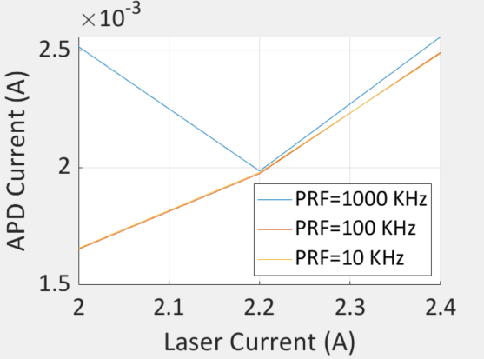

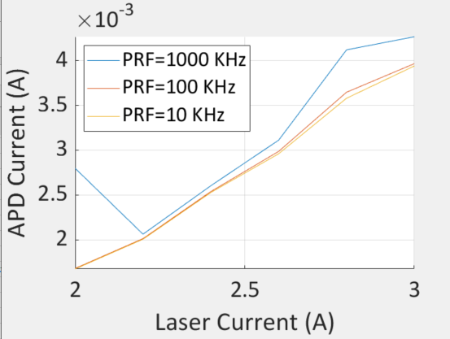
 |  | 4.7 mA @ 1000 PRF, 3A | 2.0735615443 | W/cm2

 |  | APD died at 1000 PRF @ 3.2 A with current limit set to 10 mA

APD-#3
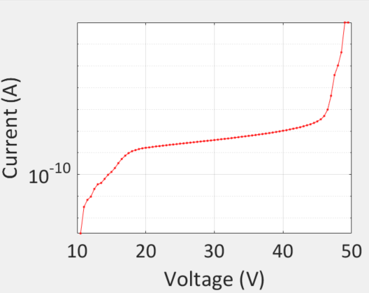
121221
V | 47
Vbr | 49
n | 0.73

M | 10.32978403

Died when exposed to 3A @ 1000 MHz 4ns |  | 0.3 kW/cm2

APD-#4
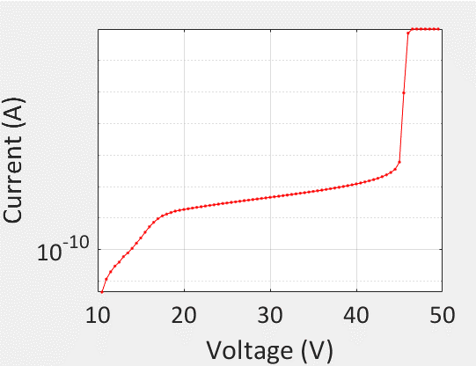
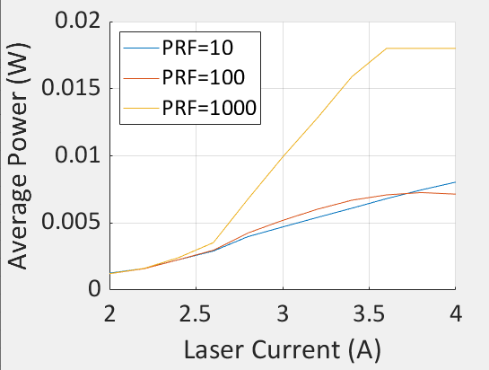
2021-12-27
V | 43.1
Vbr | 45
n | 0.73

M | 10.077551039

All measurements at 5 mA limit
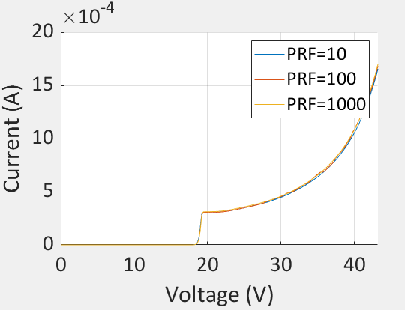

2A no damage 10,100,1000 PRF

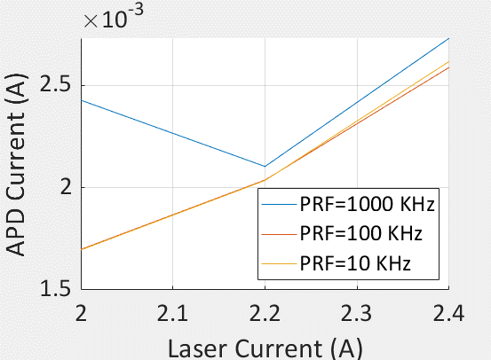
M=10, up to 2.4A no damage 1000 KHz

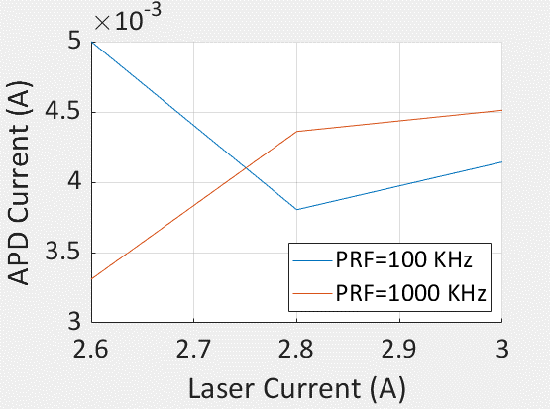
M=10 up to 3 A no damage 1000 KHz

M=10 up to 3.4 A initial run showed no damage, but second run with a higher limit shows damage
So, at 0.3 kW/cm2 @ 1000 PRF the device has again died

APD-#5
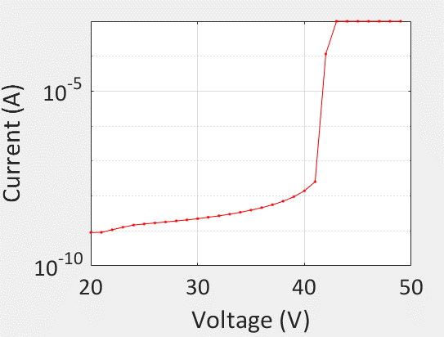
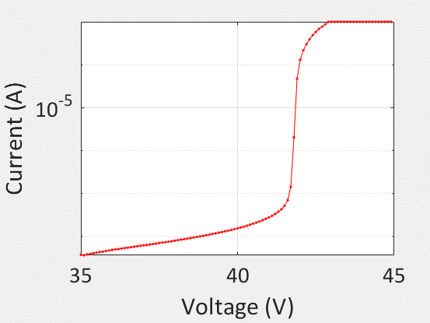
V | 40.2
Vbr | 42
n | 0.73

M | 9.9683448382

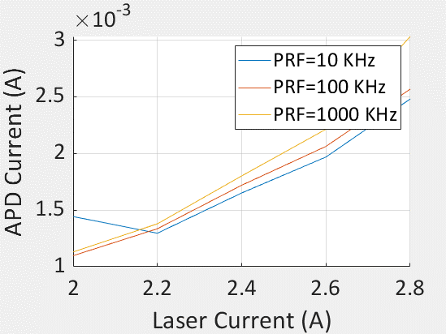

No damage till 2.8 A for all PRF

No damage at 100 KHz for up to 3.4 A

Device was damaged at 1000 KHz at 3.4 A current |  | 0.34 | kW/cm2

APD-#6
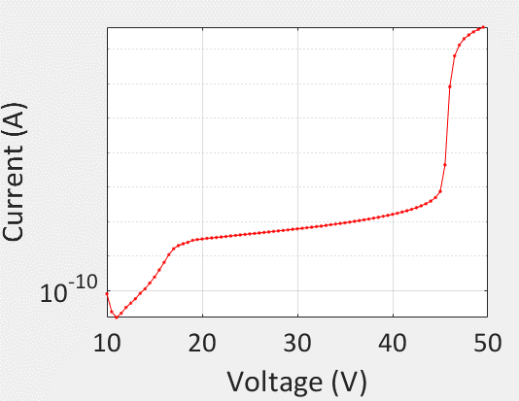
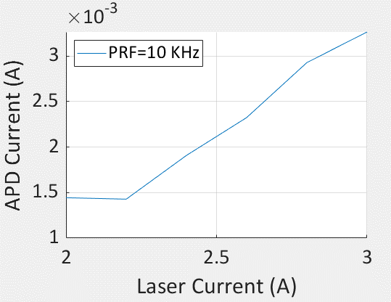
2022-01-11
V | 44.1
Vbr | 46
n | 0.73

M | 10.240545427

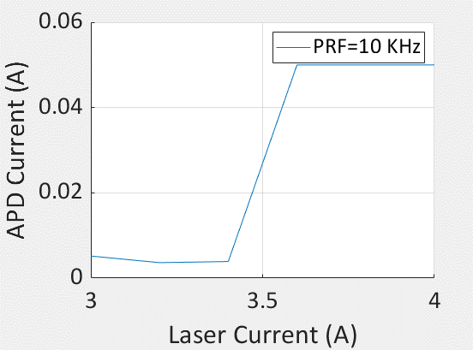

 |  | 50 mA limit hit at 3.6A current | 20 kW/cm2

APD-#7
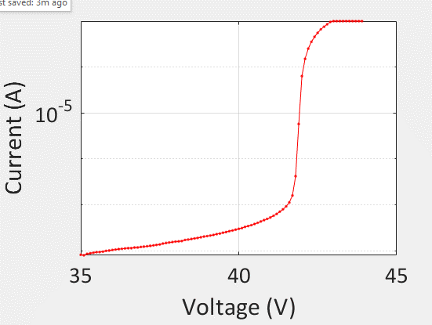
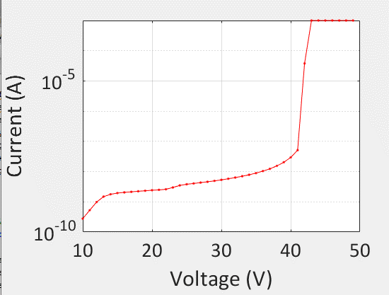
11122 | Test at 10 KHz PRF from 2A - 4 A laser at 50 mA
V | 40.2
Vbr | 42
n | 0.73

M | 9.9683448382

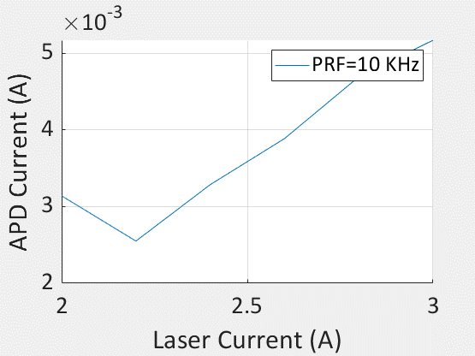

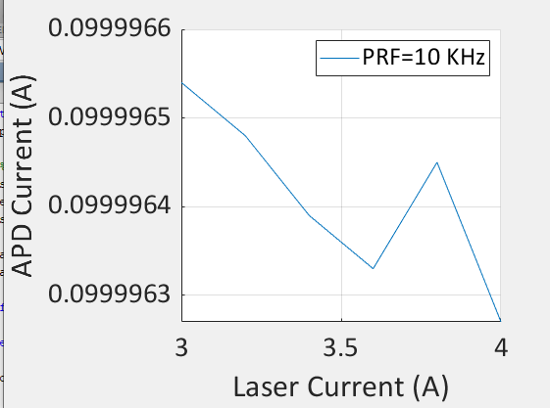
Already damaged at 3 A

