Sheet1
black panda component list

side | id | marking
top | d9 | 6RT 93 | diode | https://assets.nexperia.com/documents/data-sheet/PESD2CAN.pdf
top | d19 | 6RT 93 | diode | https://assets.nexperia.com/documents/data-sheet/PESD2CAN.pdf
top | c81
top | c80
top | c6
top | u2 | a42/3 FLYORC Tn8431 | https://www.nxp.com/docs/en/data-sheet/TJA1042.pdf | TJA1042 | HVSON8 package
top | u39 | a42/3 FLYORC Tn8431 | https://www.nxp.com/docs/en/data-sheet/TJA1042.pdf | TJA1042 | HVSON8 package
top | c29
top | r59
top | 01 ? | 6RT 93 | diode | https://assets.nexperia.com/documents/data-sheet/PESD2CAN.pdf
top | r10
top | r11
top | r12
top | c3
top | c9
top | u3 | av1bkg | weird, 3 0 2 7 ? |  | https://datasheet.lcsc.com/szlcsc/Silergy-Corp-SY8368QNC_C125897.pdf
top | c1
top | c11
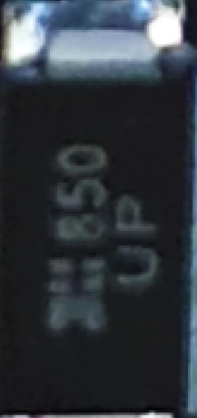
top | r33
top | c92
top | c89
top | c16
top | u25 | AC4 | 3 0 3 0
top | c93
top | j3 | usb A connector
top | ? | usb c connector |  |  |  |  |  | d1
top | r31
top | rx1 | u.fl gps connector
top | ? | inductor | large black thing
top | ? | ublox
top | i1? | white thing next to u.fl
bottom | c13
bottom | c14
bottom | c15
bottom | r1
bottom | d6 | 43
bottom | ? | 2GH | silver thing - ferrite bead? |  | very likeley ferrite bead
bottom | c17
bottom | c12
bottom | c27
bottom | u1
bottom | u4 | s427E SAA(delta) W86C | 8 pin chip 0 4 0 4 |  | https://www.onsemi.com/pub/Collateral/NCV7356-D.PDF |  | needs confirmation
bottom | d1 | (?S?) 850 UP - see pic |  |  |  |  |  |  |  | c101
bottom | d2 | 6RT 93 | diode | https://assets.nexperia.com/documents/data-sheet/PESD2CAN.pdf
bottom | d8 | 6RT 93 | diode | https://assets.nexperia.com/documents/data-sheet/PESD2CAN.pdf
bottom | c206
bottom | c205
bottom | c284
bottom | r59
bottom | r6
bottom | o3 | po8 f0 | 8 could be an f, three pins 0 2 0 1
bottom | u45 | a42/3 FLYORC Tn8431 | https://www.nxp.com/docs/en/data-sheet/TJA1042.pdf | TJA1042 | HVSON8 package
bottom | u46 | a42/3 FLYORC Tn8431 | https://www.nxp.com/docs/en/data-sheet/TJA1042.pdf | TJA1042 | HVSON8 package |  |  | y1
bottom | c4
bottom | c24
bottom | r9
bottom | r6
bottom | c68
bottom | c101 | check the pic unsure of #
bottom | c32
bottom | y1 | 16.0 AK7P | wtf is this | 16hms oscilator, don’t think that part matters | https://lcsc.com/product-detail/SMD-Oscillators-XO_Yangxing-Tech-O705016MGDA4SC_C70642.html
bottom | c18
bottom | c99
bottom | d3 | 6RT 93 | diode | https://assets.nexperia.com/documents/data-sheet/PESD2CAN.pdf
bottom | u7 | stm32f413 rgt6 | MCU |  |  |  |  |  | ?4
bottom | c65
bottom | c33
bottom | r20
bottom | c67
bottom | c23
bottom | r13
bottom | r14
bottom | r16
bottom | c32
bottom | ?4 | white circle on top of chip, 4 pins, 0 2 0 2
bottom | c2
bottom | c5
bottom | c28
bottom | c8
bottom | r20
bottom | r3
bottom | u16 | v661 33 rk42 | 3 0 3 0 | https://www.onsemi.com/pub/Collateral/NCP5661-D.PDF

 |  |  |  | NCV5661 linear regulator

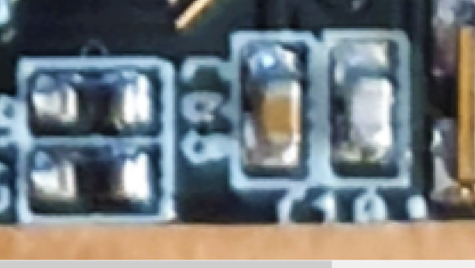
 |  | inductor: | https://www.digikey.com/en/products/detail/eaton-electronics-division/DRA74-3R3-R/1762400

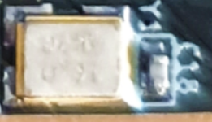

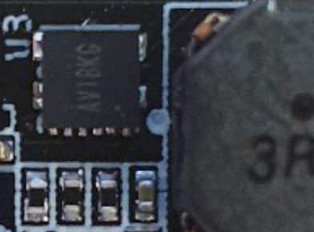

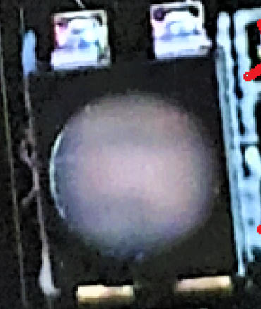
 |  |  |  |  |  | what is this voltage regulator

