Query 5
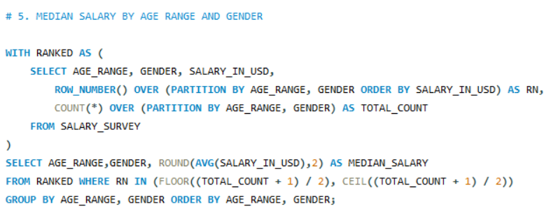
Age_Range | Gender | Median_Salary
18-24 | Man | 45974
18-24 | Non-binary | 37615.5
18-24 | Woman | 50000
25-34 | Man | 75000
25-34 | Non-binary | 53000
25-34 | Woman | 65000
35-44 | Man | 93500
35-44 | Non-binary | 72000
35-44 | Woman | 75000
45-54 | Man | 102000
45-54 | Non-binary | 60000
45-54 | Woman | 76000
55-64 | Man | 99405
55-64 | Non-binary | 62265
55-64 | Woman | 71350
65 or over | Man | 92000
65 or over | Woman | 80000
under 18 | Man | 0
under 18 | Non-binary | 18151.67
under 18 | Woman | 42500

