追加ユーザ登録
追加ユーザ登録

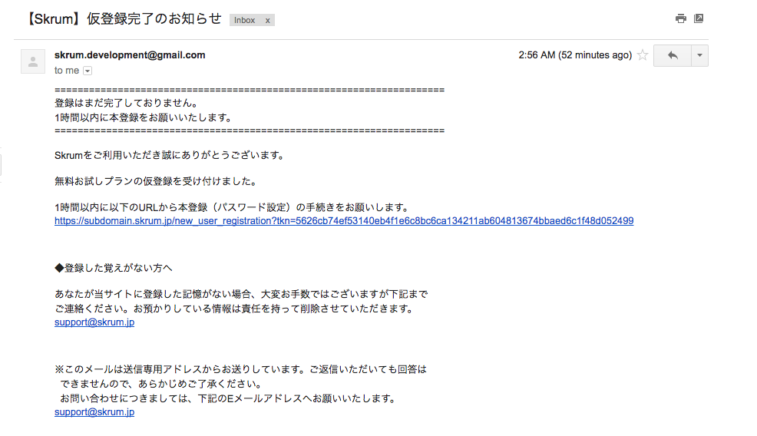
You'll get this mail after another user invites you.
And, you touch this link which includes urltoken, you'll go to "追加ユーザ登録" display.

additional_user_registration

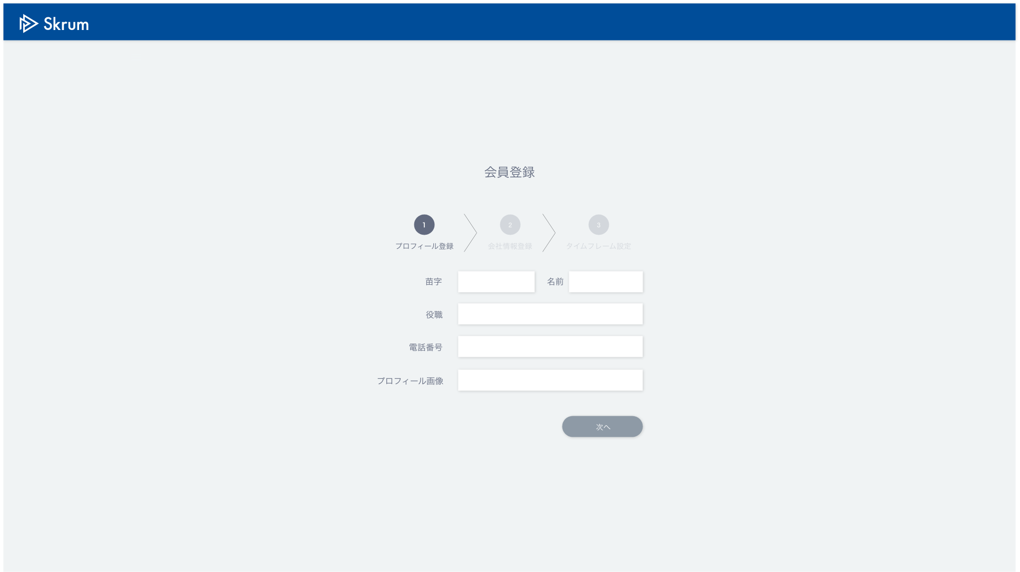

追加ユーザ登録

パスワード設定

Validation error message is shown around here with red characters.

送信

You go to top page just after you submit password.

Use API AA0103 in throwing API.
ex.)
v1/join.json
METHOD: POST
[Request Json Schema]
{
"password": "sampleuser7",
"urltoken": "5626cb74ef53140eb4f1e6c8bc6ca134211ab604813674bbaed6c1f48d052499"
}

