公開範囲設定
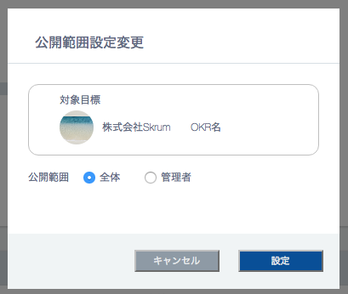
公開範囲設定
In case that the owner is user or group.


公開範囲設定変更

新卒採用で30名確保する。
対象目標

The default is automatically defined by 'disclosureType' of the okr.

設定
Validation error message is shown around here with red characters.

Do not disable this button anytime.

In case that the owner is company.

