目標管理画面
In case that this is the login user page.

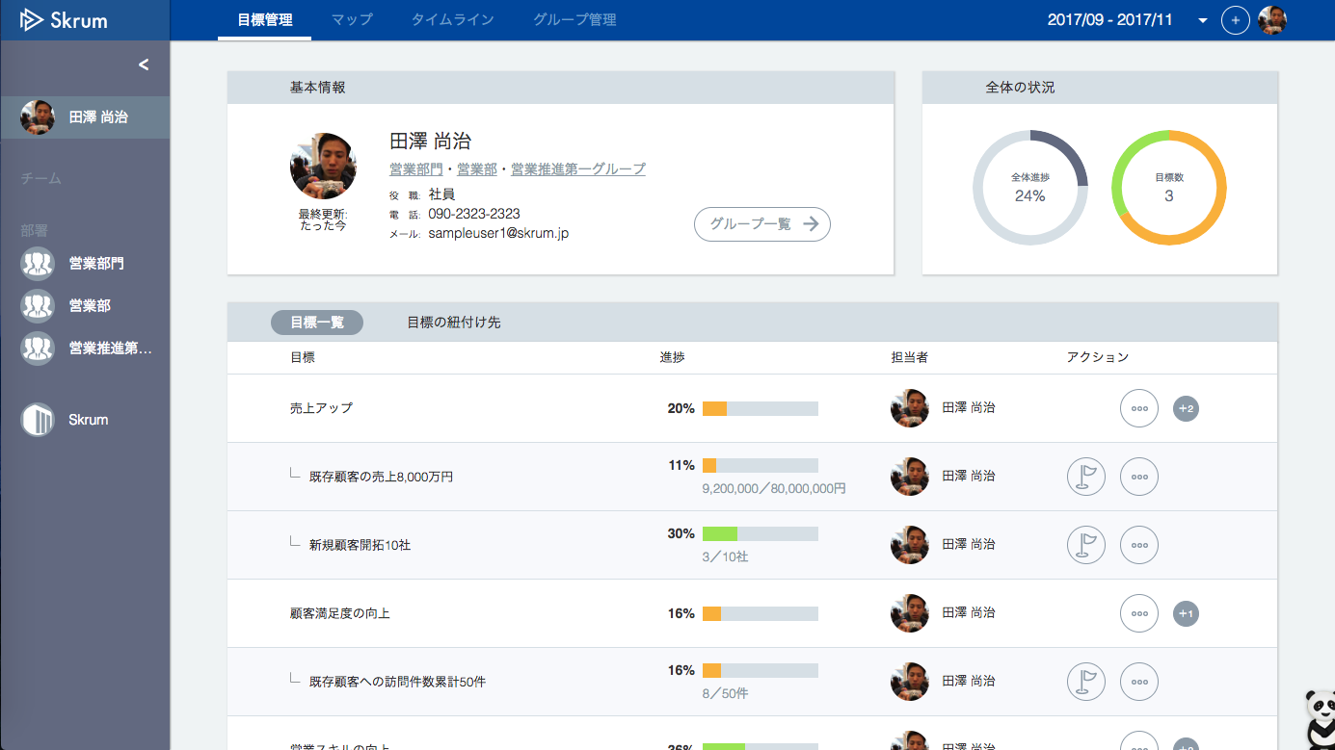

In case that this is not the login user page.

