目標管理画面
In case that this is the login user page.

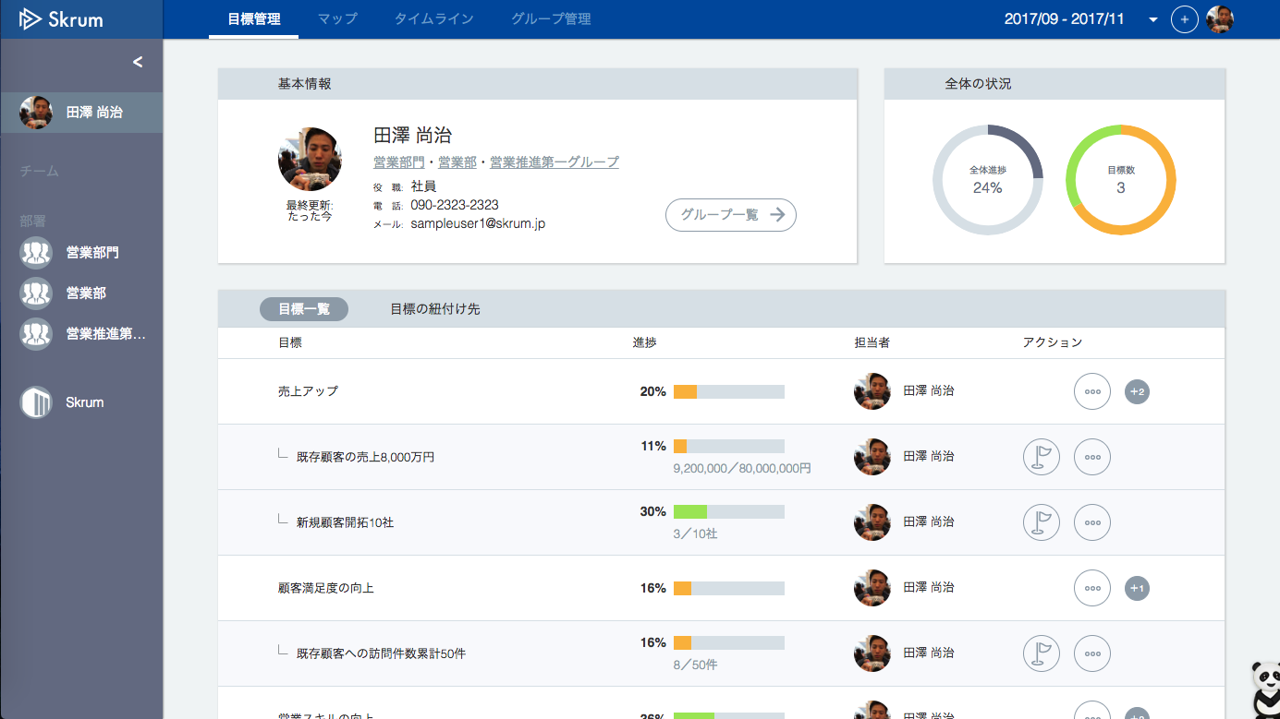

memo.png
Go to the 日報 sheet.

①

Go to the 進捗報告 sheet.

②

In case that this is not the login user page.

Go to the ヒアリング・フィードバック・面談メモ sheet.
Go to the ヒアリング・フィードバック・面談メモ sheet.

feedback.png

③

④

日報
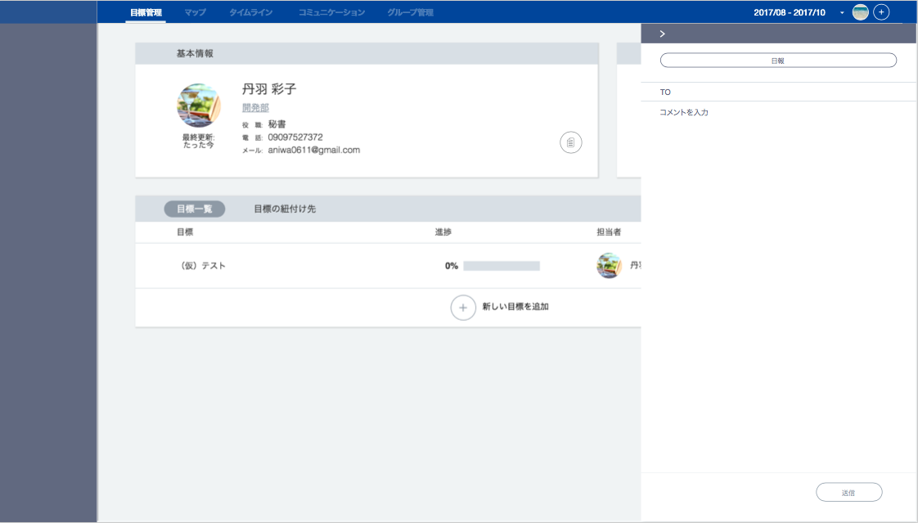
Default users are gotten by API AP0108.
/users/{userId}/defaultdestinations.json&oootype=1
Add 日付 box (below) between "日報" and "TO". (sorry, this is a design mistake.)

日付

You can select multiple users by user search API AH0207.
TO is required.
The display format is like Gmail.

Use API AP0101 in throwing API.
ex.)
/v1/users/{userId}/reports.json
[example]
{
"oneOnOneType": "1",
"reportDate": "2013-04-04T00:00:00Z",
"to": [{"userId": 3}, {"userId": 5}, {"userId": 8}],
"body": "アイウエオ"
}

進捗報告
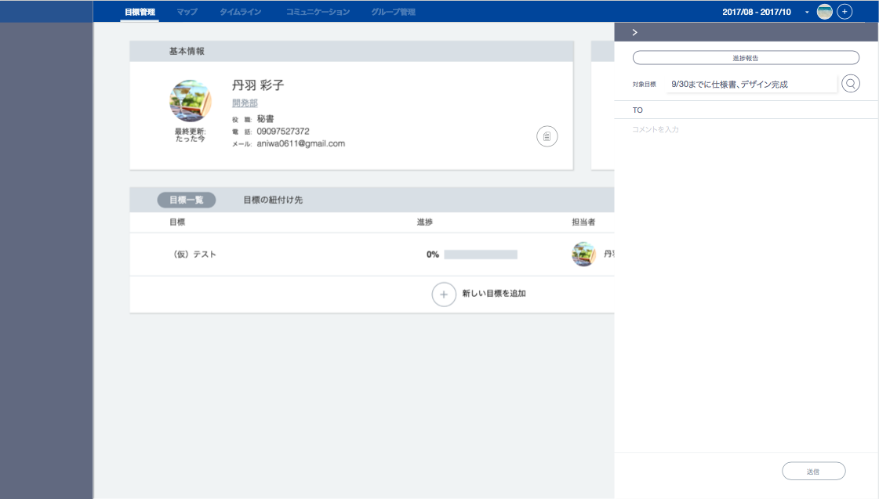

Default users are gotten by API AP0108.
/users/{userId}/defaultdestinations.json&oootype=2
Add 日付 box (below) between "対象目標" and "TO". (sorry, this is a design mistake.)

日付

You can select multiple users by user search API AH0207.
TO is not required.
The display format is like Gmail.

Use API AP0101 in throwing API.
ex.)
/v1/users/{userId}/reports.json
[example]
送信先ありの場合：
{
"oneOnOneType": "2",
"reportDate": "2013-04-04T00:00:00Z",
"to": [{"userId": 3}, {"userId": 5}, {"userId": 8}],
"okrId": 3,
"body": "アイウエオ"
}
送信先なしの場合：
{
"oneOnOneType": "2",
"reportDate": "2013-04-04T00:00:00Z",
"okrId": 3,
"body": "アイウエオ"
}

ヒアリング・フィードバック・面談メモ
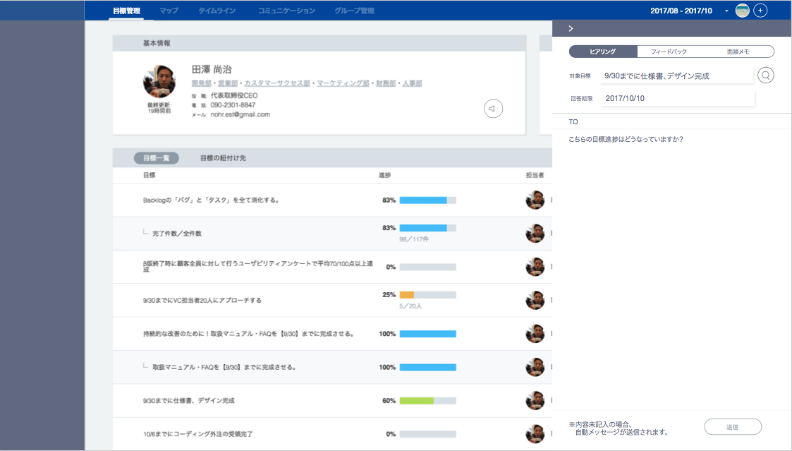
ヒアリングの場合

Default users are gotten by API AP0108.
/users/{userId}/defaultdestinations.json&oootype=4
Only when the button ④ is clicked.
Do not show when the button ③ is clicked.

You can select multiple users by user search API AH0207.
TO is required.
The display format is like Gmail.
Body is not required in ヒアリング.

Use API AP0102 in throwing API.
ex.)
/v1/users/{userId}/feedbacks.json
[example]
紐付けOKRなしの場合：
{
"oneOnOneType": "4",
"dueDate": "2013-04-04T00:00:00Z",
"to": [{"userId": 3}, {"userId": 5}, {"userId": 8}],
"body": "アイウエオ"
}
紐付けOKRありの場合：
{
"oneOnOneType": "4",
"dueDate": "2013-04-04T00:00:00Z",
"to": [{"userId": 3}, {"userId": 5}, {"userId": 8}],
"okrId": 3,
"body": "アイウエオ"
}

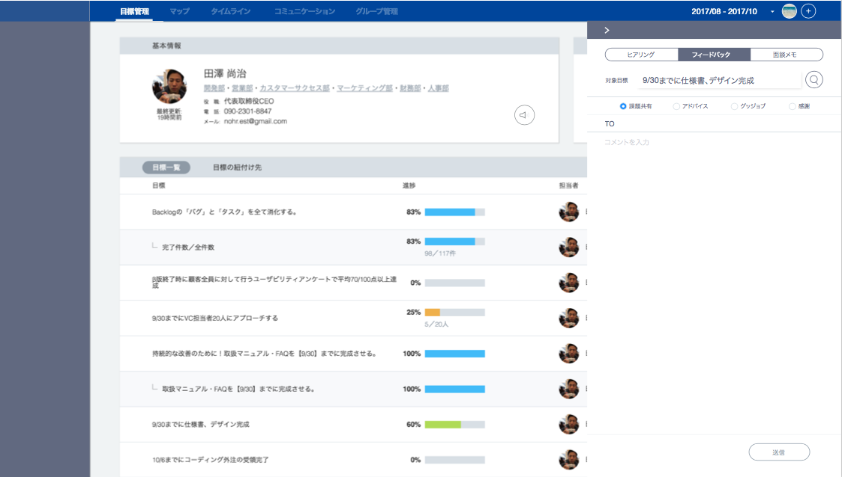
フィードバックの場合
Default users are gotten by API AP0108.
/users/{userId}/defaultdestinations.json&oootype=3
Only when the button ④ is clicked.
Do not show when the button ③ is clicked.

Use API AP0102 in throwing API.
ex.)
/v1/users/{userId}/feedbacks.json
[example]
紐付けOKRなしの場合：
{ "oneOnOneType": "3",
"feedbackType": "1",
"to": [{"userId": 3}, {"userId": 5}, {"userId": 8}],
"body": "アイウエオ"
}
紐付けOKRありの場合：
{
"oneOnOneType": "3",
"feedbackType": "1",
"to": [{"userId": 3}, {"userId": 5}, {"userId": 8}], "okrId": 3,
"body": "アイウエオ"
}

面談メモの場合
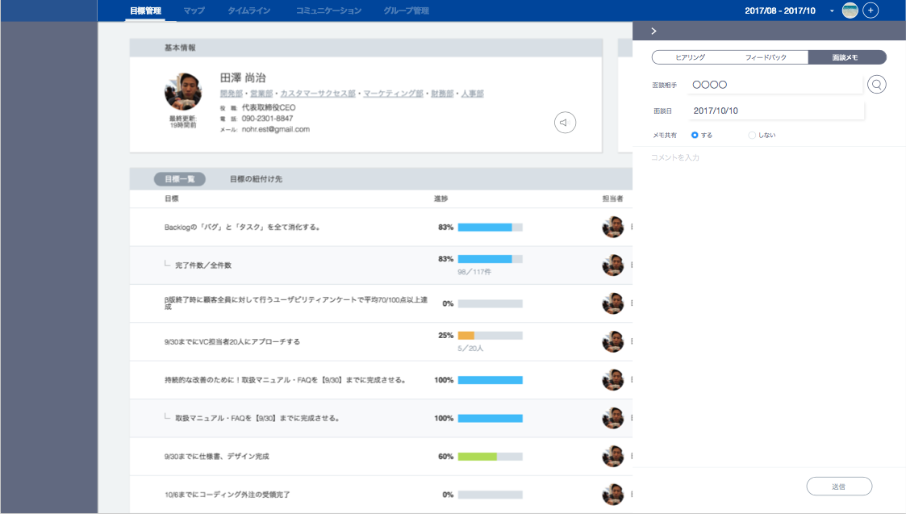

The default user is the user of OKRManagement.
You can also select a user by user search API AH0207.
The display format is the same as that of TO.

Here is "TO", not メモ共有. (sorry, this is a design mistake.)

Default users are gotten by API AP0108.
/users/{userId}/defaultdestinations.json&oootype=5
You can select multiple users by user search API AH0207.
TO is not required.
The display format is like Gmail.

Use API AP0103 in throwing API.
ex.)
/v1/users/{userId}/interviewnotes.json
[example]
送信先：あり：
{
"oneOnOneType": "5",
"intervieweeUserId": 3,
"interviewDate": "2013-04-04T00:00:00Z",
"to": [{"userId": 3}, {"userId": 5}, {"userId": 8}],
"body": "アイウエオ"
}
送信先：なし：
{
"oneOnOneType": "5",
"intervieweeUserId": 3,
"interviewDate": "2013-04-04T00:00:00Z",
"body": "アイウエオ"
}

管理画面
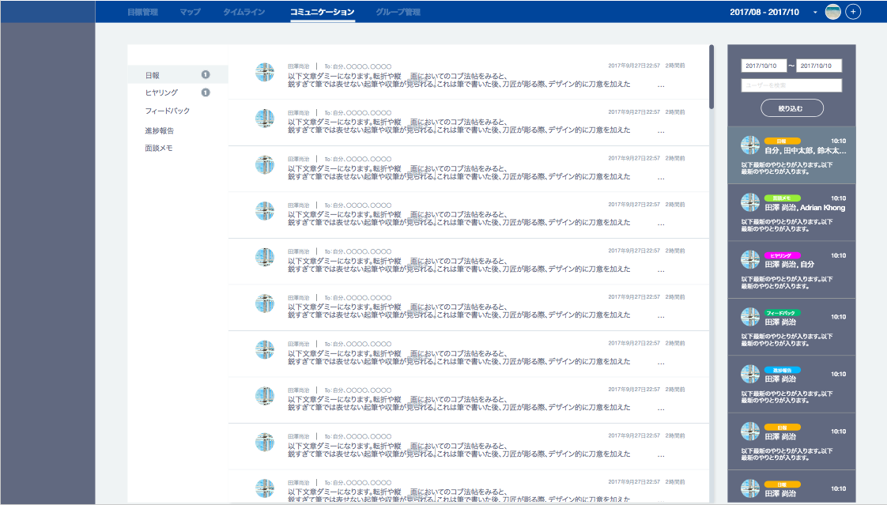
sdate
edate
Right order.
日報
進捗メモ
ヒアリング
フィードバック
面談メモ
oootype="1"
q
oootype="4"

oootype="3"
oootype="2"
Use API AP0105 in throwing API.
ex.)
/v1/users/{userId}/newoneonones.json?{q}&{sdate}&{edate}&{before}
before: lastUpdate (this is used when scrolling)
q, sdate, edate and before are not needed when this page is opened.
oootype="5"

fromName
toNames
lastUpdate
senderUserId

oneOnOneType

partOfText
senderUserId
lastUpdate
fromToNames
partOfText

Use API AP0106 in throwing API.
ex.)
/v1/users/{userId}/oneonones.json?{oootype}&{before}
oootype: oneOnOneType (the default value is "1" when this page is opened.)
before: lastUpdate (this is used when scrolling)

If you click one of the above items(areas), it shows the below page.

Show "header" content in json response.

日報の場合
ヒアリングの場合
フィードバックの場合
進捗報告の場合
面談メモの場合
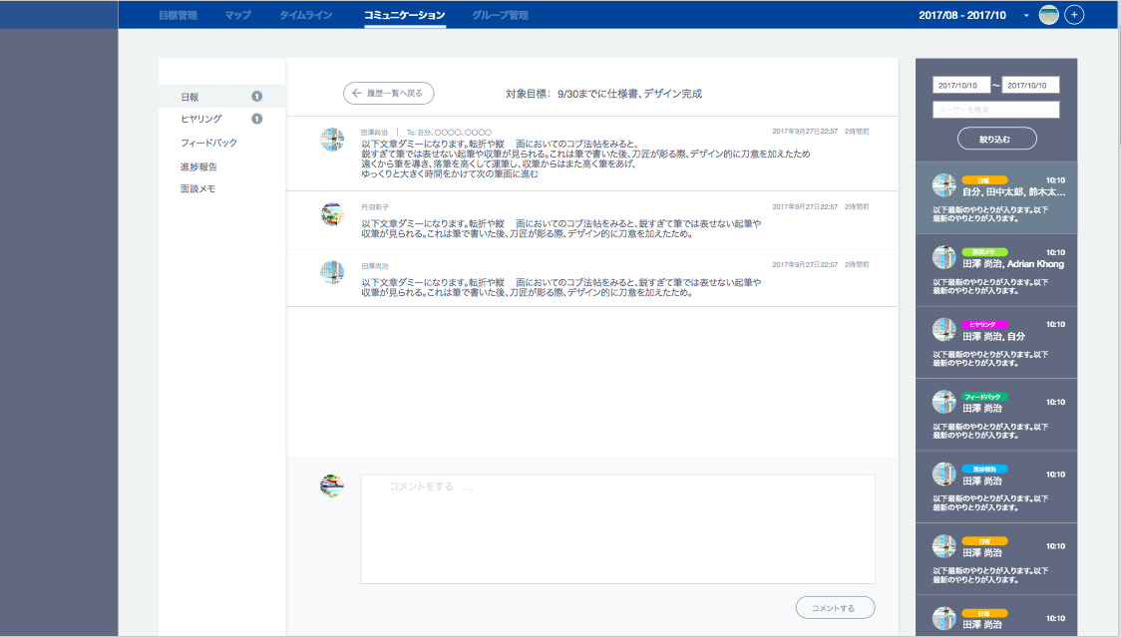
feedbackType
targetDate
targetDate
dueDate
intervieweeUserName
fromName
回答期限：2017年10月16日
フィードバック種別：
対象日付：2017年10月16日
面談相手：田澤 尚治
対象日付：2017年10月16日
okrName
面談日：2017年10月16日
targetDate

toNames

lastUpdate
senderUserId

text

Use API AP0104 in throwing API.
ex.)
/v1/oneonones/{oneononeId}/replies.json

