公開範囲設定
公開範囲設定
In case that the poster is user or group.


公開範囲設定変更

投稿投稿投稿投稿投稿投稿投稿投稿投稿投稿投稿投稿投稿投稿投稿投稿
対象投稿

The default is automatically defined by 'disclosureType' of the post.

設定
Validation error message is shown around here with red characters.

Use API AG0405 in throwing API.
ex.)
v1/posts/{postId}/changedisclosure.json
[Json Schema]
{ "disclosureType": "4" }
Do not disable this button anytime.

In case that the poster is company.
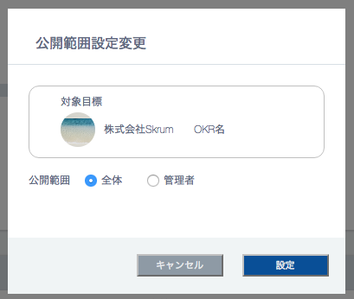

対象投稿

投稿投稿投稿投稿投稿投稿投稿

