タイムライン表示
タイムライン表示

Do not show post area.
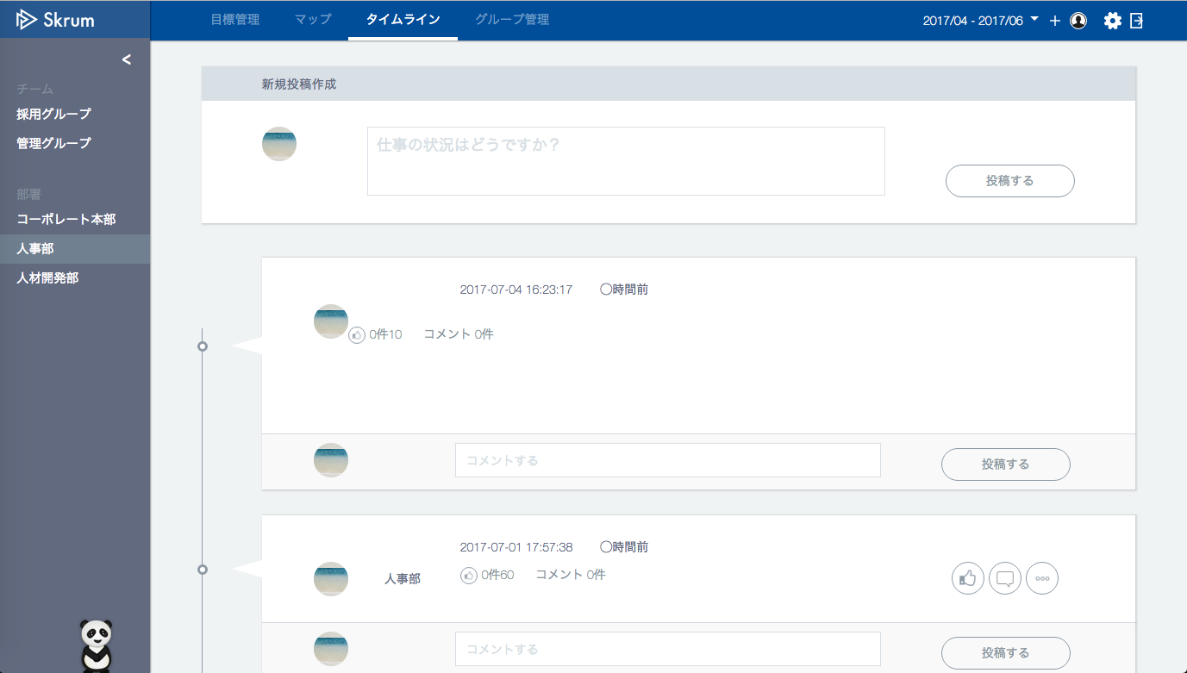

人事部

50%を達成しました！みなさんご協力ありがとうございました！
人事部
Show "post" if it exists.
田澤 尚治さんが目標進捗率50%を達成しました。
Show "autoPost" if it exists.
田澤 尚治
社員の離職率を下げる。
Show "ownerUser/Group/CompanyName".
Show "okrName" if it exists.

Show "likesCount".
Do not show a enclosure frame if "auto" doesn't exist.
The picture of the login user.
変更

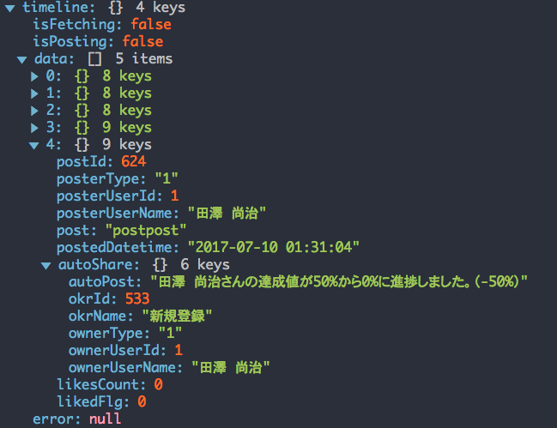
Use API AG0101 in throwing fetch API.
ex.)
v1/users/{userId}/posts.json?before=254
"before" = the standard post id until which posts are sent. But set nothing at the first time.
Only 5 posts are sent once.
If you want to fetch next 5 posts, you set "postId" of the last post on "before".

If it's the last post, it is a little bit difficult to add empty object.
So, I'd like to let it be as it is for now.

