影響度設定
影響度設定

"ratioLockedFlg" is 0 →
"ratioLockedFlg" is 1 →
unlock.png
サブ目標の目標への影響度合い設定
lock.png

新卒採用で30名確保する。
目標
対象目標
Set "weightedAverageRatio".
Z
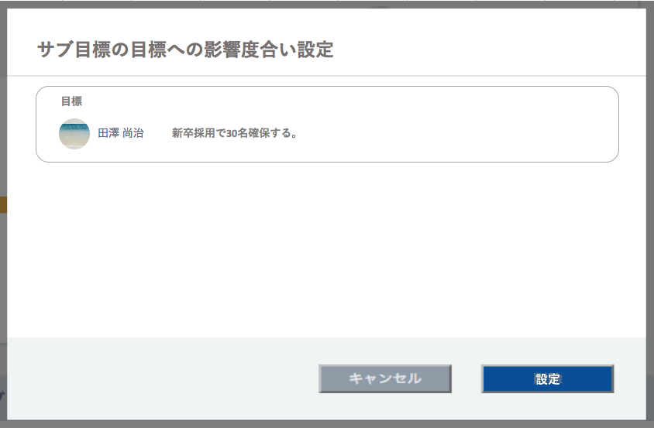
Scroll If it's too long.

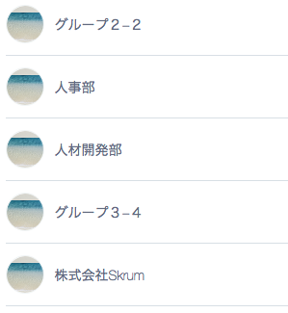
新卒採用で30名確保する。
30.0
%
A
When you click this icon, the icon will change to another icon, and you can now edit ratio number. The opposite pattern is also true.

新卒採用で30名確保する。
20.0
%
B

All key results of the objective.
新卒採用で30名確保する。
16.6
%
C

新卒採用で30名確保する。
%
16.6
D

設定
Validation error message is shown around here with red characters.
新卒採用で30名確保する。
%
16.6
E

Automatic calculation in front side.

Use API AE0406 in throwing API.
ex.)
OKR id of OKR "Z" is 10.
OKR id of OKR "A" is 11.
OKR id of OKR "B" is 12.
OKR id of OKR "C" is 13.
OKR id of OKR "D" is 14.
OKR id of OKR "E" is 15.
/v1/okrs/10/setratio.json
Json in this case.
[
{ "keyResultId": 11, "weightedAverageRatio": 30.0 },
{ "keyResultId": 12, "weightedAverageRatio": 20.0 },
{ "keyResultId": 13, "weightedAverageRatio": 12.0 }
]
↑↑↑
You write only key results which you want to lock ratio.
In the above case, A and B was already locked, and you lock C newly this time for example.
16.6 = ( 100 - ( A + B ) ) / 3
The second decimal place is rounded down.
When you click one of icons (only this one , not ), these editable ratio numbers will be recalculated.
(When you click icons of , the ratio number area will be editable, but the ratio number will remain intact. (In this case, when you click B's icon, the ratio number place will be editable, and the ratio number will remain as 20.0%.))
Do not disable this button anytime.

