タイムライン表示
タイムライン表示

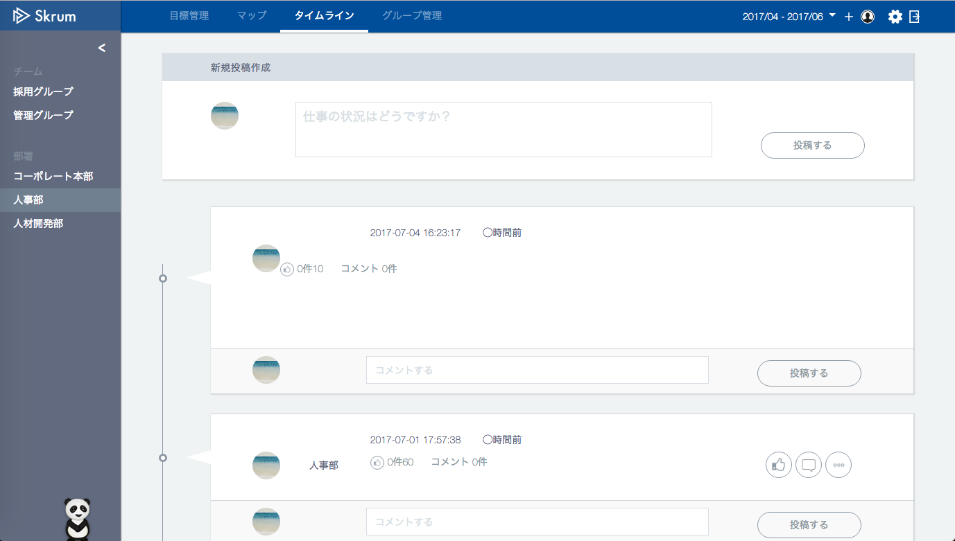

The picture of the login user.

Show "posterUser/Group/CompanyName".
人事部

50%を達成しました！みなさんご協力ありがとうございました！
人事部
Show "post" if it exists.
田澤 尚治さんが目標進捗率50%を達成しました。
Show "autoPost" if it exists.
田澤 尚治
社員の離職率を下げる。
Show "ownerUser/Group/CompanyName".
Show "okrName" if it exists.

Show "likesCount".
Do not show a enclosure frame if "auto" doesn't exist.
The picture of the login user.
変更

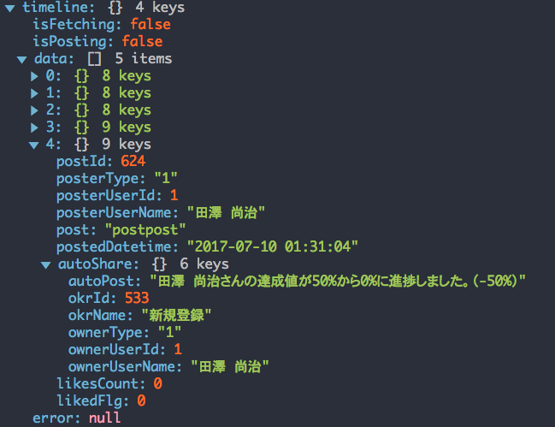
Use API AG0201 in throwing fetch API.
ex.)
v1/groups/{groupId}/posts.json?before=254
"before" = the standard post id until which posts are sent. But set nothing at the first time.
Only 5 posts are sent once.
If you want to fetch next 5 posts, you set "postId" of the last post on "before".

If it's the last post, it is a little bit difficult to add empty object.
So, I'd like to let it be as it is for now.

いいね・いいね解除
いいね・いいね解除

"likedFlg" is 0 →
"likedFlg" is 1 →
Blue background

Push this icon when you "like" against this comment.
After you push it, the icon change into .
And "likesCount" will increment.

人事部

50%を達成しました！みなさんご協力ありがとうございました！
人事部
田澤 尚治さんが目標進捗率50%を達成しました。
田澤 尚治
社員の離職率を下げる。

変更

On the other hand, when you detach "like" which you did before, push the shadow background icon.
the icon change into .
And "likesCount" will decrement.

In case you atach "like",
Use API AG0204 in throwing API.
ex.)
v1/posts/{postId}/likes.json
METHOD: POST
In case you detach "like",
Use API AG0205 in throwing API.
ex.)
v1/posts/{postId}/like.json
METHOD: DELETE

