result
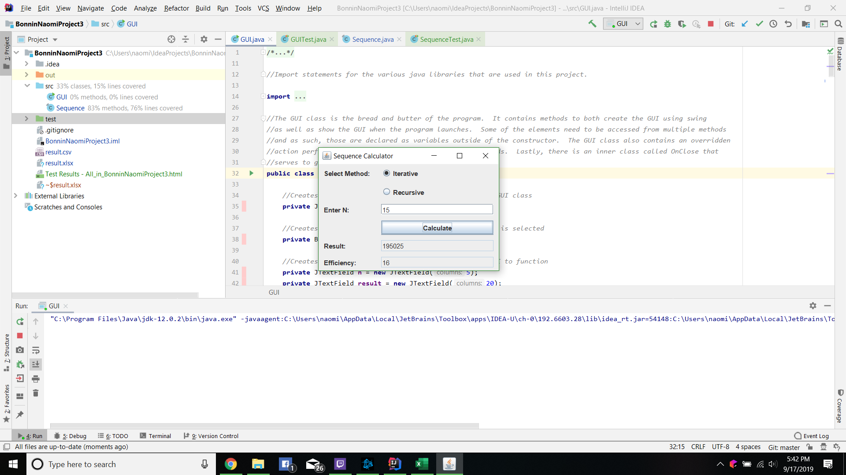

Recursive vs Iterative
Value of N | Iterative Efficiency | Recursive Efficiency
0 | 1 | 1
1 | 2 | 1
2 | 3 | 3
3 | 4 | 5
4 | 5 | 7
5 | 6 | 9
6 | 7 | 11
7 | 8 | 13
8 | 9 | 15
9 | 10 | 17
10 | 11 | 19

Observations: Both the iterative method and the recursive method that I have Implemented run in O(n) time complexity. That does not mean that they both are equally efficent however. The iterative method runs in O(n+1) time whereas the recursive method runs in O(2n-1) for values greater then 0 and O(n+1) time for 0. Because of that, the efficiency value for the iterative method will be lower. In practice, this means that both methods will run in roughly the same amount of time with the exception of very large numbers. As with all recursion, there is the potential for a StackOverflowError to occour. I elected not to handle that exception in my code as I had fun trying to determine at what point that exception would occour. For my testing, I elected to again use JUnit tests for the program logic. Note that while there are only a few tests, each test has multiple assert statements. Finally, I left my initial recursive method in the program although it is never used. This was left simply because it runs in O(n^2) time complexity. I wanted to show that I successfully implemented it prior to reciving your link on how to improve recursion efficiency through memoization.

