Mitutoyo-20X
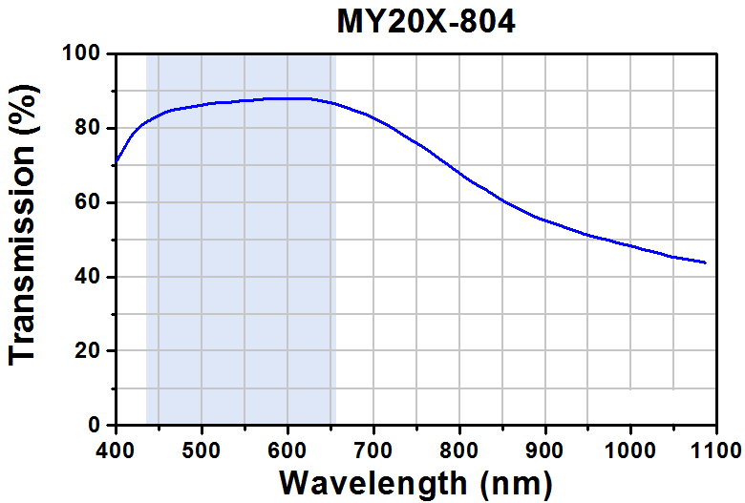
Wavelength | Transmission
nm | %
404.386995 | 71.669429393
408.88891189 | 73.280606785
413.39762355 | 75.085299411
417.90520276 | 76.857739498
422.9645933 | 78.520339759
429.13017345 | 80.036366122
435.84265761 | 81.302791656
442.54306217 | 82.225190109
449.23969185 | 83.0400801
455.93481158 | 83.811966705
462.62615644 | 84.476344847
469.31070652 | 84.947207755
475.98846182 | 85.224555431
482.66546215 | 85.480401413
489.34246248 | 85.736247396
496.0194628 | 85.992093379
502.69646313 | 86.247939361
509.37497341 | 86.546788729
516.04895384 | 86.716627942
522.72519919 | 86.950972232
529.39313981 | 86.948797903
536.06334536 | 87.011128653
542.73808077 | 87.202469557
549.41432612 | 87.436813848
556.08302172 | 87.456141212
562.75473722 | 87.561475346
569.42796267 | 87.709812866
576.10269807 | 87.901153771
582.77290362 | 87.96348452
589.44084425 | 87.961310192
596.10878487 | 87.959135863
602.7767255 | 87.956961535
609.44466613 | 87.954787206
616.11260675 | 87.952612878
622.78054738 | 87.950438549
629.44622308 | 87.883759143
636.105104 | 87.623564503
642.76247497 | 87.320366479
649.41984595 | 87.017168454
656.07646194 | 86.692468736
662.72779312 | 86.217257171
669.37761434 | 85.69904222
676.02592561 | 85.137823884
682.67423688 | 84.576605548
689.3240581 | 84.058390597
695.9716144 | 83.475670569
702.61237592 | 82.699435307
709.25313744 | 81.923200045
715.89389896 | 81.146964783
722.53164057 | 80.284722751
729.16560732 | 79.314972255
735.79730914 | 78.280716682
742.43203085 | 77.33246788
749.0659976 | 76.362717384
755.70298424 | 75.478973659
762.33619601 | 74.487721471
768.96638788 | 73.410462513
775.59431482 | 72.268698477
782.22224176 | 71.126934441
788.85243363 | 70.049675483
795.48036057 | 68.907911447
802.10979746 | 67.809150796
808.73696943 | 66.645885067
815.36867125 | 65.611629494
822.00339296 | 64.663380691
828.64188956 | 63.822640352
835.27736625 | 62.895893241
841.91057802 | 61.904641054
848.54303481 | 60.891887173
855.17851151 | 59.965140063
861.81851805 | 59.167403108
868.45927957 | 58.391167846
875.10004109 | 57.614932585
881.74080261 | 56.838697323
888.3823191 | 56.083963753
895.02836545 | 55.45824034
901.6774317 | 54.918523696
908.32725292 | 54.400308745
914.97707414 | 53.882093795
921.62538541 | 53.320875459
928.27369668 | 52.759657123
934.9235179 | 52.241442172
941.57333912 | 51.723227221
948.22165039 | 51.162008885
954.87449152 | 50.729800705
961.52808761 | 50.319094217
968.18394864 | 49.972892807
974.83905468 | 49.605189704
981.49038586 | 49.129978139
988.14398195 | 48.719271651
994.799088 | 48.351568548
1001.454194 | 47.983865446
1008.1077901 | 47.573158958
1014.7591213 | 47.097947392
1021.4142274 | 46.73024429
1028.0700884 | 46.38404288
1034.7236845 | 45.973336392
1041.3750157 | 45.498124826
1048.0286118 | 45.087418339
1054.6874927 | 44.827223699
1061.3463736 | 44.567029059
1068.0052545 | 44.30683442
1074.6641354 | 44.04663978
1081.3230164 | 43.78644514
1086.8701964 | 43.515862043

Newton-970BVF
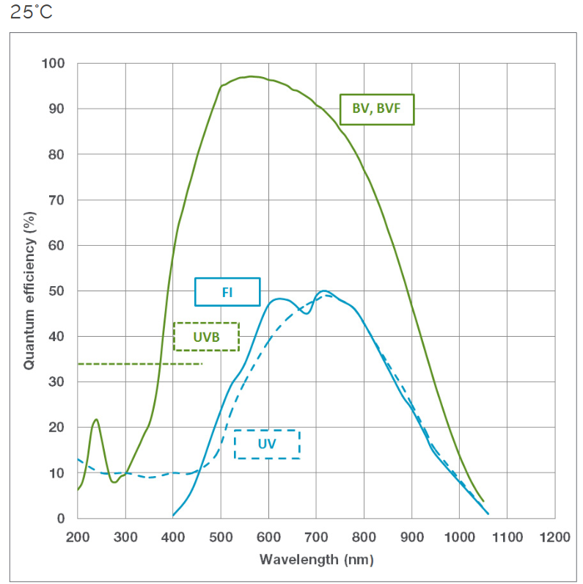
Wavelength | Quantum Efficiency
nm | %
202.64902494 | 6.8163729728
208.80088516 | 7.9257411794
211.87681527 | 9.1554107872
215.26033839 | 10.574538465
218.02867549 | 11.937131139
219.56664054 | 13.186653805
221.48909686 | 14.335506307
223.02706192 | 15.544731331
224.18053571 | 16.760598689
226.02609377 | 18.104208339
228.79443087 | 19.676348752
231.87036098 | 20.818706801
238.79120373 | 21.303609437
242.63611636 | 20.202879961
245.71204647 | 19.034839866
248.78797658 | 17.463823351
251.86390669 | 15.852509194
253.40187174 | 14.522982768
256.17020884 | 13.387121635
259.55373196 | 11.783926159
262.32206906 | 10.277326718
265.70559218 | 9.1859112961
271.08846987 | 8.1324914977
280.3162602 | 8.1476986201
289.54405053 | 9.1166166045
298.00285833 | 9.7361404766
304.15471855 | 10.731332031
308.76861371 | 11.699362728
313.38250887 | 12.774853803
317.99640404 | 13.79661469
322.6102992 | 14.872105765
327.22419437 | 15.867001557
331.83808953 | 16.942492633
336.45198469 | 18.098578992
341.06587986 | 19.039744595
346.44875755 | 20.061653362
350.29367019 | 21.029536178
353.3696003 | 22.198759322
356.4455304 | 23.62991714
359.77778802 | 25.007394063
362.59739062 | 26.431786313
364.13535568 | 27.641011338
365.67332073 | 28.769641078
367.59577705 | 29.999088864
369.13374211 | 31.329206814
370.2872159 | 32.531641624
373.36314601 | 35.400082008
371.82518095 | 33.284160038
374.90111106 | 37.052581095
376.43907611 | 38.577470982
379.82259923 | 41.989988687
378.7460237 | 40.619661824
381.43746254 | 43.561907278
382.59093633 | 44.811356004
384.12890139 | 46.181771596
385.66686644 | 47.632782473
390.28076161 | 51.797759439
391.81872666 | 52.87265899
393.35669172 | 53.974423635
395.6636393 | 55.190512815
396.43262182 | 56.124222737
397.97058688 | 57.306582666
401.70564487 | 59.913982707
399.8930432 | 58.576328094
404.50693836 | 61.317455042
407.19837721 | 62.950027129
410.27430732 | 64.421482589
413.35023743 | 65.51011045
416.42616753 | 66.639035953
419.50209764 | 67.888854381
422.57802775 | 69.158821631
425.65395786 | 70.428788881
428.72988797 | 71.618160847
431.80581808 | 72.76723517
434.88174819 | 73.855863031
437.9576783 | 75.004937354
441.03360841 | 76.254755783
444.10953852 | 77.444127749
447.18546863 | 78.613350893
450.87658476 | 79.980150789
454.10631137 | 81.092986811
456.41325896 | 81.926248391
459.48918906 | 82.826820588
463.1803052 | 83.915566754
465.64104928 | 84.856318289
468.71697939 | 85.730025392
471.7929095 | 86.758206789
474.86883961 | 87.645346439
477.94476972 | 88.653379016
481.94347886 | 89.850987967
486.40357752 | 91.052715412
490.24849016 | 92.181788796
493.93960629 | 93.238296848
496.40035038 | 94.184421401
503.32119312 | 95.099165553
512.54898345 | 95.584511832
521.77677378 | 96.123588301
531.0045641 | 96.51490675
540.23235443 | 96.825629914
549.46014476 | 96.934864868
558.68793509 | 97.057532369
567.91572542 | 97.072739491
577.14351574 | 96.980486235
586.37130607 | 96.834502789
596.14836963 | 96.490974633
604.82688673 | 96.287317498
614.05467705 | 96.074171315
623.28246738 | 95.726699659
632.51025771 | 95.365795456
641.73804804 | 94.843700684
650.96583837 | 94.187280439
660.19362869 | 93.90697152
669.42141902 | 93.344579106
678.64920935 | 92.728456503
687.87699968 | 92.045171163
697.10479001 | 91.106667423
706.33258033 | 90.409949536
715.56037066 | 89.646068912
724.78816099 | 88.640402436
733.24696879 | 87.723242891
740.16781153 | 86.850114989
746.31967175 | 85.88415463
753.2405145 | 84.922371916
760.16135724 | 84.053273779
766.31321746 | 83.08731342
772.46507768 | 82.040757776
778.6169379 | 80.953904491
784.76879812 | 79.7663071
790.15167581 | 78.712887302
794.76557097 | 77.612305706
799.37946614 | 76.525156658
803.9933613 | 75.545467989
808.60725647 | 74.632942057
813.22115163 | 73.586090651
817.45055553 | 72.398123557
822.06445069 | 71.270676867
826.14005809 | 70.026263498
830.90774976 | 68.794072515
834.75266239 | 67.747073228
838.44377853 | 66.708103893
841.67350514 | 65.693224414
843.98045272 | 64.914580312
847.67156885 | 63.872924467
850.90129547 | 62.793568761
853.20824305 | 62.014924659
856.89935918 | 61.037745041
860.2828823 | 59.893942684
863.97399843 | 58.867062642
867.04992854 | 57.779617832
870.12585865 | 56.813065947
873.20178876 | 55.806216421
876.27771887 | 54.71877161
879.968835 | 53.562939113
882.42957909 | 52.617761
885.5055092 | 51.637776568
891.65736942 | 50.276899317
892.93900696 | 49.495371529
895.24595454 | 48.29494544
897.80922963 | 47.328294968
900.88515974 | 46.140106052
903.96108985 | 45.072810063
907.03701996 | 43.985365253
910.72813609 | 42.769086292
913.18888018 | 41.7164478
916.26481029 | 40.723030821
919.77870545 | 39.748715171
922.41667051 | 38.507843558
925.49260062 | 37.440547568
928.56853073 | 36.312805116
931.64446084 | 35.185062663
934.72039095 | 34.178213137
937.79632105 | 33.050470684
941.48743719 | 31.814042903
943.94818127 | 30.721106769
947.02411138 | 29.848582716
950.10004149 | 28.700691442
953.1759716 | 27.613246632
956.25190171 | 26.666843569
959.32783182 | 25.700291684
963.01894795 | 24.564608008
966.24867457 | 23.485252302
968.55562215 | 22.599147821
972.24673828 | 21.568238014
975.47646489 | 20.565447828
978.552395 | 19.639193586
980.85934258 | 18.840400662
984.55045872 | 17.895459159
987.78018533 | 16.900728501
991.2406067 | 15.954399379
995.4700106 | 14.773148559
999.31492324 | 13.800028282
1003.9288184 | 12.773325697
1008.1582223 | 11.665953887
1013.1566087 | 10.572162506
1017.7705039 | 9.552176195
1022.3843991 | 8.5321898838
1027.7672768 | 7.4787700854
1033.919137 | 6.3516191579
1040.0709972 | 5.3252123355
1046.9918399 | 4.3191022154
371.9266055 | 34.187155963
386.60550459 | 48.959209598
388.0733945 | 50.190261115

HoribaGrating-300
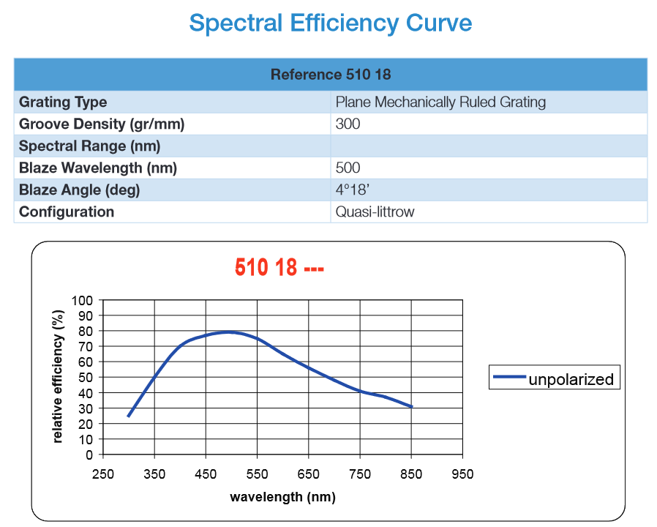
Wavelength | Relative Efficiency
nm | %
302.41285882 | 26.424552496
313.81297598 | 31.769682261
323.7880785 | 36.78752347
333.76318102 | 41.737477012
344.37162338 | 46.856254711
355.85090803 | 52.367620957
366.30101543 | 57.646221288
380.78866432 | 63.032301312
395.03881078 | 68.617481971
410.71397188 | 71.940242376
426.38913298 | 74.658082515
442.06429408 | 76.247341606
457.73945518 | 77.555792616
473.41461629 | 78.767760849
489.08977739 | 79.222267286
504.76493849 | 79.148278513
520.44009959 | 78.417630844
536.11526069 | 76.516229484
551.79042179 | 74.606187876
567.46558289 | 71.435081406
583.140744 | 68.724788198
598.8159051 | 65.225558
614.4910662 | 62.055480131
630.1662273 | 59.383656601
645.8413884 | 56.786715226
661.5165495 | 53.956487137
677.1917106 | 51.132019214
692.8668717 | 49.063573047
708.54203281 | 46.645196811
724.21719391 | 44.134657922
739.89235501 | 41.965408854
755.56751611 | 40.098568489
771.24267721 | 38.966149258
786.91783831 | 37.812129405
802.59299941 | 36.420502715
818.26816052 | 34.640064837
833.94332162 | 32.62202012
848.19346807 | 30.856817829

HoribaGrating-600
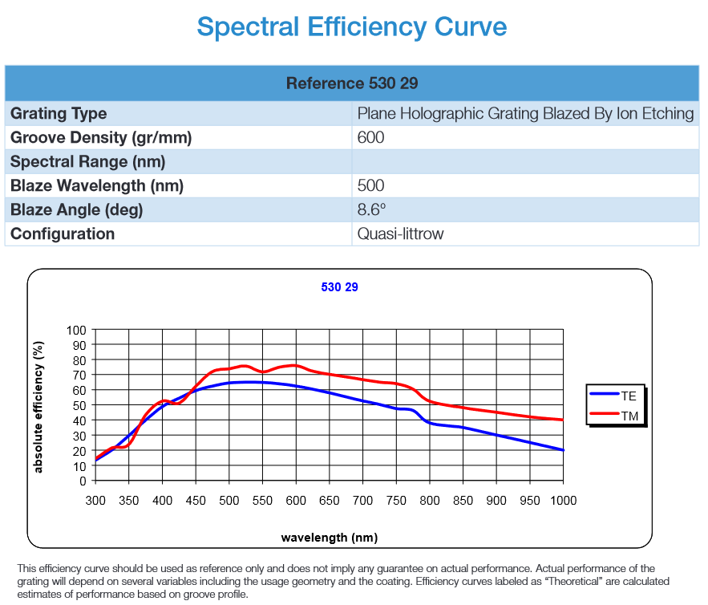
Wavelength | TE, Absolute Efficiency | Wavelength | TM, Absolute Efficiency
nm | % | nm | %
304.99599038 | 14.4256602 | 304.99599038 | 16.17291447
315.79976559 | 17.505566031 | 315.79976559 | 19.489736133
325.40312134 | 20.039719317 | 326.60354081 | 21.829279985
336.20689655 | 24.938800294 | 337.40731602 | 22.095810297
347.01067177 | 28.84791154 | 348.21109123 | 23.783835608
356.61402751 | 32.871250063 | 356.61402751 | 28.599149915
366.21738326 | 36.954875204 | 362.61612485 | 33.769837973
377.02115847 | 40.930619028 | 368.61822219 | 39.15375028
387.82493369 | 45.047031628 | 375.820739 | 44.103598935
398.6287089 | 48.689612562 | 385.42409475 | 48.659998083
408.57504164 | 51.185690089 | 396.22786996 | 51.976819746
420.23625933 | 53.872146411 | 407.03164518 | 52.717181724
431.04003454 | 56.182075783 | 417.83542039 | 51.354915684
443.34433409 | 58.543830494 | 428.63919561 | 52.628338287
452.64758497 | 60.120801508 | 438.84276109 | 57.244495222
463.45136019 | 61.571910986 | 448.44611683 | 61.908775686
474.2551354 | 62.726875672 | 458.64968231 | 66.487914523
485.05891062 | 63.792996921 | 469.45345753 | 70.752399518
495.86268583 | 64.651816816 | 480.25723274 | 73.240015766
506.66646104 | 65.155262962 | 491.06100796 | 73.950763265
517.47023626 | 65.273720878 | 501.86478317 | 74.454209411
528.27401147 | 65.273720878 | 512.66855839 | 75.52033066
539.07778669 | 65.273720878 | 523.4723336 | 75.905318888
549.8815619 | 65.244106399 | 534.27610882 | 74.661510765
560.68533712 | 64.888732649 | 545.07988403 | 72.736569621
571.48911233 | 64.474129942 | 555.88365924 | 72.588497225
582.29288755 | 63.941069317 | 566.68743446 | 74.158064619
593.09666276 | 63.289550776 | 577.49120967 | 75.52033066
603.90043797 | 62.489959839 | 588.29498489 | 76.20146368
614.70421319 | 61.631139944 | 599.0987601 | 76.319921596
625.5079884 | 60.653862133 | 609.90253532 | 75.16495691
636.31176362 | 59.646969842 | 620.70631053 | 73.299244724
647.11553883 | 58.551234114 | 631.51008574 | 72.055436601
657.91931405 | 57.455498386 | 642.31386096 | 71.107773268
668.72308926 | 56.270919221 | 653.11763617 | 70.36741129
679.52686447 | 55.086340055 | 663.92141139 | 69.68627827
690.33063969 | 53.90176089 | 674.7251866 | 68.916301812
701.1344149 | 52.806025162 | 685.52896182 | 68.175939834
711.93819012 | 51.82874735 | 696.33273703 | 67.317119939
722.74196533 | 50.79224058 | 707.13651224 | 66.57675796
733.54574055 | 49.637275894 | 717.94028746 | 65.836395982
744.34951576 | 48.423082249 | 728.74406267 | 65.244106399
755.15329098 | 47.71233475 | 739.54783789 | 64.888732649
765.95706619 | 47.445804438 | 750.3516131 | 64.355672025
776.7608414 | 45.99469496 | 761.15538832 | 63.200707339
787.56461662 | 41.907896839 | 771.95916353 | 61.364609632
798.36839183 | 38.768762051 | 782.76293875 | 58.136631406
809.17216705 | 37.347267052 | 793.56671396 | 54.257134639
819.97594226 | 36.72536299 | 804.37048917 | 52.124892142
830.77971748 | 36.251531324 | 815.17426439 | 50.969927455
841.58349269 | 35.836928616 | 825.9780396 | 50.081493081
852.3872679 | 35.0077232 | 836.78181482 | 49.341131103
863.19104312 | 34.00083091 | 847.58559003 | 48.630383603
873.99481833 | 32.934709661 | 858.38936525 | 47.830792667
884.79859355 | 31.838973933 | 869.19314046 | 47.149659647
895.60236876 | 30.684009247 | 879.99691567 | 46.557370064
906.40614398 | 29.647502477 | 890.80069089 | 45.905851523
917.20991919 | 28.640610186 | 901.6044661 | 45.283947461
928.01369441 | 27.4856455 | 912.40824132 | 44.602814441
938.81746962 | 26.419524251 | 923.21201653 | 43.921681421
949.62124483 | 25.353403002 | 934.01579175 | 43.27016288
960.42502005 | 24.228052795 | 944.81956696 | 42.648258818
971.22879526 | 23.161931546 | 955.62334218 | 42.055969235
982.03257048 | 22.036581339 | 966.42711739 | 41.55252309
992.83634569 | 20.911231131 | 977.2308926 | 41.108305903
1000.0388625 | 20.318941549 | 988.03466782 | 40.782546632
 |  | 997.03781383 | 40.397558403

