6. Legacy Excel (.FLOAT)
6. Excel 2016-2021 Compatibility (=SMILES2IMG.FLOAT & =NAME2IMG.FLOAT)
💡 Append '.FLOAT' to any function name to generate floating picture shapes anchored to cells in Excel 2016, 2019, and 2021!
No. | Input Category | Compound Name | Chemical SMILES | Applied Preset | Formula Text | Floating Molecular Shape (Over Cell) | Features & Legacy Behavior
1 | Basic | Ethanol | CCO | Default | =SMILES2IMG.FLOAT(D4) |  | Automatic cell-anchored floating shape on Excel 2016/2019/2021
2 | Basic | Caffeine | Cn1cnc2c1c(=O)n(C)c(=O)n2C | Default | =SMILES2IMG.FLOAT(D5) | 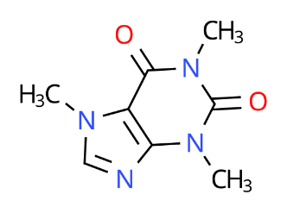 | Locked to cell movement and resizing (xlMoveAndSize)
3 | Background | Paracetamol | CC(=O)Nc1ccc(O)cc1 | bg="white" | =SMILES2IMG.FLOAT(D6, "white") | 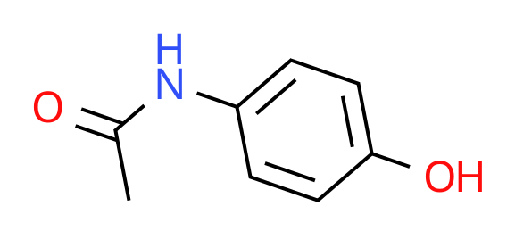 | Opaque white background floating picture
4 | Single Style | Aspirin | CC(=O)Oc1ccccc1C(=O)O | style="bw" | =SMILES2IMG.FLOAT(D7, , "bw") | 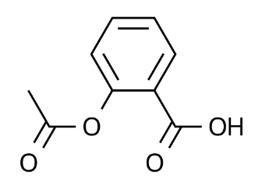 | Monochrome patent line art floating shape for legacy Excel
5 | Single Style | L-Lactic Acid | C[C@H](O)C(=O)O | style="stereo" | =SMILES2IMG.FLOAT(D8, , "stereo") | 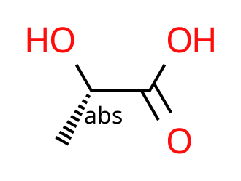 | Chiral R/S stereochemical labels in floating mode
6 | Single Style | Ethanol | CCO | style="h" | =SMILES2IMG.FLOAT(D9, , "h") | 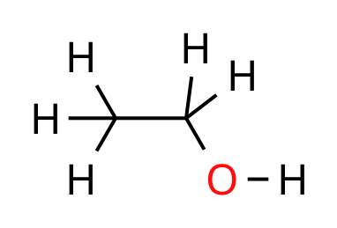 | All C-H hydrogens unfolded in floating shape mode
7 | Multi-Style | Aspirin | CC(=O)Oc1ccccc1C(=O)O | style="bw num" | =SMILES2IMG.FLOAT(D10, , "bw num") | 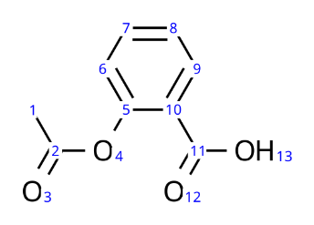 | Monochrome combined with atom numbers in floating mode
8 | Dark Mode | Nicotine | CN1CCC[C@H]1c2cccnc2 | style="white stereo" | =SMILES2IMG.FLOAT(D11, "#1e1e1e", "white stereo") | 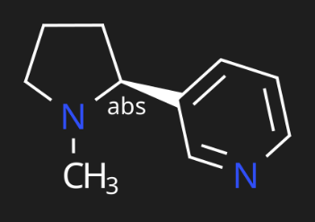 | Dark canvas with pure-white bonds and chiral labels
9 | Transform | Nicotine | CN1CCC[C@H]1c2cccnc2 | transform="flip" | =SMILES2IMG.FLOAT(D12, , , "flip") | 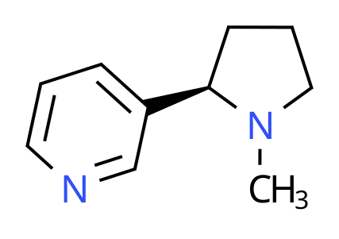 | Textbook horizontal reflection in floating mode
10 | All-in-One | Aspirin | CC(=O)Oc1ccccc1C(=O)O | White + Full + Rot | =SMILES2IMG.FLOAT(D13, "white", "bw num stereo h all-c", "rot90") |  | Ultimate all-in-one floating molecular rendering on legacy Excel

