Purpose
What you learn
Built-in Functions

Link | Topic Covered | What you Learn

VBAExcel | VBA versus Excel Worksheet Functions - some examples | ▪ Using VBA Date Function ▪ Lower Case, Upper Case and Proper Case ▪ Difference between VBA & Excel functions ▪ Using Max worksheet function
VBAFunctions | Working with VBA Functions | ▪ VBA Month & MonthName functions ▪ VBA ISEMPTY function (similar to ISBLANK in Excel) ▪ VBA TYPENAME function
MsgBox | Display Message Box with MsgBox Function | ▪ Quick & simple message box with MsgBox function ▪ MsgBox that asks for user feedback
InputBox_VBA | Create an Input Box: InputBox VBA Function | ▪ Quick & simple input box with InputBox function ▪ Use Input box to add data to the last row of the database
InputBox_Excel | Create an Input Box: Excel InputBox Method | ▪ Excel Input Box method for more flexibility (e.g. data validation) ▪ Use Input box to allow user to select ranges
Activity | Activity: Create an Input Box and a Message Box | With an input box, the user will select a range of numbers and with message box they find out which are the top 3 values in the range selected.

InputBox_VBA
Create an InputBox to add a Subtitle
Create an Input Box: InputBox VBA Function

Create an InputBox to add the customer name to the next empty cell.
Customer Name
Tanox
Wencal

InputBox_Excel
Create an Input Box: Excel InputBox Method

Add the customer name and amount to the next available row (use InputBox Method for the amount)
Customer Name | Amount Invoiced
Tanox | 200
Wencal | 300

Let the user highlight a range. Once they press ok, let them know how many blank cells and non-blank cells are in the selected range.

Activity
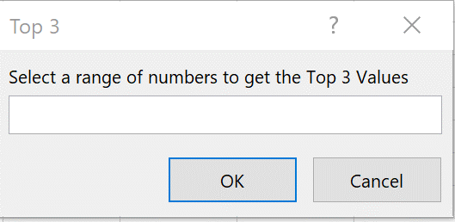
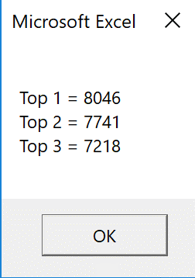
Activity: Create an Input Box and a Message Box
The aim of the exercise is as follows: |  | Example of input box | Example of message box
1. Create an input box which allows the user to highlight a range of numbers.
2. After the user clicks ok, they will get a message box.
3. The message box shows them the top 3 numbers, in the format shown.
4. Assign the macro to the button.

Bid Amount
6335
6173
7203
7070
8046
7218 | The answer is in the completed workbook in module "ProjectActivity"
7741
6042
6381
8489
7820
6951
7702
8916
7615
7793
8477
7899
6503
7254
8651
7018
7186
7006
7183
8076

