Classification
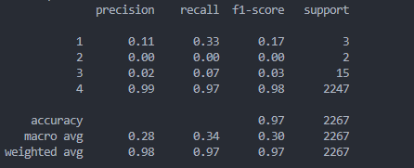
RandomForestClassifier(n_estimators=5000, random_state=100) | Data | Accuracy | MSE | Classification Report
 | Summer Season Summaries | 0.97 | 0.08

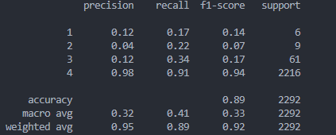
 | Spring Season Summaries | 0.89 | 0.19

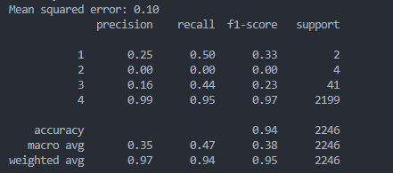
 | Winter Season Summaries | 0.94 | 0.1

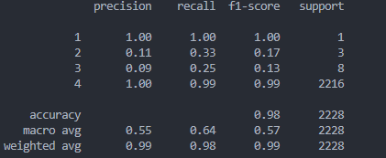
 | Fall Season Summaries | 0.98 | 0.03

