Head
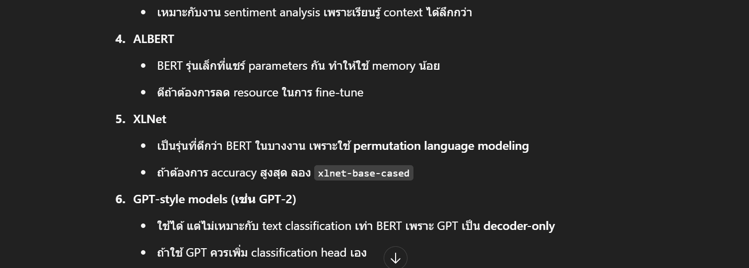
Head | Task | Output
MaskedLM | Fill [MASK], pre-training | logits → vocab_size
SequenceClassification | Sentiment, Spam, Topic classification | logits → num_labels
TokenClassification | NER, POS tagging | logits → per-token labels
QuestionAnswering | Extractive QA | logits → start/end position

