TestChart
All data is in Cylindrical coordinate system (r,q,z) |  |  |  |  |  |  | Smooth endwall
Gap size is 1.8 mm. with casing treatment
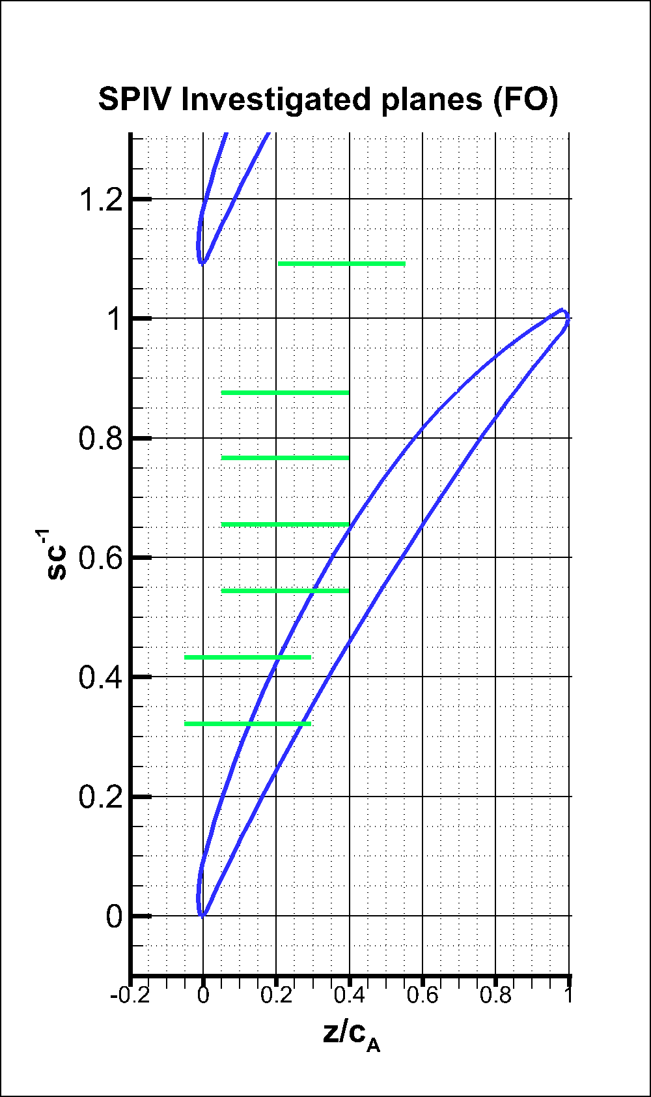
Small Tip Gap Q 0.35
s/c=0.328
s/c=0.437
s/c=0.546
s/c=0.655
s/c=0.763
s/c=0.873
s/c = 10%
s/c = 5.5%
s/c = -5.5%
s/c = -10%
s/c = 55%
Large Tip Gap Q 0.25 and 0.35
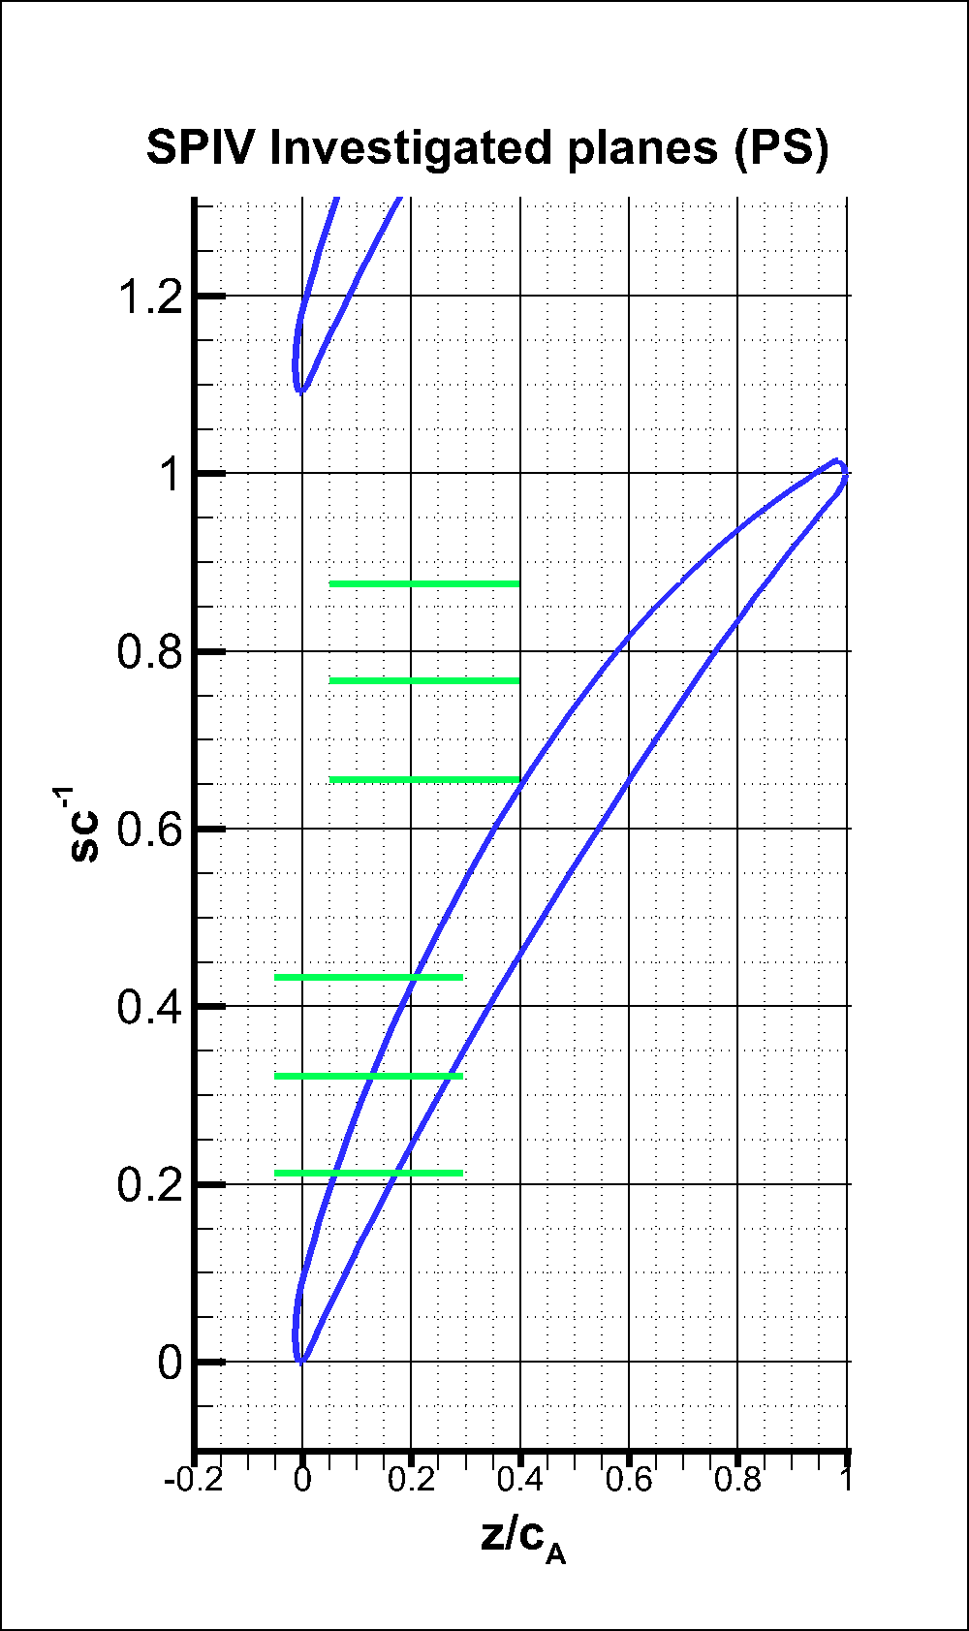
Small Tip Gap Q 0.25
s/c=0.328
s/c=0.437
s/c=0.218
s/c=0.655
s/c=0.763
s/c=0.873
Casing Treatment (tip gap size) | Plane |  | Flow Rate | Co-ordinate systems (x,y) |  | Phases
Smooth end wall (small tip gap) | Meridional planes |  | 0.25 | (z,r) |  | 6
 |  |  | 0.35 | (z,r) |  | 6

Smooth end wall (large tip gap) | Meridional planes |  | 0.25 | (z,r) |  | 14
 |  |  | 0.35 | (z,r) |  | 14

Semicircular Axial Casing Groove (large tip gap) | Meridional planes | theta 1 | 0.25 | L1 | (z,r) | 14

 |  | theta 2 | 0.25 | L1 | (z,r) | 14
 |  |  | 0.35 | L1 | (z,r) | 14
 |  |  |  | L2
 |  |  | 0.38 | L1 | (z,r) | 14
 |  |  |  | L2

 |  | theta 3 | 0.25 | L1 | (z,r) | 14

 | Radial planes | Tip plane (R1) | 0.25 | (z,-q) |  | 14
 |  |  | 0.35 | (z,-q) |  | 14
 |  |  | 0.38 | (z,-q) |  | 14

 |  | Tip Gap (R2) | 0.35 | (z,-q) |  | 14
 |  |  | 0.38 | (z,-q) |  | 14
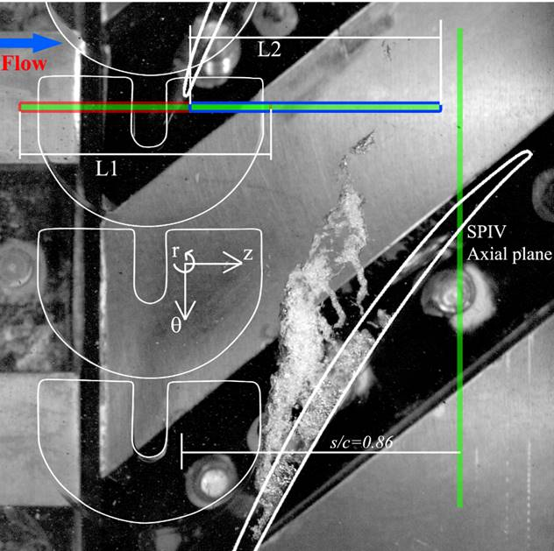
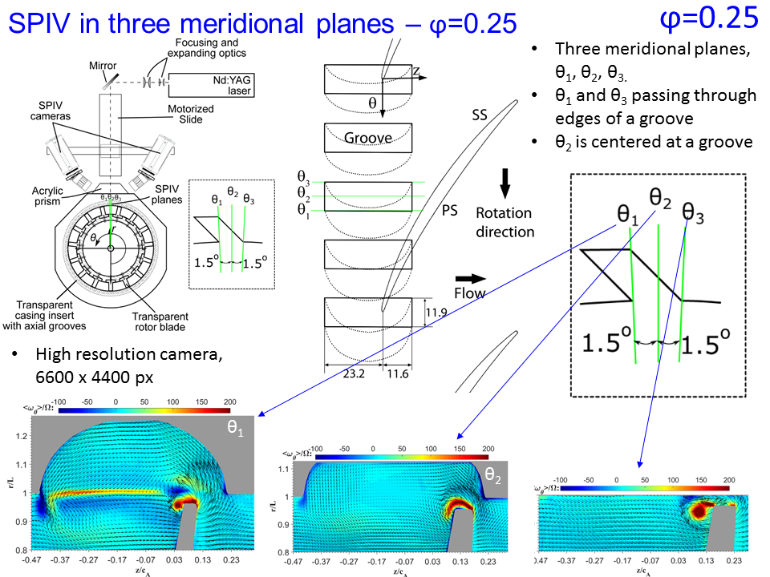
U-Groove (large tip gap) | Radial | Tip Plane (R1) | 0.25 | (z,-q) |  | 14
 |  |  | 0.35 |  |  | 14
 |  |  | 0.38 |  |  | 14

 |  | Tip Gap (R2) | 0.25 | (z,-q) |  | 14
 |  |  | 0.35 |  |  | 14
 |  |  | 0.38 |  |  | 14

 | Meridional | 0 deg (M1) | 0.25 | (z,r) |  | 14
 |  |  | 0.35 |  |  | 14
 |  |  | 0.38 |  |  | 14

 |  | 3 deg (M2) | 0.25 | (z,r) |  | 14
 |  |  | 0.35 |  |  | 14
 |  |  | 0.38 |  |  | 14

 | Axial | s/c=0.86 | 0.25 | (q,r) |  | 1
 |  |  | 0.38 |  |  | 1

S-Groove (large tip gap) | Radial | Tip Plane (R1) | 0.25 | (z,-q) |  | 14
 |  |  | 0.35 |  |  | 14
 |  |  | 0.38 |  |  | 14

 |  | Tip Gap (R2) | 0.25 | (z,-q) |  | 14
 |  |  | 0.35 |  |  | 14
 |  |  | 0.38 |  |  | 14

 | Meridional | 0 deg (M1) | 0.25 | (z,r) |  | 14
 |  |  | 0.35 |  |  | 14
 |  |  | 0.38 |  |  | 14

 |  | 3 deg (M1) | 0.25 | (z,r) |  | 14
 |  |  | 0.35 |  |  | 14
 |  |  | 0.38 |  |  | 14

 | Axial | s/c=0.86 | 0.25 | (q,r) |  | 1
 |  |  | 0.38 |  |  | 1

 |  | L1 : Axial position of Meridional plane around the grooves
 |  | L2 : Axial position of Meridional plane downstream of grooves.

 |  | In radial plane plots +ve y axis is -ve q direction. Y coordinates are normalised by passage height.

All Data
Data Filename | Size in GB
Q25_smooth_small_sc218 | 0.813
Q25_smooth_small_sc328 | 0.795
Q25_smooth_small_sc437 | 0.956
Q25_smooth_small_sc655 | 1.089
Q25_smooth_small_sc764 | 1.102
Q25_smooth_small_sc873 | 1.084
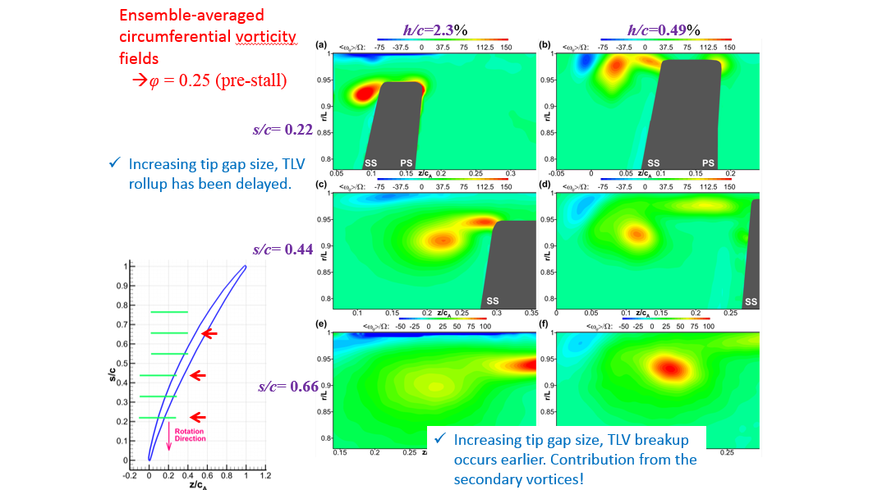
Q35_smooth_small_sc328 | 0.779
Q35_smooth_small_sc437 | 0.957
Q35_smooth_small_sc546 | 1.078
Q35_smooth_small_sc655 | 1.086
Q35_smooth_small_sc764 | 1.086
Q35_smooth_small_sc873 | 1.152
Q25_smooth_large_sc000 Smooth wall large gap Q25 | 1.528
Q25_smooth_large_sc055 | 0.994
Q25_smooth_large_sc-055 | 1.428
Q25_smooth_large_sc109 | 0.972
Q25_smooth_large_sc-109 | 1.435
Q25_smooth_large_sc163 | 0.955
Q25_smooth_large_sc-163 | 1.434
all_data_sc218.mat | 1.74
all_data_sc328.mat | 1.732
all_data_sc437.mat | 1.707
all_data_sc546.mat | 1.56
all_data_sc655.mat | 1.748
all_data_sc764.mat | 1.759
all_data_sc873.mat | 1.751
all_data_+05h.mat Smooth wall large gap Q35 | 0.707
all_data_LE_+10h.mat | 1.406
all_data_LE_+15h.mat | 1.359
all_data_LE_+00h.mat | 0.616
all_data_LE_-05h.mat | 1.531
all_data_LE_-10h.mat | 1.529
all_data_LE_-15h.mat | 1.529
Q35_smooth_large_sc218 | 0.363
Q35_smooth_large_sc328 | 0.969
Q35_smooth_large_sc437 | 0.886
Q35_smooth_large_sc546 | 1.015
Q35_smooth_large_sc655 | 1.131
Q35_smooth_large_sc764 | 1.521
Q35_smooth_large_sc873 | 1.52
Q25_AxialGroove_sc000_theta1 | 3.432
Q25_AxialGroove_sc055_theta1 | 3.655
Q25_AxialGroove_sc109_theta1 | 3.524
Q25_AxialGroove_sc163_theta1 | 4
Q25_AxialGroove_sc218_theta1 | 2.958
Q25_AxialGroove_sc328_theta1 | 1.975
Q25_AxialGroove_sc437_theta1 | 3.477
Q25_AxialGroove_sc546_theta1 | 3.785
Q25_AxialGroove_sc655_theta1 | 3.714
Q25_AxialGroove_sc764_theta1 | 3.755
Q25_AxialGroove_sc873_theta1 | 3.719
Q25_AxialGroove_sc927_theta1 | 3.654
Q25_AxialGroove_sc982_theta1 | 3.572
Q25_AxialGroove_sc1036_theta1 | 3.675
Q25_AxialGroove_sc000_theta2 | 3.012
Q25_AxialGroove_sc055_theta2 | 3.09
Q25_AxialGroove_sc109_theta2 | 3.458
Q25_AxialGroove_sc163_theta2 | 3.4
Q25_AxialGroove_sc218_theta2 | 3.385
Q25_AxialGroove_sc328_theta2 | 2.926
Q25_AxialGroove_sc437_theta2 | 3.181
Q25_AxialGroove_sc546_theta2 | 3.626
Q25_AxialGroove_sc655_theta2 | 3.484
Q25_AxialGroove_sc764_theta2 | 3.605
Q25_AxialGroove_sc873_theta2 | 3.61
Q25_AxialGroove_sc927_theta2 | 3.198
Q25_AxialGroove_sc982_theta2 | 3.331
Q25_AxialGroove_sc1036_theta2 | 3.621
Q25_AxialGroove_sc000_theta3 | 2.656
Q25_AxialGroove_sc055_theta3 | 2.756
Q25_AxialGroove_sc109_theta3 | 2.293
Q25_AxialGroove_sc163_theta3 | 2.727
Q25_AxialGroove_sc218_theta3 | 2.713
Q25_AxialGroove_sc328_theta3 | 2.728
Q25_AxialGroove_sc437_theta3 | 2.775
Q25_AxialGroove_sc546_theta3 | 2.901
Q25_AxialGroove_sc655_theta3 | 2.911
Q25_AxialGroove_sc764_theta3 | 2.899
Q25_AxialGroove_sc873_theta3 | 2.886
Q25_AxialGroove_sc927_theta3 | 2.898
Q25_AxialGroove_sc982_theta3 | 2.901
Q25_AxialGroove_sc1036_theta3 | 2.858
all_data_L1_035_sc-055.mat SemiCircle Grooves | 1.312
all_data_L1_035_sc-109.mat | 1.313
all_data_L1_035_sc-163.mat | 1.313
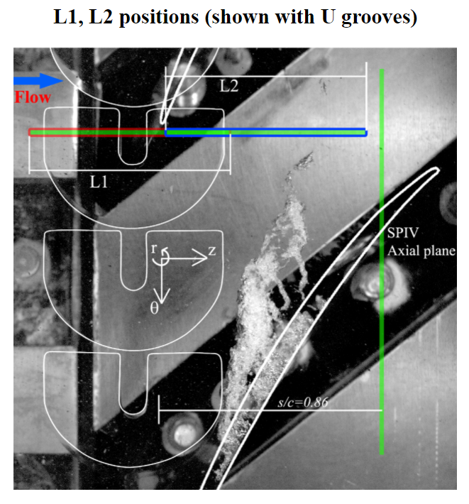
all_data_L1_035_sc000.mat | 3.213
all_data_L1_035_sc055.mat | 1.281
all_data_L1_035_sc109.mat | 1.276
all_data_L1_035_sc163.mat | 3.094
all_data_L1_035_sc218.mat | 3.085
all_data_L1_035_sc328.mat | 2.99
all_data_L1_035_sc437.mat | 2.999
all_data_L1_035_sc546.mat | 3.214
all_data_L1_035_sc655.mat | 1.312
all_data_L1_035_sc764.mat | 1.312
all_data_L1_035_sc873.mat | 1.311
all_data_L1_038_sc-055.mat | 1.311
all_data_L1_038_sc-109.mat | 1.274
all_data_L1_038_sc-163.mat | 1.186
all_data_L1_038_sc000.mat | 3.209
all_data_L1_038_sc055.mat | 1.279
all_data_L1_038_sc109.mat | 1.274
all_data_L1_038_sc163.mat | 1.257
all_data_L1_038_sc218.mat | 3.075
all_data_L1_038_sc328.mat | 2.881
all_data_L1_038_sc437.mat | 3.049
all_data_L1_038_sc546.mat | 1.306
all_data_L1_038_sc655.mat | 1.308
all_data_L1_038_sc764.mat | 1.306
all_data_L1_038_sc873.mat | 1.306
Q25_AxialGroove_sc000_radial_plane | 2.412
Q25_AxialGroove_sc055_radial_plane | 1.054
Q25_AxialGroove_sc109_radial_plane | 2.711
Q25_AxialGroove_sc163_radial_plane | 2.619
Q25_AxialGroove_sc218_radial_plane | 2.703
Q25_AxialGroove_sc328_radial_plane | 2.697
Q25_AxialGroove_sc437_radial_plane | 2.619
Q25_AxialGroove_sc546_radial_plane | 0.568
Q25_AxialGroove_sc655_radial_plane | 2.665
Q25_AxialGroove_sc746_radial_plane | 3.118
Q25_AxialGroove_sc873_radial_plane | 0.829
Q25_AxialGroove_sc927_radial_plane | 2.79
Q25_AxialGroove_sc982_radial_plane | 2.456
Q25_AxialGroove_sc1036_radial_plane | 1.796
U_Groove_Q25_M1_plane_sc000_all_data | 0.251
U_Groove_Q25_M1_plane_sc055_all_data | 0.244
U_Groove_Q25_M1_plane_sc-055_all_data | 0.252
U_Groove_Q25_M1_plane_sc109_all_data | 0.24
U_Groove_Q25_M1_plane_sc-109_all_data | 0.252
U_Groove_Q25_M1_plane_sc163_all_data | 0.237
U_Groove_Q25_M1_plane_sc-163_all_data | 0.252
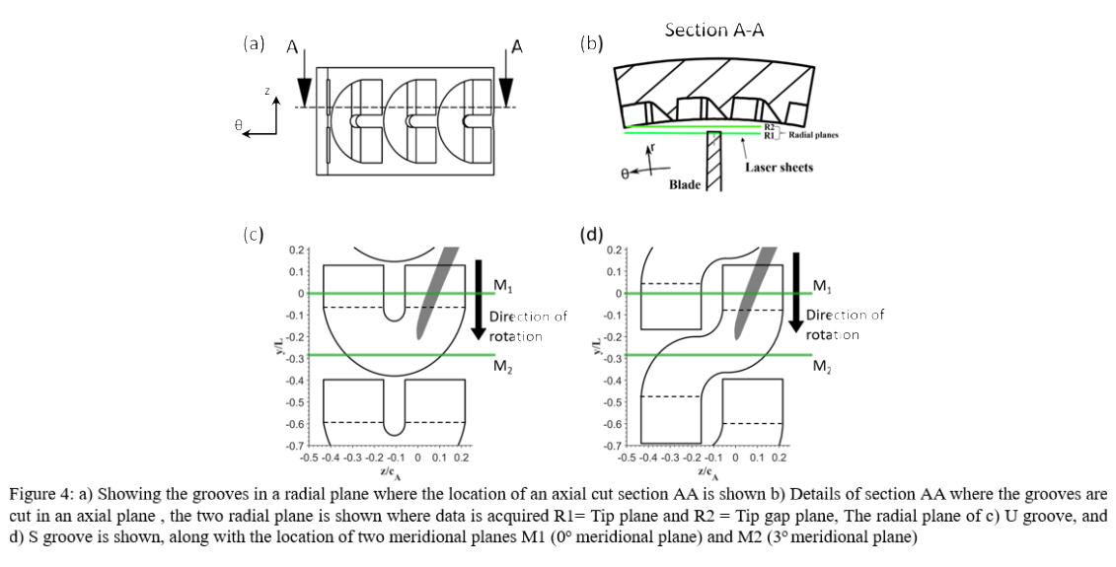
U_Groove_Q25_M1_plane_sc218_all_data | 0.234
U_Groove_Q25_M1_plane_sc328_all_data | 0.23
U_Groove_Q25_M1_plane_sc437_all_data | 0.238
U_Groove_Q25_M1_plane_sc546_all_data | 0.251
U_Groove_Q25_M1_plane_sc655_all_data | 0.252
U_Groove_Q25_M1_plane_sc764_all_data | 0.252
U_Groove_Q25_M1_plane_sc873_all_data | 0.252
U_Groove_Q38_M1_plane_sc000_all_data | 0.246
U_Groove_Q38_M1_plane_sc055_all_data | 0.239
U_Groove_Q38_M1_plane_sc-055_all_data | 0.247
U_Groove_Q38_M1_plane_sc109_all_data | 0.235
U_Groove_Q38_M1_plane_sc-109_all_data | 0.247
U_Groove_Q38_M1_plane_sc163_all_data | 0.233
U_Groove_Q38_M1_plane_sc-163_all_data | 0.245
U_Groove_Q38_M1_plane_sc218_all_data | 0.23
U_Groove_Q38_M1_plane_sc328_all_data | 0.227
U_Groove_Q38_M1_plane_sc437_all_data | 0.235
U_Groove_Q38_M1_plane_sc546_all_data | 0.247
U_Groove_Q38_M1_plane_sc655_all_data | 0.247
U_Groove_Q38_M1_plane_sc764_all_data | 0.247
U_Groove_Q38_M1_plane_sc873_all_data | 0.247
S_Groove_Q25_M1_plane_sc000_all_data | 0.271
S_Groove_Q25_M1_plane_sc055_all_data | 0.263
S_Groove_Q25_M1_plane_sc-055_all_data | 0.274
S_Groove_Q25_M1_plane_sc109_all_data | 0.258
S_Groove_Q25_M1_plane_sc-109_all_data | 0.274
S_Groove_Q25_M1_plane_sc163_all_data | 0.257
S_Groove_Q25_M1_plane_sc-163_all_data | 0.274
S_Groove_Q25_M1_plane_sc218_all_data | 0.254
S_Groove_Q25_M1_plane_sc328_all_data | 0.25
S_Groove_Q25_M1_plane_sc437_all_data | 0.261
S_Groove_Q25_M1_plane_sc546_all_data | 0.274
S_Groove_Q25_M1_plane_sc655_all_data | 0.275
S_Groove_Q25_M1_plane_sc764_all_data | 0.275
S_Groove_Q25_M1_plane_sc873_all_data | 0.274
S_Groove_Q38_M1_plane_sc000_all_data | 0.267
S_Groove_Q38_M1_plane_sc055_all_data | 0.258
S_Groove_Q38_M1_plane_sc-055_all_data | 0.268
S_Groove_Q38_M1_plane_sc109_all_data | 0.254
S_Groove_Q38_M1_plane_sc-109_all_data | 0.268
S_Groove_Q38_M1_plane_sc163_all_data | 0.251
S_Groove_Q38_M1_plane_sc-163_all_data | 0.268
S_Groove_Q38_M1_plane_sc218_all_data | 0.25
S_Groove_Q38_M1_plane_sc328_all_data | 0.247
S_Groove_Q38_M1_plane_sc437_all_data | 0.256
S_Groove_Q38_M1_plane_sc546_all_data | 0.269
S_Groove_Q38_M1_plane_sc655_all_data | 0.269
S_Groove_Q38_M1_plane_sc764_all_data | 0.269
S_Groove_Q38_M1_plane_sc873_all_data | 0.269
U_Groove_Q25_M2_plane_sc000_all_data | 0.268
U_Groove_Q25_M2_plane_sc055_all_data | 0.268
U_Groove_Q25_M2_plane_sc-055_all_data | 0.267
U_Groove_Q25_M2_plane_sc109_all_data | 0.269
U_Groove_Q25_M2_plane_sc-109_all_data | 0.267
U_Groove_Q25_M2_plane_sc163_all_data | 0.257
U_Groove_Q25_M2_plane_sc-163_all_data | 0.267
U_Groove_Q25_M2_plane_sc218_all_data | 0.256
U_Groove_Q25_M2_plane_sc328_all_data | 0.251
U_Groove_Q25_M2_plane_sc437_all_data | 0.244
U_Groove_Q25_M2_plane_sc546_all_data | 0.247
U_Groove_Q25_M2_plane_sc655_all_data | 0.266
U_Groove_Q25_M2_plane_sc764_all_data | 0.267
U_Groove_Q25_M2_plane_sc873_all_data | 0.267
U_Groove_Q38_M2_plane_sc000_all_data | 0.132
U_Groove_Q38_M2_plane_sc055_all_data | 0.132
U_Groove_Q38_M2_plane_sc-055_all_data | 0.132
U_Groove_Q38_M2_plane_sc109_all_data | 0.132
U_Groove_Q38_M2_plane_sc-109_all_data | 0.131
U_Groove_Q38_M2_plane_sc163_all_data | 0.129
U_Groove_Q38_M2_plane_sc-163_all_data | 0.131
U_Groove_Q38_M2_plane_sc218_all_data | 0.126
U_Groove_Q38_M2_plane_sc328_all_data | 0.124
U_Groove_Q38_M2_plane_sc437_all_data | 0.121
U_Groove_Q38_M2_plane_sc546_all_data | 0.123
U_Groove_Q38_M2_plane_sc655_all_data | 0.132
U_Groove_Q38_M2_plane_sc764_all_data | 0.133
U_Groove_Q38_M2_plane_sc873_all_data | 0.263
S_Groove_Q25_M2_plane_sc000_all_data | 0.221
S_Groove_Q25_M2_plane_sc055_all_data | 0.221
S_Groove_Q25_M2_plane_sc-055_all_data | 0.221
S_Groove_Q25_M2_plane_sc109_all_data | 0.221
S_Groove_Q25_M2_plane_sc-109_all_data | 0.221
S_Groove_Q25_M2_plane_sc163_all_data | 0.215
S_Groove_Q25_M2_plane_sc-163_all_data | 0.221
S_Groove_Q25_M2_plane_sc218_all_data | 0.213
S_Groove_Q25_M2_plane_sc328_all_data | 0.209
S_Groove_Q25_M2_plane_sc437_all_data | 0.206
S_Groove_Q25_M2_plane_sc546_all_data | 0.21
S_Groove_Q25_M2_plane_sc655_all_data | 0.22
S_Groove_Q25_M2_plane_sc764_all_data | 0.221
S_Groove_Q25_M2_plane_sc873_all_data | 0.222
S_Groove_Q38_M2_plane_sc000_all_data | 0.217
S_Groove_Q38_M2_plane_sc055_all_data | 0.11
S_Groove_Q38_M2_plane_sc-055_all_data | 0.217
S_Groove_Q38_M2_plane_sc109_all_data | 0.217
S_Groove_Q38_M2_plane_sc-109_all_data | 0.217
S_Groove_Q38_M2_plane_sc163_all_data | 0.211
S_Groove_Q38_M2_plane_sc-163_all_data | 0.217
S_Groove_Q38_M2_plane_sc218_all_data | 0.209
S_Groove_Q38_M2_plane_sc328_all_data | 0.205
S_Groove_Q38_M2_plane_sc437_all_data | 0.201
S_Groove_Q38_M2_plane_sc546_all_data | 0.207
S_Groove_Q38_M2_plane_sc655_all_data | 0.218
S_Groove_Q38_M2_plane_sc764_all_data | 0.218 |  |  |  | L1 and L2 planes for semi-circular grooves, ONLY
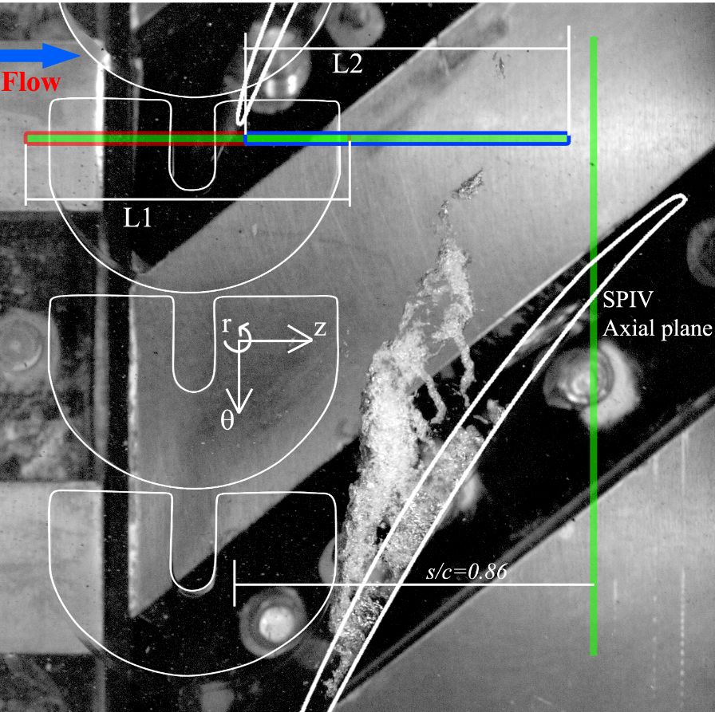
S_Groove_Q38_M2_plane_sc873_all_data | 0.218
all_data_L2_035_sc000.mat SemiCircle Grooves | 1.004
all_data_L2_035_sc-055.mat | 1.425
all_data_L2_035_sc-109.mat | 1.389
all_data_L2_035_sc163.mat | 1.115
all_data_L2_035_sc-163.mat | 1.382
all_data_L2_035_sc218.mat | 2.649
all_data_L2_035_sc328.mat | 1.582
all_data_L2_035_sc437.mat | 3.081
all_data_L2_035_sc546.mat | 1.888
all_data_L2_035_sc655.mat | 1.044
all_data_L2_035_sc764.mat | 0.855
all_data_L2_035_sc873.mat | 1.347 |  |  | Total Size
all_data_sc000_L2_Q38.mat SemiCircle Grooves | 0.301
all_data_sc055_L2_Q38.mat | 0.512
all_data_sc-055_L2_Q38.mat | 0.517
all_data_sc109_L2_Q38.mat | 0.525
all_data_sc-109_L2_Q38.mat | 0.507
all_data_sc163_L2_Q38.mat | 0.519
all_data_sc-163_L2_Q38.mat | 0.453
all_data_sc218_L2_Q38.mat | 0.513
all_data_sc328_L2_Q38.mat | 0.624
all_data_sc437_L2_Q38.mat | 0.628
all_data_sc546_L2_Q38.mat | 0.492
all_data_sc655_L2_Q38.mat | 0.491
all_data_sc764_L2_Q38.mat | 0.497
all_data_sc873_L2_Q38.mat | 0.483
all_data_sc000.mat S_Groove Q25 at R2 | 0.201
all_data_sc055.mat | 0.201
all_data_sc-055.mat | 0.201
all_data_sc109.mat | 0.201
all_data_sc-109.mat | 0.202
all_data_sc163.mat | 0.201
all_data_sc-163.mat | 0.2
all_data_sc218.mat | 0.2
all_data_sc328.mat | 0.199
all_data_sc437.mat | 0.2
all_data_sc546.mat | 0.2
all_data_sc655.mat | 0.199
all_data_sc764.mat | 0.199
all_data_sc873.mat | 0.2
all_data_sc000.mat S_Groove Q38 at R1 | 0.103
all_data_sc055.mat | 0.103
all_data_sc-055.mat | 0.103
all_data_sc109.mat | 0.103
all_data_sc-109.mat | 0.103
all_data_sc163.mat | 0.103
all_data_sc-163.mat | 0.103
all_data_sc218.mat | 0.103
all_data_sc328.mat | 0.103
all_data_sc437.mat | 0.103
all_data_sc546.mat | 0.103
all_data_sc655.mat | 0.102
all_data_sc764.mat | 0.103
all_data_sc873.mat | 0.103
all_data_sc000.mat S_Groove Q38 at R2 | 0.204
all_data_sc055.mat | 0.205
all_data_sc-055.mat | 0.203
all_data_sc109.mat | 0.205
all_data_sc-109.mat | 0.203
all_data_sc163.mat | 0.205
all_data_sc-163.mat | 0.203
all_data_sc218.mat | 0.205
all_data_sc328.mat | 0.204
all_data_sc437.mat | 0.204
all_data_sc546.mat | 0.204
all_data_sc655.mat | 0.204
all_data_sc764.mat | 0.204
all_data_sc873.mat | 0.204
S_groove_point.mat | 0
all_data_sc000.mat U_Groove Q25 at R1 | 0.295
all_data_sc055.mat | 0.294
all_data_sc-055.mat | 0.302
all_data_sc109.mat | 0.294
all_data_sc-109.mat | 0.295
all_data_sc163.mat | 0.293
all_data_sc-163.mat | 0.294
all_data_sc218.mat | 0.293
all_data_sc328.mat | 0.191
all_data_sc437.mat | 0.19
all_data_sc546.mat | 0.29
all_data_sc655.mat | 0.292
all_data_sc764.mat | 0.301
all_data_sc873.mat | 0.192
all_data_sc000.mat U_Groove Q38 at R1 | 0.192
all_data_sc055.mat | 0.191
all_data_sc-055.mat | 0.192
all_data_sc109.mat | 0.192
all_data_sc-109.mat | 0.192
all_data_sc163.mat | 0.191
all_data_sc-163.mat | 0.192
all_data_sc218.mat | 0.191
all_data_sc328.mat | 0.19
all_data_sc437.mat | 0.19
all_data_sc546.mat | 0.171
all_data_sc655.mat | 0.191
all_data_sc764.mat | 0.192
all_data_sc873.mat | 0.192
all_data_sc000.mat U_Groove Q38 at R2 | 0.189
all_data_sc055.mat | 0.188
all_data_sc-055.mat | 0.188
all_data_sc109.mat | 0.188
all_data_sc-109.mat | 0.188
all_data_sc163.mat | 0.188
all_data_sc-163.mat | 0.188
all_data_sc218.mat | 0.188
all_data_sc328.mat | 0.188
all_data_sc437.mat | 0.172
all_data_sc546.mat | 0.172
all_data_sc655.mat | 0.172
all_data_sc764.mat | 0.188
all_data_sc873.mat | 0.188
all_data_S_groove_Q025_axial_plane_sc086.mat | 3.045
all_data_S_grooves_Q038_axial_plane_sc086.mat | 3.418
all_data_sc000.mat Semi circle Grooves Q35 at R1 | 0.235
all_data_sc055.mat | 0.235
all_data_sc-055.mat | 0.235
all_data_sc109.mat | 0.235
all_data_sc-109.mat | 0.235
all_data_sc163.mat | 1.185
all_data_sc-163.mat | 0.235
all_data_sc218.mat | 0.215
all_data_sc328.mat | 1.18
all_data_sc437.mat | 1.18
all_data_sc546.mat | 0.955
all_data_sc655.mat | 0.233
all_data_sc764.mat | 0.959
all_data_sc873.mat | 0.967
all_data_sc000.mat Semi circle Grooves Q35 at R2 | 0.603
all_data_sc055.mat | 1.006
all_data_sc-055.mat | 0.209
all_data_sc109.mat | 0.189
all_data_sc-109.mat | 0.209
all_data_sc163.mat | 0.21
all_data_sc-163.mat | 0.208
all_data_sc218.mat | 1.048
all_data_sc328.mat | 1.068
all_data_sc437.mat | 0.189
all_data_sc546.mat | 0.865
all_data_sc655.mat | 0.188
all_data_sc764.mat | 0.865
all_data_sc873.mat | 0.863
all_data_sc000.mat Semi circle Grooves Q38 at R1 | 0.235 | 2020-05-20
all_data_sc055.mat | 0.235
all_data_sc-055.mat | 0.235
all_data_sc109.mat | 0.235
all_data_sc-109.mat | 0.235
all_data_sc163.mat | 0.234
all_data_sc-163.mat | 0.235
all_data_sc218.mat | 0.234
all_data_sc328.mat | 0.234
all_data_sc437.mat | 0.233
all_data_sc546.mat | 0.233
all_data_sc655.mat | 0.233
all_data_sc764.mat | 0.233
all_data_sc873.mat | 0.235
all_data_sc000.mat Semi circle Grooves Q38 at R2 | 0.209 | 2020-05-20
all_data_sc055.mat | 0.209
all_data_sc-055.mat | 0.209
all_data_sc109.mat | 0.209
all_data_sc-109.mat | 0.209
all_data_sc163.mat | 0.21
all_data_sc-163.mat | 0.209
all_data_sc218.mat | 0.21
all_data_sc328.mat | 0.21
all_data_sc437.mat | 0.21
all_data_sc546.mat | 0.21
all_data_sc655.mat | 0.209
all_data_sc764.mat | 0.209
all_data_sc873.mat | 0.209
all_data_sc000.mat S_Grooves Q25 at R1 | 0.52 | 2020-05-22
all_data_sc055.mat | 0.519
all_data_sc-055.mat | 0.521
all_data_sc109.mat | 0.517
all_data_sc-109.mat | 0.522
all_data_sc163.mat | 0.518
all_data_sc-163.mat | 0.522
all_data_sc218.mat | 0.518
all_data_sc328.mat | 0.517
all_data_sc437.mat | 0.518
all_data_sc546.mat | 0.517
all_data_sc655.mat | 0.516
all_data_sc764.mat | 0.52
all_data_sc873.mat | 0.52
all_data_sc000.mat U_Groove Q25 at R2 | 0.149 | 2020-05-27
all_data_sc055.mat | 0.299
all_data_sc-055.mat | 0.295
all_data_sc109.mat | 0.149
all_data_sc-109.mat | 0.295
all_data_sc163.mat | 0.149
all_data_sc-163.mat | 0.297
all_data_sc218.mat | 0.298
all_data_sc328.mat | 0.294
all_data_sc437.mat | 0.294
all_data_sc546.mat | 0.294
all_data_sc655.mat | 0.294
all_data_sc764.mat | 0.294
all_data_sc873.mat | 0.295 | 375.964 | GB
Q14_Stall_Axial_Casing_Groove.avi | 0.956
Q15_Prestall_Axial_Casing_Groove.avi | 0.383
Q20_Axial_Casing_Groove.avi | 0.13
Q24_Axial_Casing_Groove.avi | 0.13
Q24_Stall_Smooth_Large_Gap.avi | 0.202
Q25_Axial_Casing_Groove | 0.137
Q25_Prestall_Smooth_Large_Gap_1.avi | 0.142
Q25_Prestall_Smooth_Large_Gap_2.avi | 0.168
Q25_Smooth_Small_Gap.avi | 0.097
Q35_Axial_Casing_Groove.avi | 0.072
Q35_Highflowrate_Smooth_Large_Gap.avi | 0.056
Q35_Smooth_Small_Gap.avi | 0.097
Q38_Axial_Casing_Groove.avi | 0.07 | 378.604 | GB

GeometryParameters
