Account Creation
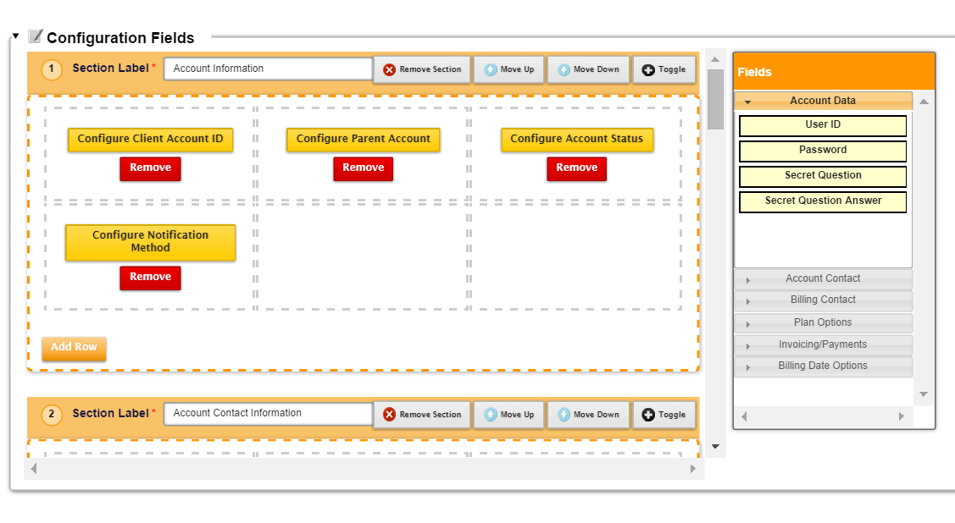
Account Registration Best Practices
An account creation template is a template that contains your chosen layout and fields that you want to display on the screen on which Aria users create accounts. Users working in the Accounts section of Aria can create accounts based on your chosen profile.

Template Name: Set No. 1 - Customer Entry Template

Configuration Basics
Configure Roles for this set
Available | Selected | SGAS Value | Production Y/N | Dev / Testing Y/N
System Adminstrator | Yes | Yes
Billing Administrator | Yes | Yes

Configuration Options
Configure Countries
Available | Selected | SGAS Value | Production Y/N | Dev / Testing Y/N
Belgium | No | No
France | No | No
Ireland | No | No
Luxemburg | No | No
Sweden | No | No
United Kingdom | No | Yes
Canada | Yes | Yes
United Stated | Yes | Yes

Configure Coupons
Available | Selected | SGAS Value | Production Y/N | Dev / Testing Y/N
ehdupnqu68it443l2skq18oxkwehtn | No | No

Configure Account Status | No | No
Available | Selected | SGAS Value | Production Y/N | Dev / Testing Y/N
Permanent | No | No
Installation Pending | No | No
Registered Pending Activation | No | No
Active Trial | No | No
Active Non-Billable | No | No
Inactive | Yes | Yes
Active | Yes | Yes

Configure Notification Methods
Available | Selected | SGAS Value | Production Y/N | Dev / Testing Y/N
Text Email w/link to HTML | No | No
Data Export | No | No
None | No | No
Printable & Text Email | No | No
Printable & Text Email w/Surcharge | No | No
Printable (no email) | No | Yes
PDF (Printing Required, no email) | No | Yes
PDF (delivered by email) | No | Yes
PDF (Printing req & email w/surcharge) | No | Yes
PDF (printing req, no email w/surcharge) | No | Yes
XML Master File | No | Yes
PDF Master File | No | Yes
HTML email | Yes | Yes
Text email | Yes | Yes
Printable (no email, w/surcharge) | Yes | Yes

Configure Payment Methods | Selected | SGAS Value | Production Y/N | Dev / Testing Y/N
Net Terms 30 | Yes | Yes

Configure Security Question | Selected | SGAS Value | Production Y/N | Dev / Testing Y/N
 | No Question

Configure Functional Account Groups | Selected | SGAS Value | Production Y/N | Dev / Testing Y/N
Sungard Padded Statement Value | No | No
USA Based Funct Acct Group | No | No

Configure Collection Account Group | Selected | SGAS Value | Production Y/N | Dev / Testing Y/N
None available |  | No

Configure Screen Placement of Available Fields for Account Template
https://secure.future.stage.ariasystems.net/ui/app.php/AccountConfig

