Rates
Pricing_Components | USD_Rates | GBP_Rates | CAN_Rates | EUR_Rates | Swedish_Rates
Workplace - RAM | 0.0220472 | 0.0149703 | 0.0259379 | 0.019401575 | 0,2528981
Workplace - vCPU | 0.0105443 | 0.0071597 | 0.0124051 | 0.009279014 | 0,1130138
Workplace - Software - Windows Server 2008 R2 | 0.0075 | 0.0046 | 0.0088 | 0.0066 | 0,0618
Workplace - Software - Windows Server 2012 R2 | 0.0075 | 0.0046 | 0.0088 | 0.0066 | 0,0618
Workplace - Software - MS SQL Server Web | 0.06 | 0.04 | 0.07 | 0.0528 | 0,4947
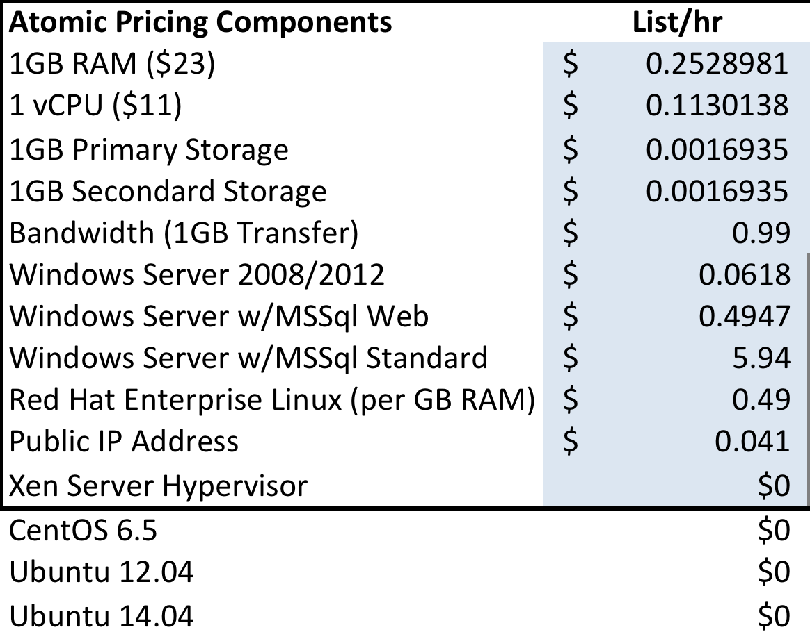
Workplace - Software - MS SQL Server Standard | 0.72 | 0.44 | 0.85 | 0.6336 | 5,94
Workplace - Software - RHEL | 0.06 | 0 | 0 | 0.0528 | 0,49
Workplace - Software - CentOS | 0 | 0 | 0 | 0 | 0
Workplace - Software - Debian | 0 | 0 | 0 | 0 | 0
Workplace - Software - SUSE | 0 | 0 | 0 | 0 | 0
Workplace - Software - Novell | 0 | 0 | 0 | 0 | 0
Workplace - Software - Ubuntu | 0 | 0 | 0 | 0 | 0
Workplace - Software - Fedora | 0 | 0 | 0 | 0 | 0
Workplace - Primary Storage | 0.000205409 | 0.000139 | 0.000241 | 0.00018076 | 0,0016935
Workplace - Secondary Storage | 0.000205409 | 0.000139 | 0.000241 | 0.00018076 | 0,0016935
Workplace - IP - IPV4 | 0.005 | 0.003 | 0.006 | 0.0044 | 0,041
Workplace - IP - IPv6 | 0 | 0 | 0 | 0 | 0
Workplace - Network In | 0 | 0 | 0 | 0 | 0
Workplace - Network Out | 0.12 | 0.07 | 0.14 | 0.1056 | 0,99

