EOR_Data Gathering
DATA GATHERING

Section | Field | Type | Value | Units/Notes | Guidance
Overview | Project Name | text | Garraf EOR Screening |  | Project identifier
 | Field | text | Garraf
 | Reservoir / Zone | text | Mishrif
 | Current Recovery Mechanism | list:Primary; Waterflood; Gasflood; Other | Waterflood |  | Select one
 | Current RF |  | 20% | % | at Techlife
 | EOR Methods Under Consideration | list:CO2 miscible; HC gas miscible; Polymer; ASP; Surfactant; Thermal; WAG; HnP; Other | Polymer, ASP, Surfactant |  | Choose most likely method at this stage
 | Data Cutoff Date | date | 2025-12-31 |  | YYYY-MM-DD
 | Report Source / Reference | text |  |  | Link or document ID
Reservoir & Rock | Depth TVDSS | number | 2300 | m
 | Net Pay | number | 38 | m
 | Gross Thickness | number | 38 | m
 | Area | number |  | km^2
 | Porosity, phi | number | 0.24 |  | fraction (0-1)
 | Permeability, k | number | 30 | mD
 | NTG | number | 1 |  | fraction (0-1)
 | Kv/Kh | number | 0.7 | ratio
 | Initial Swi | number |  |  | fraction (0-1)
 | Sor | number |  |  | fraction (0-1)
 | Wettability Index (Amott/USBM) | text |  |  | state index & method
 | Capillary Pressure Curves Available? | list:Yes; No |  |  | Yes/No
 | Rock Type / Lithology | list:Sandstone; Carbonate; Mixed; Shale; Other | Carbonate
 | Fracturing (Natural/Induced) | list:None; Natural; Induced; Both | Natural
 | Temperature | number | 74 | °C
 | Initial Reservoir Pressure | number | 3900 | psi
 | Current Reservoir Pressure | number | 3100 | psi
 | Bubble Point Pressure, Pb | number | 2646 | psi
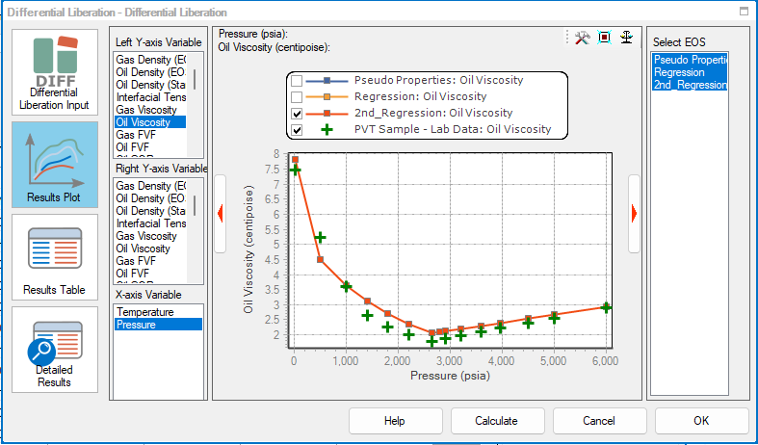
Fluids (PVT & Water) | Fluid type | text | Black Oil (Medium) |  | Volatile Oil, Dry Gas, Wet Gas, Gas‑Condensate, Black Oil (Light/Medium Oil), Heavy Oil, Extra‑Heavy Oil / Bitumen
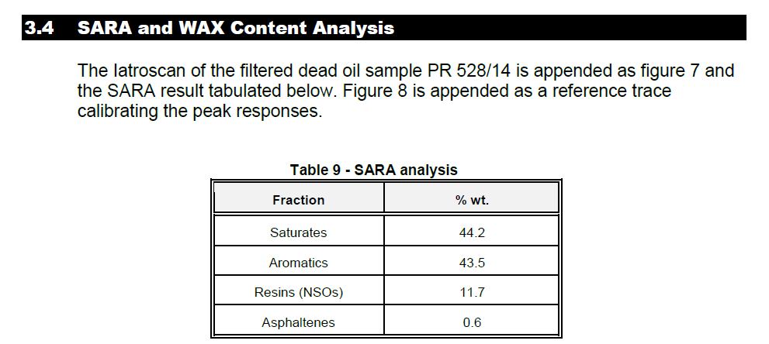
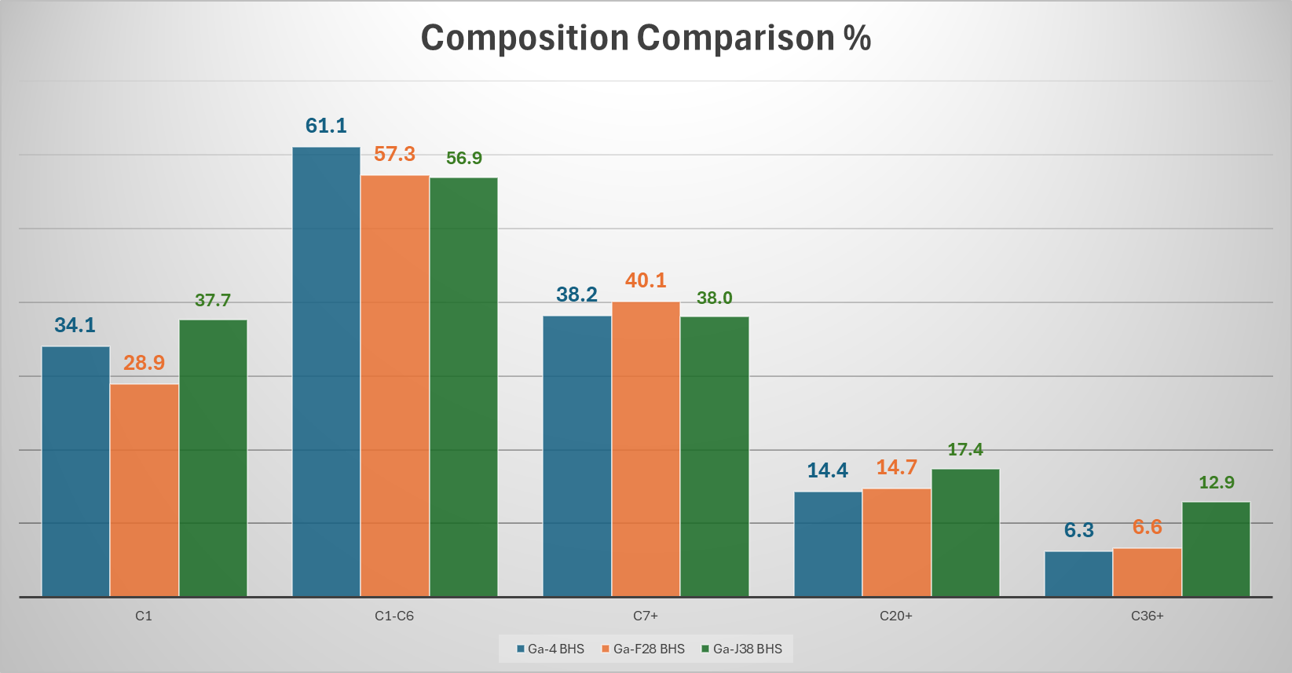
 | GOR | number | 574 | scf/STB
 | Oil Density @ 20°C | number |  | g/cc
 | Oil Density @ Pb | number | 0.75 | g/cc
 | API Gravity | number | 25 | deg API
 | Oil Viscosity @ reservoir | number | 2.2 | cP
 | Oil Viscosity @ Pb | number | 1.78 | cP
 | MMP (if available)
 | Solution Gas Composition | Number and text | 98.7 mol%:C1-C7+ 0.54 mol%: C02 0.75 mol%:N2 | mol% | mol% (C1-C7+, CO2, N2, H2S)
 | Stock Tank Oil Composition (SARA) | Number and text | 44.2 wt%: Saturates 43.5 wt%: Aromatics 11.7 wt%: Resins 0.6 wt%: Asphalthenes | wt% | %wt Saturates/Aromatics/Resins/Asphaltenes |  |  |  | Yes
 | Formation Water Salinity | number | 177000 | ppm | ppm TDS |  |  |  | No
 | Formation Water Composition | Number and text |  | ppm | ppm cation and Anions (Na, Ca, Mg, Cl, SO4, HCO3 etc) | Issue | Risk Level | Reason
 | Injection Water Composition | Number and text |  | ppm | ppm cation and Anions (Na, Ca, Mg, Cl, SO4, HCO3 etc) | Wax deposition | Moderate | High saturate content
 | Hardness | Number and text |  | ppm | ppm (Ca²⁺+Mg²⁺) | Asphaltene precipitation | Very Low | Only 0.6% asphaltene + high aromatics
SCAL / Rock-Fluid | Relative Permeability Curves Available? | list:Yes; No | Yes |  | Yes/No | Asphaltene deposition | Very Low | Strong resin stabilization
 | RelPerm Endpoints (Krw/Kro) | Number | 0.9 |  | values or reference | Emulsion tendency | Low–Moderate | Resins may stabilize emulsions
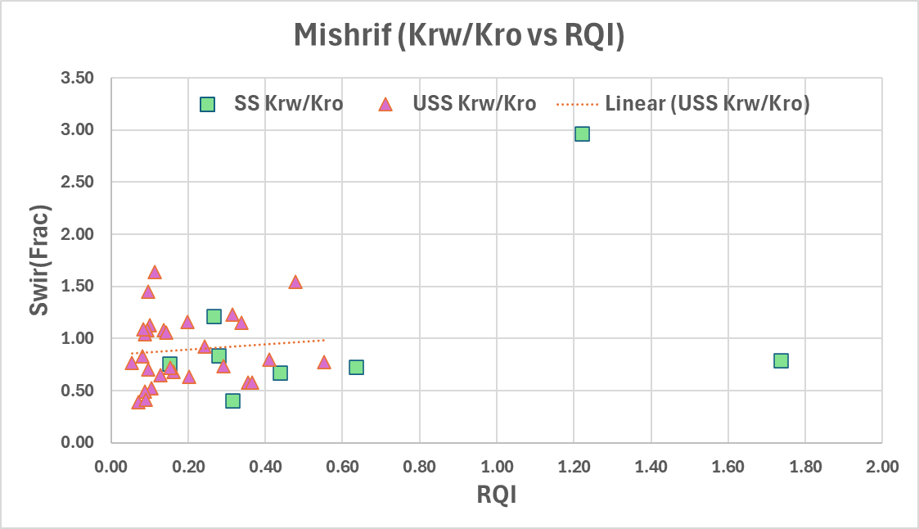
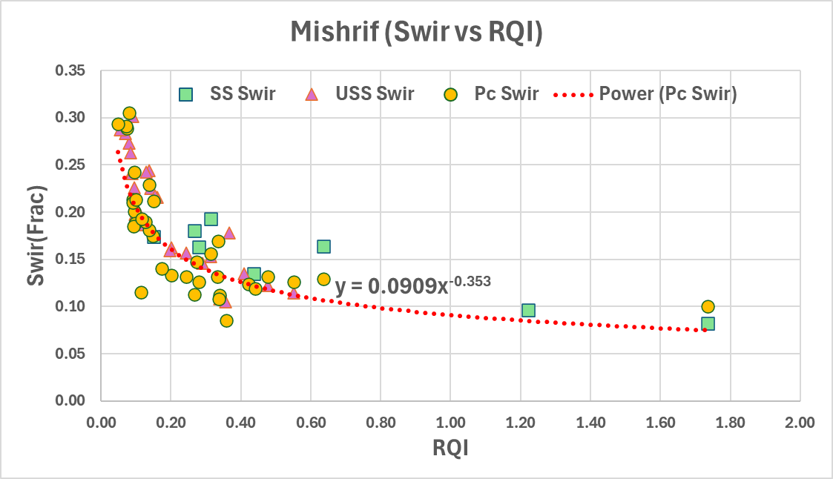
 | Sor | Number | 0.3 |  |  | Viscosity increase at low T | Moderate | Paraffinic components
 | Swi | Number | 0.2
 | Sorg | Number | 0.1 |  | Assumption (NA)
 | Pc Curves (ow/go) | Number |  |  | values or reference
 | Wettability Alteration Evidence | Number | NA |  | lab/field evidence
 | IFT Measurements | Number | NA | mN/m
Wells & Completions | Number of Producers | number | 121 | as of Jan 2026 | count
 | Number of Injectors | number | 34 | as of Jan 2026 | count
 | Completion Type | list:Openhole; Cased & Perforated; Slotted Liner; Other | Openhole; Cased & Perforated; Slotted Liner; Other
 | Artificial Lift | list:None; ESP; Gas Lift; Rod Pump; PCP; Other | ESP
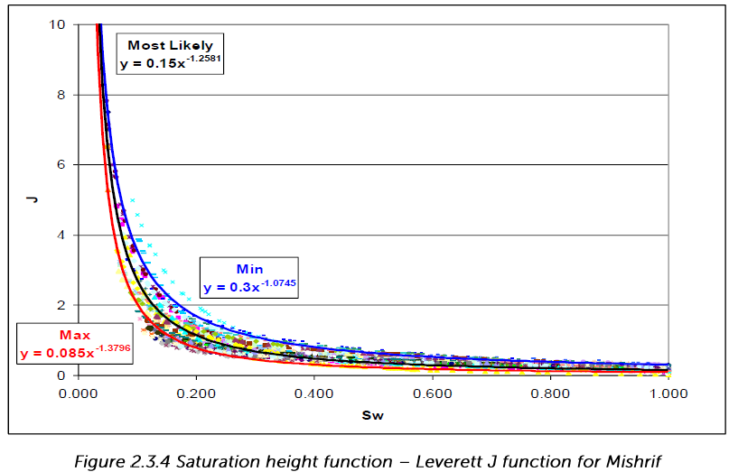
 | Treatments (Acid/Frac) | text | Acidizing |  | summary
 | Integrity / Scaling / Asphaltene Issues | text | Scaling Issue (CaCo3,CaS04) |  | summary
Patterns & Surveillance | Pattern Type | list:5-spot; 7-spot; 9-spot; Line drive; Peripheral; N/A | Inverted 9-spot
 | Average Well Spacing | number | 900 | m
 | Tracers / Interwell Tests Run? | list:Yes; No | No |  | Yes/No
 | Pressure Monitoring | text | PDG & SGS |  | downhole/surface
 | Waterflood Start Date | date | Apr-19 |  | YYYY-MM-DD
 | Gas flood start date | Date | N/A |  | YYYY-MM-DD
 | GOR trend / Watercut trend | text | GOR flat at Rsi, Pres > Pb. Watercut increasing gently. |  | brief notes
EOR Screening | Presence of H2S/CO2 | list:None; CO2; H2S; Both | H2S at WellPad K&H
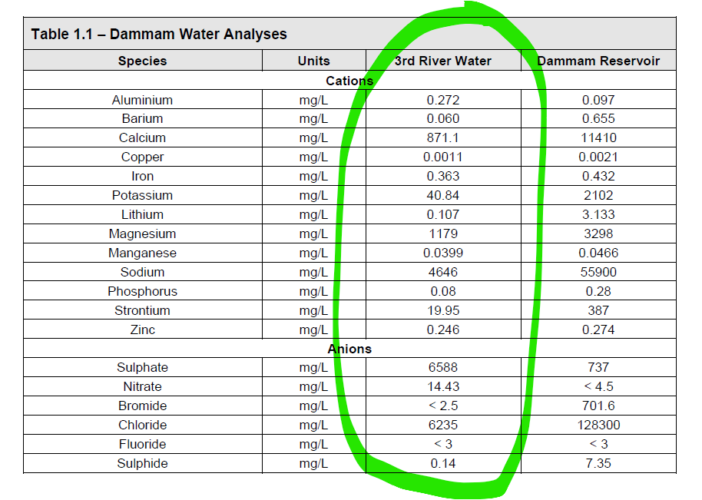
 | Gas Source Availability (CO2/HC/N2) | text | None |  | logistics summary
Facilities / Ops / Economics | Injection Facilities Capacity | text | 400 kbwpd |  | k bbl/d or MMscf/d
 | Produced Fluids Handling Issues | text | Sludge at certain Wellpad |  | emulsion/paraffin/asphaltene
 | Water Source & Treatment | text | Third River
 | Gas Processing / CO2 Capture | text | None
Simulation and dynamic modeling | Software | text | Eclipse-100, Tnav |  | CMG Stars, GEMS, Eclipse-100, Eclipse-300, Tnav, etc
 | latest model name | text | Mishrif Internal Model Jan 2026 |  | file name
 | date | text | 2025-12-01 |  | YYYY-MM-DD

Screening_Parameters
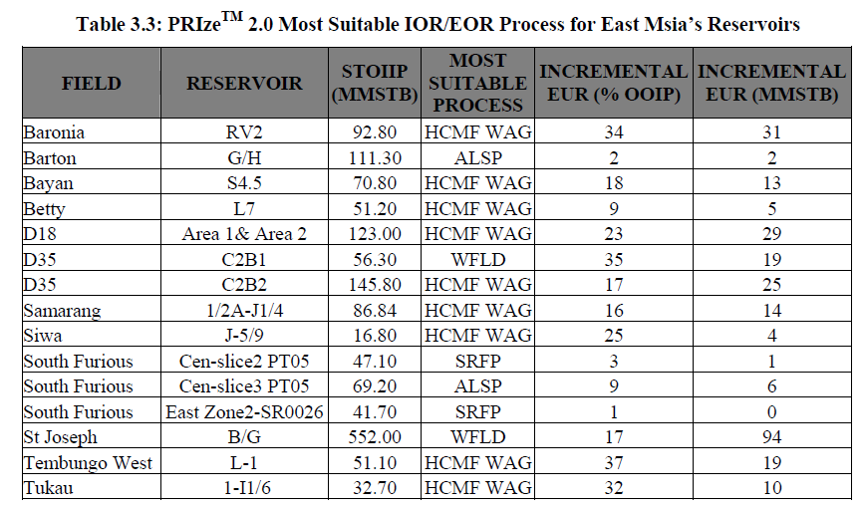
Field | Reservoir | STOIIP (MMSTB) | Recovery_Factor_pct | Present_EUR_MMSTB | Avg_Porosity_pct | Initial_Oil_Sat_pct | Current_Oil_Sat_pct | Initial_Reservoir_Pressure_kPa | Current_Reservoir_Pressure_kPa | Fracture_Pressure_kPa | Reservoir_Temperature_C | MOST SUITABLE PROCESS | OTHERS PASS METHOD | INCREMENTAL EUR (%OOIP) | INCREMENTAL EUR (MMSTB)
Dulang | E10/11 | 137.61 | 33.7 | 46.4 | 25 | 59.1 | 47.7 | 12411 | 8274 | 17505 | 102 | HCMF WAG | IGAS CO2 WAG, IGAS-N2 WAG, WFLD, HORZ WFLD | 19 | 26
Dulang | E12/13 | 235.12 | 39.2 | 92.2 | 25 | 61.9 | 51.9 | 12411 | 8274 | 17505 | 102 | HCMF WAG | HORZ WFLD, IGAS-CO2 WAG, IGAS-N2 WAG | 17 | 40
Dulang | E14 | 86.93 | 39.6 | 34.4 | 25 | 66.6 | 52.2 | 12411 | 9653 | 17505 | 102 | HCMF WAG | IGAS-CO2 WAG, IGAS-N2 WAG | 9 | 8
Dulang | E7 | 124.10 | 31.1 | 38.6 | 28 | 66 | 52.8 | 12169 | 8274 | 16826 | 99 | IGAS-CO2 NON WAG | HCMF NON-WAG, IGAS-N2 NON-WAG | 7 | 17
Dulang | LDI | 90.18 | 30.6 | 27.6 | 28 | 65.3 | 52.4 | 12066 | 9653 | 16827 | 99 | WFLD | HORZ | 22 | 20
East Bunga Kekwa | I-115 | 53.80 | 36 | 9.4 | 23 | 60 | 59.3 | 20616 | 20340 | 28660 | 116 | HCMF WAG | CO2M WAG, IGAS-CO2 WAG, HORZ, IGAS-N2 WAG | 50 | 27
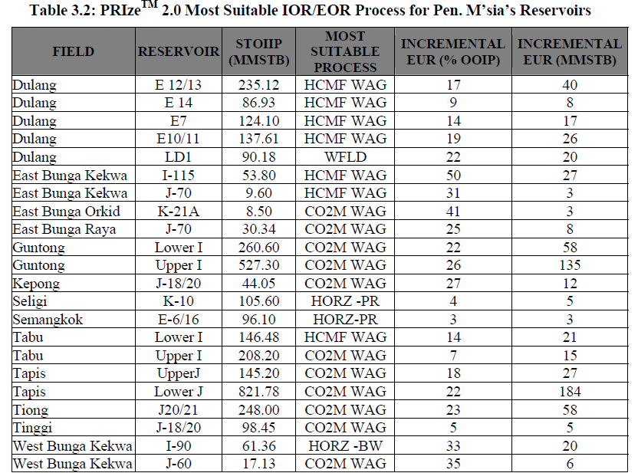
East Bunga Kekwa | J-70 | 9.60 | 32 | 3 | 15 | 50 | 48.4 | 22133 | 20244 | 32012 | 127 | CO2M WAG | HCMF WAG | 14 | 1
East Bunga Orchid | K-21A | 8.50 | 18.8 | 1.6 | 16 | 44 | 43 | 27125 | 27125 | 37290.36 | 144 | CO2M WAG | HCMF WAG, CO2M NON WAG, HCMF NON WAG | 41 | 3
East Bunga Raya | J-70 | 30.34 | 56.6 | 17.2 | 18.4 | 64 | 63.4 | 22533 | 22533 | 31373 | 132 | CO2M WAG/HCMF WAG | IGAS-CO2 WAG, IGAS-N2 WAG | 25 | 8
West Bunga Kekwa | I-90 | 61.36 | 45.8 | 28.1 | 21.2 | 73.3 | 63.6 | 19761 | 17237 | 27791 | 118 | CO2M WAG | HCMF WAG, HORZ WF | 26 | 16
West Bunga Kekwa | J-60 | 17.13 | 24.2 | 4.1 | 0.182 | 56.3 | 49.3 | 21870 | 18272 | 30329 | 128 | CO2M WAG | HCMF WAG | 35 | 6
Kepong | J18/20 | 44.05 | 55 | 24 | 25 | 73.7 | 40 | 17602 | 15079 | 24507 | 87 | CO2M NON WAG | HCMF NON WAG | 5 | 2
Seligi | K-10 | 105.60 | 34 | 36 | 24 | 67 | 51.4 | 15580 | 14610 | 20002 | 103 | HORZ-PR | None | 5 | 5
Semangkok | E6/16 | 96.10 | 43.1 | 41.4 | 31.4 | 79 | 65.7 | 9749 | 8549 | 13624 | 85 | HORZ-PR | None | 3 | 3
Tabu | Lower I | 146.48 | 28.6 | 18 |  | 45 | 34.4 | 19060 | 15620 | 25471 | 118 | HCMF WAG | None | 14 | 21
Tabu | Upper I | 208.20 | 32 | 67.5 | 20 | 43.7 | 31.3 | 15620 | 11550 | 21997 | 118 | CO2M WAG | HCMF WAG | 7 | 15
Tapis | Upper J | 145.20 | 42.2 | 61.3 | 20 | 50 | 32 | 17000 | 13000 | 21916 | 110 | CO2M WAG | HCMF WAG | 18 | 26
Tapis | Lower J | 208.20 | 45.6 | 375.1 | 20.5 | 50 | 31.4 | 18500 | 15500 | 24399 | 120 | CO2M WAG | HCMF WAG | 22 | 46
Guntong | Upper I | 527.30 |  |  |  |  |  |  |  |  |  | CO2M WAG |  | 26 | 137
Guntong | Lower I | 260.60 |  |  |  |  |  |  |  |  |  | CO2M WAG |  | 22 | 57
Tiong | J-20/21 | 248.00 |  |  |  |  |  |  |  |  |  | CO2 WAG |  | 23 | 57
Tinggi | J-18/20 | 98.45 | 59 | 58 | 27 | 59.4 | 25.4 | 13135 | 11239 | 18156 | 91 | CO2M WAG | CO2M Non-WAG | 5 | 5
Baronia | RV2 | 92.80 | 66.7 | 61.9 | 17.5 | 60 | 46.5 | 23580 | 22918 | 32392 | 80 | HCMF WAG | None | 34 | 32
Barton | G/H | 111.30 | 54.7 | 60.9 | 23 | 77 | 49.8 | 7191 | 4033 | 8278 | 52.8 | ALSP | None | 2 | 2
Bayan | S4.5 | 70.80 |  |  |  |  |  |  |  |  |  | HCMF WAG |  | 18 | 13
Betty | L7 | 51.20 | 57.7 | 29.6 | 26.4 | 73 | 31.9 | 23546 | 17065 | 32256 | 89 | HCMF WAG | HCMF NON-WAG | 9 | 5
D18 | Area 1 & 2 | 123.00 | 19.5 | 24 | 25 | 50 | 39.1 | 12273 | 9653 | 16541 | 94 | HCMF WAG | HCMF NON-WAG | 23 | 28
Samarang | 1/2A-J1/4 | 86.84 |  |  |  |  |  |  |  |  |  | HCMF WAG |  | 16 | 14
South Furious Cen. | Slice3 PT05 | 69.20 | 13 | 9 | 22 | 59 | 48.4 | 11549 | 5516 | 14479 | 64 | SRFP | ALSP | 8 | 6
South Furious Cen. | Slice2 PT05 | 47.10 | 19.1 | 9 | 22 | 59 | 46 | 8274 | 4137 | 10340 | 56 | SRFP |  | 3 | 1
South Furious East | Zone2-SR0026 | 41.70 | 21.6 | 9 | 22 | 65 | 49.7 | 7998 | 4137 | 10340 | 56 | SRFP | ALSP | 1 | 0
St Joseph | B/G | 552.00 | 37.9 | 208.9 | 20 | 73 | 53 | 7205 | 3344 | 9309 | 52 | WFLD | IGAS-WAG, SRFP, ALSP | 18 | 99
Tembungo West | L-1 | 51.10 | 32.5 | 16.6 | 15 | 47 | 42.9 | 28814 | 24132 | 33911 | 93 | HCMF WAG | - | 37 | 19
Tukau | 1-I1/6 | 32.70 | 22.7 | 7.4 | 16 | 60 | 47.9 | 11880 | 10866 | 16378 | 93 | HCMF WAG | HCMF NON-WAG | 32 | 10
D35 | C2B1 | 56.30 | 21.5 | 12.1 | 20 | 65 | 58.5 | 18202 | 13790 | 23992 | 113 | WFLD | HCMF WAG, HCMF NON-WAG, IGAS-CO2, IGAS-N2 | 35 | 20
D35 | C2B2 | 145.80 | 29.7 | 43.3 | 20 | 65 | 48.5 | 18202 | 11721 | 23992 | 113 | HCMF WAG | HCMF NON-WAG | 17 | 25
SIWA | J-5/9 | 22.00 | 27.3 | 6 | 18.5 | 57 | 43.5 | 13886 | 13865 | 19147 | 68 | HCMF WAG | HCMF NON-WAG | 25 | 6

Phase Behavior Results
Formulation 7
 |  | Formulation 7. Figure 2 . Page 17
 |  | repeat this | repeat this
 |  | oil | oil | water | water
 |  | X axis | Y axis | X axis | Y axis
Type III
Page | Formulation | Total Dissolved Solid ( TDS) (wt%) | Solubilization Ratio ( cc/cc) | Total Dissolved Solid ( TDS) (wt%) | Solubilization Ratio ( cc/cc)
17 | Formulation 7 | 0.5 | 0.10 | 5.2 | 8.2
 |  | 1.1 | 0.20 | 4.7 | 19
 |  | 1.6 | 1.00 | 5.5 | 6
 |  | 2.1 | 1.80
 |  | 2.7 | 2.50
 |  | 3.2 | 2.60
 |  | 3.7 | 3.90
 |  | 4.2 | 5.80
 |  | 4.7 | 9.50
 |  | 5.2 | 13.90
 | Intersection | 4.9 | 0
 | Intersection | 4.9 | 13
 | Type III Region_Min | 3.9 | 0
 | Type III Region_Min | 3.9 | 20
 | Type III Region_Max | 5.5 | 0
 | Type III Region_Max | 5.5 | 20

Formulation 9
 | Formulation9_oil |  | Formulation9_Water
0.5 | 3 | 2.1 | 11
1.1 | 4.5 | 2.6 | 7
1.6 | 6.5 | 3.2 | 5
2.1 | 11 | 3.7 | 2.5
2.7 | 14 | 4.2 | 1.5
 |  | 4.7 | 1
 |  | 5.2 | 0.5
 |  | Formulation 9. Figure 3 . Page 18
 |  | repeat this | repeat this
 |  | oil | oil | water | water
 |  | X axis | Y axis | X axis | Y axis
Page | Formulation | Total Dissolved Solid ( TDS) (wt%) | Solubilization Ratio ( cc/cc) | Total Dissolved Solid ( TDS) (wt%) | Solubilization Ratio ( cc/cc)
18 | Formulation 9 | 0.5 | 3 | 2.1 | 11
 |  | 1.1 | 4.5 | 2.6 | 7
 |  | 1.6 | 6.5 | 3.2 | 5
 |  | 2.1 | 11 | 3.7 | 2.5
 |  | 2.7 | 14 | 4.2 | 1.5
 |  |  |  | 4.7 | 1
 |  |  |  | 5.2 | 0.5

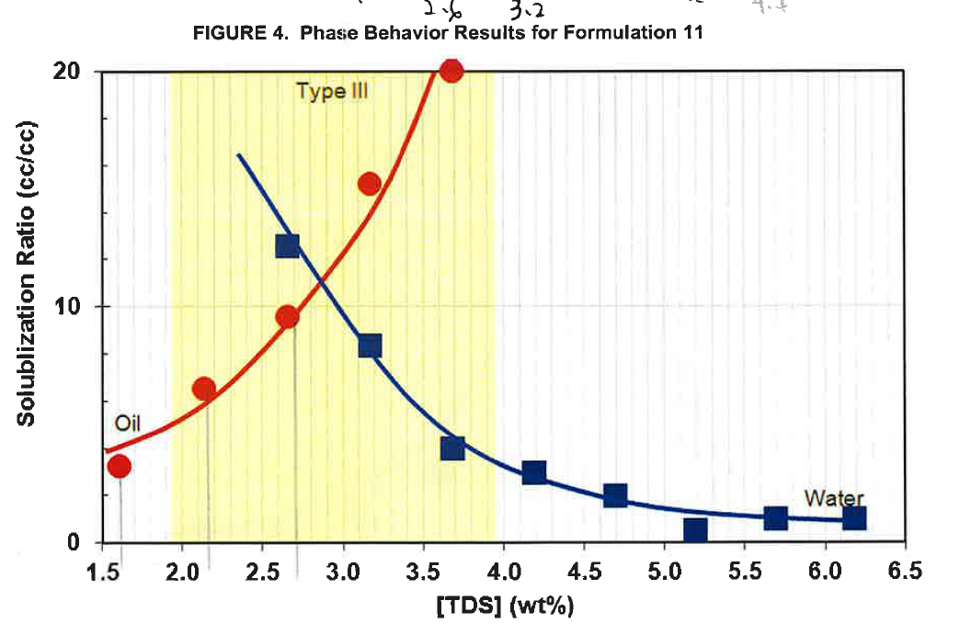
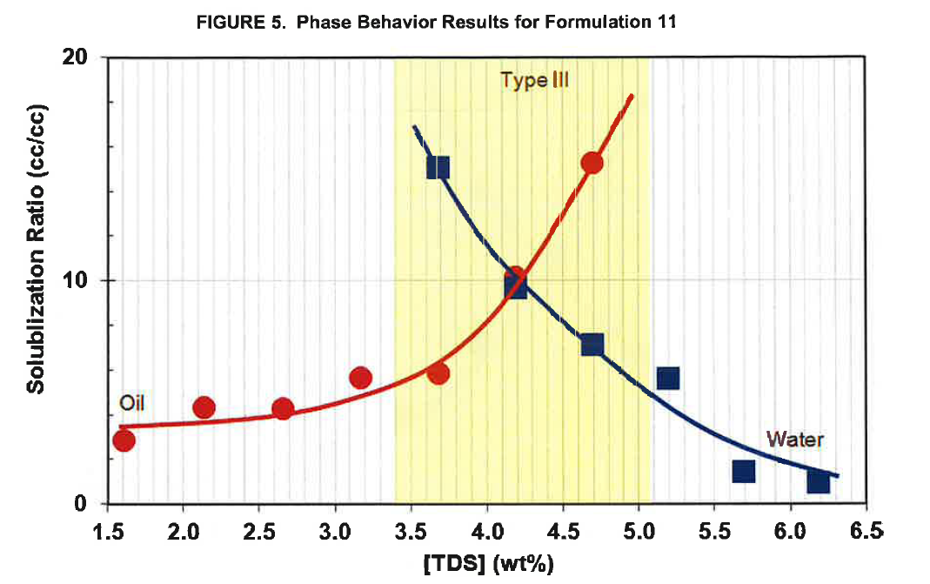
 |  | Formulation 11. Figure 4 . Page 18 |  |  | [VALIDATED]
 |  | repeat this | repeat this
 |  | oil | oil | water | water
 |  | X axis | Y axis | X axis | Y axis
Page | Formulation | Total Dissolved Solid ( TDS) (wt%) | Solubilization Ratio ( cc/cc) | Total Dissolved Solid ( TDS) (wt%) | Solubilization Ratio ( cc/cc)
18 | Formulation 11 | 1.61 | 3.22 | 2.66 | 12.55
 |  | 2.14 | 6.50 | 3.17 | 8.33
 |  | 2.66 | 9.57 | 3.69 | 4.00
 |  | 3.17 | 15.20 | 4.19 | 2.95
 |  | 3.68 | 20.00 | 4.70 | 2.00
 |  |  |  | 5.20 | 0.52
 |  |  |  | 5.69 | 1.00
 |  |  |  | 6.19 | 1.00

 |  | Formulation 11. Figure 5 . Page 19 |  |  | [VALIDATED]
 |  | repeat this | repeat this
 |  | oil | oil | water | water
 |  | X axis | Y axis | X axis | Y axis
Page | Formulation | Total Dissolved Solid ( TDS) (wt%) | Solubilization Ratio ( cc/cc) | Total Dissolved Solid ( TDS) (wt%) | Solubilization Ratio ( cc/cc)
19 | Formulation 11 | 1.61 | 2.84 | 3.67 | 15.08
 |  | 2.13 | 4.30 | 4.18 | 9.65
 |  | 2.66 | 4.25 | 4.70 | 7.15
 |  | 3.16 | 5.62 | 5.19 | 5.61
 |  | 3.68 | 5.82 | 5.69 | 1.45
 |  | 4.19 | 10.14 | 6.18 | 0.94
 |  | 4.68 | 15.30

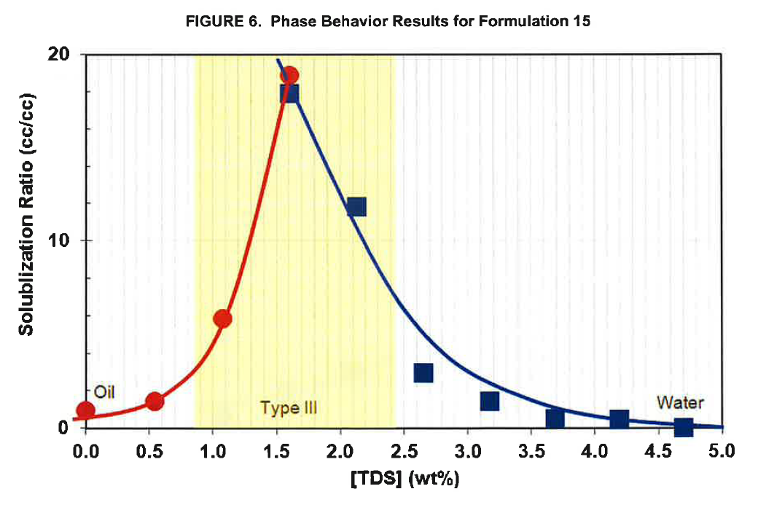
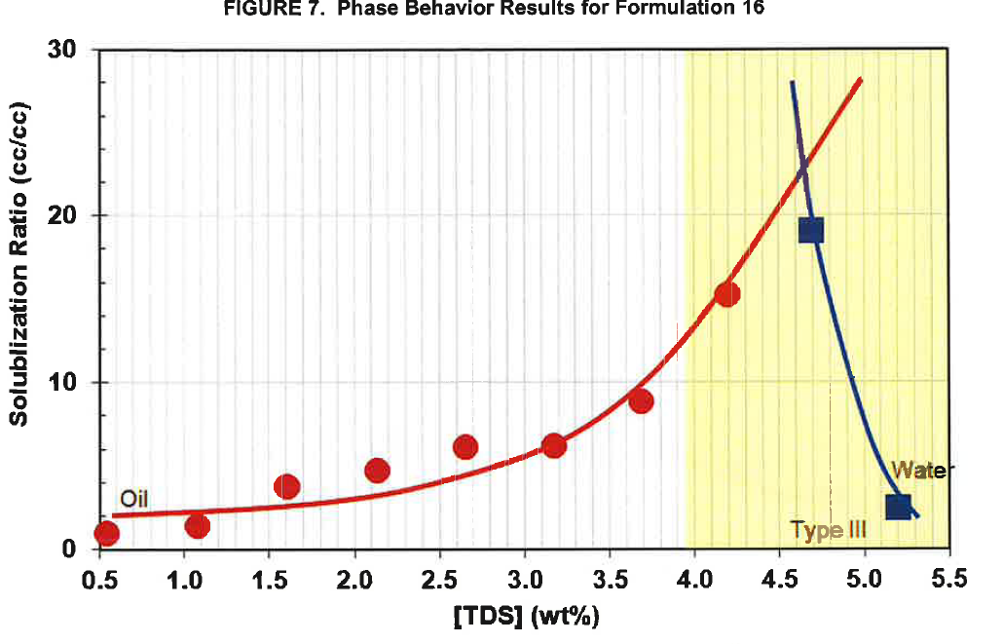
 |  | Formulation 15. Figure 6 . Page 19 |  |  | [VALIDATED]
 |  | repeat this | repeat this
 |  | oil | oil | water | water
 |  | X axis | Y axis | X axis | Y axis
Page | Formulation | Total Dissolved Solid ( TDS) (wt%) | Solubilization Ratio ( cc/cc) | Total Dissolved Solid ( TDS) (wt%) | Solubilization Ratio ( cc/cc)
19 | Formulation 15 | 0.00 | 0.95 | 1.61 | 17.85
 |  | 0.54 | 1.42 | 2.14 | 11.80
 |  | 1.08 | 5.85 | 2.66 | 2.93
 |  | 1.61 | 18.90 | 3.18 | 1.43
 |  |  |  | 3.69 | 0.50
 |  |  |  | 4.20 | 0.50
 |  |  |  | 4.71 | 0.00

 |  | Formulation 16. Figure 7 . Page 20 |  |  | [VALIDATED]
 |  | repeat this | repeat this
 |  | oil | oil | water | water
 |  | X axis | Y axis | X axis | Y axis
Page | Formulation | Total Dissolved Solid ( TDS) (wt%) | Solubilization Ratio ( cc/cc) | Total Dissolved Solid ( TDS) (wt%) | Solubilization Ratio ( cc/cc)
20 | Formulation 16 | 0.54 | 1.00 | 4.70 | 19.10
 |  | 1.07 | 1.33 | 5.20 | 2.52
 |  | 1.60 | 3.70
 |  | 2.14 | 4.70
 |  | 2.65 | 6.17
 |  | 3.18 | 6.22
 |  | 3.70 | 8.97
 |  | 4.19 | 15.28

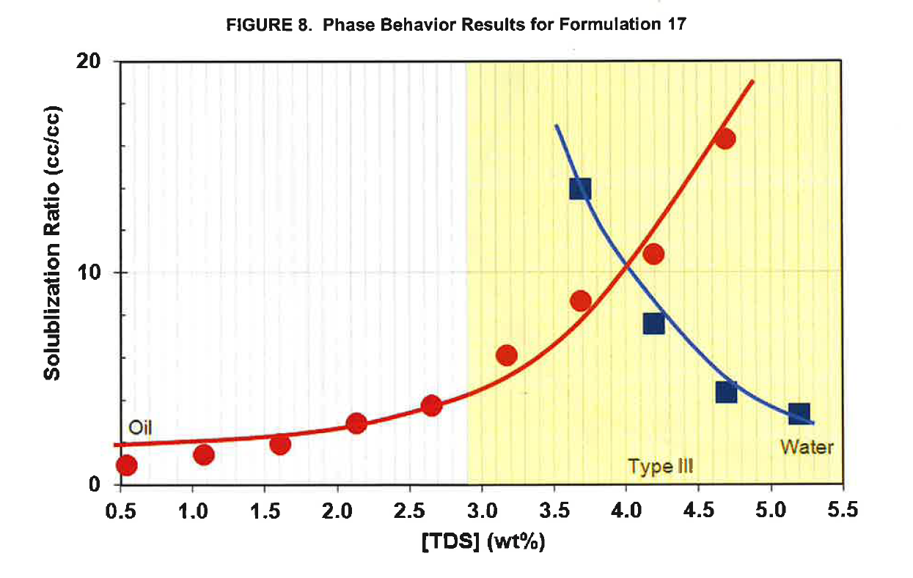
Formulation 17. Figure 8
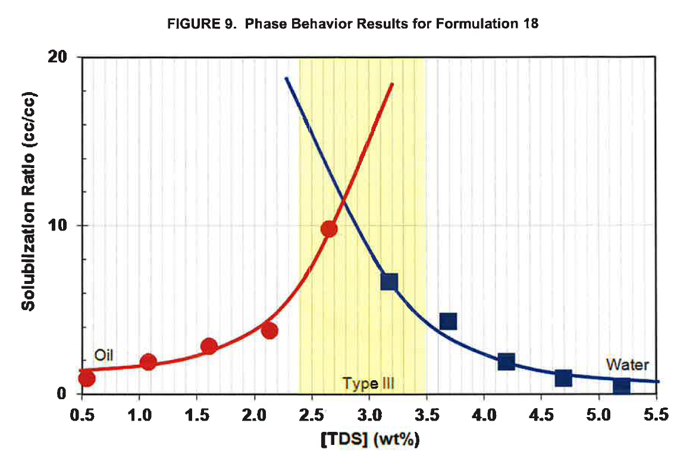
Formulation 18
 |  | Formulation 17. Figure 8 . Page 20 |  |  | [VALIDATED]
 |  | repeat this | repeat this
 |  | oil | oil | water | water
 |  | X axis | Y axis | X axis | Y axis
Page | Formulation | Total Dissolved Solid ( TDS) (wt%) | Solubilization Ratio ( cc/cc) | Total Dissolved Solid ( TDS) (wt%) | Solubilization Ratio ( cc/cc)
20 | Formulation 17 | 0.54 | 0.85 | 3.68 | 13.95
 |  | 1.08 | 1.35 | 4.19 | 7.55
 |  | 1.60 | 1.85 | 4.69 | 4.30
 |  | 2.13 | 2.85 | 5.20 | 3.30
 |  | 2.66 | 3.70
 |  | 3.18 | 6.05
 |  | 3.69 | 8.65
 |  | 4.19 | 10.90
 |  | 4.68 | 16.35

 |  | Formulation 18. Figure 9 . Page 21 |  |  | [VALIDATED]
 |  | repeat this | repeat this
 |  | oil | oil | water | water
 |  | X axis | Y axis | X axis | Y axis
Page | Formulation | Total Dissolved Solid ( TDS) (wt%) | Solubilization Ratio ( cc/cc) | Total Dissolved Solid ( TDS) (wt%) | Solubilization Ratio ( cc/cc)
21 | Formulation 18 | 0.54 | 0.91 | 3.18 | 6.70
 |  | 1.08 | 1.88 | 3.69 | 4.36
 |  | 1.61 | 2.83 | 4.20 | 1.98
 |  | 2.13 | 3.80 | 4.70 | 0.97
 |  | 2.66 | 9.80 | 5.20 | 0.44

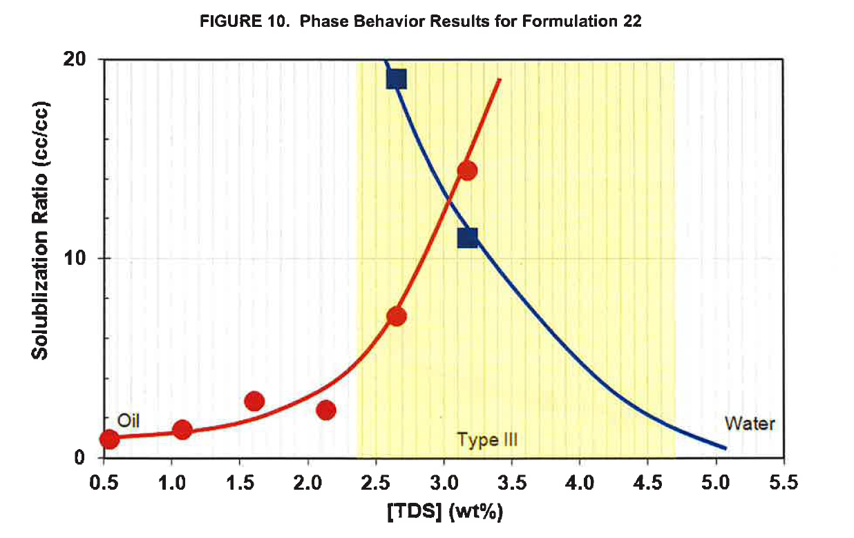
Formulation 22. Figure 10
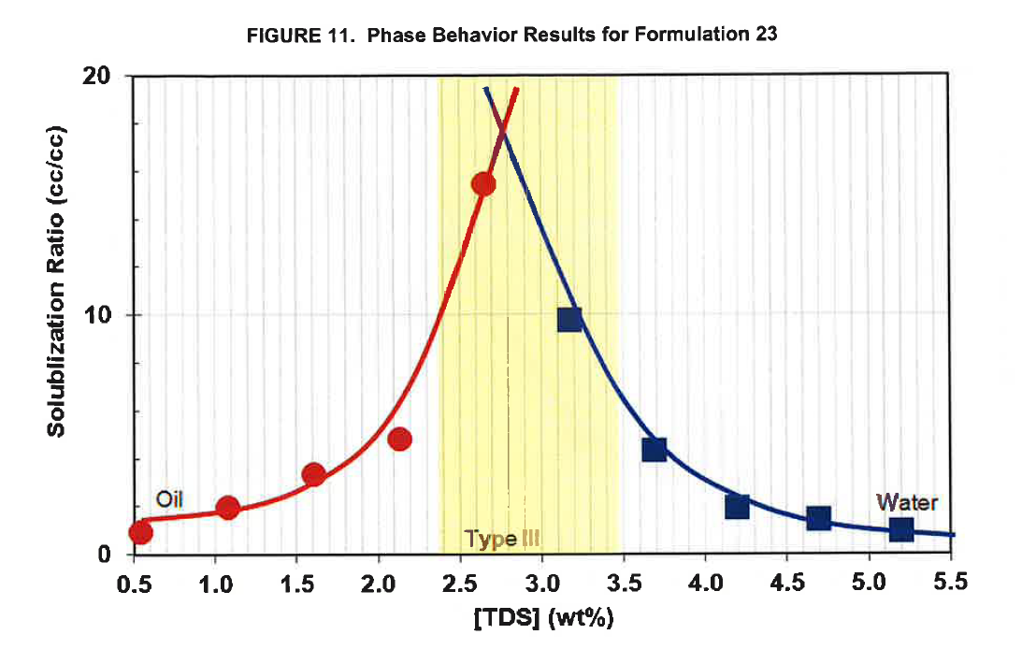
Formulation 23. Figure 11
 |  | Formulation 22. Figure 10. Page 21 |  |  | [VALIDATED]
 |  | repeat this | repeat this
 |  | oil | oil | water | water
 |  | X axis | Y axis | X axis | Y axis
Page | Formulation | Total Dissolved Solid ( TDS) (wt%) | Solubilization Ratio ( cc/cc) | Total Dissolved Solid ( TDS) (wt%) | Solubilization Ratio ( cc/cc)
21 | Formulation 22 | 0.54 | 0.95 | 2.65 | 19.05
 |  | 1.08 | 1.40 | 3.17 | 11.10
 |  | 1.60 | 2.81
 |  | 2.13 | 2.45
 |  | 2.65 | 7.10
 |  | 3.17 | 14.45

 |  | Formulation 23. Figure 11 . Page 22 |  |  | [VALIDATED]
 |  | repeat this | repeat this
 |  | oil | oil | water | water
 |  | X axis | Y axis | X axis | Y axis
Page | Formulation | Total Dissolved Solid ( TDS) (wt%) | Solubilization Ratio ( cc/cc) | Total Dissolved Solid ( TDS) (wt%) | Solubilization Ratio ( cc/cc)
22 | Formulation 23 | 0.54 | 0.85 | 3.18 | 9.75
 |  | 1.08 | 1.89 | 3.69 | 4.35
 |  | 1.60 | 3.30 | 4.20 | 1.93
 |  | 2.13 | 4.82 | 4.70 | 1.45
 |  | 2.64 | 15.51 | 5.21 | 0.98

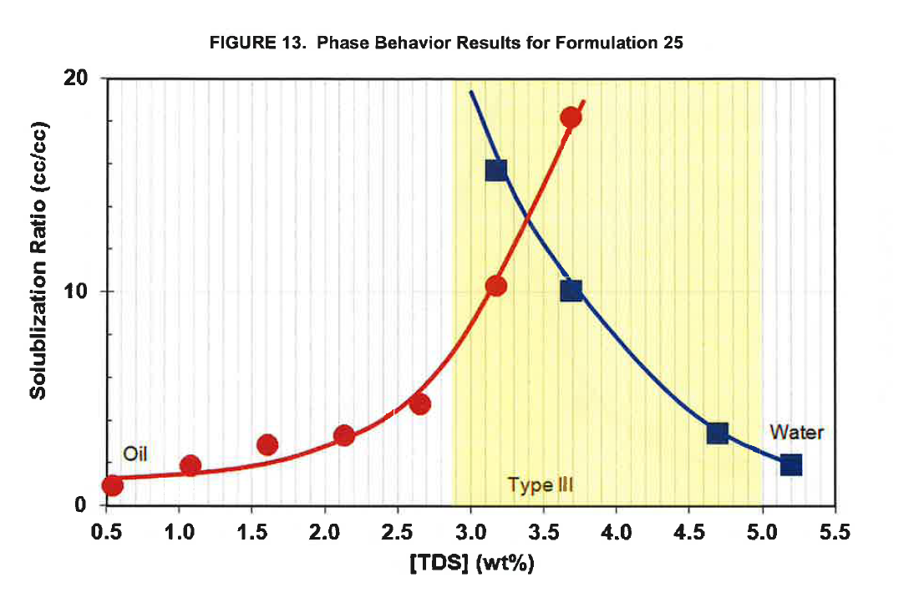
Formulation 25. Figure 13
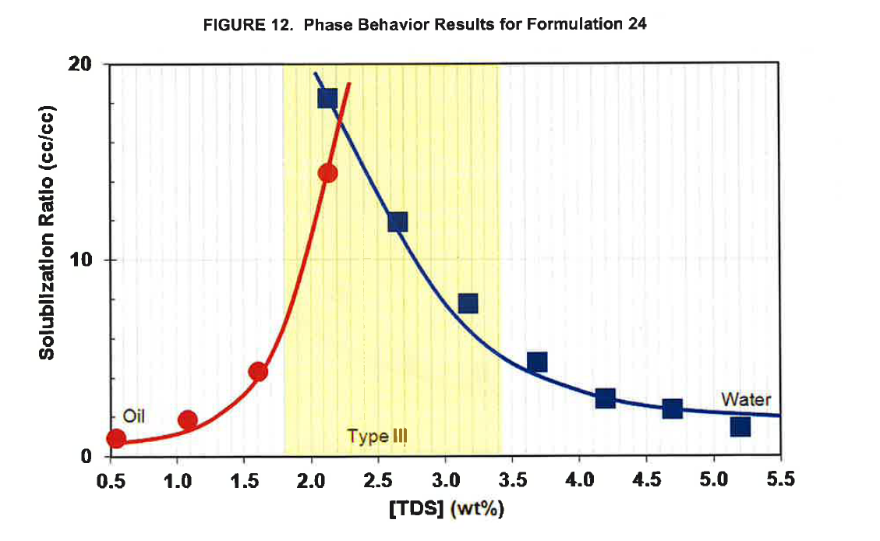
 |  | Formulation 24. Figure 12 . Page 22 |  |  | [VALIDATED]
 |  | repeat this | repeat this
 |  | oil | oil | water | water
 |  | X axis | Y axis | X axis | Y axis
Page | Formulation | Total Dissolved Solid ( TDS) (wt%) | Solubilization Ratio ( cc/cc) | Total Dissolved Solid ( TDS) (wt%) | Solubilization Ratio ( cc/cc)
22 | Formulation 24 | 0.54 | 0.90 | 2.12 | 18.33
 |  | 1.08 | 1.86 | 2.64 | 11.97
 |  | 1.61 | 4.37 | 3.17 | 7.84
 |  | 2.12 | 14.48 | 3.69 | 4.84
 |  |  |  | 4.19 | 3.01
 |  |  |  | 4.69 | 2.51
 |  |  |  | 5.20 | 1.58

 |  | Formulation 25. Figure 13 . Page 23 |  |  | [VALIDATED]
 |  | repeat this | repeat this
 |  | oil | oil | water | water
 |  | X axis | Y axis | X axis | Y axis
Page | Formulation | Total Dissolved Solid ( TDS) (wt%) | Solubilization Ratio ( cc/cc) | Total Dissolved Solid ( TDS) (wt%) | Solubilization Ratio ( cc/cc)
23 | Formulation 25 | 0.54 | 0.89 | 3.17 | 15.70
 |  | 1.08 | 1.88 | 3.69 | 10.11
 |  | 1.61 | 2.87 | 4.70 | 3.45
 |  | 2.13 | 3.30 | 5.21 | 1.95
 |  | 2.65 | 4.78
 |  | 3.18 | 10.29
 |  | 3.69 | 18.15

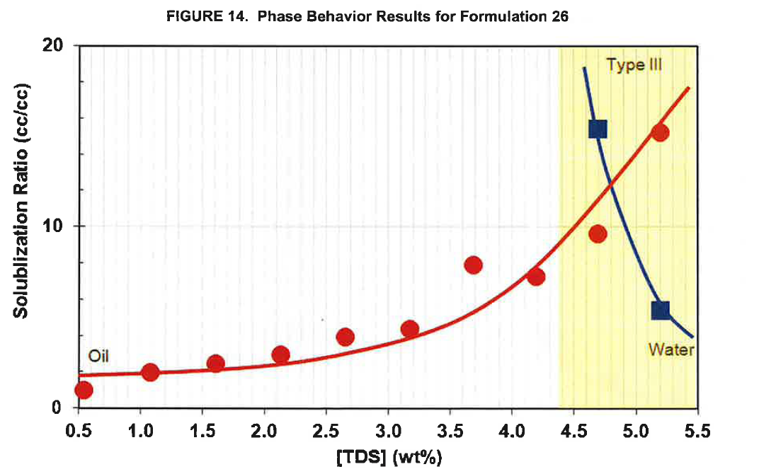
Formulation 26. Figure 14
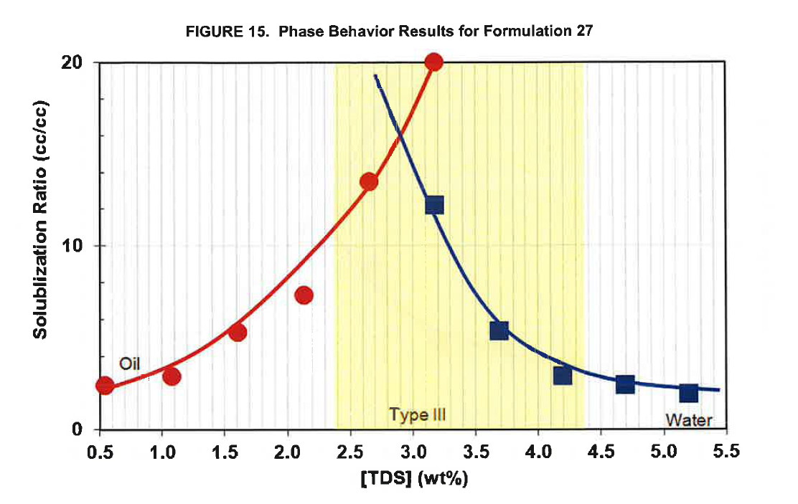
Formulation 27. Figure 15
 |  | Formulation 26. Figure 14 . Page 23 |  |  | [VALIDATED]
 |  | repeat this | repeat this
 |  | oil | oil | water | water
 |  | X axis | Y axis | X axis | Y axis
Page | Formulation | Total Dissolved Solid ( TDS) (wt%) | Solubilization Ratio ( cc/cc) | Total Dissolved Solid ( TDS) (wt%) | Solubilization Ratio ( cc/cc)
23 | Formulation 26 | 0.54 | 0.97 | 4.70 | 15.40
 |  | 1.08 | 1.98 | 5.20 | 5.40
 |  | 1.61 | 2.48
 |  | 2.13 | 2.95
 |  | 2.66 | 3.96
 |  | 3.18 | 4.33
 |  | 3.69 | 7.91
 |  | 4.20 | 7.28
 |  | 4.70 | 9.61
 |  | 5.20 | 15.23

 |  | Formulation 27. Figure 15 . Page 24 |  |  | [VALIDATED]
 |  | repeat this | repeat this
 |  | oil | oil | water | water
 |  | X axis | Y axis | X axis | Y axis
Page | Formulation | Total Dissolved Solid ( TDS) (wt%) | Solubilization Ratio ( cc/cc) | Total Dissolved Solid ( TDS) (wt%) | Solubilization Ratio ( cc/cc)
24 | Formulation 27 | 0.54 | 2.39 | 3.17 | 12.24
 |  | 1.08 | 2.95 | 3.69 | 5.43
 |  | 1.60 | 5.27 | 4.20 | 2.95
 |  | 2.13 | 7.32 | 4.70 | 2.51
 |  | 2.65 | 13.50 | 5.20 | 2.04
 |  | 3.17 | 20.00

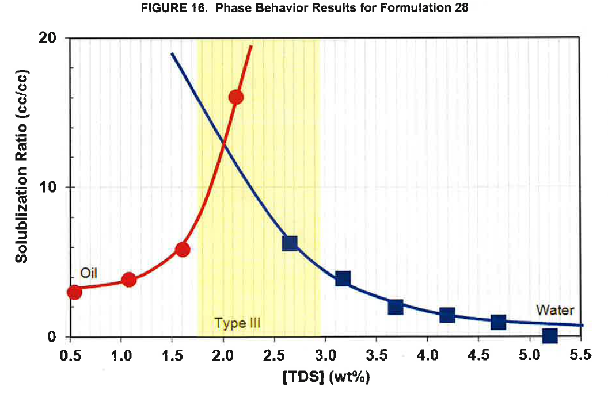
Formulation 28. Figure 16
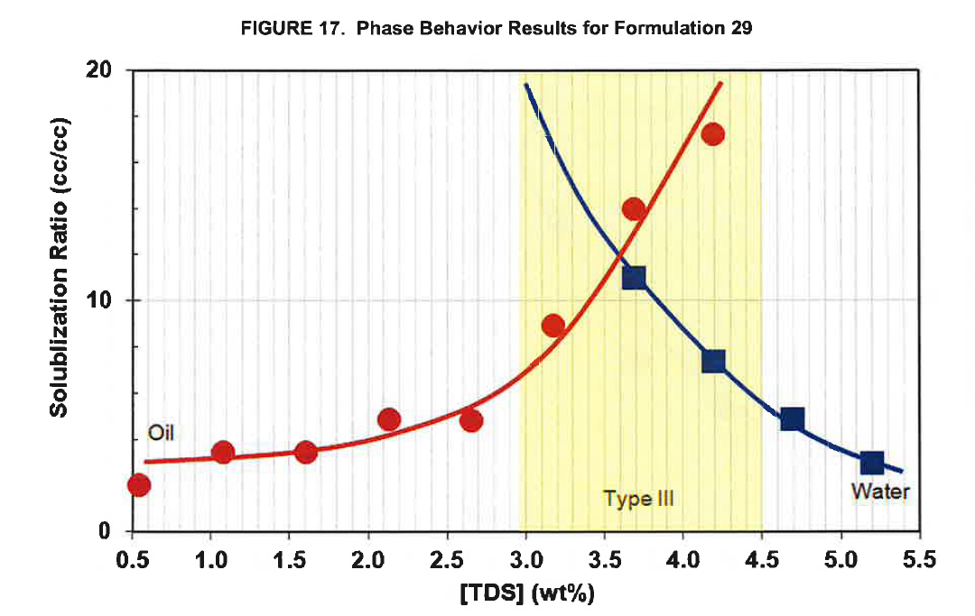
Formulation 29. Figure 17
 |  | Formulation 28. Figure 16 . Page 24 |  |  | [VALIDATED]
 |  | repeat this | repeat this
 |  | oil | oil | water | water
 |  | X axis | Y axis | X axis | Y axis
Page | Formulation | Total Dissolved Solid ( TDS) (wt%) | Solubilization Ratio ( cc/cc) | Total Dissolved Solid ( TDS) (wt%) | Solubilization Ratio ( cc/cc)
24 | Formulation 28 | 0.54 | 2.94 | 2.65 | 6.32
 |  | 1.08 | 3.82 | 3.17 | 3.88
 |  | 1.61 | 5.88 | 3.69 | 1.97
 |  | 2.13 | 16.03 | 4.20 | 1.47
 |  |  |  | 4.69 | 1.00
 |  |  |  | 5.21 | 0.03

 |  | Formulation 29. Figure 17 . Page 25 |  |  | [VALIDATED]
 |  | repeat this | repeat this
 |  | oil | oil | water | water
 |  | X axis | Y axis | X axis | Y axis
Page | Formulation | Total Dissolved Solid ( TDS) (wt%) | Solubilization Ratio ( cc/cc) | Total Dissolved Solid ( TDS) (wt%) | Solubilization Ratio ( cc/cc)
25 | 29 | 0.55 | 2.00 | 3.69 | 11.03
 |  | 1.08 | 3.44 | 4.19 | 7.37
 |  | 1.61 | 3.41 | 4.70 | 4.85
 |  | 2.13 | 4.85 | 5.20 | 2.98
 |  | 2.66 | 4.79
 |  | 3.18 | 8.88
 |  | 3.69 | 14.01
 |  | 4.19 | 17.24

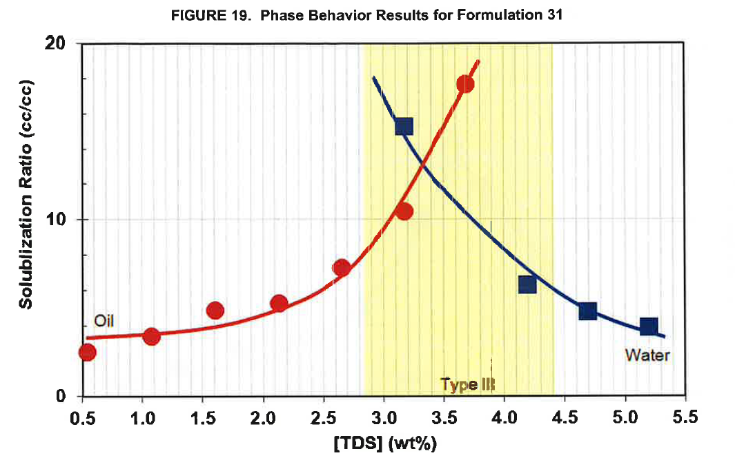
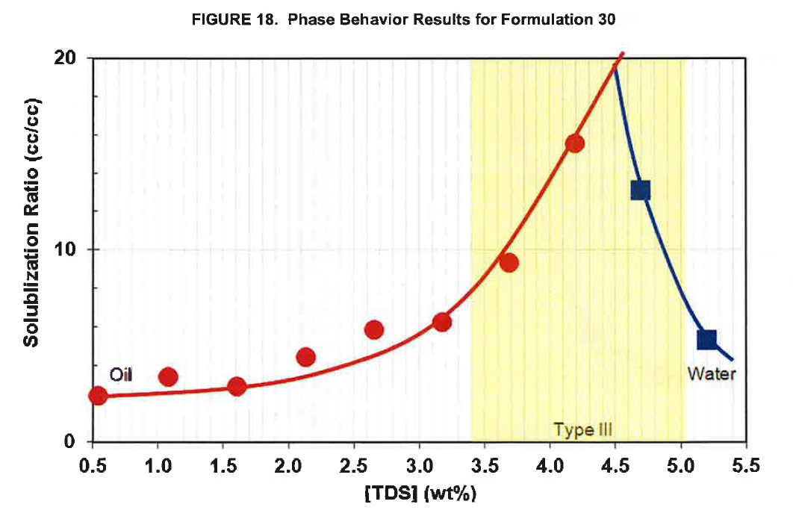
 |  | Formulation 30. Figure 18 . Page 25 |  |  | [VALIDATED]
 |  | repeat this | repeat this
 |  | oil | oil | water | water
 |  | X axis | Y axis | X axis | Y axis
Page | Formulation | Total Dissolved Solid ( TDS) (wt%) | Solubilization Ratio ( cc/cc) | Total Dissolved Solid ( TDS) (wt%) | Solubilization Ratio ( cc/cc)
25 | Formulation 30 | 0.54 | 2.39 | 4.69 | 13.18
 |  | 1.08 | 3.36 | 5.20 | 5.39
 |  | 1.61 | 2.88
 |  | 2.14 | 4.39
 |  | 2.66 | 5.85
 |  | 3.18 | 6.18
 |  | 3.69 | 9.33
 |  | 4.20 | 15.58

 |  | Formulation 31. Figure 19 . Page 26 |  |  | [VALIDATED]
 |  | repeat this | repeat this
 |  | oil | oil | water | water
 |  | X axis | Y axis | X axis | Y axis
Page | Formulation | Total Dissolved Solid ( TDS) (wt%) | Solubilization Ratio ( cc/cc) | Total Dissolved Solid ( TDS) (wt%) | Solubilization Ratio ( cc/cc)
26 | Formulation 31 | 0.54 | 2.43 | 3.17 | 15.32
 |  | 1.08 | 3.34 | 4.19 | 6.32
 |  | 1.61 | 4.89 | 4.70 | 4.80
 |  | 2.14 | 5.26 | 5.20 | 3.93
 |  | 2.66 | 7.29
 |  | 3.18 | 10.46
 |  | 3.68 | 17.72

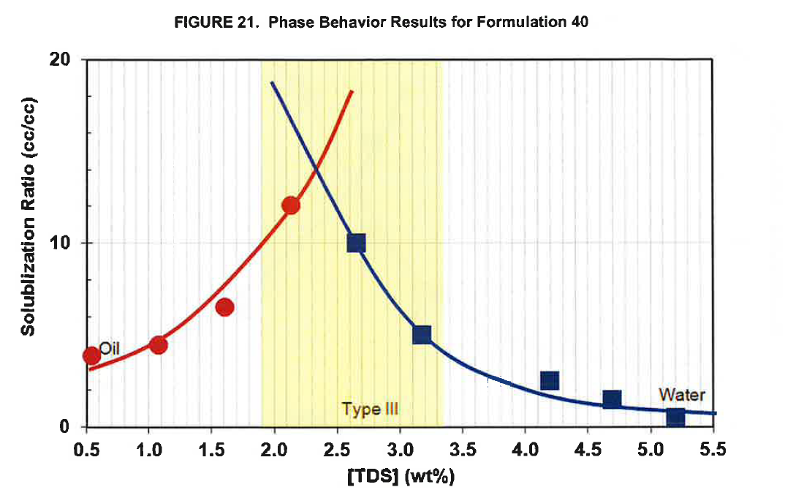
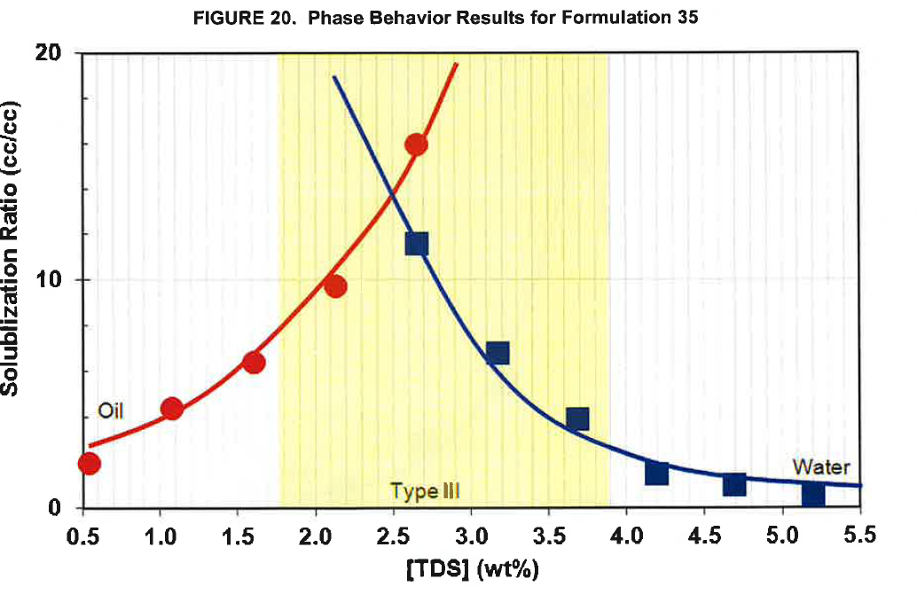
 |  | Formulation 35. Figure 20 . Page 26 |  |  | [VALIDATED]
 |  | repeat this | repeat this
 |  | oil | oil | water | water
 |  | X axis | Y axis | X axis | Y axis
Page | Formulation | Total Dissolved Solid ( TDS) (wt%) | Solubilization Ratio ( cc/cc) | Total Dissolved Solid ( TDS) (wt%) | Solubilization Ratio ( cc/cc)
26 | Formulation 35 | 0.54 | 1.91 | 2.65 | 11.65
 |  | 1.07 | 4.36 | 3.17 | 6.84
 |  | 1.60 | 6.41 | 3.69 | 3.96
 |  | 2.13 | 9.77 | 4.20 | 1.55
 |  | 2.65 | 15.98 | 4.70 | 1.04
 |  |  |  | 5.21 | 0.64

 |  | Formulation 40. Figure 21 . Page 27 |  |  | [VALIDATED]
 |  | repeat this | repeat this
 |  | oil | oil | water | water
 |  | X axis | Y axis | X axis | Y axis
Page | Formulation | Total Dissolved Solid ( TDS) (wt%) | Solubilization Ratio ( cc/cc) | Total Dissolved Solid ( TDS) (wt%) | Solubilization Ratio ( cc/cc)
27 | Formulation 40 | 0.54 | 3.89 | 2.65 | 10.03
 |  | 1.08 | 4.49 | 3.17 | 5.08
 |  | 1.60 | 6.51 | 4.19 | 2.55
 |  | 2.13 | 12.06 | 4.69 | 1.53
 |  |  |  | 5.20 | 0.50

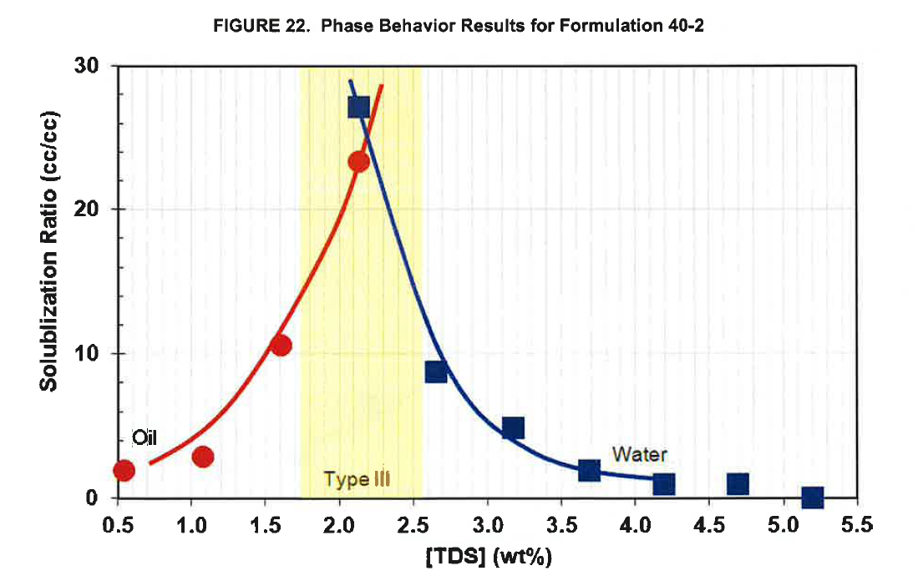
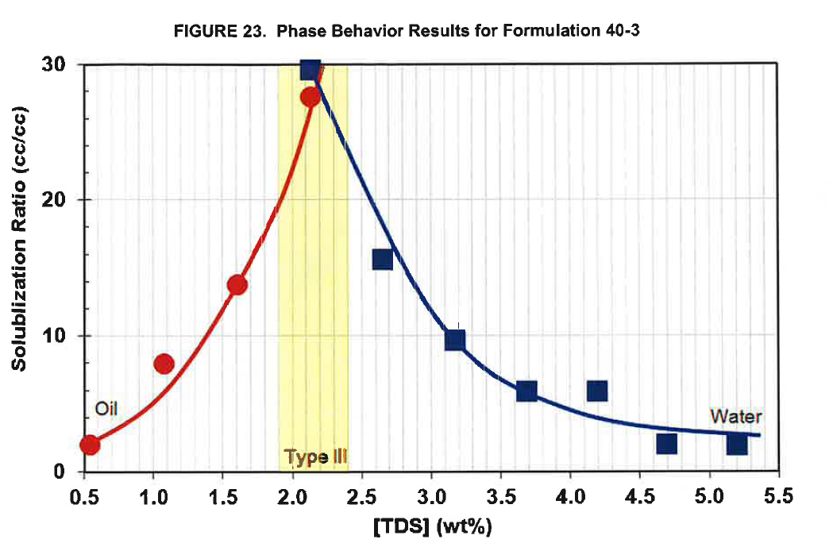
 |  | Formulation 40-2. Figure 22 . Page 27 |  |  | [VALIDATED]
 |  | repeat this | repeat this
 |  | oil | oil | water | water
 |  | X axis | Y axis | X axis | Y axis
Page | Formulation | Total Dissolved Solid ( TDS) (wt%) | Solubilization Ratio ( cc/cc) | Total Dissolved Solid ( TDS) (wt%) | Solubilization Ratio ( cc/cc)
27 | Formulation 40-2 | 0.53 | 1.28 | 2.12 | 18.11
 |  | 1.07 | 1.96 | 2.64 | 5.89
 |  | 1.60 | 7.08 | 3.17 | 3.30
 |  | 2.12 | 15.57 | 3.69 | 1.30
 |  |  |  | 4.20 | 0.66
 |  |  |  | 4.70 | 0.68
 |  |  |  | 5.20 | 0.10

 |  | Formulation 40-3. Figure 23 . Page 28 |  |  | [VALIDATED]
 |  | repeat this | repeat this
 |  | oil | oil | water | water
 |  | X axis | Y axis | X axis | Y axis
Page | Formulation | Total Dissolved Solid ( TDS) (wt%) | Solubilization Ratio ( cc/cc) | Total Dissolved Solid ( TDS) (wt%) | Solubilization Ratio ( cc/cc)
28 | Formulation 40-3 | 0.55 | 2.01 | 2.13 | 29.72
 |  | 1.08 | 7.95 | 2.65 | 15.73
 |  | 1.61 | 13.81 | 3.17 | 9.78
 |  | 2.13 | 27.66 | 3.70 | 6.04
 |  |  |  | 4.20 | 5.90
 |  |  |  | 4.70 | 2.15
 |  |  |  | 5.21 | 2.11

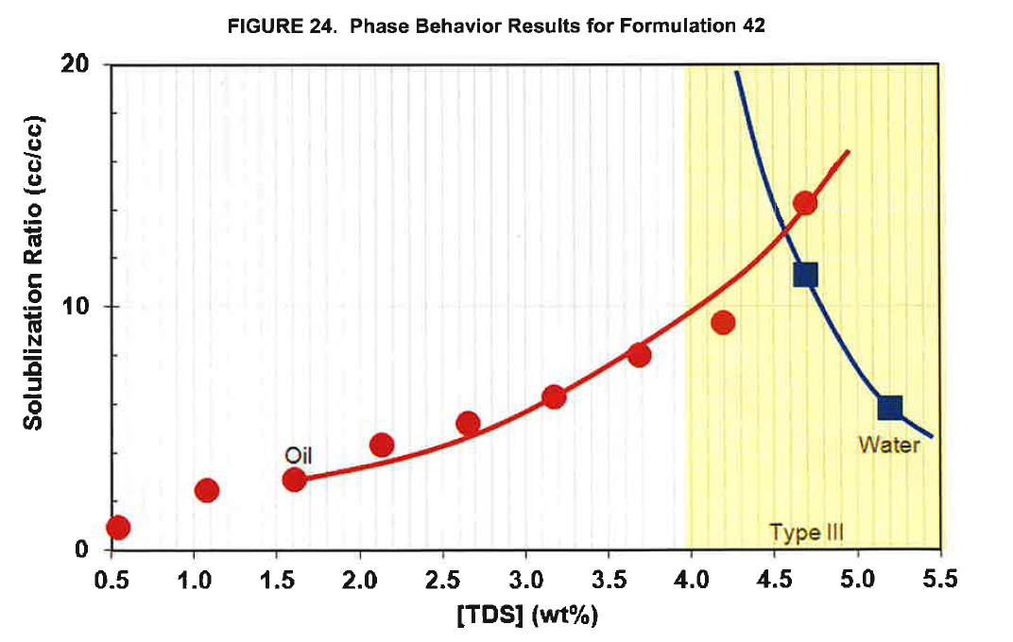
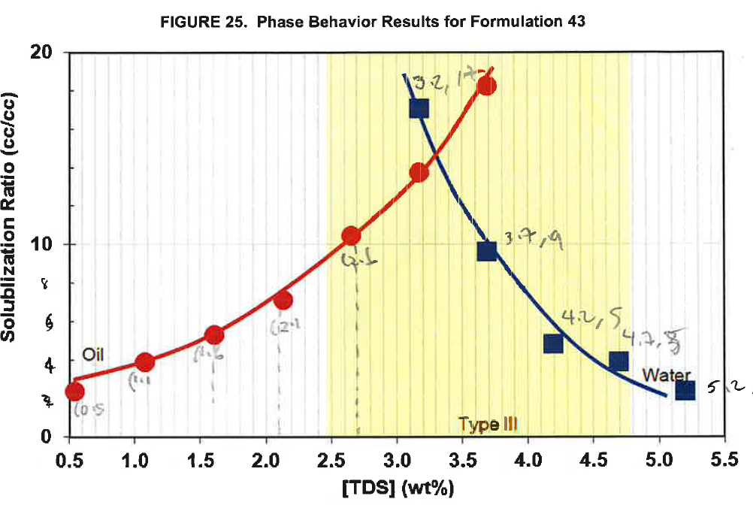
 |  | Formulation 42. Figure 24. Page 28 |  |  | [VALIDATED]
 |  | repeat this | repeat this
 |  | oil | oil | water | water
 |  | X axis | Y axis | X axis | Y axis
Page | Formulation | Total Dissolved Solid ( TDS) (wt%) | Solubilization Ratio ( cc/cc) | Total Dissolved Solid ( TDS) (wt%) | Solubilization Ratio ( cc/cc)
28 | Formulation 42 | 0.54 | 0.88 | 4.68 | 11.40
 |  | 1.07 | 2.46 | 5.20 | 5.87
 |  | 1.60 | 2.89
 |  | 2.13 | 4.32
 |  | 2.65 | 5.18
 |  | 3.16 | 6.29
 |  | 3.69 | 7.99
 |  | 4.19 | 9.39
 |  | 4.69 | 14.29

 |  | Formulation 43. Figure 25 . Page 29 |  |  | [VALIDATED]
 |  | repeat this | repeat this
 |  | oil | oil | water | water
 |  | X axis | Y axis | X axis | Y axis
Page | Formulation | Total Dissolved Solid ( TDS) (wt%) | Solubilization Ratio ( cc/cc) | Total Dissolved Solid ( TDS) (wt%) | Solubilization Ratio ( cc/cc)
29 | Formulation 43 | 0.55 | 2.37 | 3.18 | 17.10
 |  | 1.08 | 3.90 | 3.69 | 9.62
 |  | 1.62 | 5.31 | 4.20 | 4.85
 |  | 2.14 | 7.15 | 4.70 | 3.90
 |  | 2.66 | 10.49 | 5.21 | 2.40
 |  | 3.18 | 13.78
 |  | 3.70 | 18.32

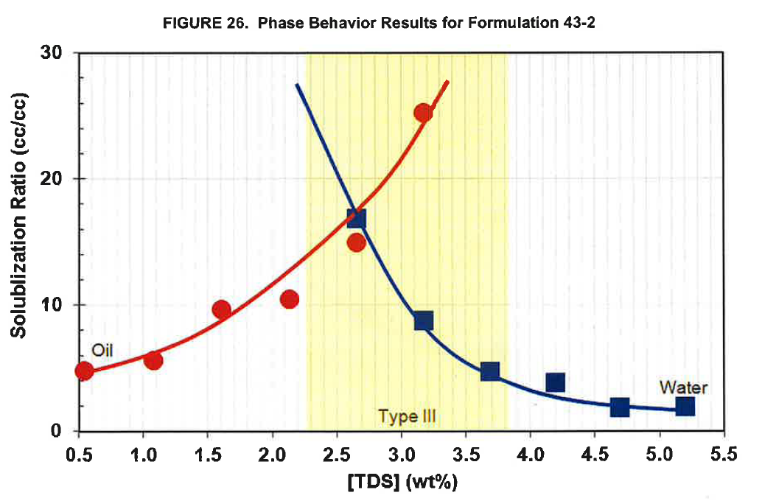
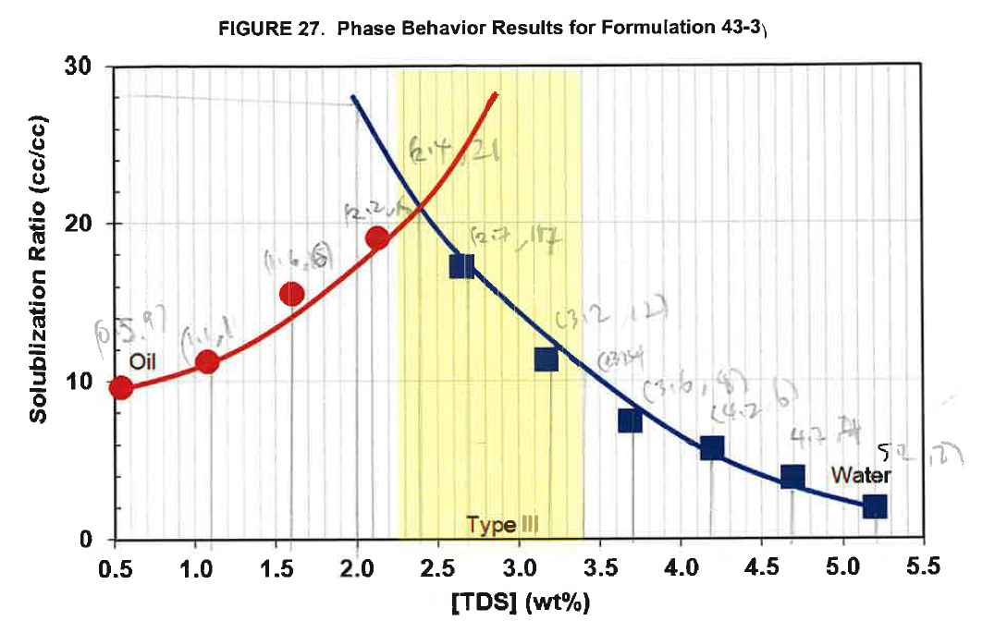
 |  | Formulation 43-2. Figure 26 . Page 29 |  |  | [VALIDATED]
 |  | repeat this | repeat this
 |  | oil | oil | water | water
 |  | X axis | Y axis | X axis | Y axis
Page | Formulation | Total Dissolved Solid ( TDS) (wt%) | Solubilization Ratio ( cc/cc) | Total Dissolved Solid ( TDS) (wt%) | Solubilization Ratio ( cc/cc)
29 | Formulation 43-2 | 0.54 | 4.73 | 2.65 | 16.94
 |  | 1.08 | 5.63 | 3.17 | 8.78 |  |  | E
 |  | 1.60 | 9.68 | 3.68 | 4.73
 |  | 2.13 | 10.50 | 4.19 | 3.92
 |  | 2.66 | 15.00 | 4.69 | 1.98
 |  | 3.17 | 25.27 | 5.20 | 2.07

 |  | Formulation 43-3. Figure 27 . Page 30 |  |  | [VALIDATED]
 |  | repeat this | repeat this
 |  | oil | oil | water | water
 |  | X axis | Y axis | X axis | Y axis
Page | Formulation | Total Dissolved Solid ( TDS) (wt%) | Solubilization Ratio ( cc/cc) | Total Dissolved Solid ( TDS) (wt%) | Solubilization Ratio ( cc/cc)
30 | Formulation 43-3 | 0.53 | 9.63 | 2.65 | 17.35
 |  | 1.07 | 11.32 | 3.18 | 11.50
 |  | 1.59 | 15.57 | 3.69 | 7.63
 |  | 2.12 | 19.13 | 4.19 | 5.94
 |  |  |  | 4.69 | 4.06
 |  |  |  | 5.20 | 2.15

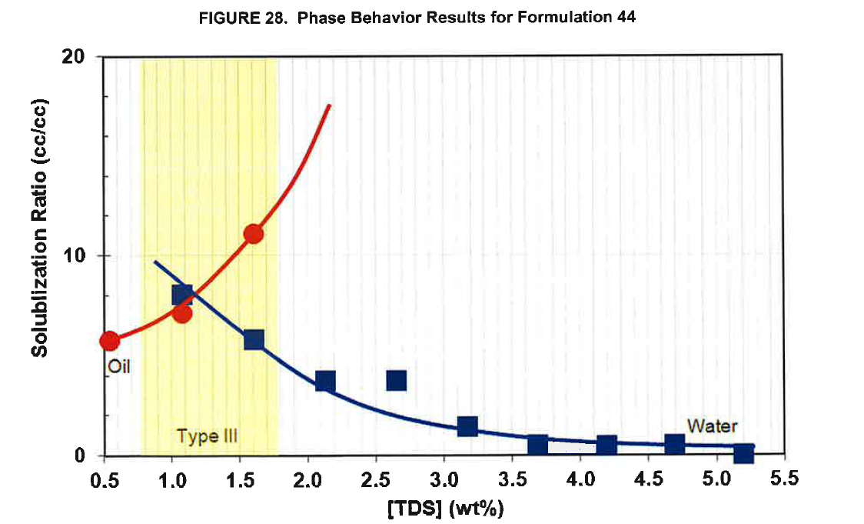
 |  | Formulation 44. Figure 28 . Page 30 |  |  | [VALIDATED]
 |  | repeat this | repeat this
 |  | oil | oil | water | water
 |  | X axis | Y axis | X axis | Y axis
Page | Formulation | Total Dissolved Solid ( TDS) (wt%) | Solubilization Ratio ( cc/cc) | Total Dissolved Solid ( TDS) (wt%) | Solubilization Ratio ( cc/cc)
30 | Formulation 44 | 0.54 | 5.76 | 1.07 | 8.10
 |  | 1.08 | 7.15 | 1.60 | 5.82
 |  | 1.60 | 11.13 | 2.12 | 3.74
 |  |  |  | 2.65 | 3.80
 |  |  |  | 3.17 | 1.51
 |  |  |  | 3.70 | 0.53
 |  |  |  | 4.20 | 0.53
 |  |  |  | 4.70 | 0.56
 |  |  |  | 5.20 | 0.00

Figure 29 . Viscosity of Superpusher vs Days in Oven

 |  | T=100 degC |  | T=110 degC |  | T=120 degC
 |  | X axis | Y axis | X axis | Y axis | X axis | Y axis
Page |  | Days in Oven | Viscosity (cP) | Days in Oven | Viscosity (cP) | Days in Oven | Viscosity (cP)
31 |  | 0.00 | 4.90 | 0.00 | 4.86 | 0.00 | 4.83
 |  | 7.08 | 4.47 | 7.04 | 4.40 | 7.04 | 4.06
 |  | 13.98 | 4.14 | 13.94 | 4.01 | 13.98 | 3.68
 |  | 20.93 | 3.78 | 20.93 | 3.71 | 20.93 | 3.65
 |  | 27.96 | 3.62 | 27.96 | 3.45 | 28.01 | 3.21
 |  | 41.99 | 3.43 | 41.99 | 3.33 | 41.99 | 2.93

Figure 30 . Viscosity of Polymer A vs Days in Oven

 |  | T=100 degC |  | T=110 degC |  | T=120 degC
 |  | X axis | Y axis | X axis | Y axis | X axis | Y axis
Page |  | Days in Oven | Viscosity (cP) | Days in Oven | Viscosity (cP) | Days in Oven | Viscosity (cP)
31 |  | 0 | 9.40 | 0 | 9.36 | 0 | 9.36
 |  | 7 | 7.75 | 7 | 7.49 | 7 | 7.26
 |  | 14 | 6.88 | 14 | 6.64 | 14 | 6.23
 |  | 21 | 6.18 | 21 | 6.07 | 21 | 5.69
 |  | 28 | 4.83 | 28 | 4.68 | 28 | 4.00
 |  | 42 | 4.55 | 42 | 4.09 | 42 | 4.09

IFT_sur_F
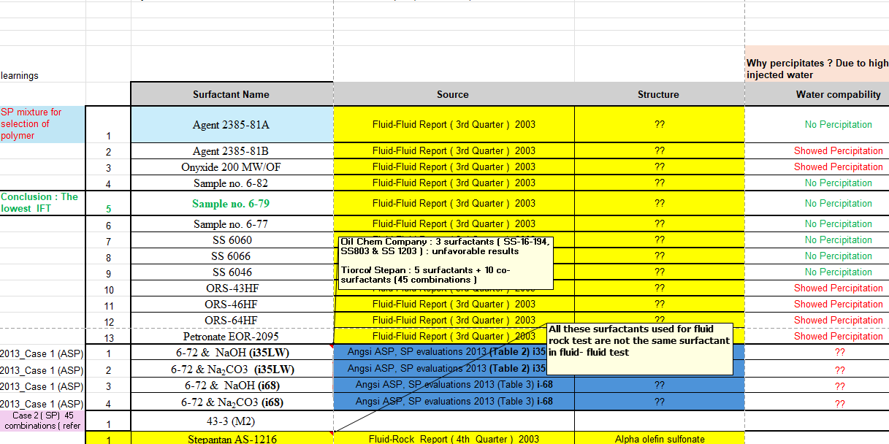
# | Surfactant | IFT low dyne/cm | IFT high dyne/cm | Year | Pass Phase Behavior Test ?
1 | Agent 2385-81A (S) | 0.25 | 1.69 | 2003 | Yes
2 | Agent 2385-81B (S) | 0 | 0 | 2003 | No
3 | Onyxide 200 MW/OF (S) | 0 | 0 | 2003 | Yes
4 | Sample no. 6-82 (S) | 0.08 | 0.37 | 2003 | Yes
5 | Sample no. 6-79 (S) | 0.0025 | 0.0945 | 2003 | Yes
6 | Sample no. 6-77 (S) | 0.035 | 0.428 | 2003 | Yes
7 | SS 6060 (S) | 0.082 | 0.613 | 2003 | Yes
8 | SS 6066 (S) | 0.07 | 0.3 | 2003 | Yes
9 | SS 6046 (S) | 0.1 | 0.66 | 2003 | Yes
10 | ORS-43HF (S) | 0 | 0 | 2003 | No
11 | ORS-46HF (S) | 0 | 0 | 2003 | No
12 | ORS-64HF (S) | 0 | 0 | 2003 | No
13 | Petronate EOR-2095 (S) | 0 | 0 | 2003 | No
14 | Petronate EOR-2037(S) | 0 | 0 | 2003 | No
1 | 6-72 (S) & NaOH (A) (i35LW) | 0.00762 | 0.01018 | 2013 | No
2 | 6-72 (S) & Na2CO3 (A) (i35LW) | 0.00173 | 0.00778 | 2013 | Yes
3 | 6-72 (S) & NaOH (A) (i68) | 0.00364 | 0.12336 | 2013 | Yes
4 | 6-72 (S) & Na2CO3 (A) (i68) | 0.00441 | 0.02419 | 2013 | Yes
1 | Formulation 1 : S3B + S1 (S+CS) | 0 | 0 | 2013 | No
2 | Formulation 2 : S3B + S2 (S+CS) | 0 | 0 | 2013 | No
3 | Formulation 3 : C8 + S2 (S+CS) | 0 | 0 | 2013 | No
4 | Formulation 4 : M2 + S2 (S+CS) | 0 | 0 | 2013 | No
5 | Formulation 5 : A6 + S2 (S+CS) | 0 | 0 | 2013 | No
6 | Formulation 6 : C1 + S2 (S+CS) | 0 | 0 | 2013 | No
7 | Formulation 7 : M2 + S3B (S+CS) | 0 | 0 | 2013 | No
8 | Formulation 8 : C8 + S3B (S+CS) | 0 | 0 | 2013 | No
9 | Formulation 9 : M2 + S3B (S+CS) | 0 | 0 | 2013 | No
10 | Formulation 10 : M2 + S3B (S+CS) | 0 | 0 | 2013 | No
11 | Formulation 1 : M2 + S3B (S+CS) | 0 | 0 | 2013 | No
12 | Formulation 12 : M2 + S3B (S+CS) | 0 | 0 | 2013 | No
13 | Formulation 13 : M2 + S3B (S+CS) | 0 | 0 | 2013 | No
14 | Formulation 14 : M2 + S3B (S+CS) | 0 | 0 | 2013 | No
15 | Formulation 15 : M2 + S3B (S+CS) | 0 | 0 | 2013 | No
16 | Formulation 16 : M2 + S3B (S+CS) | 0 | 0 | 2013 | No
17 | Formulation 17 : M2 + S3B (S+CS) | 0 | 0 | 2013 | No
18 | Formulation 18 : M2 + S3B (S+CS) | 0 | 0 | 2013 | No
19 | Formulation 19 : C8 + S3B (S+CS) | 0 | 0 | 2013 | No
20 | Formulation 20 : C1 + S3B (S+CS) | 0 | 0 | 2013 | No
21 | Formulation 21 : C1 + S3B (S+CS) | 0 | 0 | 2013 | No
22 | Formulation 22 : M2 + S3B (S+CS) | 0 | 0 | 2013 | No
23 | Formulation 23 :M2 + S3B (S+CS) | 0 | 0 | 2013 | No
24 | Formulation 24 : M2 + S3B (S+CS) | 0 | 0 | 2013 | No
25 | Formulation 25 : M2 + S3B (S+CS) | 0 | 0 | 2013 | No
26 | Formulation 26 : M2 + S2 (S+CS) | 0 | 0 | 2013 | No
27 | Formulation 27 : M2 + S3B (S+CS) | 0 | 0 | 2013 | No
28 | Formulation 28 : M2 + S3B (S+CS) | 0 | 0 | 2013 | No
29 | Formulation 29 : M2 + S3B (S+CS) | 0 | 0 | 2013 | No
30 | Formulation 30 : M2 + S3B (S+CS) | 0 | 0 | 2013 | No
31 | Formulation 31 : M2 + S3B (S+CS) | 0 | 0 | 2013 | No
32 | Formulation 32 : M2 + S3B (S+CS) | 0 | 0 | 2013 | No
33 | Formulation 34 : M3 + S3B (S+CS) | 0 | 0 | 2013 | No
34 | Formulation 35 : M2 + S3B (S+CS) | 0 | 0 | 2013 | No
35 | Formulation 36 : M2 +S12 (S+CS) | 0 | 0 | 2013 | No
36 | Formulation 37 : S12 + S3B (S+CS) | 0 | 0 | 2013 | No
37 | Formulation 38 : M2 + S3B (S+CS) | 0 | 0 | 2013 | No
38 | Formulation 39 : M2 + S3B (S+CS) | 0 | 0 | 2013 | No
39 | Formulation 40 : M2 + S3B (S+CS) | 0 | 0 | 2013 | No
40 | Formulation 40#2 : M2 + S3B (S+CS) | 0 | 0 | 2013 | No
41 | Formulation 40#3 : M2 + S3B (S+CS) | 0 | 0 | 2013 | No
42 | Formulation 41 : M2 + S3B (S+CS) | 0 | 0 | 2013 | No
43 | Formulation 42 : M2 + S3B (S+CS) | 0 | 0 | 2013 | No
44 | Formulation 43 : M2 + S3B (S+CS) | 0.0008 | 0.13 | 2013 | Yes
45 | Formulation 43#2 : M2 + S3B (S+CS) | 0.0008 | 0.13 | 2013 | Yes
46 | Formulation 43#23 : M2 + S3B (S+CS) | 0.0008 | 0.13 | 2013 | Yes
47 | Formulation 44 : M2 + S3B (S+CS) | 0 | 0 | 2013 | No
48 | Formulation 45 : SXS + S3B (S+CS) | 0 | 0 | 2013 | No
49 | Formulation 46 : S3B + S3B (S+CS) | 0 | 0 | 2013 | No

PB_2003
Year | Number | Formulation (A/S/P) | Remarks | Percipitation | No Percepitation
2003 | 1 | Agent 2385-81A (S) + Superfloc BD319 (P) |  | 0.53 | 0.47
2003 | 2 | Agent 2385-81B (S) + Superfloc BD319 (P) |  | 1.00 | 0.00
2003 | 3 | Onyxide 200 MW/OF (S) + Superfloc BD319 (P) |  | 1.00 | 0.00
2003 | 4 | Sample no. 6-82 (S) + Superfloc BD319 (P) |  | 0.33 | 0.67
2003 | 5 | Sample no. 6-79(S) + Superfloc BD319 (P) |  | 0.13 | 0.87
2003 | 6 | Sample no. 6-77(S) + Superfloc BD319 (P) |  | 0.33 | 0.67
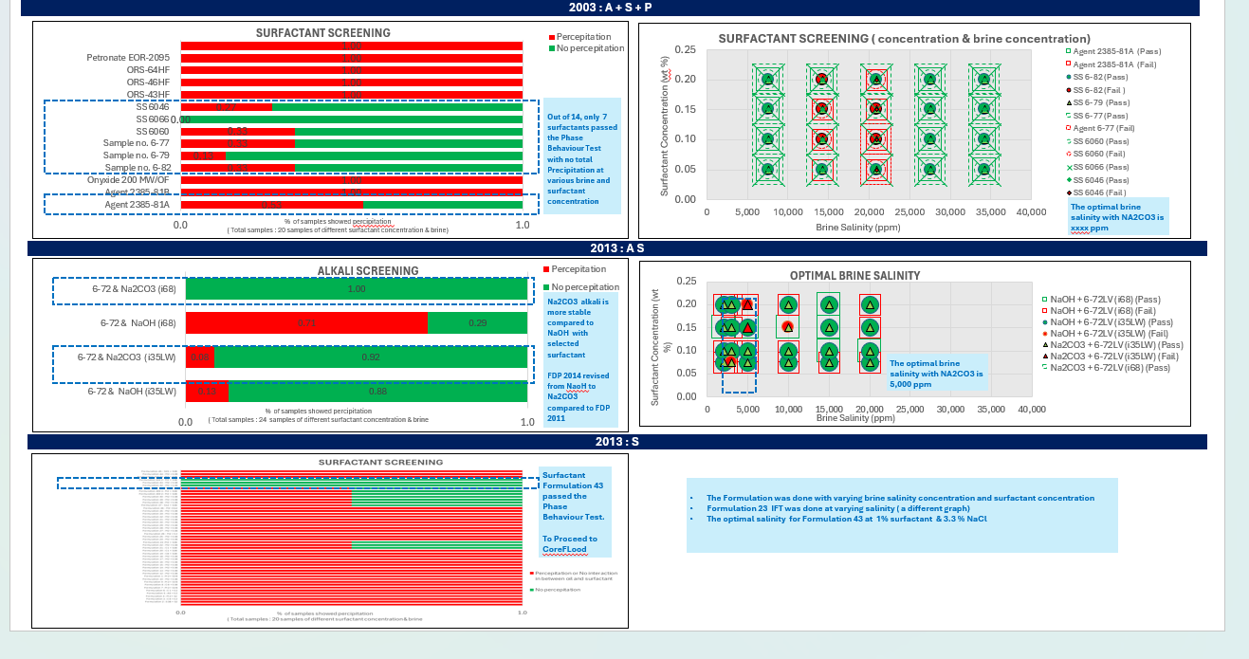
2003 | 7 | SS 6060(S) + Superfloc BD319 (P) |  | 0.33 | 0.67
2003 | 8 | SS 6066(S) + Superfloc BD319 (P) |  | 0.00 | 1.00
2003 | 9 | SS 6046 (S) + Superfloc BD319 (P) |  | 0.27 | 0.73
2003 | 10 | ORS-43HF(S) + Superfloc BD319 (P) |  | 1.00 | 0.00
2003 | 11 | ORS-46HF(S) + Superfloc BD319 (P) |  | 1.00 | 0.00
2003 | 12 | ORS-64HF(S) + Superfloc BD319 (P) |  | 1.00 | 0.00
2003 | 13 | Petronate EOR-2095(S) + Superfloc BD319 (P) |  | 1.00 | 0.00
2003 | 14 | Petronate EOR-2037 (S) + Superfloc BD319 (P) |  | 1.00 | 0.00

