IFT_sur_F
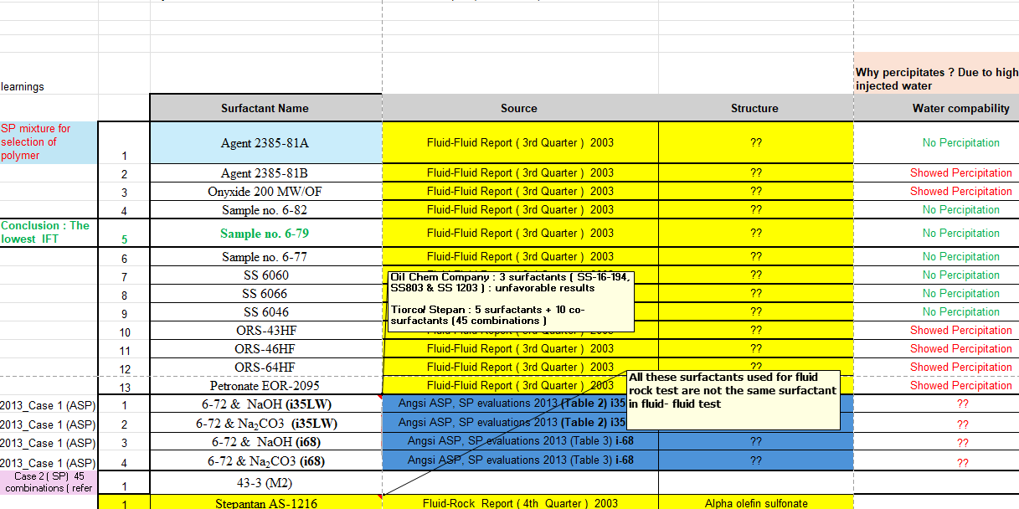
# | Surfactant | IFT low dyne/cm | IFT high dyne/cm | Year | Pass Phase Behavior Test ?
1 | Agent 2385-81A (S) | 0.25 | 1.69 | 2003 | Yes
2 | Agent 2385-81B (S) | 0 | 0 | 2003 | No
3 | Onyxide 200 MW/OF (S) | 0 | 0 | 2003 | Yes
4 | Sample no. 6-82 (S) | 0.08 | 0.37 | 2003 | Yes
5 | Sample no. 6-79 (S) | 0.0025 | 0.0945 | 2003 | Yes
6 | Sample no. 6-77 (S) | 0.035 | 0.428 | 2003 | Yes
7 | SS 6060 (S) | 0.082 | 0.613 | 2003 | Yes
8 | SS 6066 (S) | 0.07 | 0.3 | 2003 | Yes
9 | SS 6046 (S) | 0.1 | 0.66 | 2003 | Yes
10 | ORS-43HF (S) | 0 | 0 | 2003 | No
11 | ORS-46HF (S) | 0 | 0 | 2003 | No
12 | ORS-64HF (S) | 0 | 0 | 2003 | No
13 | Petronate EOR-2095 (S) | 0 | 0 | 2003 | No
14 | Petronate EOR-2037(S) | 0 | 0 | 2003 | No
1 | 6-72 (S) & NaOH (A) (i35LW) | 0.00762 | 0.01018 | 2013 | No
2 | 6-72 (S) & Na2CO3 (A) (i35LW) | 0.00173 | 0.00778 | 2013 | Yes
3 | 6-72 (S) & NaOH (A) (i68) | 0.00364 | 0.12336 | 2013 | Yes
4 | 6-72 (S) & Na2CO3 (A) (i68) | 0.00441 | 0.02419 | 2013 | Yes
1 | Formulation 1 : S3B + S1 (S+CS) | 0 | 0 | 2013 | No
2 | Formulation 2 : S3B + S2 (S+CS) | 0 | 0 | 2013 | No
3 | Formulation 3 : C8 + S2 (S+CS) | 0 | 0 | 2013 | No
4 | Formulation 4 : M2 + S2 (S+CS) | 0 | 0 | 2013 | No
5 | Formulation 5 : A6 + S2 (S+CS) | 0 | 0 | 2013 | No
6 | Formulation 6 : C1 + S2 (S+CS) | 0 | 0 | 2013 | No
7 | Formulation 7 : M2 + S3B (S+CS) | 0 | 0 | 2013 | No
8 | Formulation 8 : C8 + S3B (S+CS) | 0 | 0 | 2013 | No
9 | Formulation 9 : M2 + S3B (S+CS) | 0 | 0 | 2013 | No
10 | Formulation 10 : M2 + S3B (S+CS) | 0 | 0 | 2013 | No
11 | Formulation 1 : M2 + S3B (S+CS) | 0 | 0 | 2013 | No
12 | Formulation 12 : M2 + S3B (S+CS) | 0 | 0 | 2013 | No
13 | Formulation 13 : M2 + S3B (S+CS) | 0 | 0 | 2013 | No
14 | Formulation 14 : M2 + S3B (S+CS) | 0 | 0 | 2013 | No
15 | Formulation 15 : M2 + S3B (S+CS) | 0 | 0 | 2013 | No
16 | Formulation 16 : M2 + S3B (S+CS) | 0 | 0 | 2013 | No
17 | Formulation 17 : M2 + S3B (S+CS) | 0 | 0 | 2013 | No
18 | Formulation 18 : M2 + S3B (S+CS) | 0 | 0 | 2013 | No
19 | Formulation 19 : C8 + S3B (S+CS) | 0 | 0 | 2013 | No
20 | Formulation 20 : C1 + S3B (S+CS) | 0 | 0 | 2013 | No
21 | Formulation 21 : C1 + S3B (S+CS) | 0 | 0 | 2013 | No
22 | Formulation 22 : M2 + S3B (S+CS) | 0 | 0 | 2013 | No
23 | Formulation 23 :M2 + S3B (S+CS) | 0 | 0 | 2013 | No
24 | Formulation 24 : M2 + S3B (S+CS) | 0 | 0 | 2013 | No
25 | Formulation 25 : M2 + S3B (S+CS) | 0 | 0 | 2013 | No
26 | Formulation 26 : M2 + S2 (S+CS) | 0 | 0 | 2013 | No
27 | Formulation 27 : M2 + S3B (S+CS) | 0 | 0 | 2013 | No
28 | Formulation 28 : M2 + S3B (S+CS) | 0 | 0 | 2013 | No
29 | Formulation 29 : M2 + S3B (S+CS) | 0 | 0 | 2013 | No
30 | Formulation 30 : M2 + S3B (S+CS) | 0 | 0 | 2013 | No
31 | Formulation 31 : M2 + S3B (S+CS) | 0 | 0 | 2013 | No
32 | Formulation 32 : M2 + S3B (S+CS) | 0 | 0 | 2013 | No
33 | Formulation 34 : M3 + S3B (S+CS) | 0 | 0 | 2013 | No
34 | Formulation 35 : M2 + S3B (S+CS) | 0 | 0 | 2013 | No
35 | Formulation 36 : M2 +S12 (S+CS) | 0 | 0 | 2013 | No
36 | Formulation 37 : S12 + S3B (S+CS) | 0 | 0 | 2013 | No
37 | Formulation 38 : M2 + S3B (S+CS) | 0 | 0 | 2013 | No
38 | Formulation 39 : M2 + S3B (S+CS) | 0 | 0 | 2013 | No
39 | Formulation 40 : M2 + S3B (S+CS) | 0 | 0 | 2013 | No
40 | Formulation 40#2 : M2 + S3B (S+CS) | 0 | 0 | 2013 | No
41 | Formulation 40#3 : M2 + S3B (S+CS) | 0 | 0 | 2013 | No
42 | Formulation 41 : M2 + S3B (S+CS) | 0 | 0 | 2013 | No
43 | Formulation 42 : M2 + S3B (S+CS) | 0 | 0 | 2013 | No
44 | Formulation 43 : M2 + S3B (S+CS) | 0.0008 | 0.13 | 2013 | Yes
45 | Formulation 43#2 : M2 + S3B (S+CS) | 0.0008 | 0.13 | 2013 | Yes
46 | Formulation 43#23 : M2 + S3B (S+CS) | 0.0008 | 0.13 | 2013 | Yes
47 | Formulation 44 : M2 + S3B (S+CS) | 0 | 0 | 2013 | No
48 | Formulation 45 : SXS + S3B (S+CS) | 0 | 0 | 2013 | No
49 | Formulation 46 : S3B + S3B (S+CS) | 0 | 0 | 2013 | No

