PB_2003
Year | Number | Formulation (A/S/P) | Remarks | Percipitation | No Percepitation
2003 | 1 | Agent 2385-81A (S) + Superfloc BD319 (P) |  | 0.53 | 0.47
2003 | 2 | Agent 2385-81B (S) + Superfloc BD319 (P) |  | 1.00 | 0.00
2003 | 3 | Onyxide 200 MW/OF (S) + Superfloc BD319 (P) |  | 1.00 | 0.00
2003 | 4 | Sample no. 6-82 (S) + Superfloc BD319 (P) |  | 0.33 | 0.67
2003 | 5 | Sample no. 6-79(S) + Superfloc BD319 (P) |  | 0.13 | 0.87
2003 | 6 | Sample no. 6-77(S) + Superfloc BD319 (P) |  | 0.33 | 0.67
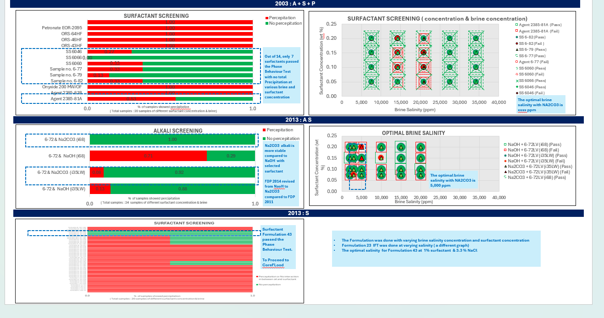
2003 | 7 | SS 6060(S) + Superfloc BD319 (P) |  | 0.33 | 0.67
2003 | 8 | SS 6066(S) + Superfloc BD319 (P) |  | 0.00 | 1.00
2003 | 9 | SS 6046 (S) + Superfloc BD319 (P) |  | 0.27 | 0.73
2003 | 10 | ORS-43HF(S) + Superfloc BD319 (P) |  | 1.00 | 0.00
2003 | 11 | ORS-46HF(S) + Superfloc BD319 (P) |  | 1.00 | 0.00
2003 | 12 | ORS-64HF(S) + Superfloc BD319 (P) |  | 1.00 | 0.00
2003 | 13 | Petronate EOR-2095(S) + Superfloc BD319 (P) |  | 1.00 | 0.00
2003 | 14 | Petronate EOR-2037 (S) + Superfloc BD319 (P) |  | 1.00 | 0.00

