Phase Behavior Results
Formulation 7
 |  | Formulation 7. Figure 2 . Page 17
 |  | repeat this | repeat this
 |  | oil | oil | water | water
 |  | X axis | Y axis | X axis | Y axis
Type III
Page | Formulation | Total Dissolved Solid ( TDS) (wt%) | Solubilization Ratio ( cc/cc) | Total Dissolved Solid ( TDS) (wt%) | Solubilization Ratio ( cc/cc)
17 | Formulation 7 | 0.5 | 0.10 | 5.2 | 8.2
 |  | 1.1 | 0.20 | 4.7 | 19
 |  | 1.6 | 1.00 | 5.5 | 6
 |  | 2.1 | 1.80
 |  | 2.7 | 2.50
 |  | 3.2 | 2.60
 |  | 3.7 | 3.90
 |  | 4.2 | 5.80
 |  | 4.7 | 9.50
 |  | 5.2 | 13.90
 | Intersection | 4.9 | 0
 | Intersection | 4.9 | 13
 | Type III Region_Min | 3.9 | 0
 | Type III Region_Min | 3.9 | 20
 | Type III Region_Max | 5.5 | 0
 | Type III Region_Max | 5.5 | 20

Formulation 9
 | Formulation9_oil |  | Formulation9_Water
0.5 | 3 | 2.1 | 11
1.1 | 4.5 | 2.6 | 7
1.6 | 6.5 | 3.2 | 5
2.1 | 11 | 3.7 | 2.5
2.7 | 14 | 4.2 | 1.5
 |  | 4.7 | 1
 |  | 5.2 | 0.5
 |  | Formulation 9. Figure 3 . Page 18
 |  | repeat this | repeat this
 |  | oil | oil | water | water
 |  | X axis | Y axis | X axis | Y axis
Page | Formulation | Total Dissolved Solid ( TDS) (wt%) | Solubilization Ratio ( cc/cc) | Total Dissolved Solid ( TDS) (wt%) | Solubilization Ratio ( cc/cc)
18 | Formulation 9 | 0.5 | 3 | 2.1 | 11
 |  | 1.1 | 4.5 | 2.6 | 7
 |  | 1.6 | 6.5 | 3.2 | 5
 |  | 2.1 | 11 | 3.7 | 2.5
 |  | 2.7 | 14 | 4.2 | 1.5
 |  |  |  | 4.7 | 1
 |  |  |  | 5.2 | 0.5

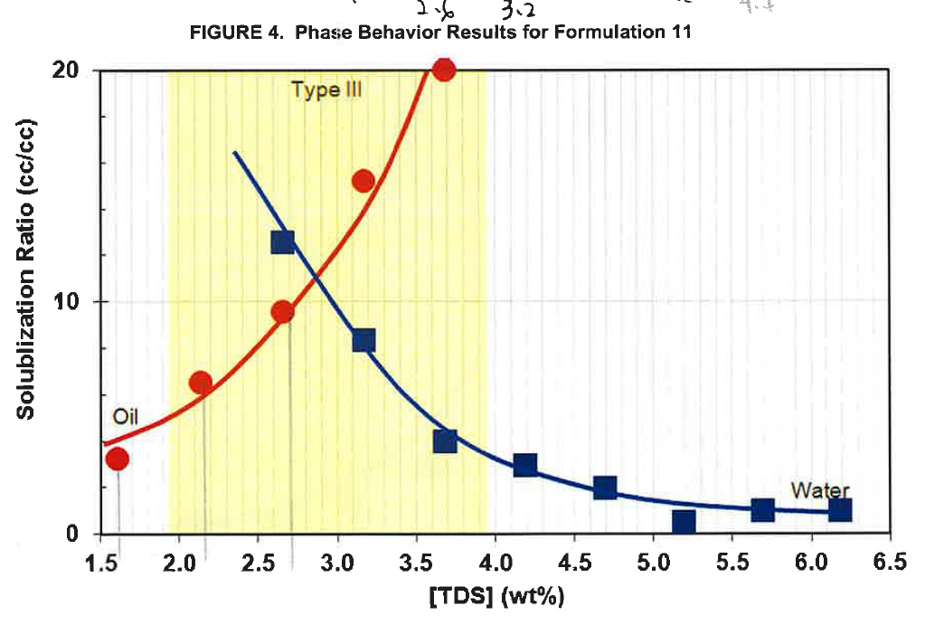
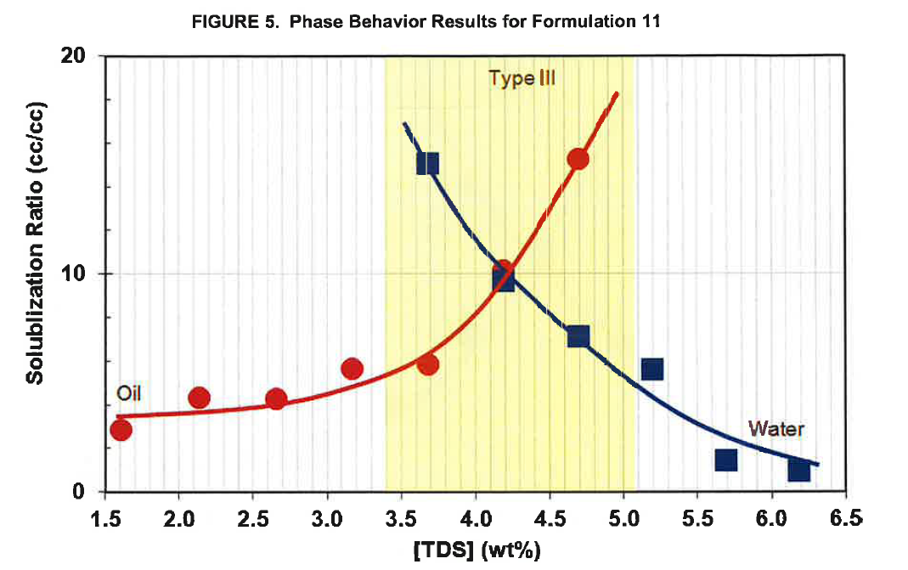
 |  | Formulation 11. Figure 4 . Page 18 |  |  | [VALIDATED]
 |  | repeat this | repeat this
 |  | oil | oil | water | water
 |  | X axis | Y axis | X axis | Y axis
Page | Formulation | Total Dissolved Solid ( TDS) (wt%) | Solubilization Ratio ( cc/cc) | Total Dissolved Solid ( TDS) (wt%) | Solubilization Ratio ( cc/cc)
18 | Formulation 11 | 1.61 | 3.22 | 2.66 | 12.55
 |  | 2.14 | 6.50 | 3.17 | 8.33
 |  | 2.66 | 9.57 | 3.69 | 4.00
 |  | 3.17 | 15.20 | 4.19 | 2.95
 |  | 3.68 | 20.00 | 4.70 | 2.00
 |  |  |  | 5.20 | 0.52
 |  |  |  | 5.69 | 1.00
 |  |  |  | 6.19 | 1.00

 |  | Formulation 11. Figure 5 . Page 19 |  |  | [VALIDATED]
 |  | repeat this | repeat this
 |  | oil | oil | water | water
 |  | X axis | Y axis | X axis | Y axis
Page | Formulation | Total Dissolved Solid ( TDS) (wt%) | Solubilization Ratio ( cc/cc) | Total Dissolved Solid ( TDS) (wt%) | Solubilization Ratio ( cc/cc)
19 | Formulation 11 | 1.61 | 2.84 | 3.67 | 15.08
 |  | 2.13 | 4.30 | 4.18 | 9.65
 |  | 2.66 | 4.25 | 4.70 | 7.15
 |  | 3.16 | 5.62 | 5.19 | 5.61
 |  | 3.68 | 5.82 | 5.69 | 1.45
 |  | 4.19 | 10.14 | 6.18 | 0.94
 |  | 4.68 | 15.30

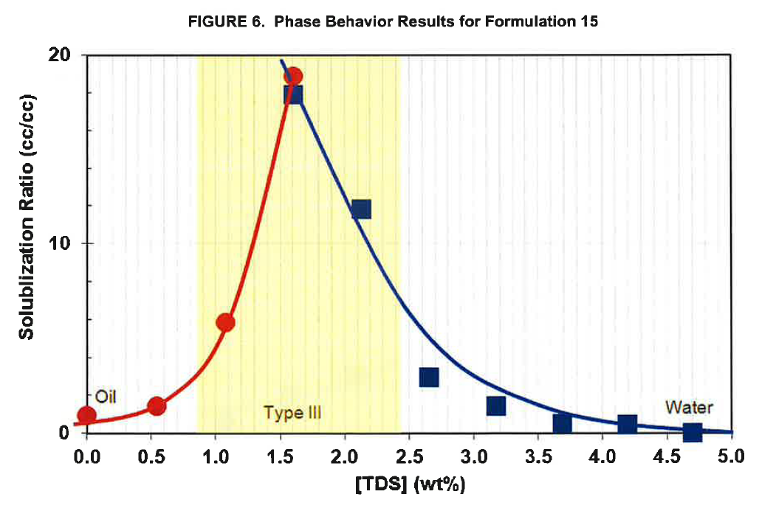
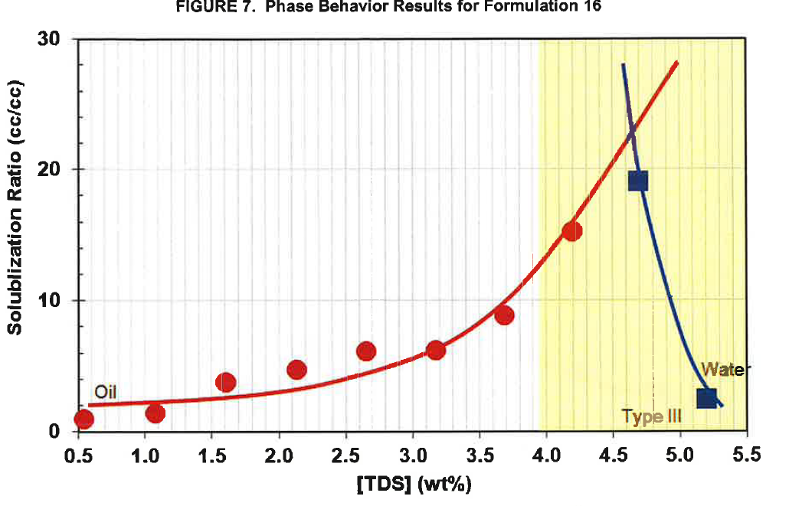
 |  | Formulation 15. Figure 6 . Page 19 |  |  | [VALIDATED]
 |  | repeat this | repeat this
 |  | oil | oil | water | water
 |  | X axis | Y axis | X axis | Y axis
Page | Formulation | Total Dissolved Solid ( TDS) (wt%) | Solubilization Ratio ( cc/cc) | Total Dissolved Solid ( TDS) (wt%) | Solubilization Ratio ( cc/cc)
19 | Formulation 15 | 0.00 | 0.95 | 1.61 | 17.85
 |  | 0.54 | 1.42 | 2.14 | 11.80
 |  | 1.08 | 5.85 | 2.66 | 2.93
 |  | 1.61 | 18.90 | 3.18 | 1.43
 |  |  |  | 3.69 | 0.50
 |  |  |  | 4.20 | 0.50
 |  |  |  | 4.71 | 0.00

 |  | Formulation 16. Figure 7 . Page 20 |  |  | [VALIDATED]
 |  | repeat this | repeat this
 |  | oil | oil | water | water
 |  | X axis | Y axis | X axis | Y axis
Page | Formulation | Total Dissolved Solid ( TDS) (wt%) | Solubilization Ratio ( cc/cc) | Total Dissolved Solid ( TDS) (wt%) | Solubilization Ratio ( cc/cc)
20 | Formulation 16 | 0.54 | 1.00 | 4.70 | 19.10
 |  | 1.07 | 1.33 | 5.20 | 2.52
 |  | 1.60 | 3.70
 |  | 2.14 | 4.70
 |  | 2.65 | 6.17
 |  | 3.18 | 6.22
 |  | 3.70 | 8.97
 |  | 4.19 | 15.28

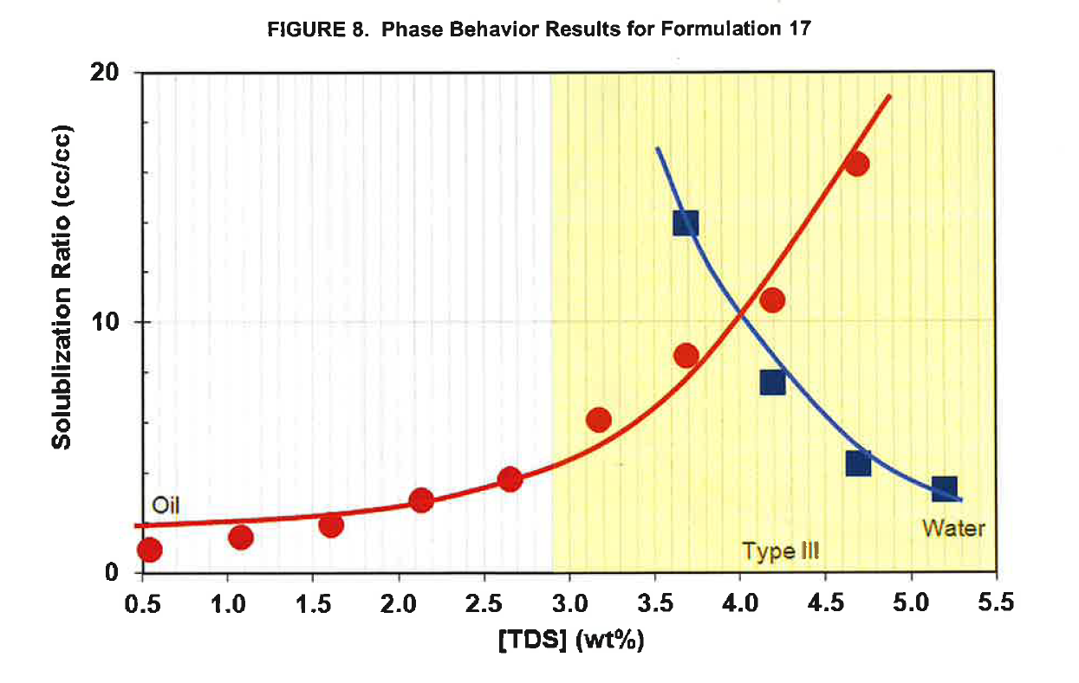
Formulation 17. Figure 8
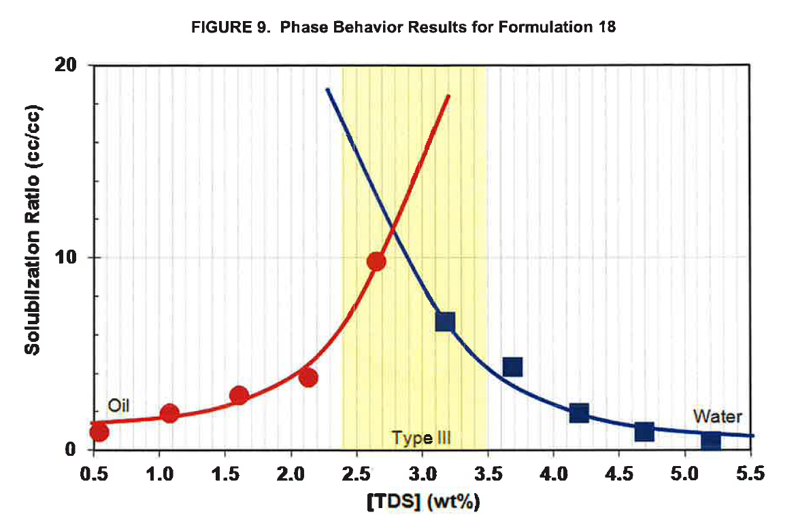
Formulation 18
 |  | Formulation 17. Figure 8 . Page 20 |  |  | [VALIDATED]
 |  | repeat this | repeat this
 |  | oil | oil | water | water
 |  | X axis | Y axis | X axis | Y axis
Page | Formulation | Total Dissolved Solid ( TDS) (wt%) | Solubilization Ratio ( cc/cc) | Total Dissolved Solid ( TDS) (wt%) | Solubilization Ratio ( cc/cc)
20 | Formulation 17 | 0.54 | 0.85 | 3.68 | 13.95
 |  | 1.08 | 1.35 | 4.19 | 7.55
 |  | 1.60 | 1.85 | 4.69 | 4.30
 |  | 2.13 | 2.85 | 5.20 | 3.30
 |  | 2.66 | 3.70
 |  | 3.18 | 6.05
 |  | 3.69 | 8.65
 |  | 4.19 | 10.90
 |  | 4.68 | 16.35

 |  | Formulation 18. Figure 9 . Page 21 |  |  | [VALIDATED]
 |  | repeat this | repeat this
 |  | oil | oil | water | water
 |  | X axis | Y axis | X axis | Y axis
Page | Formulation | Total Dissolved Solid ( TDS) (wt%) | Solubilization Ratio ( cc/cc) | Total Dissolved Solid ( TDS) (wt%) | Solubilization Ratio ( cc/cc)
21 | Formulation 18 | 0.54 | 0.91 | 3.18 | 6.70
 |  | 1.08 | 1.88 | 3.69 | 4.36
 |  | 1.61 | 2.83 | 4.20 | 1.98
 |  | 2.13 | 3.80 | 4.70 | 0.97
 |  | 2.66 | 9.80 | 5.20 | 0.44

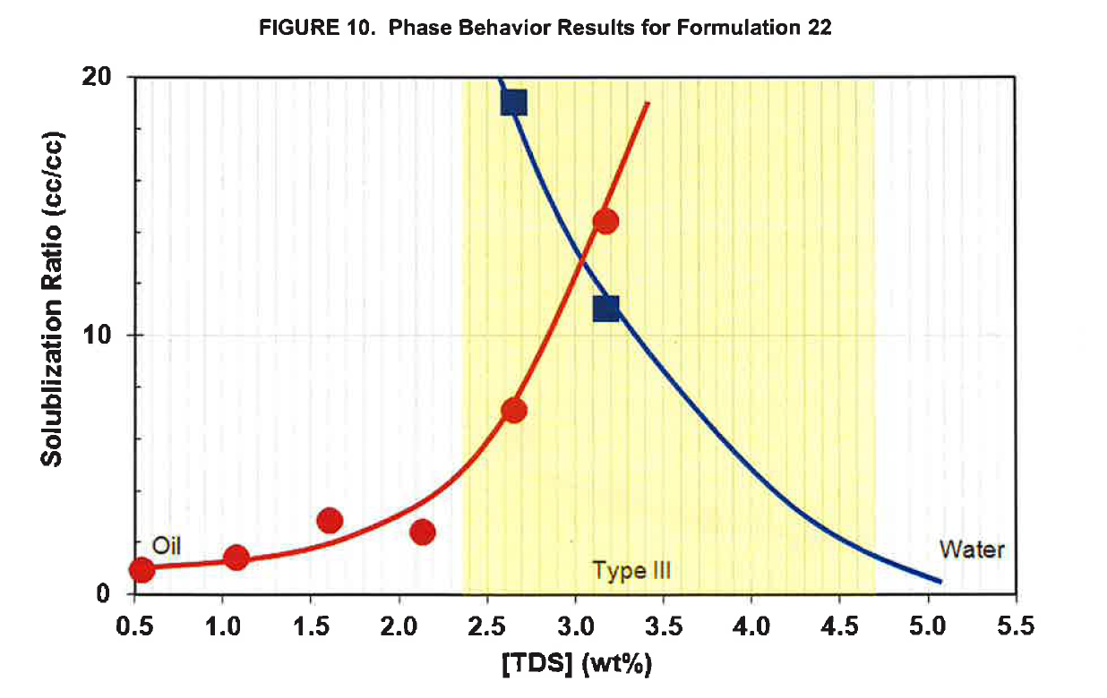
Formulation 22. Figure 10
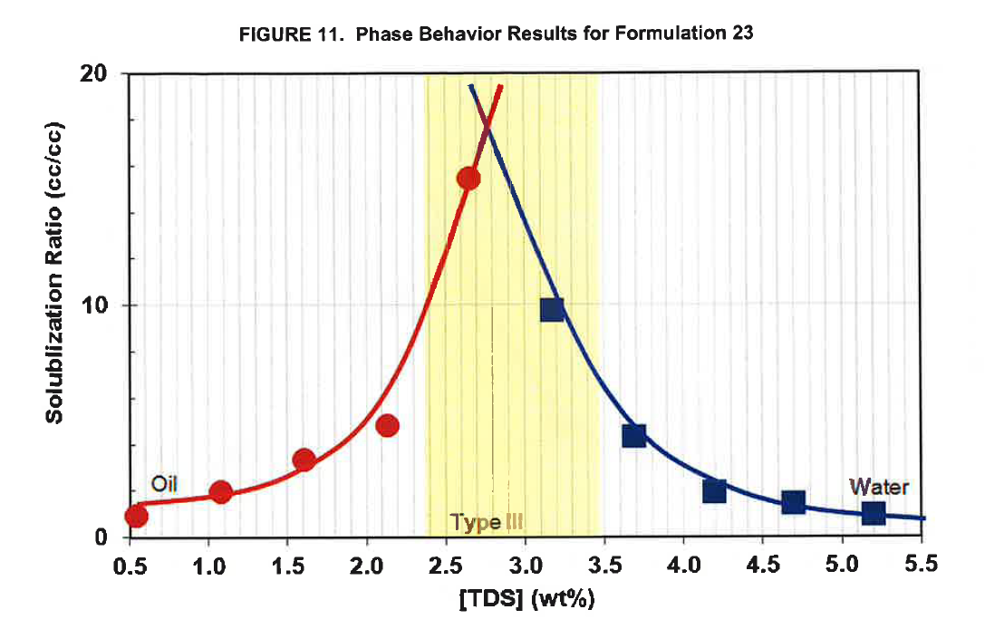
Formulation 23. Figure 11
 |  | Formulation 22. Figure 10. Page 21 |  |  | [VALIDATED]
 |  | repeat this | repeat this
 |  | oil | oil | water | water
 |  | X axis | Y axis | X axis | Y axis
Page | Formulation | Total Dissolved Solid ( TDS) (wt%) | Solubilization Ratio ( cc/cc) | Total Dissolved Solid ( TDS) (wt%) | Solubilization Ratio ( cc/cc)
21 | Formulation 22 | 0.54 | 0.95 | 2.65 | 19.05
 |  | 1.08 | 1.40 | 3.17 | 11.10
 |  | 1.60 | 2.81
 |  | 2.13 | 2.45
 |  | 2.65 | 7.10
 |  | 3.17 | 14.45

 |  | Formulation 23. Figure 11 . Page 22 |  |  | [VALIDATED]
 |  | repeat this | repeat this
 |  | oil | oil | water | water
 |  | X axis | Y axis | X axis | Y axis
Page | Formulation | Total Dissolved Solid ( TDS) (wt%) | Solubilization Ratio ( cc/cc) | Total Dissolved Solid ( TDS) (wt%) | Solubilization Ratio ( cc/cc)
22 | Formulation 23 | 0.54 | 0.85 | 3.18 | 9.75
 |  | 1.08 | 1.89 | 3.69 | 4.35
 |  | 1.60 | 3.30 | 4.20 | 1.93
 |  | 2.13 | 4.82 | 4.70 | 1.45
 |  | 2.64 | 15.51 | 5.21 | 0.98

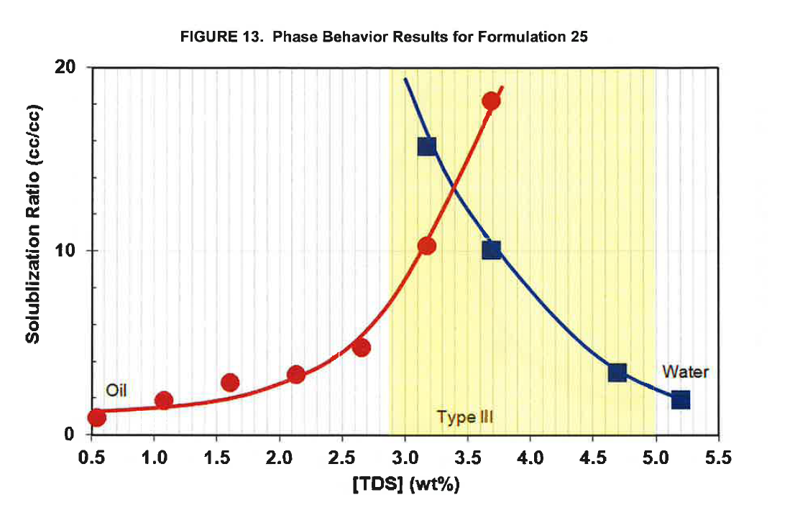
Formulation 25. Figure 13
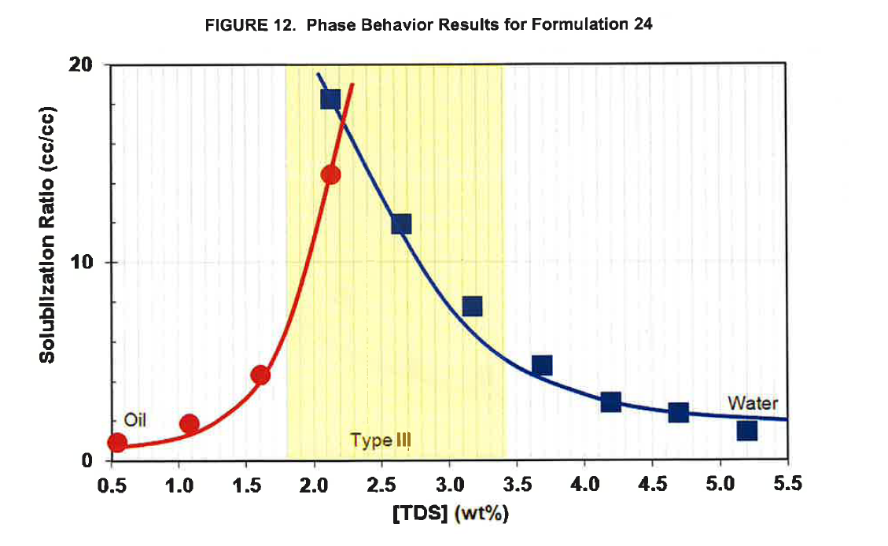
 |  | Formulation 24. Figure 12 . Page 22 |  |  | [VALIDATED]
 |  | repeat this | repeat this
 |  | oil | oil | water | water
 |  | X axis | Y axis | X axis | Y axis
Page | Formulation | Total Dissolved Solid ( TDS) (wt%) | Solubilization Ratio ( cc/cc) | Total Dissolved Solid ( TDS) (wt%) | Solubilization Ratio ( cc/cc)
22 | Formulation 24 | 0.54 | 0.90 | 2.12 | 18.33
 |  | 1.08 | 1.86 | 2.64 | 11.97
 |  | 1.61 | 4.37 | 3.17 | 7.84
 |  | 2.12 | 14.48 | 3.69 | 4.84
 |  |  |  | 4.19 | 3.01
 |  |  |  | 4.69 | 2.51
 |  |  |  | 5.20 | 1.58

 |  | Formulation 25. Figure 13 . Page 23 |  |  | [VALIDATED]
 |  | repeat this | repeat this
 |  | oil | oil | water | water
 |  | X axis | Y axis | X axis | Y axis
Page | Formulation | Total Dissolved Solid ( TDS) (wt%) | Solubilization Ratio ( cc/cc) | Total Dissolved Solid ( TDS) (wt%) | Solubilization Ratio ( cc/cc)
23 | Formulation 25 | 0.54 | 0.89 | 3.17 | 15.70
 |  | 1.08 | 1.88 | 3.69 | 10.11
 |  | 1.61 | 2.87 | 4.70 | 3.45
 |  | 2.13 | 3.30 | 5.21 | 1.95
 |  | 2.65 | 4.78
 |  | 3.18 | 10.29
 |  | 3.69 | 18.15

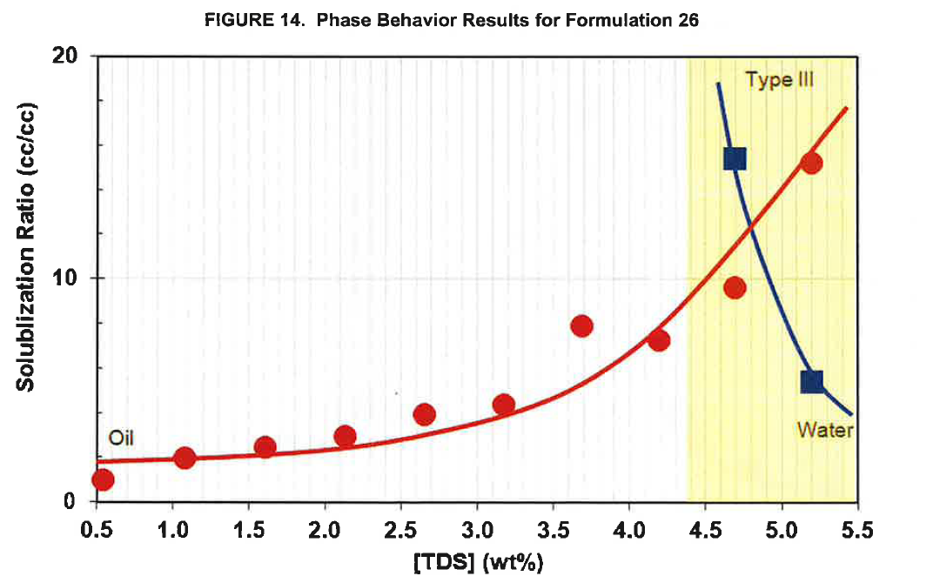
Formulation 26. Figure 14
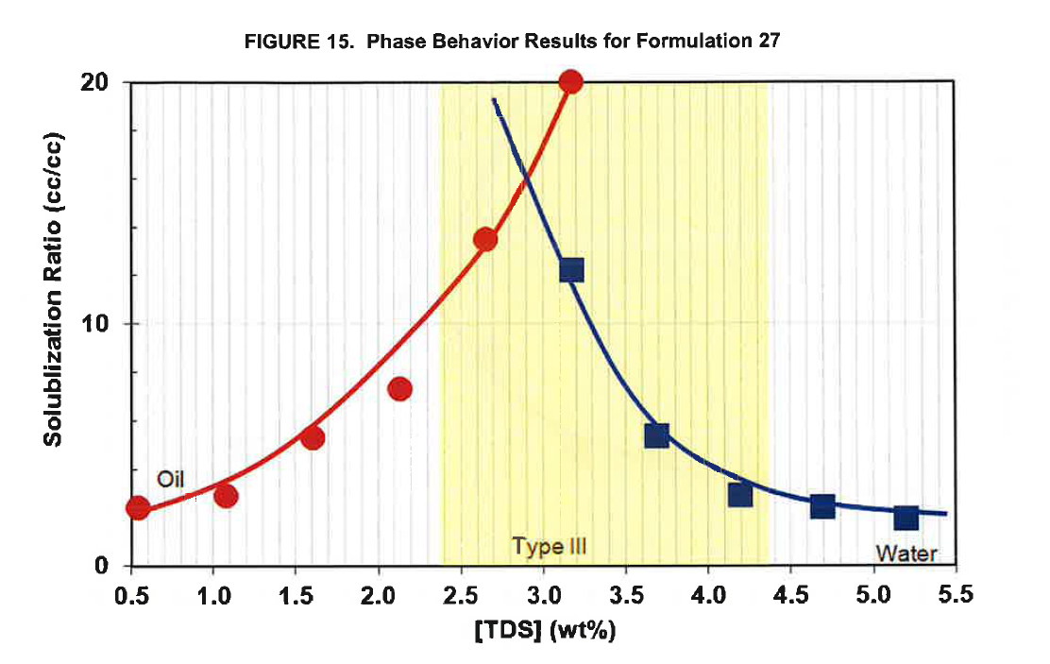
Formulation 27. Figure 15
 |  | Formulation 26. Figure 14 . Page 23 |  |  | [VALIDATED]
 |  | repeat this | repeat this
 |  | oil | oil | water | water
 |  | X axis | Y axis | X axis | Y axis
Page | Formulation | Total Dissolved Solid ( TDS) (wt%) | Solubilization Ratio ( cc/cc) | Total Dissolved Solid ( TDS) (wt%) | Solubilization Ratio ( cc/cc)
23 | Formulation 26 | 0.54 | 0.97 | 4.70 | 15.40
 |  | 1.08 | 1.98 | 5.20 | 5.40
 |  | 1.61 | 2.48
 |  | 2.13 | 2.95
 |  | 2.66 | 3.96
 |  | 3.18 | 4.33
 |  | 3.69 | 7.91
 |  | 4.20 | 7.28
 |  | 4.70 | 9.61
 |  | 5.20 | 15.23

 |  | Formulation 27. Figure 15 . Page 24 |  |  | [VALIDATED]
 |  | repeat this | repeat this
 |  | oil | oil | water | water
 |  | X axis | Y axis | X axis | Y axis
Page | Formulation | Total Dissolved Solid ( TDS) (wt%) | Solubilization Ratio ( cc/cc) | Total Dissolved Solid ( TDS) (wt%) | Solubilization Ratio ( cc/cc)
24 | Formulation 27 | 0.54 | 2.39 | 3.17 | 12.24
 |  | 1.08 | 2.95 | 3.69 | 5.43
 |  | 1.60 | 5.27 | 4.20 | 2.95
 |  | 2.13 | 7.32 | 4.70 | 2.51
 |  | 2.65 | 13.50 | 5.20 | 2.04
 |  | 3.17 | 20.00

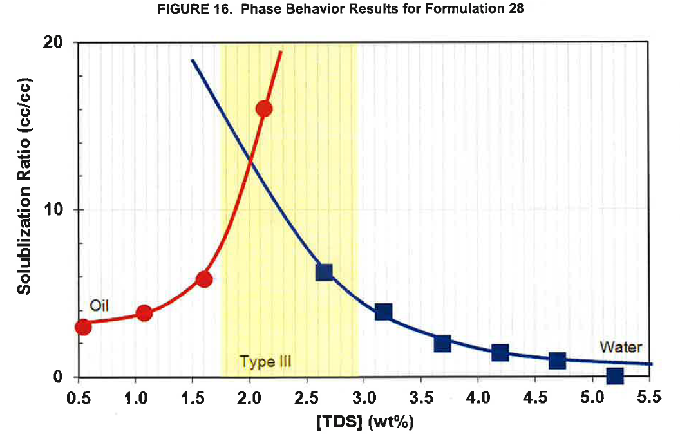
Formulation 28. Figure 16
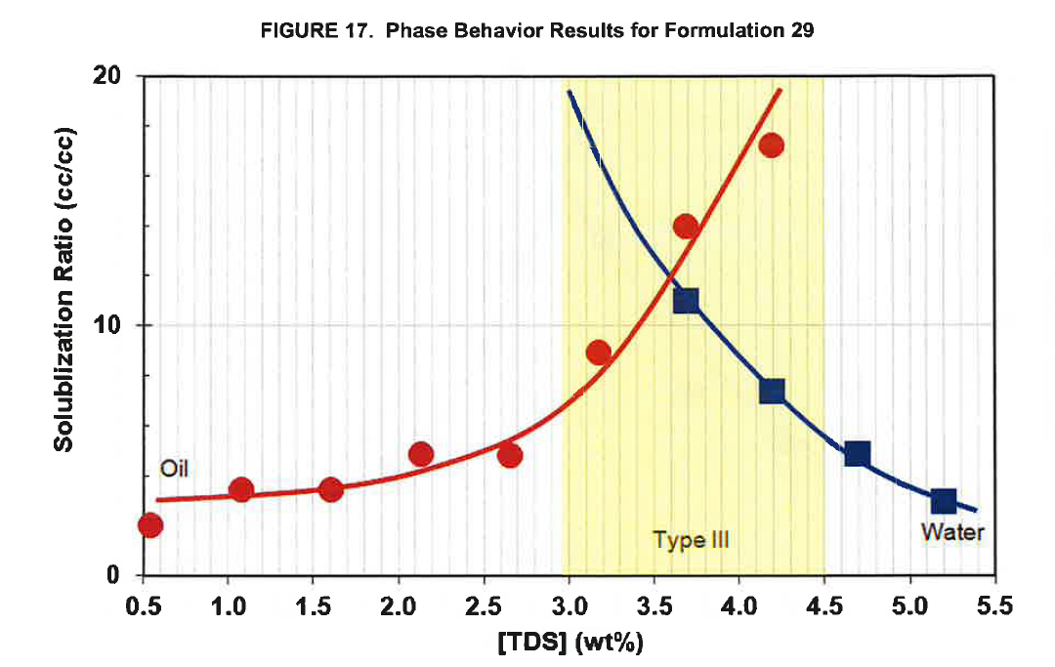
Formulation 29. Figure 17
 |  | Formulation 28. Figure 16 . Page 24 |  |  | [VALIDATED]
 |  | repeat this | repeat this
 |  | oil | oil | water | water
 |  | X axis | Y axis | X axis | Y axis
Page | Formulation | Total Dissolved Solid ( TDS) (wt%) | Solubilization Ratio ( cc/cc) | Total Dissolved Solid ( TDS) (wt%) | Solubilization Ratio ( cc/cc)
24 | Formulation 28 | 0.54 | 2.94 | 2.65 | 6.32
 |  | 1.08 | 3.82 | 3.17 | 3.88
 |  | 1.61 | 5.88 | 3.69 | 1.97
 |  | 2.13 | 16.03 | 4.20 | 1.47
 |  |  |  | 4.69 | 1.00
 |  |  |  | 5.21 | 0.03

 |  | Formulation 29. Figure 17 . Page 25 |  |  | [VALIDATED]
 |  | repeat this | repeat this
 |  | oil | oil | water | water
 |  | X axis | Y axis | X axis | Y axis
Page | Formulation | Total Dissolved Solid ( TDS) (wt%) | Solubilization Ratio ( cc/cc) | Total Dissolved Solid ( TDS) (wt%) | Solubilization Ratio ( cc/cc)
25 | 29 | 0.55 | 2.00 | 3.69 | 11.03
 |  | 1.08 | 3.44 | 4.19 | 7.37
 |  | 1.61 | 3.41 | 4.70 | 4.85
 |  | 2.13 | 4.85 | 5.20 | 2.98
 |  | 2.66 | 4.79
 |  | 3.18 | 8.88
 |  | 3.69 | 14.01
 |  | 4.19 | 17.24

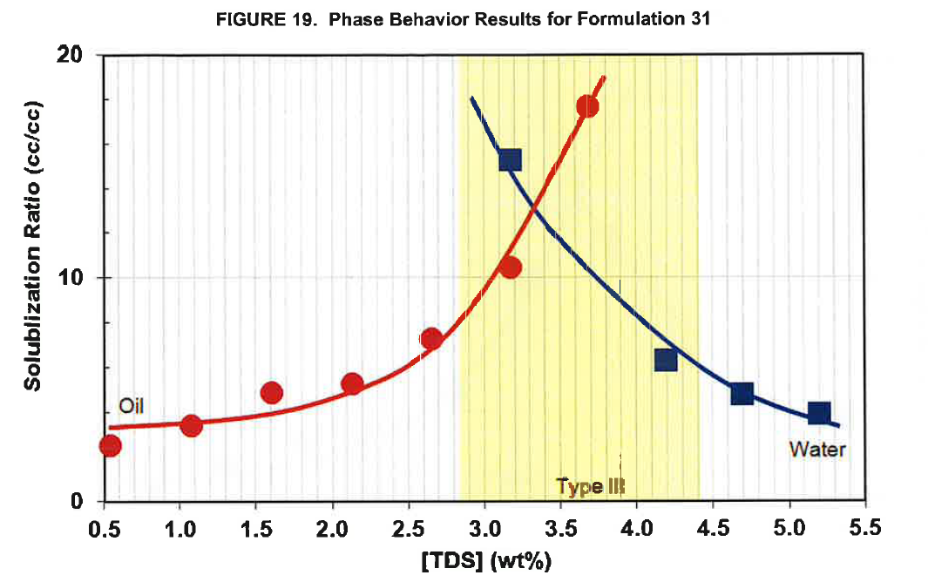
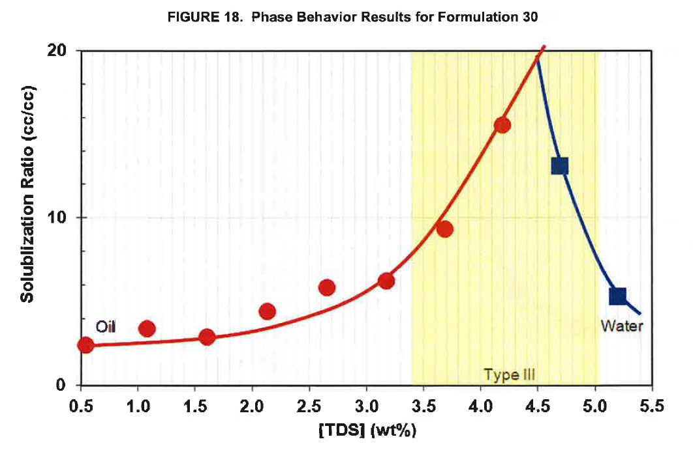
 |  | Formulation 30. Figure 18 . Page 25 |  |  | [VALIDATED]
 |  | repeat this | repeat this
 |  | oil | oil | water | water
 |  | X axis | Y axis | X axis | Y axis
Page | Formulation | Total Dissolved Solid ( TDS) (wt%) | Solubilization Ratio ( cc/cc) | Total Dissolved Solid ( TDS) (wt%) | Solubilization Ratio ( cc/cc)
25 | Formulation 30 | 0.54 | 2.39 | 4.69 | 13.18
 |  | 1.08 | 3.36 | 5.20 | 5.39
 |  | 1.61 | 2.88
 |  | 2.14 | 4.39
 |  | 2.66 | 5.85
 |  | 3.18 | 6.18
 |  | 3.69 | 9.33
 |  | 4.20 | 15.58

 |  | Formulation 31. Figure 19 . Page 26 |  |  | [VALIDATED]
 |  | repeat this | repeat this
 |  | oil | oil | water | water
 |  | X axis | Y axis | X axis | Y axis
Page | Formulation | Total Dissolved Solid ( TDS) (wt%) | Solubilization Ratio ( cc/cc) | Total Dissolved Solid ( TDS) (wt%) | Solubilization Ratio ( cc/cc)
26 | Formulation 31 | 0.54 | 2.43 | 3.17 | 15.32
 |  | 1.08 | 3.34 | 4.19 | 6.32
 |  | 1.61 | 4.89 | 4.70 | 4.80
 |  | 2.14 | 5.26 | 5.20 | 3.93
 |  | 2.66 | 7.29
 |  | 3.18 | 10.46
 |  | 3.68 | 17.72

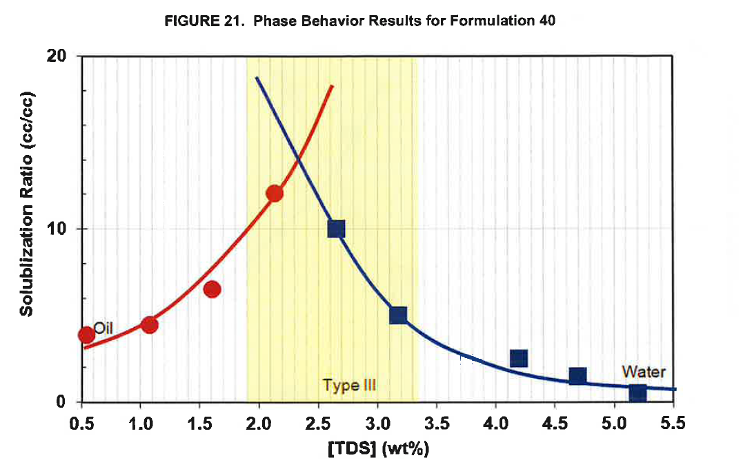
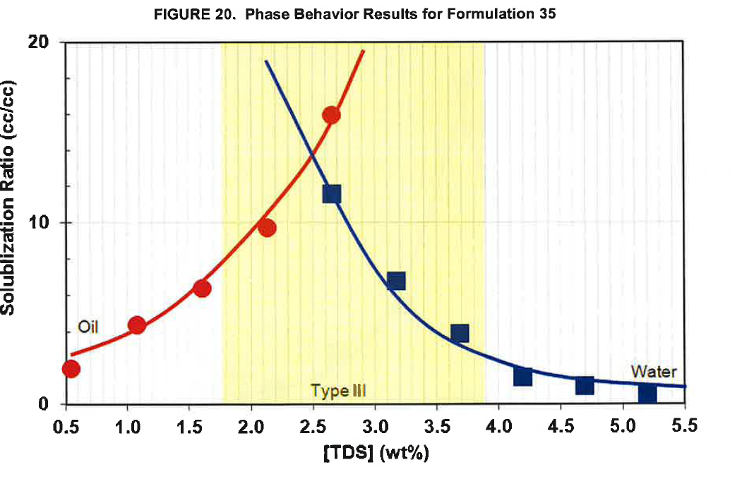
 |  | Formulation 35. Figure 20 . Page 26 |  |  | [VALIDATED]
 |  | repeat this | repeat this
 |  | oil | oil | water | water
 |  | X axis | Y axis | X axis | Y axis
Page | Formulation | Total Dissolved Solid ( TDS) (wt%) | Solubilization Ratio ( cc/cc) | Total Dissolved Solid ( TDS) (wt%) | Solubilization Ratio ( cc/cc)
26 | Formulation 35 | 0.54 | 1.91 | 2.65 | 11.65
 |  | 1.07 | 4.36 | 3.17 | 6.84
 |  | 1.60 | 6.41 | 3.69 | 3.96
 |  | 2.13 | 9.77 | 4.20 | 1.55
 |  | 2.65 | 15.98 | 4.70 | 1.04
 |  |  |  | 5.21 | 0.64

 |  | Formulation 40. Figure 21 . Page 27 |  |  | [VALIDATED]
 |  | repeat this | repeat this
 |  | oil | oil | water | water
 |  | X axis | Y axis | X axis | Y axis
Page | Formulation | Total Dissolved Solid ( TDS) (wt%) | Solubilization Ratio ( cc/cc) | Total Dissolved Solid ( TDS) (wt%) | Solubilization Ratio ( cc/cc)
27 | Formulation 40 | 0.54 | 3.89 | 2.65 | 10.03
 |  | 1.08 | 4.49 | 3.17 | 5.08
 |  | 1.60 | 6.51 | 4.19 | 2.55
 |  | 2.13 | 12.06 | 4.69 | 1.53
 |  |  |  | 5.20 | 0.50

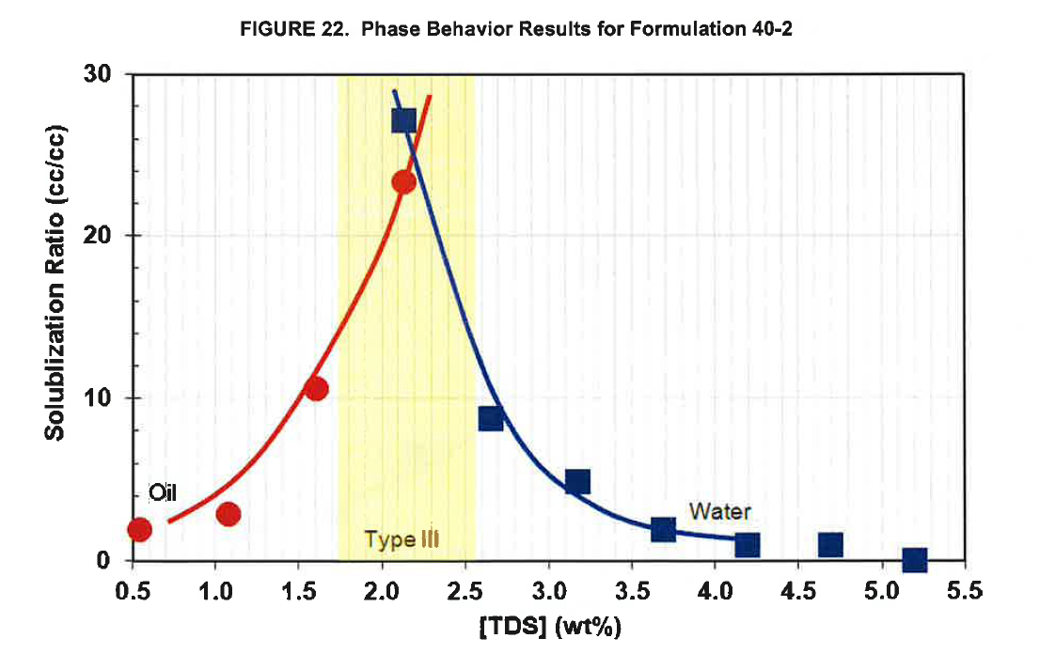
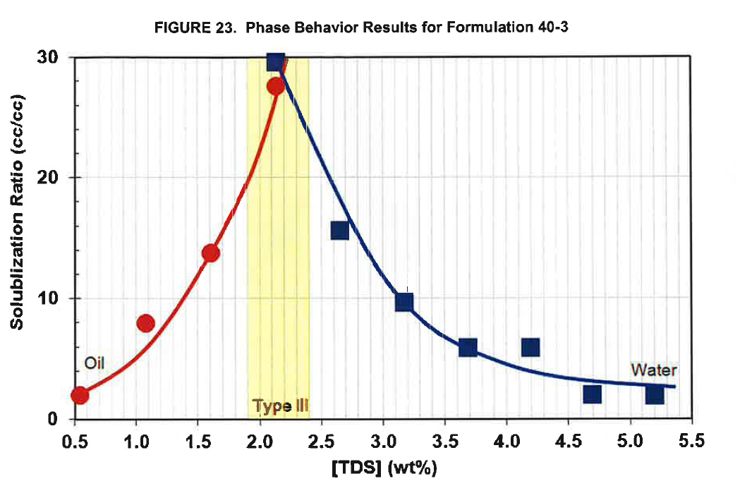
 |  | Formulation 40-2. Figure 22 . Page 27 |  |  | [VALIDATED]
 |  | repeat this | repeat this
 |  | oil | oil | water | water
 |  | X axis | Y axis | X axis | Y axis
Page | Formulation | Total Dissolved Solid ( TDS) (wt%) | Solubilization Ratio ( cc/cc) | Total Dissolved Solid ( TDS) (wt%) | Solubilization Ratio ( cc/cc)
27 | Formulation 40-2 | 0.53 | 1.28 | 2.12 | 18.11
 |  | 1.07 | 1.96 | 2.64 | 5.89
 |  | 1.60 | 7.08 | 3.17 | 3.30
 |  | 2.12 | 15.57 | 3.69 | 1.30
 |  |  |  | 4.20 | 0.66
 |  |  |  | 4.70 | 0.68
 |  |  |  | 5.20 | 0.10

 |  | Formulation 40-3. Figure 23 . Page 28 |  |  | [VALIDATED]
 |  | repeat this | repeat this
 |  | oil | oil | water | water
 |  | X axis | Y axis | X axis | Y axis
Page | Formulation | Total Dissolved Solid ( TDS) (wt%) | Solubilization Ratio ( cc/cc) | Total Dissolved Solid ( TDS) (wt%) | Solubilization Ratio ( cc/cc)
28 | Formulation 40-3 | 0.55 | 2.01 | 2.13 | 29.72
 |  | 1.08 | 7.95 | 2.65 | 15.73
 |  | 1.61 | 13.81 | 3.17 | 9.78
 |  | 2.13 | 27.66 | 3.70 | 6.04
 |  |  |  | 4.20 | 5.90
 |  |  |  | 4.70 | 2.15
 |  |  |  | 5.21 | 2.11

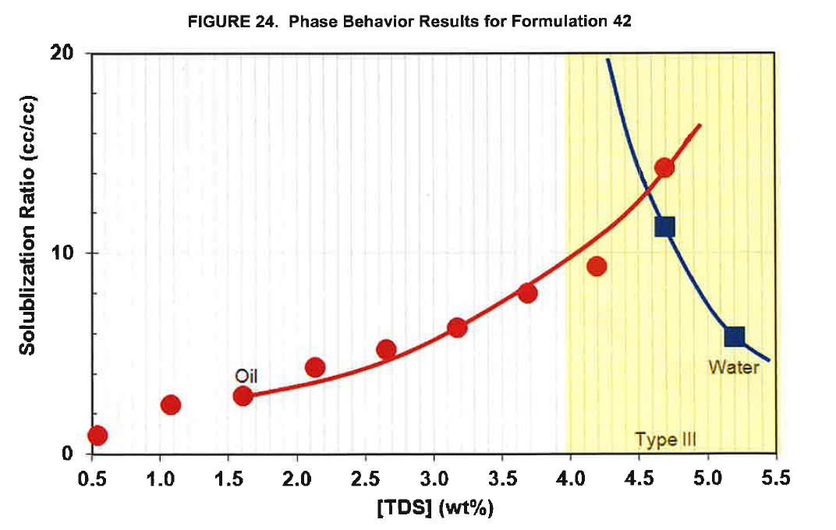
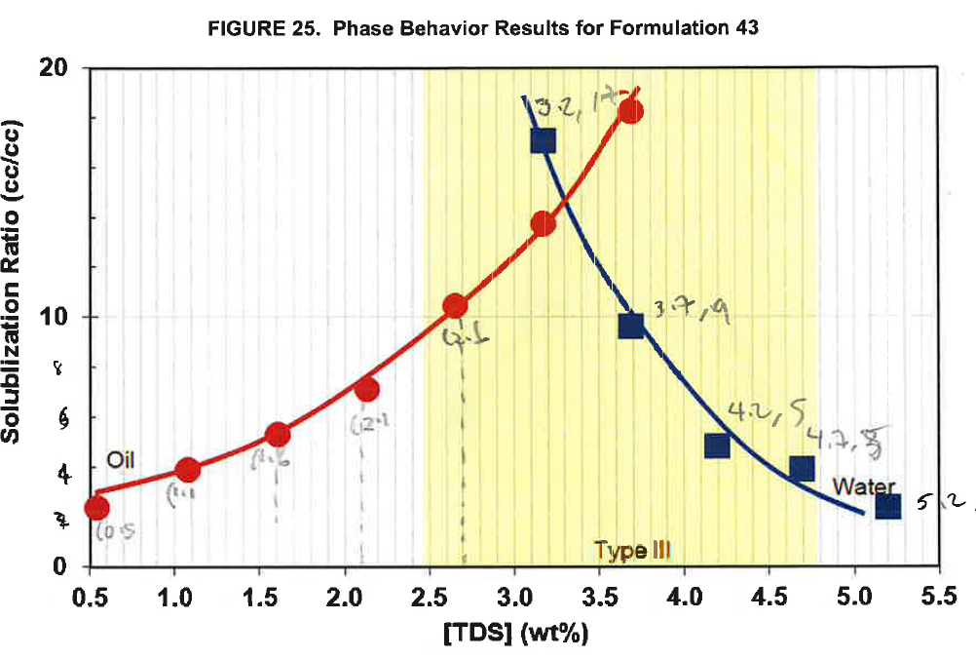
 |  | Formulation 42. Figure 24. Page 28 |  |  | [VALIDATED]
 |  | repeat this | repeat this
 |  | oil | oil | water | water
 |  | X axis | Y axis | X axis | Y axis
Page | Formulation | Total Dissolved Solid ( TDS) (wt%) | Solubilization Ratio ( cc/cc) | Total Dissolved Solid ( TDS) (wt%) | Solubilization Ratio ( cc/cc)
28 | Formulation 42 | 0.54 | 0.88 | 4.68 | 11.40
 |  | 1.07 | 2.46 | 5.20 | 5.87
 |  | 1.60 | 2.89
 |  | 2.13 | 4.32
 |  | 2.65 | 5.18
 |  | 3.16 | 6.29
 |  | 3.69 | 7.99
 |  | 4.19 | 9.39
 |  | 4.69 | 14.29

 |  | Formulation 43. Figure 25 . Page 29 |  |  | [VALIDATED]
 |  | repeat this | repeat this
 |  | oil | oil | water | water
 |  | X axis | Y axis | X axis | Y axis
Page | Formulation | Total Dissolved Solid ( TDS) (wt%) | Solubilization Ratio ( cc/cc) | Total Dissolved Solid ( TDS) (wt%) | Solubilization Ratio ( cc/cc)
29 | Formulation 43 | 0.55 | 2.37 | 3.18 | 17.10
 |  | 1.08 | 3.90 | 3.69 | 9.62
 |  | 1.62 | 5.31 | 4.20 | 4.85
 |  | 2.14 | 7.15 | 4.70 | 3.90
 |  | 2.66 | 10.49 | 5.21 | 2.40
 |  | 3.18 | 13.78
 |  | 3.70 | 18.32

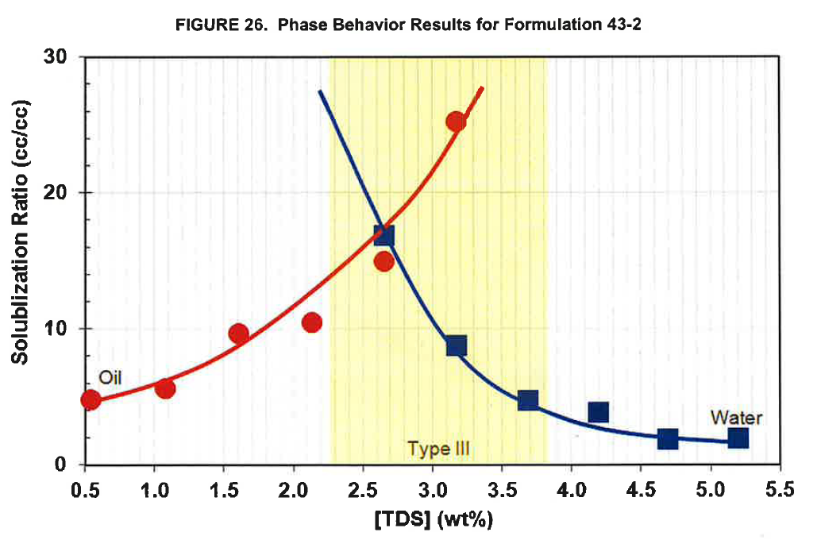
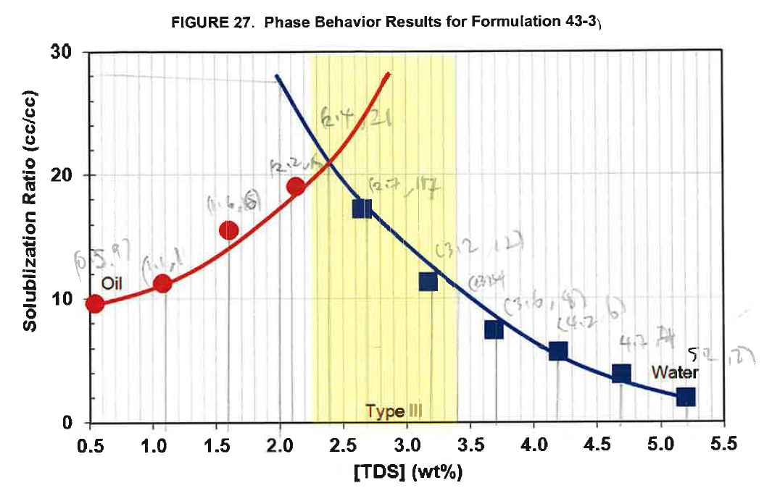
 |  | Formulation 43-2. Figure 26 . Page 29 |  |  | [VALIDATED]
 |  | repeat this | repeat this
 |  | oil | oil | water | water
 |  | X axis | Y axis | X axis | Y axis
Page | Formulation | Total Dissolved Solid ( TDS) (wt%) | Solubilization Ratio ( cc/cc) | Total Dissolved Solid ( TDS) (wt%) | Solubilization Ratio ( cc/cc)
29 | Formulation 43-2 | 0.54 | 4.73 | 2.65 | 16.94
 |  | 1.08 | 5.63 | 3.17 | 8.78 |  |  | E
 |  | 1.60 | 9.68 | 3.68 | 4.73
 |  | 2.13 | 10.50 | 4.19 | 3.92
 |  | 2.66 | 15.00 | 4.69 | 1.98
 |  | 3.17 | 25.27 | 5.20 | 2.07

 |  | Formulation 43-3. Figure 27 . Page 30 |  |  | [VALIDATED]
 |  | repeat this | repeat this
 |  | oil | oil | water | water
 |  | X axis | Y axis | X axis | Y axis
Page | Formulation | Total Dissolved Solid ( TDS) (wt%) | Solubilization Ratio ( cc/cc) | Total Dissolved Solid ( TDS) (wt%) | Solubilization Ratio ( cc/cc)
30 | Formulation 43-3 | 0.53 | 9.63 | 2.65 | 17.35
 |  | 1.07 | 11.32 | 3.18 | 11.50
 |  | 1.59 | 15.57 | 3.69 | 7.63
 |  | 2.12 | 19.13 | 4.19 | 5.94
 |  |  |  | 4.69 | 4.06
 |  |  |  | 5.20 | 2.15

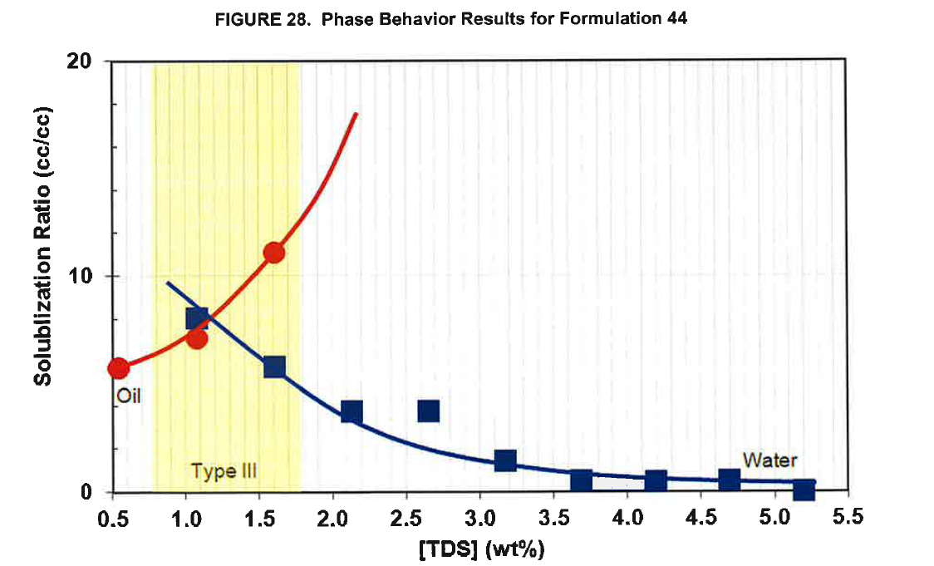
 |  | Formulation 44. Figure 28 . Page 30 |  |  | [VALIDATED]
 |  | repeat this | repeat this
 |  | oil | oil | water | water
 |  | X axis | Y axis | X axis | Y axis
Page | Formulation | Total Dissolved Solid ( TDS) (wt%) | Solubilization Ratio ( cc/cc) | Total Dissolved Solid ( TDS) (wt%) | Solubilization Ratio ( cc/cc)
30 | Formulation 44 | 0.54 | 5.76 | 1.07 | 8.10
 |  | 1.08 | 7.15 | 1.60 | 5.82
 |  | 1.60 | 11.13 | 2.12 | 3.74
 |  |  |  | 2.65 | 3.80
 |  |  |  | 3.17 | 1.51
 |  |  |  | 3.70 | 0.53
 |  |  |  | 4.20 | 0.53
 |  |  |  | 4.70 | 0.56
 |  |  |  | 5.20 | 0.00

Figure 29 . Viscosity of Superpusher vs Days in Oven

 |  | T=100 degC |  | T=110 degC |  | T=120 degC
 |  | X axis | Y axis | X axis | Y axis | X axis | Y axis
Page |  | Days in Oven | Viscosity (cP) | Days in Oven | Viscosity (cP) | Days in Oven | Viscosity (cP)
31 |  | 0.00 | 4.90 | 0.00 | 4.86 | 0.00 | 4.83
 |  | 7.08 | 4.47 | 7.04 | 4.40 | 7.04 | 4.06
 |  | 13.98 | 4.14 | 13.94 | 4.01 | 13.98 | 3.68
 |  | 20.93 | 3.78 | 20.93 | 3.71 | 20.93 | 3.65
 |  | 27.96 | 3.62 | 27.96 | 3.45 | 28.01 | 3.21
 |  | 41.99 | 3.43 | 41.99 | 3.33 | 41.99 | 2.93

Figure 30 . Viscosity of Polymer A vs Days in Oven

 |  | T=100 degC |  | T=110 degC |  | T=120 degC
 |  | X axis | Y axis | X axis | Y axis | X axis | Y axis
Page |  | Days in Oven | Viscosity (cP) | Days in Oven | Viscosity (cP) | Days in Oven | Viscosity (cP)
31 |  | 0 | 9.40 | 0 | 9.36 | 0 | 9.36
 |  | 7 | 7.75 | 7 | 7.49 | 7 | 7.26
 |  | 14 | 6.88 | 14 | 6.64 | 14 | 6.23
 |  | 21 | 6.18 | 21 | 6.07 | 21 | 5.69
 |  | 28 | 4.83 | 28 | 4.68 | 28 | 4.00
 |  | 42 | 4.55 | 42 | 4.09 | 42 | 4.09

